Table 18
NOTES | Table 18: Emissions from electricity by eGRID region
This sheet contains electricity emissions estimates from "eGRID2014" produced by the EPA https://www.epa.gov/energy/emissions-generation-resource-integrated-database-egrid | eGRID subregion acronym | eGRID subregion name | eGRID subregion annual CO2 equivalent total output emission rate (lb CO2e / kWh)
Estimates are built from fuel type and facility data and regions are assigned based on elecriticy transmission grids. | SUBRGN | SRNAME
The data are to be used to calcualte the GHG emissions associated with a kWh of electricity use by users of the Fieldprint Platform. | AKGD | ASCC Alaska Grid | 0.93
These values accurately capture the transmission of electricity within and across regions and are better estimates of emissions for an electricity customer than the state-level electricity generation data. | AKMS | ASCC Miscellaneous | 0.68
The abbreviations in the table correspond to abbreviations in the map below. A shapefile version of this map is available at: https://www.epa.gov/energy/download-egrid2014-shapefiles | AZNM | WECC Southwest | 0.88
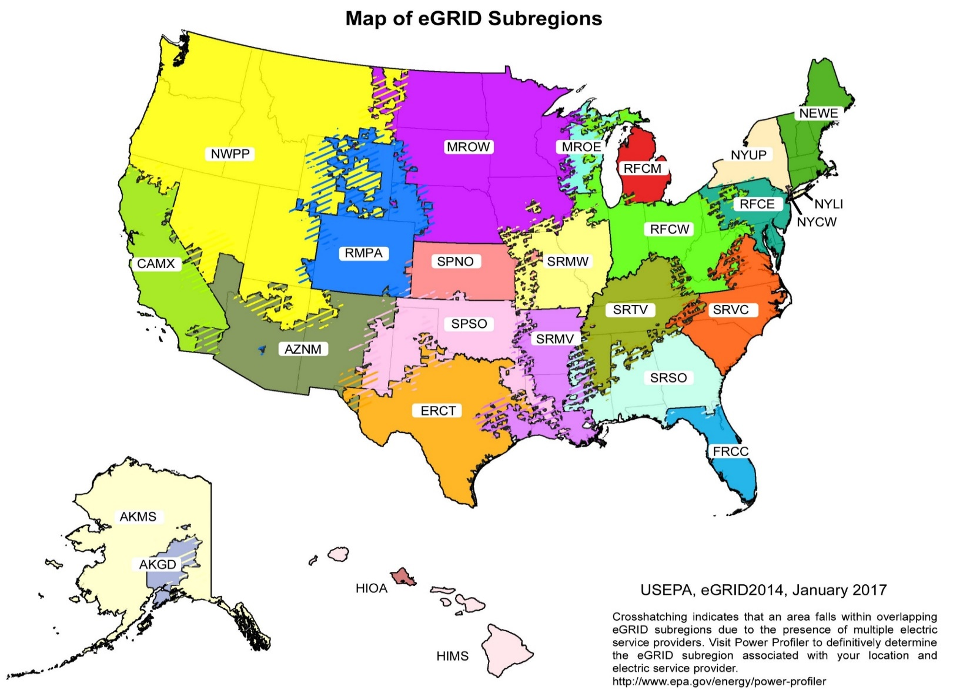
 | CAMX | WECC California | 0.57
 | ERCT | ERCOT All | 1.15
 | FRCC | FRCC All | 1.08
 | HIMS | HICC Miscellaneous | 0.95
 | HIOA | HICC Oahu | 1.49
 | MROE | MRO East | 1.67
 | MROW | MRO West | 1.37
 | NEWE | NPCC New England | 0.58
 | NWPP | WECC Northwest | 0.91
 | NYCW | NPCC NYC/Westchester | 0.67
 | NYLI | NPCC Long Island | 1.20
 | NYUP | NPCC Upstate NY | 0.37
 | RFCE | RFC East | 0.83
 | RFCM | RFC Michigan | 1.54
 | RFCW | RFC West | 1.39
 | RMPA | WECC Rockies | 1.75
 | SPNO | SPP North | 1.58
 | SPSO | SPP South | 1.48
 | SRMV | SERC Mississippi Valley | 1.02
 | SRMW | SERC Midwest | 1.78
 | SRSO | SERC South | 1.15
 | SRTV | SERC Tennessee Valley | 1.34
 | SRVC | SERC Virginia/Carolina | 0.86

