Use_Case
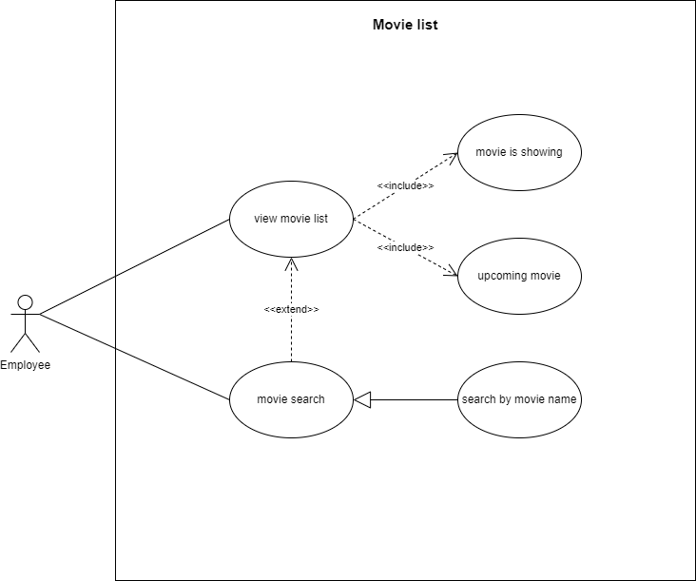
6.3.2 Thiết kế giao diện

Class_Diagram
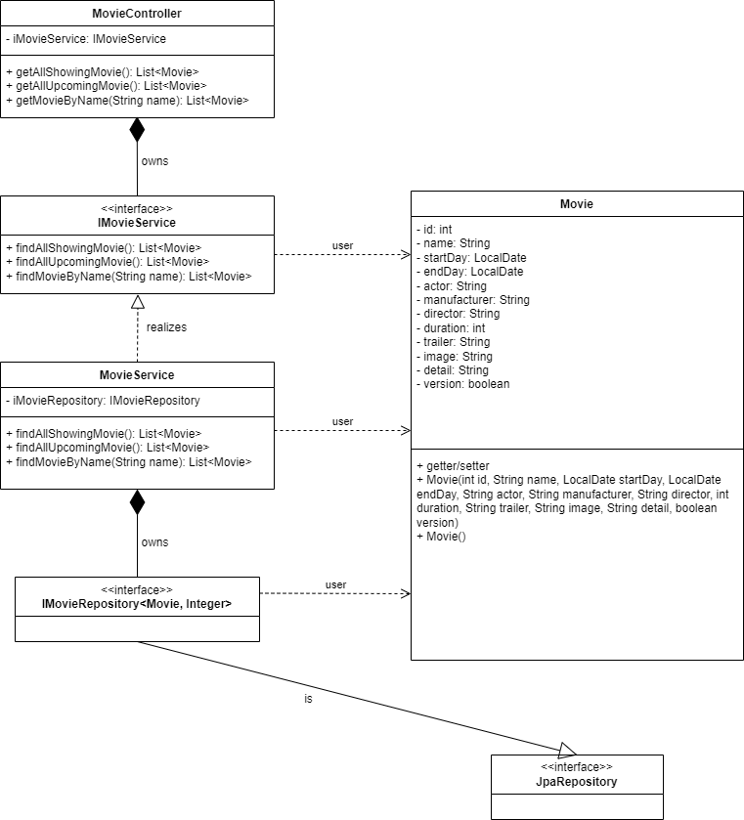
6.3.2 Thiết kế giao diện

Sequence_Diagram
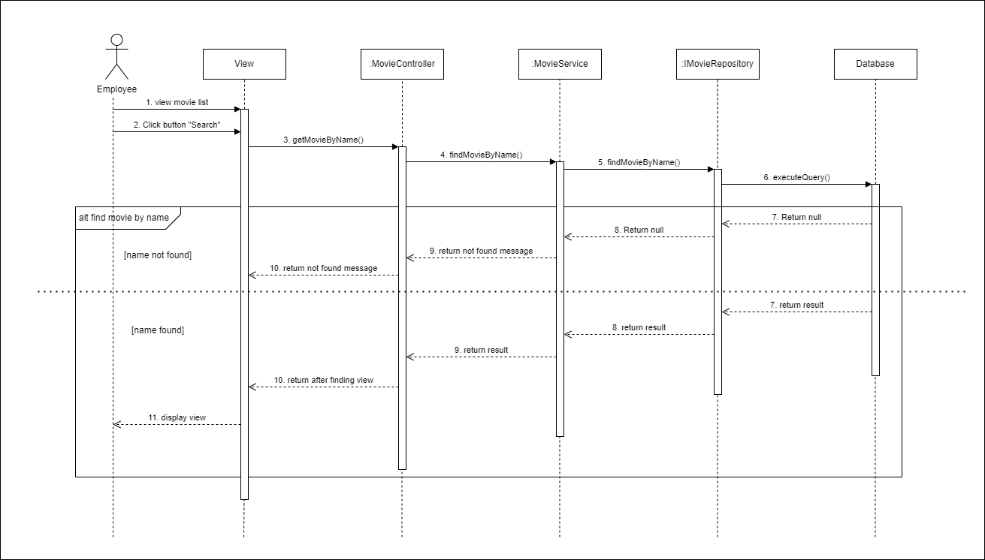
6.3.2.1 Danh Sách Phim – Xem danh sách phim

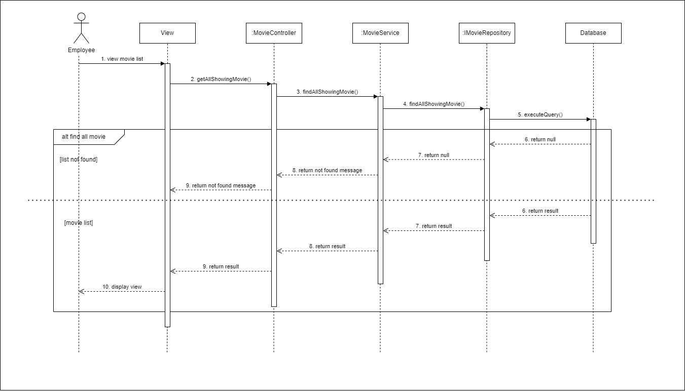

6.3.2.3 Danh sách Phim – Tìm kiếm Phim

