Al BFV Pricelist
 |  |  |  | PVH/PL/BFV/AL/01 Rev.01 Dtd.01.01.2022
 |  |  |  | CEO Mr. Pramod Gaikwad 9881236139 |  |  |  |  |  |  | CEO
PARTH VALVES AND HOSES LLP |  |  |  |  |  |  | PVH/PL/BFV/AL/01 Rev.01 D-01.01.2022 |  |  |  | Mr. Pramod Gaikwad
Plot No. D-1/21/3/1/3 Road, Near Nagmani Hotel, Thermax chowk, |  |  |  | pramod@parthvalve.com |  |  |  |  |  |  | 9881236139
MIDC Chinchwad, Akurdi, Pune -411 019. |  |  |  | sales@parthvalve.com
GST NO.: 27AASFP6216F2ZY |  |  |  | marketing@parthvalve.com
 |  |  |  | marketing@foodpharmavalves.com

PN04 Aluminium Butterfly Valve Pricelist - 2022

Sr No | Product Description | Image | Size | Unit Prices as per DISC MOC (INR) |  |  | AL + Disc SS 304 & EPDM Seat |  |  |  | AL + Disc SS 316 & EPDM Seat
 |  |  |  | SS304 | SS316 |  | TOTAL COST PER SIZE |  | 40% Rise | Seles Price | TOTAL COST PER SIZE |  | 40% Rise | Seles Price
1 | Valve - Butterfly Valve Body - AL Seat - WHITE EPDM Stem - SS304 Pressure - PN04 End - WAFER Drilling - BSEN 4504 Paint - NA Operator - BARE SHAFT | 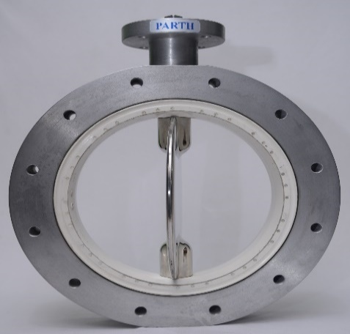 | DN100 | 19706 | 19776 |  | DN 100 | 9853 | 13794 | 19706 | DN 100 | 9888 | 13843 | 19776
2 |  |  | DN125 | 19979 | 20123 |  | DN 125 | 9990 | 13985 | 19979 | DN 125 | 10062 | 14086 | 20123
3 |  |  | DN150 | 20250 | 20470 |  | DN 150 | 10125 | 14175 | 20250 | DN 150 | 10235 | 14329 | 20470
4 |  |  | DN200 | 25352 | 25562 |  | DN 200 | 12676 | 17747 | 25352 | DN 200 | 12781 | 17893 | 25562
5 |  |  | DN250 | 29412 | 29805 |  | DN 250 | 14706 | 20588 | 29412 | DN 250 | 14903 | 20864 | 29805
6 |  |  | DN300 | 35606 | 36155 |  | DN 300 | 17803 | 24924 | 35606 | DN 300 | 18078 | 25309 | 36155
7 |  |  | DN350 | 47130 | 47978 |  | DN 350 | 23565 | 32991 | 47130 | DN 350 | 23989 | 33584 | 47978
8 |  |  | DN400 | 55210 | 56108 |  | DN 400 | 27605 | 38647 | 55210 | DN 400 | 28054 | 39275 | 56108
9 |  |  | DN450 | 73112 | 74879 |  | DN 450 | 36556 | 51178 | 73112 | DN 450 | 37439 | 52415 | 74879
10 |  |  | DN500 | 92916 | 95128 |  | DN 500 | 46458 | 65041 | 92916 | DN 500 | 47564 | 66589 | 95128
11 |  |  | DN600 | 111499 | 114154 |  | DN 600 | 55750 | 78049 | 111499 | DN 600 | 57077 | 79908 | 114154
Sr No | Product Description | Image | Size | Unit Prices as per DISC MOC (INR) |  |  | VALVE + DA ACTUATOR |  |  |  |  |  |  |  | VALVE + DA ACTUATOR
 |  |  |  | SS304 | SS316 |  | Size | Act. Model | Cost | 35% Rise | Sales Price | 304 Bare Price | Total |  | Size | Act. Model | Cost | 35% Rise | Sales Price | 316 Bare Price | Total
1 | Valve - Butterfly Valve Body - AL Seat - WHITE EPDM Stem - SS304 Pressure - PN04 End - WAFER Drilling - BSEN 4504 Paint - NA Operator - VALVE + DA ACTUATOR | 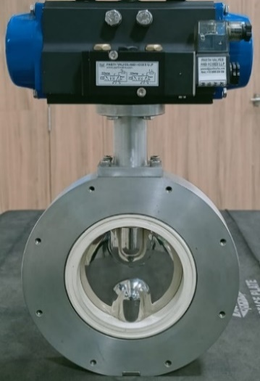 | DN100 | 27972 | 28042 |  | DN 100 | DA 75 Del. | 4286 | 5786 | 8266 | 19706 | 27972 |  | DN 100 | DA 75 Del. | 4286 | 5786 | 8266 | 19776 | 28042
2 |  |  | DN125 | 30364 | 30508 |  | DN 125 | DA 85 Del. | 5385 | 7270 | 10385 | 19979 | 30364 |  | DN 125 | DA 85 Del. | 5385 | 7270 | 10385 | 20123 | 30508
3 |  |  | DN150 | 33804 | 34024 |  | DN 150 | DA 100 Del. | 7028 | 9488 | 13554 | 20250 | 33804 |  | DN 150 | DA 100 Del. | 7028 | 9488 | 13554 | 20470 | 34024
4 |  |  | DN200 | 38906 | 39116 |  | DN 200 | DA 100 Del. | 7028 | 9488 | 13554 | 25352 | 38906 |  | DN 200 | DA 100 Del. | 7028 | 9488 | 13554 | 25562 | 39116
5 |  |  | DN250 | 47907 | 48300 |  | DN 250 | DA 115 Del. | 9590 | 12947 | 18495 | 29412 | 47907 |  | DN 250 | DA 115 Del. | 9590 | 12947 | 18495 | 29805.4 | 48300
6 |  |  | DN300 | 54101 | 54650 |  | DN 300 | DA 115 Del. | 9590 | 12947 | 18495 | 35606 | 54101 |  | DN 300 | DA 115 Del. | 9590 | 12947 | 18495 | 36155.2 | 54650
7 |  |  | DN350 | 82832 | 83679 |  | DN 350 | DA 150 Del. | 18512 | 24991 | 35702 | 47130 | 82832 |  | DN 350 | DA 150 Del. | 18512 | 24991 | 35702 | 47977.6 | 83679
8 |  |  | DN400 | 90912 | 91809 |  | DN 400 | DA 150 Del. | 18512 | 24991 | 35702 | 55210 | 90912 |  | DN 400 | DA 150 Del. | 18512 | 24991 | 35702 | 56107.6 | 91809
9 |  |  | DN450 | 124641 | 126408 |  | DN 450 | DA 175 Del. | 26719 | 36071 | 51530 | 73112 | 124641 |  | DN 450 | DA 175 Del. | 26719 | 36071 | 51530 | 74878.8 | 126408
10 |  |  | DN500 | 170373 | 172585 |  | DN 500 | DA 200 Del. | 40163 | 54220 | 77457 | 92916 | 170373 |  | DN 500 | DA 200 Del. | 40163 | 54220 | 77457 | 95127.6 | 172585
11 |  |  | DN600 | 207255 | 209909 |  | DN 600 | DA 250 Rotex | 49651 | 67029 | 95756 | 111499 | 207255 |  | DN 600 | DA 250 Rotex | 49651 | 67029 | 95756 | 114153.6 | 209909
Sr No | Product Description | Image | Size | Unit Prices as per DISC MOC (INR) |  |  | VALVE + SA ACTUATOR |  |  |  |  |  |  |  | VALVE + SA ACTUATOR
 |  |  |  | SS304 | SS316 |  | Size | Act. Model | Cost | 35% Rise | Sales Price | 304 Bare Price | Total |  | Size | Act. Model | Cost | 35% Rise | Sales Price | 316 Bare Price | Total
1 | Valve - Butterfly Valve Body - AL Seat - WHITE EPDM Stem - SS304 Pressure - PN04 End - WAFER Drilling - BSEN 4504 Paint - NA Operator - VALVE + SA ACTUATOR | 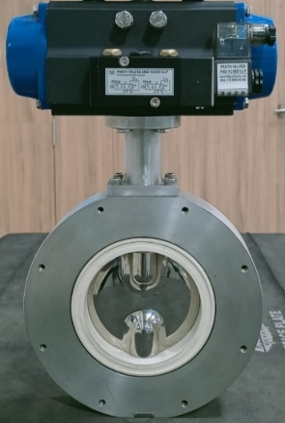 | DN100 | 32481 | 32551 |  | DN 100 | SA 85 Del. | 6624 | 8942 | 12775 | 19706 | 32481 |  | DN 100 | SA 85 Del. | 6624 | 8942 | 12775 | 19776 | 32551
2 |  |  | DN125 | 36636 | 36780 |  | DN 125 | SA 100 Del. | 8637 | 11660 | 16657 | 19979 | 36636 |  | DN 125 | SA 100 Del. | 8637 | 11660 | 16657 | 20123 | 36780
3 |  |  | DN150 | 42616 | 42836 |  | DN 150 | SA 115 Del. | 11597 | 15656 | 22366 | 20250 | 42616 |  | DN 150 | SA 115 Del. | 11597 | 15656 | 22366 | 20470 | 42836
4 |  |  | DN200 | 53128 | 53337 |  | DN 200 | SA 125 Del. | 14402 | 19443 | 27775 | 25352 | 53128 |  | DN 200 | SA 125 Del. | 14402 | 19443 | 27775 | 25562 | 53337
5 |  |  | DN250 | 57187 | 57581 |  | DN 250 | SA 125 Del. | 14402 | 19443 | 27775 | 29412 | 57187 |  | DN 250 | SA 125 Del. | 14402 | 19443 | 27775 | 29805 | 57581
6 |  |  | DN300 | 79873 | 80422 |  | DN 300 | SA 150 Del. | 22953 | 30987 | 44267 | 35606 | 79873 |  | DN 300 | SA 150 Del. | 22953 | 30987 | 44267 | 36155 | 80422
7 |  |  | DN350 | 110650 | 111497 |  | DN 350 | SA 175 Del. | 32936 | 44464 | 63519 | 47130 | 110650 |  | DN 350 | SA 175 Del. | 32936 | 44464 | 63519 | 47978 | 111497
8 |  |  | DN400 | 118729 | 119627 |  | DN 400 | SA 175 Del. | 32936 | 44464 | 63519 | 55210 | 118729 |  | DN 400 | SA 175 Del. | 32936 | 44464 | 63519 | 56108 | 119627
9 |  |  | DN450 | 170877 | 172644 |  | DN 450 | SA 200 Del. | 50693 | 68436 | 97765 | 73112 | 170877 |  | DN 450 | SA 200 Del. | 50693 | 68436 | 97765 | 74879 | 172644
10 |  |  | DN500 | 224058 | 226270 |  | DN 500 | SA 250 Rotex | 68000 | 91800 | 131143 | 92916 | 224058 |  | DN 500 | SA 250 Rotex | 68000 | 91800 | 131143 | 95128 | 226270
11 |  |  | DN600 | 366071 | 368725 |  | DN 600 | SA 300 Rotex | 132000 | 178200 | 254571 | 111499 | 366071 |  | DN 600 | SA 300 Rotex | 132000 | 178200 | 254571 | 114154 | 368725
Sr No | Product Description | Image | Size | Unit Prices as per DISC MOC (INR) |  |  | VALVE + DA ACTUATOR+LSB |  |  |  |  |  |  |  | VALVE + DA ACTUATOR+LSB
 |  |  |  | SS304 | SS316 |  | Size | Valve (304)+ DA | LSB Cost | 35% Rise | Sales Price | Total |  |  | Size | Valve (316)+ DA | LSB Cost | 35% Rise | Sales Price | Total
1 | Valve - Butterfly Valve Body - AL Seat - WHITE EPDM Stem - SS304 Pressure - PN04 End - WAFER Drilling - BSEN 4504 Paint - NA Operator - VALVE + DA ACTUATOR+LSB | 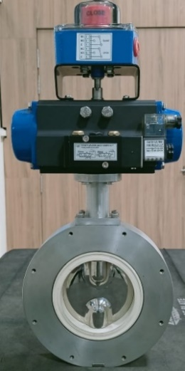 | DN100 | 30730 | 30800 |  | DN 100 | 27972 | 1430 | 1931 | 2758 | 30730 |  |  | DN 100 | 28042 | 1430 | 1931 | 2758 | 30800
2 |  |  | DN125 | 33122 | 33266 |  | DN 125 | 30364 | 1430 | 1931 | 2758 | 33122 |  |  | DN 125 | 30508 | 1430 | 1931 | 2758 | 33266
3 |  |  | DN150 | 36562 | 36782 |  | DN 150 | 33804 | 1430 | 1931 | 2758 | 36562 |  |  | DN 150 | 34024 | 1430 | 1931 | 2758 | 36782
4 |  |  | DN200 | 41664 | 41874 |  | DN 200 | 38906 | 1430 | 1931 | 2758 | 41664 |  |  | DN 200 | 39116 | 1430 | 1931 | 2758 | 41874
5 |  |  | DN250 | 50665 | 51058 |  | DN 250 | 47907 | 1430 | 1931 | 2758 | 50665 |  |  | DN 250 | 48300 | 1430 | 1931 | 2758 | 51058
6 |  |  | DN300 | 56859 | 57408 |  | DN 300 | 54101 | 1430 | 1931 | 2758 | 56859 |  |  | DN 300 | 54650 | 1430 | 1931 | 2758 | 57408
7 |  |  | DN350 | 85590 | 86437 |  | DN 350 | 82832 | 1430 | 1931 | 2758 | 85590 |  |  | DN 350 | 83679 | 1430 | 1931 | 2758 | 86437
8 |  |  | DN400 | 93670 | 94567 |  | DN 400 | 90912 | 1430 | 1931 | 2758 | 93670 |  |  | DN 400 | 91809 | 1430 | 1931 | 2758 | 94567
9 |  |  | DN450 | 127399 | 129166 |  | DN 450 | 124641 | 1430 | 1931 | 2758 | 127399 |  |  | DN 450 | 126408 | 1430 | 1931 | 2758 | 129166
10 |  |  | DN500 | 173131 | 175343 |  | DN 500 | 170373 | 1430 | 1931 | 2758 | 173131 |  |  | DN 500 | 172585 | 1430 | 1931 | 2758 | 175343
11 |  |  | DN600 | 210013 | 212667 |  | DN 600 | 207255 | 1430 | 1931 | 2758 | 210013 |  |  | DN 600 | 209909 | 1430 | 1931 | 2758 | 212667
Page 1 OF 3
Sr No | Product Description | Image | Size | Unit Prices as per DISC MOC (INR) |  |  | VALVE + SA ACTUATOR+LSB |  |  |  |  |  |  |  | VALVE + SA ACTUATOR+LSB
 |  |  |  | SS304 | SS316 |  | Size | Valve (304)+ SA | LSB Cost | 35% Rise | Sales Price | Total |  |  | Size | Valve (316)+ SA | LSB Cost | 35% Rise | Sales Price | Total
1 | Valve - Butterfly Valve Body - AL Seat - WHITE EPDM Stem - SS304 Pressure - PN04 End - WAFER Drilling - BSEN 4504 Paint - NA Operator - VALVE + SA ACTUATOR+LSB | 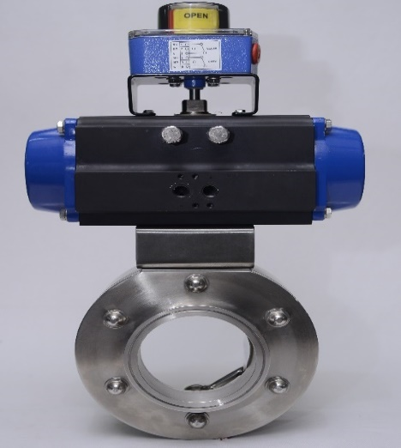 | DN100 | 35239 | 35309 |  | DN 100 | 32481 | 1430 | 1931 | 2758 | 35239 |  |  | DN 100 | 32551 | 1430 | 1931 | 2758 | 35309
2 |  |  | DN125 | 39394 | 39538 |  | DN 125 | 36636 | 1430 | 1931 | 2758 | 39394 |  |  | DN 125 | 36780 | 1430 | 1931 | 2758 | 39538
3 |  |  | DN150 | 45374 | 45594 |  | DN 150 | 42616 | 1430 | 1931 | 2758 | 45374 |  |  | DN 150 | 42836 | 1430 | 1931 | 2758 | 45594
4 |  |  | DN200 | 55886 | 56095 |  | DN 200 | 53128 | 1430 | 1931 | 2758 | 55886 |  |  | DN 200 | 53337 | 1430 | 1931 | 2758 | 56095
5 |  |  | DN250 | 59945 | 60339 |  | DN 250 | 57187 | 1430 | 1931 | 2758 | 59945 |  |  | DN 250 | 57581 | 1430 | 1931 | 2758 | 60339
6 |  |  | DN300 | 82631 | 83180 |  | DN 300 | 79873 | 1430 | 1931 | 2758 | 82631 |  |  | DN 300 | 80422 | 1430 | 1931 | 2758 | 83180
7 |  |  | DN350 | 113408 | 114255 |  | DN 350 | 110650 | 1430 | 1931 | 2758 | 113408 |  |  | DN 350 | 111497 | 1430 | 1931 | 2758 | 114255
8 |  |  | DN400 | 121487 | 122385 |  | DN 400 | 118729 | 1430 | 1931 | 2758 | 121487 |  |  | DN 400 | 119627 | 1430 | 1931 | 2758 | 122385
9 |  |  | DN450 | 173635 | 175402 |  | DN 450 | 170877 | 1430 | 1931 | 2758 | 173635 |  |  | DN 450 | 172644 | 1430 | 1931 | 2758 | 175402
10 |  |  | DN500 | 226816 | 229028 |  | DN 500 | 224058 | 1430 | 1931 | 2758 | 226816 |  |  | DN 500 | 226270 | 1430 | 1931 | 2758 | 229028
11 |  |  | DN600 | 368828 | 371483 |  | DN 600 | 366071 | 1430 | 1931 | 2758 | 368828 |  |  | DN 600 | 368725 | 1430 | 1931 | 2758 | 371483
Sr No | Product Description | Image | Size | Unit Prices as per DISC MOC (INR) |  |  | VALVE + DA ACTUATOR + LSB + SOV |  |  |  |  |  |  |  | VALVE + DA ACTUATOR + LSB + SOV
 |  |  |  | SS304 | SS316 |  | Size | Val. (304)+ DA+LSB | SOV Cost | 35% Rise | Sales Price | Total |  |  | Size | Val. (316)+ DA+LSB | SOV Cost | 35% Rise | Sales Price | Total
1 | Valve - Butterfly Valve Body - AL Seat - WHITE EPDM Stem - SS304 Pressure - PN04 End - WAFER Drilling - BSEN 4504 Paint - NA Operator - VALVE + DA ACTUATOR + LSB + SOV |  | DN100 | 34761 | 34830 |  | DN 100 | 30730 | 2090 | 2822 | 4031 | 34761 |  |  | DN 100 | 30800 | 2090 | 2822 | 4031 | 34830
2 |  |  | DN125 | 37153 | 37297 |  | DN 125 | 33122 | 2090 | 2822 | 4031 | 37153 |  |  | DN 125 | 33266 | 2090 | 2822 | 4031 | 37297
3 |  |  | DN150 | 40593 | 40813 |  | DN 150 | 36562 | 2090 | 2822 | 4031 | 40593 |  |  | DN 150 | 36782 | 2090 | 2822 | 4031 | 40813
4 |  |  | DN200 | 45695 | 45905 |  | DN 200 | 41664 | 2090 | 2822 | 4031 | 45695 |  |  | DN 200 | 41874 | 2090 | 2822 | 4031 | 45905
5 |  |  | DN250 | 54695 | 55089 |  | DN 250 | 50665 | 2090 | 2822 | 4031 | 54695 |  |  | DN 250 | 51058 | 2090 | 2822 | 4031 | 55089
6 |  |  | DN300 | 60890 | 61439 |  | DN 300 | 56859 | 2090 | 2822 | 4031 | 60890 |  |  | DN 300 | 57408 | 2090 | 2822 | 4031 | 61439
7 |  |  | DN350 | 89621 | 90468 |  | DN 350 | 85590 | 2090 | 2822 | 4031 | 89621 |  |  | DN 350 | 86437 | 2090 | 2822 | 4031 | 90468
8 |  |  | DN400 | 97700 | 98598 |  | DN 400 | 93670 | 2090 | 2822 | 4031 | 97700 |  |  | DN 400 | 94567 | 2090 | 2822 | 4031 | 98598
9 |  |  | DN450 | 131430 | 133197 |  | DN 450 | 127399 | 2090 | 2822 | 4031 | 131430 |  |  | DN 450 | 129166 | 2090 | 2822 | 4031 | 133197
10 |  |  | DN500 | 177161 | 179373 |  | DN 500 | 173131 | 2090 | 2822 | 4031 | 177161 |  |  | DN 500 | 175343 | 2090 | 2822 | 4031 | 179373
11 |  |  | DN600 | 214043 | 216698 |  | DN 600 | 210013 | 2090 | 2822 | 4031 | 214043 |  |  | DN 600 | 212667 | 2090 | 2822 | 4031 | 216698
Sr No | Product Description | Image | Size | Unit Prices as per DISC MOC (INR) |  |  | VALVE + SA ACTUATOR + LSB + SOV |  |  |  |  |  |  |  | VALVE + SA ACTUATOR + LSB + SOV
 |  |  |  | SS304 | SS316 |  | Size | Val. (304)+ SA+LSB | SOV Cost | 35% Rise | Sales Price | Total |  |  | Size | Val. (316)+ SA+LSB | SOV Cost | 35% Rise | Sales Price | Total
1 | Valve - Butterfly Valve Body - AL Seat - WHITE EPDM Stem - SS304 Pressure - PN04 End - WAFER Drilling - BSEN 4504 Paint - NA Operator - VALVE + SA ACTUATOR + LSB + SOV |  | DN100 | 39270 | 39339 |  | DN 100 | 35239 | 2090 | 2822 | 4031 | 39270 |  |  | DN 100 | 35309 | 2090 | 2822 | 4031 | 39339
2 |  |  | DN125 | 43425 | 43569 |  | DN 125 | 39394 | 2090 | 2822 | 4031 | 43425 |  |  | DN 125 | 39538 | 2090 | 2822 | 4031 | 43569
3 |  |  | DN150 | 49404 | 49624 |  | DN 150 | 45374 | 2090 | 2822 | 4031 | 49404 |  |  | DN 150 | 45594 | 2090 | 2822 | 4031 | 49624
4 |  |  | DN200 | 59916 | 60126 |  | DN 200 | 55886 | 2090 | 2822 | 4031 | 59916 |  |  | DN 200 | 56095 | 2090 | 2822 | 4031 | 60126
5 |  |  | DN250 | 63976 | 64369 |  | DN 250 | 59945 | 2090 | 2822 | 4031 | 63976 |  |  | DN 250 | 60339 | 2090 | 2822 | 4031 | 64369
6 |  |  | DN300 | 86661 | 87210 |  | DN 300 | 82631 | 2090 | 2822 | 4031 | 86661 |  |  | DN 300 | 83180 | 2090 | 2822 | 4031 | 87210
7 |  |  | DN350 | 117438 | 118286 |  | DN 350 | 113408 | 2090 | 2822 | 4031 | 117438 |  |  | DN 350 | 114255 | 2090 | 2822 | 4031 | 118286
8 |  |  | DN400 | 125518 | 126416 |  | DN 400 | 121487 | 2090 | 2822 | 4031 | 125518 |  |  | DN 400 | 122385 | 2090 | 2822 | 4031 | 126416
9 |  |  | DN450 | 177665 | 179432 |  | DN 450 | 173635 | 2090 | 2822 | 4031 | 177665 |  |  | DN 450 | 175402 | 2090 | 2822 | 4031 | 179432
10 |  |  | DN500 | 230847 | 233059 |  | DN 500 | 226816 | 2090 | 2822 | 4031 | 230847 |  |  | DN 500 | 229028 | 2090 | 2822 | 4031 | 233059
11 |  |  | DN600 | 372859 | 375514 |  | DN 600 | 368828 | 2090 | 2822 | 4031 | 372859 |  |  | DN 600 | 371483 | 2090 | 2822 | 4031 | 375514
Sr No | Product Description | Image | Size | Unit Prices as per DISC MOC (INR) |  |  | VALVE + DA ACTUATOR + Pneu. - Pneumatic Positioner |  |  |  |  |  |  |  | VALVE + DA ACTUATOR + Pneu. - Pneumatic Positioner
 |  |  |  | SS304 | SS316 |  | Size | Valve 304 + DA Actuator | Pneumatic Positioner Cost | 35% Rise | Sales Price | Total |  |  | Size | Valve 316 + DA Actuator | Pneumatic Positioner Cost | 35% Rise | Sales Price | Total
1 | Valve - Butterfly Valve Body - AL Seat - WHITE EPDM Stem - SS304 Pressure - PN04 End - WAFER Drilling - BSEN 4504 Paint - NA Operator - Valve + DA Actuator + Pneumatic - Pneumatic Positioner | 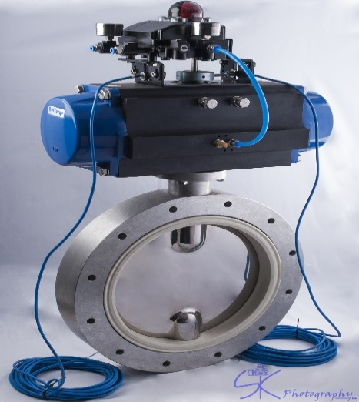 | DN100 | 60758 | 60828 |  | DN 100 | 27972 | 17000 | 22950 | 32786 | 60758 |  |  | DN 100 | 28042 | 17000 | 22950 | 32786 | 60828
2 |  |  | DN125 | 63150 | 63294 |  | DN 125 | 30364 | 17000 | 22950 | 32786 | 63150 |  |  | DN 125 | 30508 | 17000 | 22950 | 32786 | 63294
3 |  |  | DN150 | 66590 | 66810 |  | DN 150 | 33804 | 17000 | 22950 | 32786 | 66590 |  |  | DN 150 | 34024 | 17000 | 22950 | 32786 | 66810
4 |  |  | DN200 | 71692 | 71902 |  | DN 200 | 38906 | 17000 | 22950 | 32786 | 71692 |  |  | DN 200 | 39116 | 17000 | 22950 | 32786 | 71902
5 |  |  | DN250 | 80693 | 81086 |  | DN 250 | 47907 | 17000 | 22950 | 32786 | 80693 |  |  | DN 250 | 48300 | 17000 | 22950 | 32786 | 81086
6 |  |  | DN300 | 86887 | 87436 |  | DN 300 | 54101 | 17000 | 22950 | 32786 | 86887 |  |  | DN 300 | 54650 | 17000 | 22950 | 32786 | 87436
7 |  |  | DN350 | 115618 | 116465 |  | DN 350 | 82832 | 17000 | 22950 | 32786 | 115618 |  |  | DN 350 | 83679 | 17000 | 22950 | 32786 | 116465
8 |  |  | DN400 | 123697 | 124595 |  | DN 400 | 90912 | 17000 | 22950 | 32786 | 123697 |  |  | DN 400 | 91809 | 17000 | 22950 | 32786 | 124595
9 |  |  | DN450 | 157427 | 159194 |  | DN 450 | 124641 | 17000 | 22950 | 32786 | 157427 |  |  | DN 450 | 126408 | 17000 | 22950 | 32786 | 159194
10 |  |  | DN500 | 203159 | 205371 |  | DN 500 | 170373 | 17000 | 22950 | 32786 | 203159 |  |  | DN 500 | 172585 | 17000 | 22950 | 32786 | 205371
11 |  |  | DN600 | 240040 | 242695 |  | DN 600 | 207255 | 17000 | 22950 | 32786 | 240040 |  |  | DN 600 | 209909 | 17000 | 22950 | 32786 | 242695
Sr No | Product Description | Image | Size | Unit Prices as per DISC MOC (INR) |  |  | Valve + SA Actuator + Pneu.- Pneumatic Positioner |  |  |  |  |  |  |  | Valve + SA Actuator + Pneu.- Pneumatic Positioner
 |  |  |  | SS304 | SS316 |  | Size | Valve 304 + SA Actuator | Pneumatic Positioner Cost | 35% Rise | Sales Price | Total |  |  | Size | Valve 316 + SA Actuator | Pneumatic Positioner Cost | 35% Rise | Sales Price | Total
1 | Valve - Butterfly Valve Body - AL Seat - WHITE EPDM Stem - SS304 Pressure - PN04 End - WAFER Drilling - BSEN 4504 Paint - NA Operator - Valve + SA Actuator + Pneumatic - Pneumatic Positioner |  | DN100 | 65267 | 65337 |  | DN 100 | 32481 | 17000 | 22950 | 32786 | 65267 |  |  | DN 100 | 32551 | 17000 | 22950 | 32786 | 65337
2 |  |  | DN125 | 69422 | 69566 |  | DN 125 | 36636 | 17000 | 22950 | 32786 | 69422 |  |  | DN 125 | 36780 | 17000 | 22950 | 32786 | 69566
3 |  |  | DN150 | 75401 | 75621 |  | DN 150 | 42616 | 17000 | 22950 | 32786 | 75401 |  |  | DN 150 | 42836 | 17000 | 22950 | 32786 | 75621
4 |  |  | DN200 | 85913 | 86123 |  | DN 200 | 53128 | 17000 | 22950 | 32786 | 85913 |  |  | DN 200 | 53337 | 17000 | 22950 | 32786 | 86123
5 |  |  | DN250 | 89973 | 90366 |  | DN 250 | 57187 | 17000 | 22950 | 32786 | 89973 |  |  | DN 250 | 57581 | 17000 | 22950 | 32786 | 90366
6 |  |  | DN300 | 112659 | 113207 |  | DN 300 | 79873 | 17000 | 22950 | 32786 | 112659 |  |  | DN 300 | 80422 | 17000 | 22950 | 32786 | 113207
7 |  |  | DN350 | 143436 | 144283 |  | DN 350 | 110650 | 17000 | 22950 | 32786 | 143436 |  |  | DN 350 | 111497 | 17000 | 22950 | 32786 | 144283
8 |  |  | DN400 | 151515 | 152413 |  | DN 400 | 118729 | 17000 | 22950 | 32786 | 151515 |  |  | DN 400 | 119627 | 17000 | 22950 | 32786 | 152413
9 |  |  | DN450 | 203662 | 205430 |  | DN 450 | 170877 | 17000 | 22950 | 32786 | 203662 |  |  | DN 450 | 172644 | 17000 | 22950 | 32786 | 205430
10 |  |  | DN500 | 256844 | 259056 |  | DN 500 | 224058 | 17000 | 22950 | 32786 | 256844 |  |  | DN 500 | 226270 | 17000 | 22950 | 32786 | 259056
11 |  |  | DN600 | 398856 | 401511 |  | DN 600 | 366071 | 17000 | 22950 | 32786 | 398856 |  |  | DN 600 | 368725 | 17000 | 22950 | 32786 | 401511
Page 2 OF 3
Sr No | Product Description | Image | Size | Unit Prices as per DISC MOC (INR) |  |  | Valve + DA Actuator + Electro-Pneumatic Positioner |  |  |  |  |  |  |  | Valve + DA Actuator + Electro-Pneumatic Positioner
 |  |  |  | SS304 | SS316 |  | Size | Valve 304 + DA Actuator | Electro Pneumatic Positioner Cost | 35% Rise | Sales Price | Total |  |  | Size | Valve 316 + DA Actuator | Electro Pneumatic Positioner Cost | 35% Rise | Sales Price | Total
1 | Valve - Butterfly Valve Body - AL Seat - WHITE EPDM Stem - SS304 Pressure - PN04 End - WAFER Drilling - BSEN 4504 Paint - NA Operator - Valve + DA Actuator + Electro-Pneumatic Positioner |  | DN100 | 68472 | 68542 |  | DN 100 | 27972 | 21000 | 28350 | 40500 | 68472 |  |  | DN 100 | 28042 | 21000 | 28350 | 40500 | 68542
2 |  |  | DN125 | 70864 | 71008 |  | DN 125 | 30364 | 21000 | 28350 | 40500 | 70864 |  |  | DN 125 | 30508 | 21000 | 28350 | 40500 | 71008
3 |  |  | DN150 | 74304 | 74524 |  | DN 150 | 33804 | 21000 | 28350 | 40500 | 74304 |  |  | DN 150 | 34024 | 21000 | 28350 | 40500 | 74524
4 |  |  | DN200 | 79406 | 79616 |  | DN 200 | 38906 | 21000 | 28350 | 40500 | 79406 |  |  | DN 200 | 39116 | 21000 | 28350 | 40500 | 79616
5 |  |  | DN250 | 88407 | 88800 |  | DN 250 | 47907 | 21000 | 28350 | 40500 | 88407 |  |  | DN 250 | 48300 | 21000 | 28350 | 40500 | 88800
6 |  |  | DN300 | 94601 | 95150 |  | DN 300 | 54101 | 21000 | 28350 | 40500 | 94601 |  |  | DN 300 | 54650 | 21000 | 28350 | 40500 | 95150
7 |  |  | DN350 | 123332 | 124179 |  | DN 350 | 82832 | 21000 | 28350 | 40500 | 123332 |  |  | DN 350 | 83679 | 21000 | 28350 | 40500 | 124179
8 |  |  | DN400 | 131412 | 132309 |  | DN 400 | 90912 | 21000 | 28350 | 40500 | 131412 |  |  | DN 400 | 91809 | 21000 | 28350 | 40500 | 132309
9 |  |  | DN450 | 165141 | 166908 |  | DN 450 | 124641 | 21000 | 28350 | 40500 | 165141 |  |  | DN 450 | 126408 | 21000 | 28350 | 40500 | 166908
10 |  |  | DN500 | 210873 | 213085 |  | DN 500 | 170373 | 21000 | 28350 | 40500 | 210873 |  |  | DN 500 | 172585 | 21000 | 28350 | 40500 | 213085
11 |  |  | DN600 | 247755 | 250409 |  | DN 600 | 207255 | 21000 | 28350 | 40500 | 247755 |  |  | DN 600 | 209909 | 21000 | 28350 | 40500 | 250409
Sr No | Product Description | Image | Size | Unit Prices as per DISC MOC (INR) |  |  | Valve + SA Actuator + Electro-Pneumatic Positioner |  |  |  |  |  |  |  | Valve + SA Actuator + Electro-Pneumatic Positioner
 |  |  |  | SS304 | SS316 |  | Size | Valve 304 + SA Actuator | Electro Pneumatic Positioner Cost | 35% Rise | Sales Price | Total |  |  | Size | Valve 316 + SA Actuator | Electro Pneumatic Positioner Cost | 35% Rise | Sales Price | Total
1 | Valve - Butterfly Valve Body - AL Seat - WHITE EPDM Stem - SS304 Pressure - PN04 End - WAFER Drilling - BSEN 4504 Paint - NA Operator - Valve + SA Actuator + Electro-Pneumatic Positioner |  | DN100 | 72981 | 73051 |  | DN 100 | 32481 | 21000 | 28350 | 40500 | 72981 |  |  | DN 100 | 32551 | 21000 | 28350 | 40500 | 73051
2 |  |  | DN125 | 77136 | 77280 |  | DN 125 | 36636 | 21000 | 28350 | 40500 | 77136 |  |  | DN 125 | 36780 | 21000 | 28350 | 40500 | 77280
3 |  |  | DN150 | 83116 | 83336 |  | DN 150 | 42616 | 21000 | 28350 | 40500 | 83116 |  |  | DN 150 | 42836 | 21000 | 28350 | 40500 | 83336
4 |  |  | DN200 | 93628 | 93837 |  | DN 200 | 53128 | 21000 | 28350 | 40500 | 93628 |  |  | DN 200 | 53337 | 21000 | 28350 | 40500 | 93837
5 |  |  | DN250 | 97687 | 98081 |  | DN 250 | 57187 | 21000 | 28350 | 40500 | 97687 |  |  | DN 250 | 57581 | 21000 | 28350 | 40500 | 98081
6 |  |  | DN300 | 120373 | 120922 |  | DN 300 | 79873 | 21000 | 28350 | 40500 | 120373 |  |  | DN 300 | 80422 | 21000 | 28350 | 40500 | 120922
7 |  |  | DN350 | 151150 | 151997 |  | DN 350 | 110650 | 21000 | 28350 | 40500 | 151150 |  |  | DN 350 | 111497 | 21000 | 28350 | 40500 | 151997
8 |  |  | DN400 | 159229 | 160127 |  | DN 400 | 118729 | 21000 | 28350 | 40500 | 159229 |  |  | DN 400 | 119627 | 21000 | 28350 | 40500 | 160127
9 |  |  | DN450 | 211377 | 213144 |  | DN 450 | 170877 | 21000 | 28350 | 40500 | 211377 |  |  | DN 450 | 172644 | 21000 | 28350 | 40500 | 213144
10 |  |  | DN500 | 264558 | 266770 |  | DN 500 | 224058 | 21000 | 28350 | 40500 | 264558 |  |  | DN 500 | 226270 | 21000 | 28350 | 40500 | 266770
11 |  |  | DN600 | 406571 | 409225 |  | DN 600 | 366071 | 21000 | 28350 | 40500 | 406571 |  |  | DN 600 | 368725 | 21000 | 28350 | 40500 | 409225
Terms and Condition :
GST -18% extra
P&F - 3% extra
Freight - Extra at actual
Insurance - Customer scope
MTC - Parth will provide all the MTC
Inspection - PARTH Scope
Payment Terms - 50% advance and 50% against PI
Rate Revision - PARTH VALVES AND HOSES LLP has rights to change price as per market condition which will intimate at the time change. |  |  |  |  |  | Page 3 OF 3.

