dash ref
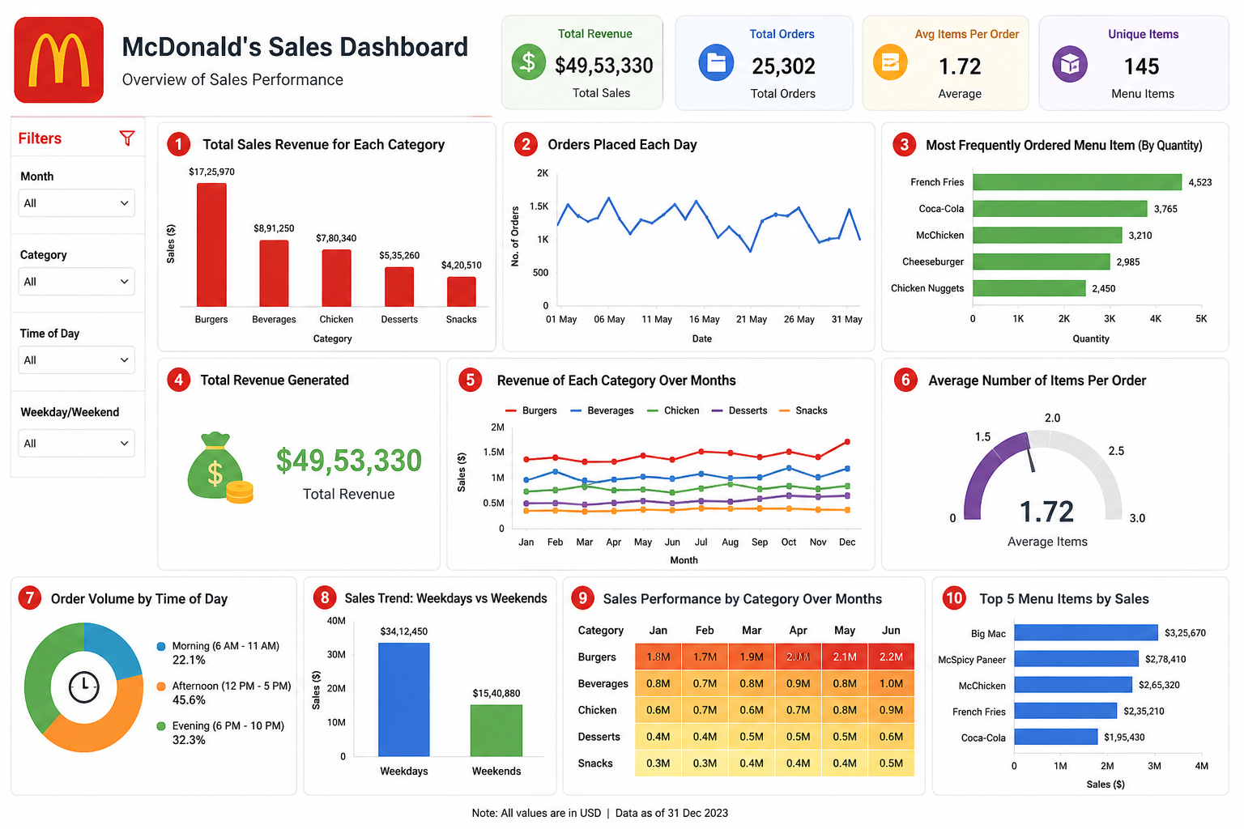

dashboard

McDonald's Sales Dashboard
overview of sales performance
Total revenue
$61626.29
Total Order
12234
Avg. Order Per day
59.67
Avg Item Per Order
2.28

Revenue by Each Item
 | Total
Angus Third Pounder | 3995
Apple Slices | 213
Bacon Clubhouse Burger | 2495.43
Big Mac | 3731.77
Breakfast Burrito | 1286.19
Bulgogi Burger | 3842.08
Cheesy Bacon Fries | 816.66
Chicken Alfredo Pasta | 2005.49
Chicken McNuggets (10-piece) | 2150.41
Chicken McNuggets (6-piece) | 2114.79
Chicken Parm Sandwich | 2222.29
Chicken Snack Wrap | 367.77
Chocolate Shake (Large) | 1082.38
Double Cheeseburger | 822.25
Filet-O-Fish | 1585.49
French Fries (Large) | 1693.54
Grilled Chicken Caesar Salad | 1147.41
Guacamole Chicken Burger | 1437.6
McChicken | 881.65
McDouble | 515.41
McLobster Roll | 2417.58
McPlant | 834.11
Meatball Marinara | 4261.26
Mozzarella Sticks | 1408.29
Quarter Pounder with Cheese | 3965.36
Side Salad | 1255.69
Spaghetti Bolognese | 2956.3
Spicy Chicken McWrap | 1801.39
Steak & Cheese McWrap | 857.85
Sweet and Sour Chicken McNuggets (6-piece) | 2060.91
Teriyaki Chicken Sandwich | 3384.35
Veggie Deluxe | 2016.59
orders Volume By Time Of Day
 | Total
Afternoon | 16154928
Evening | 15095567
Morning | 1682545

Most Frequenty Ordered Item
Side Salad
Qty Ordered :
631

Top 5 Menu Items By Sales
 | Total
Big Mac | 3731.77
Bulgogi Burger | 3842.08
Quarter Pounder with Cheese | 3965.36
Angus Third Pounder | 3995
Meatball Marinara | 4261.26
Revenue by category over months
 | Breakfast | Burger | Chicken | Fries | Pasta | Salad | Sandwich | Shakes | Sides | Wraps
April | 50.22 | 726.2 | 425.23 | 49.73 | 260.69 | 43.92 | 192.86 | 38.87 | 75.72 | 45.87
August | 47.43 | 762.55 | 395.61 | 80.43 | 311.63 | 43.92 | 228 | 32.89 | 124.52 | 32.91
December | 36.27 | 645.32 | 338.97 | 57.91 | 313.63 | 27.45 | 251.18 | 29.9 | 69.74 | 61.82
February | 245.52 | 4775.03 | 2674.17 | 565.36 | 1898.74 | 258.03 | 1769.4 | 221.26 | 601.66 | 283.24
January | 329.22 | 5257.62 | 3069.9 | 606.42 | 2188.4 | 247.05 | 1969.53 | 269.1 | 693.27 | 285.22
July | 58.59 | 678.71 | 373.19 | 92.7 | 268.68 | 21.96 | 359.81 | 23.92 | 81.7 | 50.86
June | 55.8 | 742.16 | 448.77 | 81.63 | 323.61 | 54.9 | 367.02 | 26.91 | 104.59 | 57.84
March | 295.74 | 5364.34 | 3052.83 | 654.46 | 2186.41 | 301.95 | 2158.11 | 263.12 | 735.26 | 265.26
May | 53.01 | 690.18 | 456.05 | 74.76 | 313.63 | 21.96 | 242.8 | 29.9 | 92.65 | 34.9
November | 41.85 | 678.77 | 330.01 | 82.23 | 390.54 | 49.41 | 272.75 | 56.81 | 88.62 | 48.87
October | 36.27 | 638.92 | 435.11 | 90.41 | 373.56 | 32.94 | 249.58 | 53.82 | 110.59 | 37.89
September | 36.27 | 679.21 | 393.66 | 74.16 | 393.53 | 43.92 | 180.91 | 35.88 | 98.66 | 20.94

Sales Trend: Weekday Vs Weekends
 | Total
Weekday | 1026303
Weekend | 383192

