Sheet5
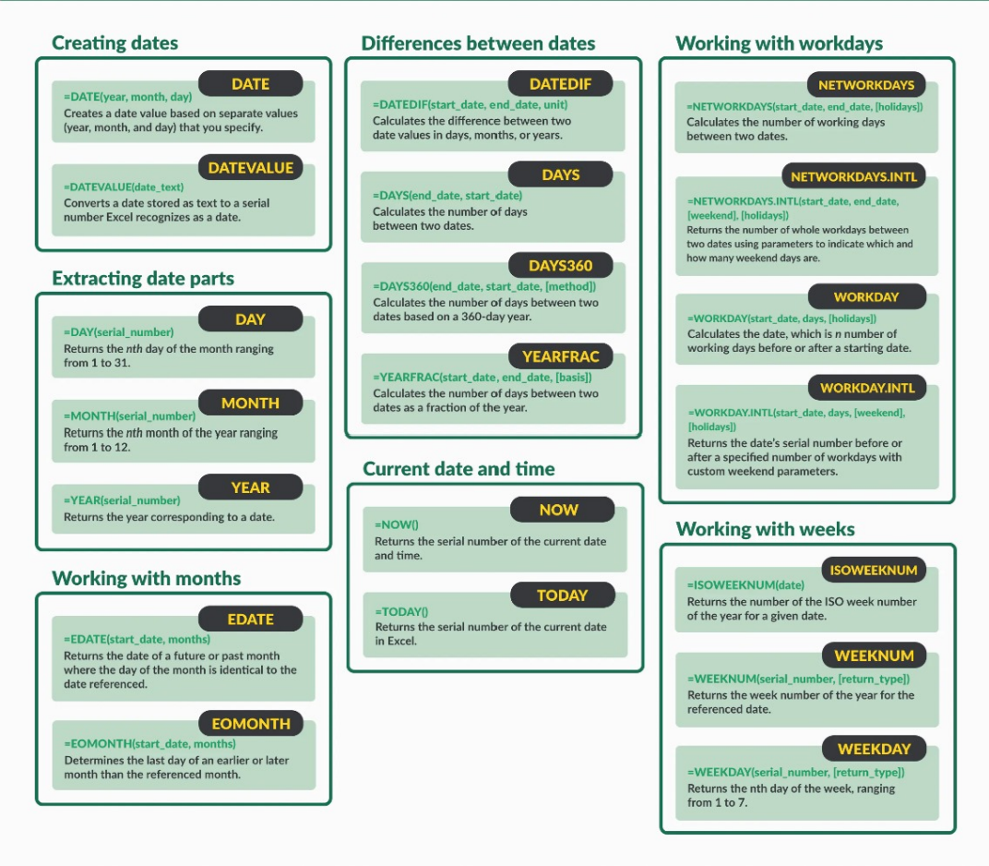
EXCEL DATE AND TIME FORMULAS

Function | Date | Formula Result | Formula
TODAY |  | 2025-01-27 | TODAY()
NOW |  | 1/27/25 | NOW()
DAY | 2024-01-26 | 26 | DAY(B6)
MONTH |  | 1 | MONTH(B6)
YEAR |  | 2024 | YEAR(B6)
DATE |  | 2024-01-26 | DATE(C8,C7,C6)

ADD/SUBTRACT DAYS
DATE | 2024-01-21
FUNCTION | DATE | FORMULA
ADD 5 DAYS | 2024-01-26 | B12+5 (CAN ALSO BE REFERENCE)
SUBTRACT 5 DAYS | 2024-01-16 | B12-5

ADD/SUBTRACT MONTHS
DATE | 2024-01-21
FUNCTION | DATE | FORMULA
ADD 5 MONTHS | 2024-06-21 | EDATE(B18,5)
SUBTRACT 5 MONTHS | 2023-08-21 | EDATE(B18,-5)

ADD/SUBTRACT YEAR
DATE | 2024-01-21
FUNCTION | DATE | FORMULA |  |  | -5
ADD 5 YEARS | 0 | EDATE(B24,5*12))
SUBTRACT 5 YEARS | 2019-01-21 | EDATE(B24,-5*12)

NETWORK DAYS
START DATE | 2023-01-01
END DATE | 2023-12-31
FUNCTION | RESULT | FORMULA
NETWORK DAYS (no holidays) | 260 | NETWORKDAYS(B30,B31)
NETWORK DAYS(including holidays) | 258 | networkdays(B30,B31,F34:F35) |  | 2023-08-15 | Independence Day
 |  |  |  | 2023-01-26 | Republic Day
DATEDIF
START DATE | 2023-01-24
END DATE | 2024-02-17
FUNCTION | RESULT | FORMULA
YEARS DIFFERENCE | 1 | DATEDIF(B37,B38,"Y")
MONTH DIFFERENCE | 12 | DATEDIF(B37,B38,"M")
DAYS DIFFERENCE | 389 | DATEDIF(B37,B38,"D")

WORKDAY
START DATE | DURATION(WORKING DAYS) | END DATE | FORMULA
2022-01-01 | 10 | 2022-01-14 | WORKDAY(A46,B46,F34:F35)
2022-01-13 | 15 | 2022-02-03
2022-01-20 | 7 | 2022-01-31
2022-01-05 | 12 | 2022-01-21
2022-02-10 | 15 | 2022-03-03

END OF MONTH
DATE | RESULT | FORMULA
2023-01-01 | 2023-01-31 | EOMONTH(A54,0)
2023-04-02 | 2023-03-31 | EOMONTH(A55,-1) PREV MONTH
2023-08-04 | 2023-10-31 | EOMONTH(A56,2) TWO MONTH LATER

