EF Hub
Emission Factors for Greenhouse Gas Inventories
 |  |  |  | Last Modified: 7 November 2011

 | Typically, greenhouse gas emissions are reported in units of carbon dioxide equivalent (CO2e). Gases are converted to CO2e by multiplying by the gas' global warming potential (GWP). The emission factors listed in this sheet have not been converted to CO2e. In order to do so, multiply the emissions by the corresponding GWP listed in the table below.

 |  | Gas | GWP
 |  | CH4 | 21
 |  | N2O | 310
 |  | Source: Intergovernmental Panel on Climate Change (IPCC) (1995); Second Assessment Report.

Table 1 | Stationary Combustion Emission Factors

 | Fuel Type | Heating Value | CO2 Factor | CH4 Factor | N2O Factor | CO2 Factor | CH4 Factor | N2O Factor | Unit
 |  | mmBtu per short ton | kg CO2 per mmBtu | g CH4 per mmBtu | g N2O per mmBtu | kg CO2 per short ton | g CH4 per short ton | g N2O per short ton
 | Coal and Coke
 | Anthracite Coal | 25.09 | 103.54 | 11 | 1.6 | 2,598 | 276 | 40 | short tons
 | Bituminous Coal | 24.93 | 93.40 | 11 | 1.6 | 2,328 | 274 | 40 | short tons
 | Sub-bituminous Coal | 17.25 | 97.02 | 11 | 1.6 | 1,674 | 190 | 28 | short tons
 | Lignite Coal | 14.21 | 96.36 | 11 | 1.6 | 1,369 | 156 | 23 | short tons
 | Mixed (Commercial Sector) | 21.39 | 95.26 | 11 | 1.6 | 2,038 | 235 | 34 | short tons
 | Mixed (Electric Power Sector) | 19.73 | 94.38 | 11 | 1.6 | 1,862 | 217 | 32 | short tons
 | Mixed (Industrial Coking) | 26.28 | 93.65 | 11 | 1.6 | 2,461 | 289 | 42 | short tons
 | Mixed (Industrial Sector) | 22.35 | 93.91 | 11 | 1.6 | 2,099 | 246 | 36 | short tons
 | Coke | 24.80 | 102.04 | 11 | 1.6 | 2,531 | 273 | 40 | short tons
 | Fossil Fuel-derived Fuels (Solid)
 | Municipal Solid Waste | 9.95 | 90.70 | 32 | 4.2 | 902 | 318 | 42 | short tons
 | Petroleum Coke (Solid) | 30.00 | 102.41 | 32 | 4.2 | 3,072 | 960 | 126 | short tons
 | Plastics | 38.00 | 75.00 | 32 | 4.2 | 2,850 | 1,216 | 160 | short tons
 | Tires | 26.87 | 85.97 | 32 | 4.2 | 2,310 | 860 | 113 | short tons
 | Biomass Fuels (Solid)
 | Agricultural Byproducts | 8.25 | 118.17 | 32 | 4.2 | 975 | 264 | 35 | short tons
 | Peat | 8.00 | 111.84 | 32 | 4.2 | 895 | 256 | 34 | short tons
 | Solid Byproducts | 25.83 | 105.51 | 32 | 4.2 | 2,725 | 827 | 108 | short tons
 | Wood and Wood Residuals | 15.38 | 93.80 | 32 | 4.2 | 1,443 | 492 | 65 | short tons
 |  | mmBtu per scf | kg CO2 per mmBtu | g CH4 per mmBtu | g N2O per mmBtu | kg CO2 per scf | g CH4 per scf | g N2O per scf
 | Natural Gas
 | Natural Gas (per scf) | 0.001028 | 53.02 | 1.0 | 0.10 | 0.05450 | 0.001028 | 0.000103 | scf
 | Fossil-derived Fuels (Gaseous)
 | Blast Furnace Gas | 0.000092 | 274.32 | 0.022 | 0.10 | 0.02524 | 0.000002 | 0.000009 | scf
 | Coke Oven Gas | 0.000599 | 46.85 | 0.480 | 0.10 | 0.02806 | 0.000288 | 0.000060 | scf
 | Fuel Gas | 0.001388 | 59.00 | 0.022 | 0.10 | 0.08189 | 0.000031 | 0.000139 | scf
 | Propane Gas | 0.002516 | 61.46 | 0.022 | 0.10 | 0.15463 | 0.000055 | 0.000252 | scf
 | Biomass Fuels (Gaseous)
 | Biogas (Captured Methane) | 0.000841 | 52.07 | 3.200 | 0.630 | 0.04379 | 0.002691 | 0.000530 | scf
 |  | mmBtu per gallon | kg CO2 per mmBtu | g CH4 per mmBtu | g N2O per mmBtu | kg CO2 per gallon | g CH4 per gallon | g N2O per gallon
 | Petroleum Products
 | Asphalt and Road Oil | 0.158 | 75.36 | 3.0 | 0.60 | 11.91 | 0.47 | 0.09 | gallon
 | Aviation Gasoline | 0.120 | 69.25 | 3.0 | 0.60 | 8.31 | 0.36 | 0.07 | gallon
 | Butane | 0.101 | 65.15 | 3.0 | 0.60 | 6.58 | 0.30 | 0.06 | gallon
 | Butylene | 0.103 | 67.73 | 3.0 | 0.60 | 6.98 | 0.31 | 0.06 | gallon
 | Crude Oil | 0.138 | 74.49 | 3.0 | 0.60 | 10.28 | 0.41 | 0.08 | gallon
 | Distillate Fuel Oil No. 1 | 0.139 | 73.25 | 3.0 | 0.60 | 10.18 | 0.42 | 0.08 | gallon
 | Distillate Fuel Oil No. 2 | 0.138 | 73.96 | 3.0 | 0.60 | 10.21 | 0.41 | 0.08 | gallon
 | Distillate Fuel Oil No. 4 | 0.146 | 75.04 | 3.0 | 0.60 | 10.96 | 0.44 | 0.09 | gallon
 | Ethane | 0.069 | 62.64 | 3.0 | 0.60 | 4.32 | 0.21 | 0.04 | gallon
 | Ethylene | 0.100 | 67.43 | 3.0 | 0.60 | 6.74 | 0.30 | 0.06 | gallon
 | Heavy Gas Oils | 0.148 | 74.92 | 3.0 | 0.60 | 11.09 | 0.44 | 0.09 | gallon
 | Isobutane | 0.097 | 64.91 | 3.0 | 0.60 | 6.30 | 0.29 | 0.06 | gallon
 | Isobutylene | 0.103 | 67.74 | 3.0 | 0.60 | 6.98 | 0.31 | 0.06 | gallon
 | Kerosene | 0.135 | 75.20 | 3.0 | 0.60 | 10.15 | 0.41 | 0.08 | gallon
 | Kerosene-type Jet Fuel | 0.135 | 72.22 | 3.0 | 0.60 | 9.75 | 0.41 | 0.08 | gallon
 | Liquefied Petroleum Gases (LPG) | 0.092 | 62.98 | 3.0 | 0.60 | 5.79 | 0.28 | 0.06 | gallon
 | Lubricants | 0.144 | 74.27 | 3.0 | 0.60 | 10.69 | 0.43 | 0.09 | gallon
 | Motor Gasoline | 0.125 | 70.22 | 3.0 | 0.60 | 8.78 | 0.38 | 0.08 | gallon
 | Naphtha (<401 deg F) | 0.125 | 68.02 | 3.0 | 0.60 | 8.50 | 0.38 | 0.08 | gallon
 | Natural Gasoline | 0.110 | 66.83 | 3.0 | 0.60 | 7.35 | 0.33 | 0.07 | gallon
 | Other Oil (>401 deg F) | 0.139 | 76.22 | 3.0 | 0.60 | 10.59 | 0.42 | 0.08 | gallon
 | Pentanes Plus | 0.110 | 70.02 | 3.0 | 0.60 | 7.70 | 0.33 | 0.07 | gallon
 | Petrochemical Feedstocks | 0.129 | 70.97 | 3.0 | 0.60 | 9.16 | 0.39 | 0.08 | gallon
 | Petroleum Coke | 0.143 | 102.41 | 3.0 | 0.60 | 14.64 | 0.43 | 0.09 | gallon
 | Propane | 0.091 | 61.46 | 3.0 | 0.60 | 5.59 | 0.27 | 0.05 | gallon
 | Propylene | 0.091 | 65.95 | 3.0 | 0.60 | 6.00 | 0.27 | 0.05 | gallon
 | Residual Fuel Oil No. 5 | 0.140 | 72.93 | 3.0 | 0.60 | 10.21 | 0.42 | 0.08 | gallon
 | Residual Fuel Oil No. 6 | 0.150 | 75.10 | 3.0 | 0.60 | 11.27 | 0.45 | 0.09 | gallon
 | Special Naphtha | 0.125 | 72.34 | 3.0 | 0.60 | 9.04 | 0.38 | 0.08 | gallon
 | Still Gas | 0.143 | 66.72 | 3.0 | 0.60 | 9.54 | 0.43 | 0.09 | gallon
 | Unfinished Oils | 0.139 | 74.49 | 3.0 | 0.60 | 10.35 | 0.42 | 0.08 | gallon
 | Used Oil | 0.135 | 74.00 | 3.0 | 0.60 | 9.99 | 0.41 | 0.08 | gallon
 | Biomass Fuels
 | Biodiesel (100%) | 0.128 | 73.84 | 1.1 | 0.11 | 9.45 | 0.14 | 0.01 | gallon
 | Ethanol (100%) | 0.084 | 68.44 | 1.1 | 0.11 | 5.75 | 0.09 | 0.01 | gallon
 | Rendered Animal Fat | 0.125 | 71.06 | 1.1 | 0.11 | 8.88 | 0.14 | 0.01 | gallon
 | Vegetable Oil | 0.120 | 81.55 | 1.1 | 0.11 | 9.79 | 0.13 | 0.01 | gallon
 |  | mmBtu per gallon | kg CO2 per mmBtu | g CH4 per mmBtu | g N2O per mmBtu
 | Steam and Hot Water
 | Steam and Hot Water |  | 88.18 | 8.169 | 0.603 |  |  |  | mmBtu
 | Sources:
 | Solid, gaseous, liquid and biomass fuels: Federal Register (2009) EPA; 40 CFR Parts 86, 87, 89 et al; Mandatory Reporting of Greenhouse Gases; Final Rule, 30Oct09, 261 pp. Tables C-1 and C-2 at FR pp. 56409-56410. Revised emission factors for selected fuels: Federal Register (2010) EPA; 40 CFR Part 98; Mandatory Reporting of Greenhouse Gases; Final Rule, 17Dec10, 81 pp.
 | Steam and Hot Water: United States. Energy Information Administration (2010); Voluntary Reporting of Greenhouse Gases, 1605(b) Program, Appendix N: Emissions Factors for Steam and Chilled Water.

Table 2 | CO2 Emissions for Transportation Fuels for Road Vehicles, Locomotives, and Aircraft

 | Fuel Type | kg CO2 per unit | Unit
 | Aviation Gasoline | 8.31 | gallon
 | Biodiesel | 9.45 | gallon
 | Compressed Natural Gas (CNG) | 0.0545 | scf
 | Diesel Fuel | 10.21 | gallon
 | Ethane | 4.32 | gallon
 | Ethanol | 5.75 | gallon
 | Jet Fuel (kerosene type) | 9.75 | gallon
 | Liquefied Natural Gas (LNG) | 4.46 | gallon
 | LPG | 5.79 | gallon
 | Methanol | 4.10 | gallon
 | Motor Gasoline | 8.78 | gallon
 | Propane | 5.59 | gallon
 | Residual Fuel Oil (Resid #5; Bunker C) | 11.27 | gallon
 | Sources:
 | Federal Register (2009) EPA; 40 CFR Parts 86, 87, 89 et al; Mandatory Reporting of Greenhouse Gases; Final Rule, 30Oct09, 261 pp. Tables C-1 and C-2 at FR pp. 56409-56410.
 | LNG sourced from: US EPA (2008); Greenhouse Gas Inventory Protocol Core Module Guidance - Direct Emissions from Mobile Combustion Sources, EPA Climate Leaders, Table B-5, p. 33.
 | Methanol sourced from: The Climate Registry (2011); General Reporting Protocol for the Voluntary Reporting Program, Default Emission Factors, Table 13.1 US Default CO2 Emission Factors for Transport Fuels.

Table 3 | CH4 and N2O Emissions for Highway Vehicles

 | Vehicle Type | Year | CH4 Factor (g / mile) | N2O Factor (g / mile)
 | Gasoline Passenger Cars | 1984-1993 | 0.0704 | 0.0647
 |  | 1994 | 0.0531 | 0.0560
 |  | 1995 | 0.0358 | 0.0473
 |  | 1996 | 0.0272 | 0.0426
 |  | 1997 | 0.0268 | 0.0422
 |  | 1998 | 0.0249 | 0.0393
 |  | 1999 | 0.0216 | 0.0337
 |  | 2000 | 0.0178 | 0.0273
 |  | 2001 | 0.0110 | 0.0158
 |  | 2002 | 0.0107 | 0.0153
 |  | 2003 | 0.0114 | 0.0135
 |  | 2004 | 0.0145 | 0.0083
 |  | 2005 | 0.0147 | 0.0079
 |  | 2006 | 0.0161 | 0.0057
 |  | 2007 | 0.0170 | 0.0041
 |  | 2008 | 0.0172 | 0.0038
 |  | 2009-present | 0.0173 | 0.0036
 | Gasoline Light-duty Trucks | 1987-1993 | 0.0813 | 0.1035
 | (Vans, Pickup Trucks, SUVs) | 1994 | 0.0646 | 0.0982
 |  | 1995 | 0.0517 | 0.0908
 |  | 1996 | 0.0452 | 0.0871
 |  | 1997 | 0.0452 | 0.0871
 |  | 1998 | 0.0391 | 0.0728
 |  | 1999 | 0.0321 | 0.0564
 |  | 2000 | 0.0346 | 0.0621
 |  | 2001 | 0.0151 | 0.0164
 |  | 2002 | 0.0178 | 0.0228
 |  | 2003 | 0.0155 | 0.0114
 |  | 2004 | 0.0152 | 0.0132
 |  | 2005 | 0.0157 | 0.0101
 |  | 2006 | 0.0159 | 0.0089
 |  | 2007 | 0.0161 | 0.0079
 |  | 2008 | 0.0163 | 0.0066
 |  | 2009-present | 0.0163 | 0.0066
 | Gasoline Heavy-duty Vehicles | 1985-1986 | 0.4090 | 0.0515
 |  | 1987 | 0.3675 | 0.0849
 |  | 1988-1989 | 0.3492 | 0.0933
 |  | 1990-1995 | 0.3246 | 0.1142
 |  | 1996 | 0.1278 | 0.1680
 |  | 1997 | 0.0924 | 0.1726
 |  | 1998 | 0.0641 | 0.1693
 |  | 1999 | 0.0578 | 0.1435
 |  | 2000 | 0.0493 | 0.1092
 |  | 2001 | 0.0528 | 0.1235
 |  | 2002 | 0.0546 | 0.1307
 |  | 2003 | 0.0533 | 0.1240
 |  | 2004 | 0.0341 | 0.0285
 |  | 2005 | 0.0326 | 0.0177
 |  | 2006 | 0.0326 | 0.0175
 |  | 2007 | 0.0327 | 0.0173
 |  | 2008 | 0.0327 | 0.0171
 |  | 2009-present | 0.0327 | 0.0169
 | Sources:
 | 1984-2005 factors from: US EPA (2008); Greenhouse Gas Inventory Protocol Core Module Guidance - Direct Emissions from Mobile Combustion Sources, EPA Climate Leaders, Table 3.
 | 2006-2009 factors from: US EPA (2011) Inventory of U.S. Greenhouse Gas Emissions and Sinks: 1990-2009, EPA 430-R-11-005. All Values are calculated from Tables A-97 through A-100.

Table 4 | CH4 and N2O Emissions for Highway Vehicles: Diesel and Alternative Fuels

 | Vehicle Type | Vehicle Year | CH4 Factor (g / mile) | N2O Factor (g / mile)
 | Diesel Passenger Cars | 1960-1982 | 0.0006 | 0.0012
 |  | 1983-present | 0.0005 | 0.0010
 | Diesel Light-duty Trucks | 1960-1982 | 0.0011 | 0.0017
 |  | 1983-1995 | 0.0009 | 0.0014
 |  | 1996-present | 0.0010 | 0.0015
 | Diesel Heavy-duty Vehicles | 1960-present | 0.0051 | 0.0048
 | Gasoline Motorcycles (Non-Catalyst) | Non-catalyst Control | 0.0672 | 0.0069
 | Gasoline Motorcycles (Uncontrolled) | Uncontrolled | 0.0899 | 0.0087
 | CNG Light-duty Vehicles |  | 0.737 | 0.050
 | CNG Heavy-duty Vehicles |  | 1.966 | 0.175
 | CNG Buses |  | 1.966 | 0.175
 | LPG Light-duty Vehicles |  | 0.037 | 0.067
 | LPG Heavy-duty Vehicles |  | 0.066 | 0.175
 | LNG Heavy-duty Vehicles |  | 1.966 | 0.175
 | Ethanol Light-duty Vehicles |  | 0.055 | 0.067
 | Ethanol Heavy-duty Vehicles |  | 0.197 | 0.175
 | Ethanol Buses |  | 0.197 | 0.175
 | Source: US EPA (2008); Greenhouse Gas Inventory Protocol Core Module Guidance - Direct Emissions from Mobile Combustion Sources, EPA Climate Leaders, Table 3.

Table 5 | CH4 and N2O Emissions for Non-highway Vehicles

 | Vehicle Type | CH4 Factor (g / gallon) | N2O Factor (g / gallon)
 | LPG Non-Highway Vehicles | 0.50 | 0.22
 | Residual Oil Ships and Boats | 0.86 | 0.30
 | Diesel Ships and Boats | 0.74 | 0.26
 | Gasoline Ships and Boats | 0.64 | 0.22
 | Diesel Locomotives | 0.80 | 0.26
 | Gasoline Agricultural Equip. | 1.26 | 0.22
 | Diesel Agricultural Equip. | 1.44 | 0.26
 | Gasoline Construction Equip. | 0.50 | 0.22
 | Diesel Construction Equip. | 0.58 | 0.26
 | Jet Fuel Aircraft | 0.27 | 0.31
 | Aviation Gasoline Aircraft | 7.04 | 0.11
 | Biodiesel Vehicles | 0.58 | 0.26
 | Other Diesel Sources | 0.58 | 0.26
 | Other Gasoline Sources | 0.50 | 0.22
 | Note: LPG non-highway vehicles assumed equal to other gasoline sources. Biodiesel vehicles assumed equal to other diesel sources.
 | Source: US EPA (2008); Greenhouse Gas Inventory Protocol Core Module Guidance - Direct Emissions from Mobile Combustion Sources, EPA Climate Leaders, Tables A-6 and A-7.

Table 6 | Refrigerants and Global Warming Potentials (GWPs)

 | Gas | GWP
 | CO2 | 1
 | CH4 | 21
 | N2O | 310
 | SF6 | 23,900
 | HFC-23 | 11,700
 | HFC-32 | 650
 | HFC-125 | 2,800
 | HFC-134a | 1,300
 | HFC-143a | 3,800
 | HFC-152a | 140
 | HFC-227ea | 2,900
 | HFC-236fa | 6,300
 | CF4 | 6,500
 | C2F6 | 9,200
 | C3F8 | 7,000
 | c-C4F8 | 8,700
 | C4F10 | 7,000
 | C5F12 | 7,500
 | C6F14 | 7,400
 | Source: Intergovernmental Panel on Climate Change (IPCC) (1995); Second Assessment Report. Use of the Second Assessment Report on Global Warming Potential v alues is consistent with current international agreements.

Table 6b | Blended Refrigerants (ASHRAE #)

 | ASHRAE # | Blend GWP HFC/PFC | Blend Make-up
 | R - 401A | 18.2 | 53% HCFC-22 , 34% HCFC-124 , 13% HFC-152a
 | R - 401B | 15.4 | 61% HCFC-22 , 28% HCFC-124 , 11% HFC-152a
 | R - 401C | 21 | 33% HCFC-22 , 52% HCFC-124 , 15% HFC-152a
 | R - 402A | 1,680 | 38% HCFC-22 , 6% HFC-125 , 2% propane
 | R - 402B | 1,064 | 6% HCFC-22 , 38% HFC-125 , 2% propane
 | R - 403B | 2,730 | 56% HCFC-22 , 39% PFC-218 , 5% propane
 | R - 404A | 3,260 | 44% HFC-125 , 4% HFC-134a , 52% HFC 143a
...
 | Subregion |  |  |  |  | CO2 Factor | CH4 Factor | N2O Factor
 | RFCW (RFC West) |  |  |  |  | 1,551.52 | 0.01837 | 0.02593
 | RMPA (WECC Rockies) |  |  |  |  | 1,906.06 | 0.02363 | 0.02889
 | SPNO (SPP North) |  |  |  |  | 1,798.71 | 0.02122 | 0.02920
 | SPSO (SPP South) |  |  |  |  | 1,624.03 | 0.02452 | 0.02242
 | SRMV (SERC Mississippi Valley) |  |  |  |  | 1,004.10 | 0.02180 | 0.01115
 | SRMW (SERC Midwest) |  |  |  |  | 1,779.27 | 0.02057 | 0.02960
 | SRSO (SERC South) |  |  |  |  | 1,495.47 | 0.02364 | 0.02457
 | SRTV (SERC Tennessee Valley) |  |  |  |  | 1,540.85 | 0.01987 | 0.02548
 | SRVC (SERC Virginia/Carolina) |  |  |  |  | 1,118.41 | 0.02226 | 0.01908
 | Source: US EPA (2011); eGRID2010 Version 1.1 Year 2007 Data.
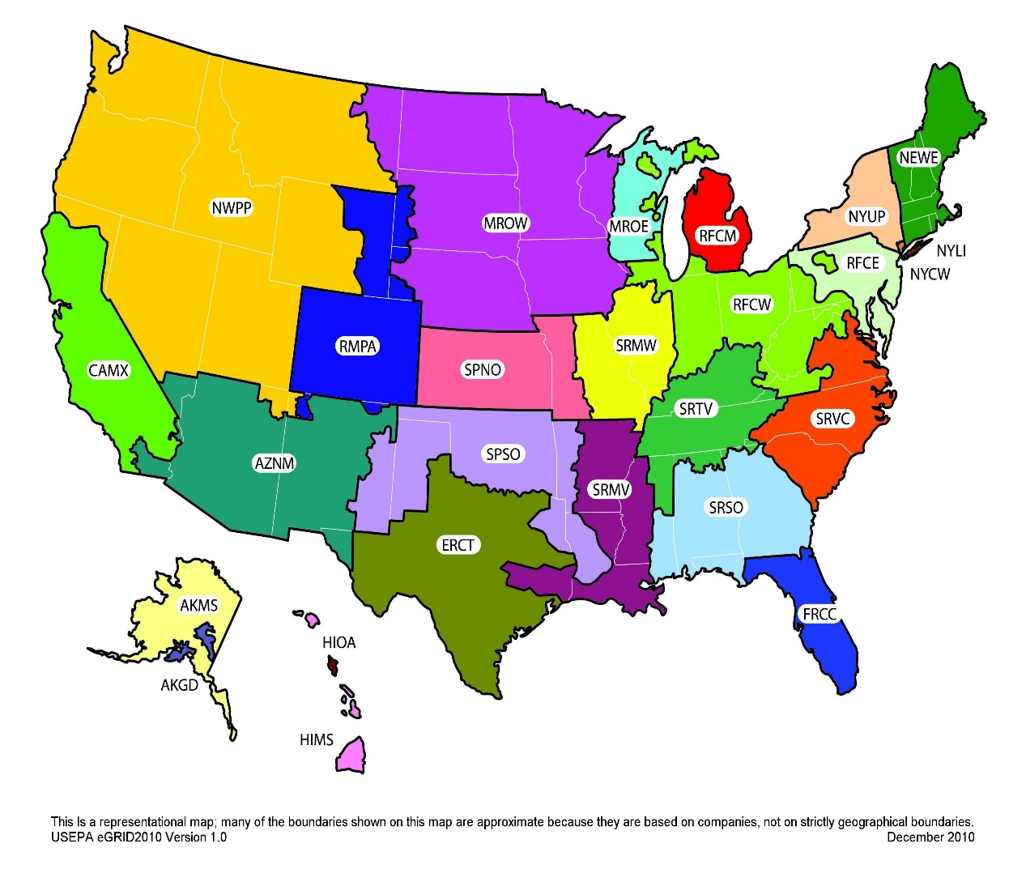

 | This is a representational map; many of the boundaries shown on this map are approximate because they are based on companies; not on strictly geographical boundaries.
 | Source: USEPA eGRID2010 Version 1.0 December 2010.

Table 7b | Electricity Emission Factors (Non-baseload); Used for Green Power / REC Calculations

 | Subregion |  |  |  |  | CO2 Factor | CH4 Factor | N2O Factor
 |  |  |  |  |  | (lb CO2/MWh) | (lb CH4/MWh) | (lb N2O/MWh)
 | AKGD (ASCC Alaska Grid) |  |  |  |  | 1,363.19 | 0.03499 | 0.00695
...

