EF Hub
Emission Factors for Greenhouse Gas Inventories
 |  |  |  | Last Modified: 4 April 2014
 | Red text indicates an update from the 2011 version of this document.
 | Typically, greenhouse gas emissions are reported in units of carbon dioxide equivalent (CO2e). Gases are converted to CO2e by multiplying by their global warming potential (GWP). The emission factors listed in this document have not been converted to CO2e. To do so, multiply the emissions by the corresponding GWP listed in the table below.

 |  | Gas | 100-year GWP
 |  | CH4 | 25
 |  | N2O | 298
 |  | Source: Intergovernmental Panel on Climate Change (IPCC), Fourth Assessment Report (AR4), 2007. See the source note to Table 9 for further explanation.

Table 1 | Stationary Combustion Emission Factors

 | Fuel Type | Heating Value | CO2 Factor | CH4 Factor | N2O Factor | CO2 Factor | CH4 Factor | N2O Factor | Unit
 |  | mmBtu per short ton | kg CO2 per mmBtu | g CH4 per mmBtu | g N2O per mmBtu | kg CO2 per short ton | g CH4 per short ton | g N2O per short ton
 | Coal and Coke
 | Anthracite Coal | 25.09 | 103.69 | 11 | 1.6 | 2,602 | 276 | 40 | short tons
 | Bituminous Coal | 24.93 | 93.28 | 11 | 1.6 | 2,325 | 274 | 40 | short tons
 | Sub-bituminous Coal | 17.25 | 97.17 | 11 | 1.6 | 1,676 | 190 | 28 | short tons
 | Lignite Coal | 14.21 | 97.72 | 11 | 1.6 | 1,389 | 156 | 23 | short tons
 | Mixed (Commercial Sector) | 21.39 | 94.27 | 11 | 1.6 | 2,016 | 235 | 34 | short tons
 | Mixed (Electric Power Sector) | 19.73 | 95.52 | 11 | 1.6 | 1,885 | 217 | 32 | short tons
 | Mixed (Industrial Coking) | 26.28 | 93.90 | 11 | 1.6 | 2,468 | 289 | 42 | short tons
 | Mixed (Industrial Sector) | 22.35 | 94.67 | 11 | 1.6 | 2,116 | 246 | 36 | short tons
 | Coal Coke | 24.80 | 113.67 | 11 | 1.6 | 2,819 | 273 | 40 | short tons
 | Fossil Fuel-derived Fuels (Solid)
 | Municipal Solid Waste | 9.95 | 90.70 | 32 | 4.2 | 902 | 318 | 42 | short tons
 | Petroleum Coke (Solid) | 30.00 | 102.41 | 32 | 4.2 | 3,072 | 960 | 126 | short tons
 | Plastics | 38.00 | 75.00 | 32 | 4.2 | 2,850 | 1,216 | 160 | short tons
 | Tires | 28.00 | 85.97 | 32 | 4.2 | 2,407 | 896 | 118 | short tons
 | Biomass Fuels (Solid)
 | Agricultural Byproducts | 8.25 | 118.17 | 32 | 4.2 | 975 | 264 | 35 | short tons
 | Peat | 8.00 | 111.84 | 32 | 4.2 | 895 | 256 | 34 | short tons
 | Solid Byproducts | 10.39 | 105.51 | 32 | 4.2 | 1,096 | 332 | 44 | short tons
 | Wood and Wood Residuals | 17.48 | 93.80 | 7.2 | 3.6 | 1,640 | 126 | 63 | short tons
 |  | mmBtu per scf | kg CO2 per mmBtu | g CH4 per mmBtu | g N2O per mmBtu | kg CO2 per scf | g CH4 per scf | g N2O per scf
 | Natural Gas
 | Natural Gas (per scf) | 0.001026 | 53.06 | 1.0 | 0.10 | 0.05444 | 0.00103 | 0.00010 | scf
 | Fossil-derived Fuels (Gaseous)
 | Blast Furnace Gas | 0.000092 | 274.32 | 0.022 | 0.10 | 0.02524 | 0.000002 | 0.000009 | scf
 | Coke Oven Gas | 0.000599 | 46.85 | 0.48 | 0.10 | 0.02806 | 0.000288 | 0.000060 | scf
 | Fuel Gas | 0.001388 | 59.00 | 3.0 | 0.60 | 0.08189 | 0.004164 | 0.000833 | scf
 | Propane Gas | 0.002516 | 61.46 | 0.022 | 0.10 | 0.15463 | 0.000055 | 0.000252 | scf
 | Biomass Fuels (Gaseous)
 | Landfill Gas | 0.000485 | 52.07 | 3.2 | 0.63 | 0.025254 | 0.001552 | 0.000306 | scf
 | Other Biomass Gases | 0.000655 | 52.07 | 3.2 | 0.63 | 0.034106 | 0.002096 | 0.000413 | scf
 |  | mmBtu per gallon | kg CO2 per mmBtu | g CH4 per mmBtu | g N2O per mmBtu | kg CO2 per gallon | g CH4 per gallon | g N2O per gallon
 | Petroleum Products
 | Asphalt and Road Oil | 0.158 | 75.36 | 3.0 | 0.60 | 11.91 | 0.47 | 0.09 | gallon
 | Aviation Gasoline | 0.120 | 69.25 | 3.0 | 0.60 | 8.31 | 0.36 | 0.07 | gallon
 | Butane | 0.103 | 64.77 | 3.0 | 0.60 | 6.67 | 0.31 | 0.06 | gallon
 | Butylene | 0.105 | 68.72 | 3.0 | 0.60 | 7.22 | 0.32 | 0.06 | gallon
 | Crude Oil | 0.138 | 74.54 | 3.0 | 0.60 | 10.29 | 0.41 | 0.08 | gallon
 | Distillate Fuel Oil No. 1 | 0.139 | 73.25 | 3.0 | 0.60 | 10.18 | 0.42 | 0.08 | gallon
 | Distillate Fuel Oil No. 2 | 0.138 | 73.96 | 3.0 | 0.60 | 10.21 | 0.41 | 0.08 | gallon
 | Distillate Fuel Oil No. 4 | 0.146 | 75.04 | 3.0 | 0.60 | 10.96 | 0.44 | 0.09 | gallon
 | Ethane | 0.068 | 59.60 | 3.0 | 0.60 | 4.05 | 0.20 | 0.04 | gallon
 | Ethylene | 0.058 | 65.96 | 3.0 | 0.60 | 3.83 | 0.17 | 0.03 | gallon
 | Heavy Gas Oils | 0.148 | 74.92 | 3.0 | 0.60 | 11.09 | 0.44 | 0.09 | gallon
 | Isobutane | 0.099 | 64.94 | 3.0 | 0.60 | 6.43 | 0.30 | 0.06 | gallon
 | Isobutylene | 0.103 | 68.86 | 3.0 | 0.60 | 7.09 | 0.31 | 0.06 | gallon
 | Kerosene | 0.135 | 75.20 | 3.0 | 0.60 | 10.15 | 0.41 | 0.08 | gallon
 | Kerosene-type Jet Fuel | 0.135 | 72.22 | 3.0 | 0.60 | 9.75 | 0.41 | 0.08 | gallon
 | Liquefied Petroleum Gases (LPG) | 0.092 | 61.71 | 3.0 | 0.60 | 5.68 | 0.28 | 0.06 | gallon
 | Lubricants | 0.144 | 74.27 | 3.0 | 0.60 | 10.69 | 0.43 | 0.09 | gallon
 | Motor Gasoline | 0.125 | 70.22 | 3.0 | 0.60 | 8.78 | 0.38 | 0.08 | gallon
 | Naphtha (<401 deg F) | 0.125 | 68.02 | 3.0 | 0.60 | 8.50 | 0.38 | 0.08 | gallon
 | Natural Gasoline | 0.110 | 66.88 | 3.0 | 0.60 | 7.36 | 0.33 | 0.07 | gallon
 | Other Oil (>401 deg F) | 0.139 | 76.22 | 3.0 | 0.60 | 10.59 | 0.42 | 0.08 | gallon
 | Pentanes Plus | 0.110 | 70.02 | 3.0 | 0.60 | 7.70 | 0.33 | 0.07 | gallon
 | Petrochemical Feedstocks | 0.125 | 71.02 | 3.0 | 0.60 | 8.88 | 0.38 | 0.08 | gallon
 | Petroleum Coke | 0.143 | 102.41 | 3.0 | 0.60 | 14.64 | 0.43 | 0.09 | gallon
 | Propane | 0.091 | 62.87 | 3.0 | 0.60 | 5.72 | 0.27 | 0.05 | gallon
 | Propylene | 0.091 | 65.95 | 3.0 | 0.60 | 6.00 | 0.27 | 0.05 | gallon
 | Residual Fuel Oil No. 5 | 0.140 | 72.93 | 3.0 | 0.60 | 10.21 | 0.42 | 0.08 | gallon
 | Residual Fuel Oil No. 6 | 0.150 | 75.10 | 3.0 | 0.60 | 11.27 | 0.45 | 0.09 | gallon
 | Special Naphtha | 0.125 | 72.34 | 3.0 | 0.60 | 9.04 | 0.38 | 0.08 | gallon
 | Still Gas | 0.143 | 66.72 | 3.0 | 0.60 | 9.54 | 0.43 | 0.09 | gallon
 | Unfinished Oils | 0.139 | 74.54 | 3.0 | 0.60 | 10.36 | 0.42 | 0.08 | gallon
 | Used Oil | 0.138 | 74.00 | 3.0 | 0.60 | 10.21 | 0.41 | 0.08 | gallon
 | Biomass Fuels (Liquid)
 | Biodiesel (100%) | 0.128 | 73.84 | 1.1 | 0.11 | 9.45 | 0.14 | 0.01 | gallon
 | Ethanol (100%) | 0.084 | 68.44 | 1.1 | 0.11 | 5.75 | 0.09 | 0.01 | gallon
 | Rendered Animal Fat | 0.125 | 71.06 | 1.1 | 0.11 | 8.88 | 0.14 | 0.01 | gallon
 | Vegetable Oil | 0.120 | 81.55 | 1.1 | 0.11 | 9.79 | 0.13 | 0.01 | gallon
 |  | mmBtu per gallon | kg CO2 per mmBtu | g CH4 per mmBtu | g N2O per mmBtu
 | Steam and Hot Water
 | Steam and Hot Water |  | 66.33 | 1.250 | 0.125 |  |  |  | mmBtu
 | Source:
 | Solid, gaseous, liquid and biomass fuels: Federal Register (2009) EPA; 40 CFR Parts 86, 87, 89 et al; Mandatory Reporting of Greenhouse Gases; Final Rule, 30Oct09, 261 pp. Tables C-1 and C-2 at FR pp. 56409-56410. Revised emission factors for selected fuels: Federal Register (2010) EPA; 40 CFR Part 98; Mandatory Reporting of Greenhouse Gases; Final Rule, 17Dec10, 81 pp. With Amendments from Memo: Table of Final 2013 Revisions to the Greenhouse Gas Reporting Rule (PDF) to 40 CFR part 98, subpart C: Table C–1 to Subpart C—Default CO2 Emission Factors and High Heat Values for Various Types of Fuel and Table C–2 to Subpart C—Default CH4 and N2O Emission Factors for Various Types of Fuel.
 | Steam and Hot Water: EPA (2008) Climate Leaders Greenhouse Gas Inventory Protocol Core Module Guidance - Indirect Emissions from Purchases/Sales of Electricity and Steam. Assumption: 80% boiler efficiency and fuel type assumed natural gas. Factors are per mmBtu of steam or hot water purchased.
 | http://www.epa.gov/ghgreporting/documents/pdf/2013/documents/memo-2013-technical-revisions.pdf
 | http://www.epa.gov/ghgreporting/reporters/subpart/c.html

Table 2 | Mobile Combustion CO2 Emission Factors

 | Fuel Type | kg CO2 per unit | Unit
 | Aviation Gasoline | 8.31 | gallon
 | Biodiesel (100%) | 9.45 | gallon
 | Compressed Natural Gas (CNG) | 0.0545 | scf
 | Diesel Fuel | 10.21 | gallon
 | Ethane | 4.05 | gallon
 | Ethanol (100%) | 5.75 | gallon
 | Jet Fuel (kerosene type) | 9.75 | gallon
 | Liquefied Natural Gas (LNG) | 4.46 | gallon
 | Liquefied Petroleum Gases (LPG) | 5.68 | gallon
 | Methanol | 4.10 | gallon
 | Motor Gasoline | 8.78 | gallon
 | Propane | 5.72 | gallon
 | Residual Fuel Oil | 11.27 | gallon
 | Source:
 | Federal Register (2009) EPA; 40 CFR Parts 86, 87, 89 et al; Mandatory Reporting of Greenhouse Gases; Final Rule, 30Oct09, 261 pp. Tables C-1 and C-2. Table of Final 2013 Revisions to the Greenhouse Gas Reporting Rule, September 24, 2013.
 | LNG sourced from: EPA (2008) Climate Leaders Greenhouse Gas Inventory Protocol Core Module Guidance - Direct Emissions from Mobile Combustion Sources, Table B-5.
 | Methanol sourced from: The Climate Registry (2013); General Reporting Protocol for the Voluntary Reporting Program Version 2.0, Default Emission Factors, Table 13.1 US Default CO2 Emission Factors for Transport Fuels.

Table 3 | Mobile Combustion CH4 and N2O Emission Factors for On-road Gasoline Vehicles

 | Vehicle Type | Year | CH4 Factor (g / mile) | N2O Factor (g / mile)
 | Gasoline Passenger Cars | 1973-74 | 0.1696 | 0.0197
 |  | 1975 | 0.1423 | 0.0443
 |  | 1976-77 | 0.1406 | 0.0458
 |  | 1978-79 | 0.1389 | 0.0473
 |  | 1980 | 0.1326 | 0.0499
 |  | 1981 | 0.0802 | 0.0626
 |  | 1982 | 0.0795 | 0.0627
 |  | 1983 | 0.0782 | 0.0630
 |  | 1984-93 | 0.0704 | 0.0647
 |  | 1994 | 0.0531 | 0.0560
 |  | 1995 | 0.0358 | 0.0473
 |  | 1996 | 0.0272 | 0.0426
 |  | 1997 | 0.0268 | 0.0422
 |  | 1998 | 0.0249 | 0.0393
 |  | 1999 | 0.0216 | 0.0337
 |  | 2000 | 0.0178 | 0.0273
 |  | 2001 | 0.0110 | 0.0158
 |  | 2002 | 0.0107 | 0.0153
 |  | 2003 | 0.0114 | 0.0135
 |  | 2004 | 0.0145 | 0.0083
 |  | 2005 | 0.0147 | 0.0079
 |  | 2006 | 0.0161 | 0.0057
 |  | 2007 | 0.0170 | 0.0041
 |  | 2008 | 0.0172 | 0.0038
 |  | 2009-present | 0.0173 | 0.0036
 | Gasoline Light-duty Trucks | 1973-74 | 0.1908 | 0.0218
 | (Vans, Pickup Trucks, SUVs) | 1975 | 0.1634 | 0.0513
 |  | 1976 | 0.1594 | 0.0555
 |  | 1977-78 | 0.1614 | 0.0534
 |  | 1979-80 | 0.1594 | 0.0555
 |  | 1981 | 0.1479 | 0.0660
 |  | 1982 | 0.1442 | 0.0681
 |  | 1983 | 0.1368 | 0.0722
 |  | 1984 | 0.1294 | 0.0764
 |  | 1985 | 0.1220 | 0.0806
 |  | 1986 | 0.1146 | 0.0848
 |  | 1987-93 | 0.0813 | 0.1035
 |  | 1994 | 0.0646 | 0.0982
 |  | 1995 | 0.0517 | 0.0908
 |  | 1996 | 0.0452 | 0.0871
 |  | 1997 | 0.0452 | 0.0871
 |  | 1998 | 0.0391 | 0.0728
 |  | 1999 | 0.0321 | 0.0564
 |  | 2000 | 0.0346 | 0.0621
 |  | 2001 | 0.0151 | 0.0164
 |  | 2002 | 0.0178 | 0.0228
 |  | 2003 | 0.0155 | 0.0114
 |  | 2004 | 0.0152 | 0.0132
 |  | 2005 | 0.0157 | 0.0101
 |  | 2006 | 0.0159 | 0.0089
 |  | 2007 | 0.0161 | 0.0079
 |  | 2008-present | 0.0163 | 0.0066
 | Gasoline Heavy-duty Vehicles | <1981 | 0.4604 | 0.0497
 |  | 1982-84 | 0.4492 | 0.0538
 |  | 1985-86 | 0.4090 | 0.0515
 |  | 1987 | 0.3675 | 0.0849
 |  | 1988-1989 | 0.3492 | 0.0933
 |  | 1990-1995 | 0.3246 | 0.1142
 |  | 1996 | 0.1278 | 0.1680
 |  | 1997 | 0.0924 | 0.1726
 |  | 1998 | 0.0641 | 0.1693
 |  | 1999 | 0.0578 | 0.1435
 |  | 2000 | 0.0493 | 0.1092
 |  | 2001 | 0.0528 | 0.1235
 |  | 2002 | 0.0546 | 0.1307
 |  | 2003 | 0.0533 | 0.1240
 |  | 2004 | 0.0341 | 0.0285
 |  | 2005 | 0.0326 | 0.0177
 |  | 2006 | 0.0327 | 0.0171
 |  | 2007 | 0.0330 | 0.0153
 |  | 2008-present | 0.0333 | 0.0134
 | Source: EPA (2014) Inventory of U.S. Greenhouse Gas Emissions and Sinks: 1990-2012. All values are calculated from Tables A-101 through A-105.

Table 4 | Mobile Combustion CH4 and N2O Emission Factors for On-road Diesel and Alternative Fuel Vehicles

 | Vehicle Type | Vehicle Year | CH4 Factor (g / mile) | N2O Factor (g / mile)
 | Diesel Passenger Cars | 1960-1982 | 0.0006 | 0.0012
 |  | 1983-1995 | 0.0005 | 0.0010
 |  | 1996-present | 0.0005 | 0.0010
 | Diesel Light-duty Trucks | 1960-1982 | 0.0011 | 0.0017
 |  | 1983-1995 | 0.0009 | 0.0014
 |  | 1996-present | 0.0010 | 0.0015
 | Diesel Medium- and Heavy-duty Vehicles | 1960-present | 0.0051 | 0.0048
 | Gasoline Motorcycles | 1960-1995 | 0.0899 | 0.0087
 |  | 1996-present | 0.0672 | 0.0069
 | CNG Light-duty Vehicles |  | 0.7370 | 0.0500
 | CNG Heavy-duty Vehicles |  | 1.9660 | 0.1750
 | CNG Buses |  | 1.9660 | 0.1750
 | LPG Light-duty Vehicles |  | 0.0370 | 0.0670
 | LPG Heavy-duty Vehicles |  | 0.0660 | 0.1750
 | LNG Heavy-duty Vehicles |  | 1.9660 | 0.1750
 | Ethanol Light-duty Vehicles |  | 0.0550 | 0.0670
 | Ethanol Heavy-duty Vehicles |  | 0.1970 | 0.1750
 | Ethanol Buses |  | 0.1970 | 0.1750
 | Source: EPA (2014) Inventory of U.S. Greenhouse Gas Emissions and Sinks: 1990-2012. All values are calculated from Tables A-104 through A-106.

Table 5 | Mobile Combustion CH4 and N2O Emission Factors for Non-road Vehicles

 | Vehicle Type | CH4 Factor (g / gallon) | N2O Factor (g / gallon)
 | LPG Non-Highway Vehicles | 0.50 | 0.22
 | Residual Oil Ships and Boats | 0.11 | 0.57
 | Diesel Ships and Boats | 0.06 | 0.45
 | Gasoline Ships and Boats | 0.64 | 0.22
 | Diesel Locomotives | 0.80 | 0.26
 | Gasoline Agricultural Equip. | 1.26 | 0.22
 | Diesel Agricultural Equip. | 1.44 | 0.26
 | Gasoline Construction Equip. | 0.50 | 0.22
 | Diesel Construction Equip. | 0.57 | 0.26
 | Jet Fuel Aircraft | 0.00 | 0.30
 | Aviation Gasoline Aircraft | 7.06 | 0.11
 | Biodiesel Vehicles | 0.57 | 0.26
 | Other Diesel Sources | 0.57 | 0.26
 | Other Gasoline Sources | 0.50 | 0.22
 | Source: EPA (2014) Inventory of U.S. Greenhouse Gas Emissions and Sinks: 1990-2012. All values are calculated from Table A-107.
 | Note: LPG non-highway vehicles assumed equal to other gasoline sources. Biodiesel vehicles assumed equal to other diesel sources.
...
 |  |  |  | Last Modified: 4 April 2014
 | Red text indicates an update from the 2011 version of this document.
 | SPNO (SPP North) | 1,799.45 | 0.02081 | 0.02862 | 1,951.83 | 0.02515 | 0.02690
 | SPSO (SPP South) | 1,580.60 | 0.02320 | 0.02085 | 1,436.29 | 0.02794 | 0.01210
 | SRMV (SERC Mississippi Valley) | 1,029.82 | 0.02066 | 0.01076 | 1,222.40 | 0.02771 | 0.00663
 | SRMW (SERC Midwest) | 1,810.83 | 0.02048 | 0.02957 | 1,964.98 | 0.02393 | 0.02965
 | SRSO (SERC South) | 1,354.09 | 0.02282 | 0.02089 | 1,574.37 | 0.02652 | 0.02149
 | SRTV (SERC Tennessee Valley) | 1,389.20 | 0.01770 | 0.02241 | 1,873.83 | 0.02499 | 0.02888
 | SRVC (SERC Virginia/Carolina) | 1,073.65 | 0.02169 | 0.01764 | 1,624.71 | 0.03642 | 0.02306
 | US Average | 1,232.35 | 0.02414 | 0.01826 | 1,520.20 | 0.03127 | 0.01834
 | Source: EPA Year 2010 eGRID 9th edition Version 1.0 February 2014.
 | Note: Total output emission factors are used for quantifying emissions from purchased electricity. Non-baseload emission factors are used for quantifying the emission reductions from purchased green power.
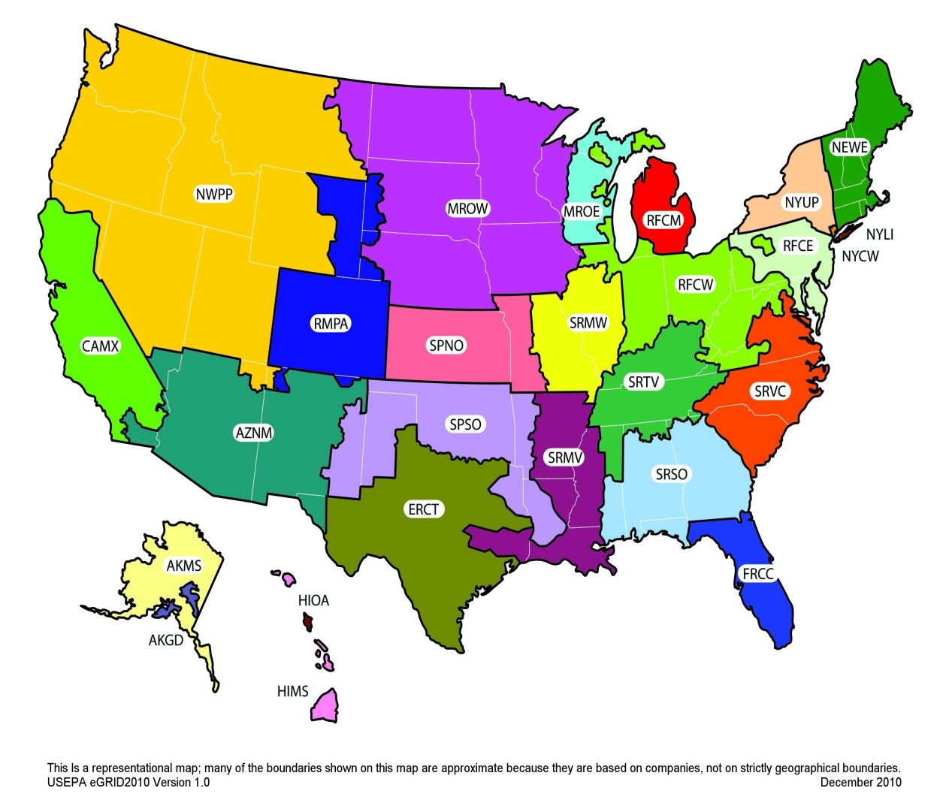

 | This is a representational map; many of the boundaries shown on this map are approximate because they are based on companies, not on strictly geographical boundaries.
 | Source: EPA Year 2010 eGRID 9th edition Version 1.0 February 2014.

Table 7 | Business Travel Emission Factors

 | Vehicle Type | CO2 Factor (kg / unit) | CH4 Factor (g / unit) | N2O Factor (g / unit) | Units
 | Passenger Car A | 0.368 | 0.018 | 0.013 | vehicle-mile
 | Light-duty Truck B | 0.501 | 0.024 | 0.019 | vehicle-mile
 | Motorcycle | 0.197 | 0.070 | 0.007 | vehicle-mile
 | Intercity Rail (i.e. Amtrak) C | 0.144 | 0.0085 | 0.0032 | passenger-mile
...

