USM_unc
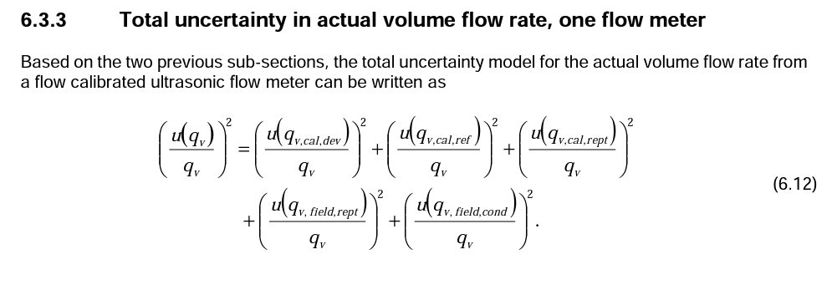
Input variable | Input value | Uncertainty | Unit | Confidence interval | Distribution
Min_velocity | 0.3 |  | ms-1
Max_velocity | 20 |  | ms_1
Calibration reference |  | 0.2 | % | 95% | Normal
Calibration repeatability |  | 0.1 | % | 95% | Normal
Calibration deviation |  | 0.3 | % | 95% | Normal
Field uncertainty |  | 0.1 | % | 95% | Normal
Installation effects |  | 0 | % | 95% | Normal
Low_limit | 5000 |  | StandardVolume_Sm3
High_limit | 500000 |  | StandardVolume_Sm3

T_unc
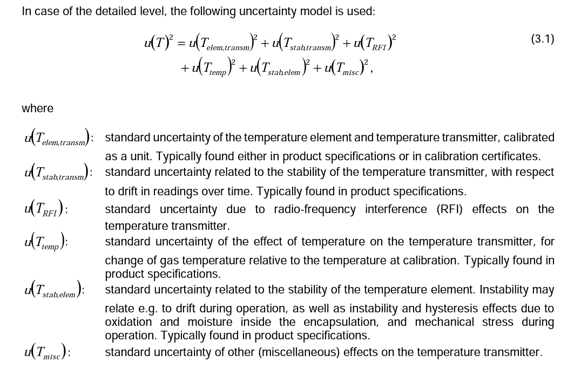
Input variable | Input value | Uncertainty | Unit | Confidence interval | Distribution
Time_between_calibrations | 12 |  | months
Ambient_Temp_at_calibration | 20 |  | C
Temp_transmitter_element |  | 0.1 | C | 99% | Normal
Stability_transmitter |  | 0.1 | %/24mo | 99% | Normal
RFI_effects |  | 0.1 | C | 99% | Normal
Ambient_Temp_effect |  | 0.0015 | C/C | 99% | Normal
Stability_temp_element |  | 0.05 | C | 95% | Normal
Misc |  | 0.2 | C | 99% | Normal
Low_limit | -40 |  | C
High_limit | 200 |  | C

P_unc
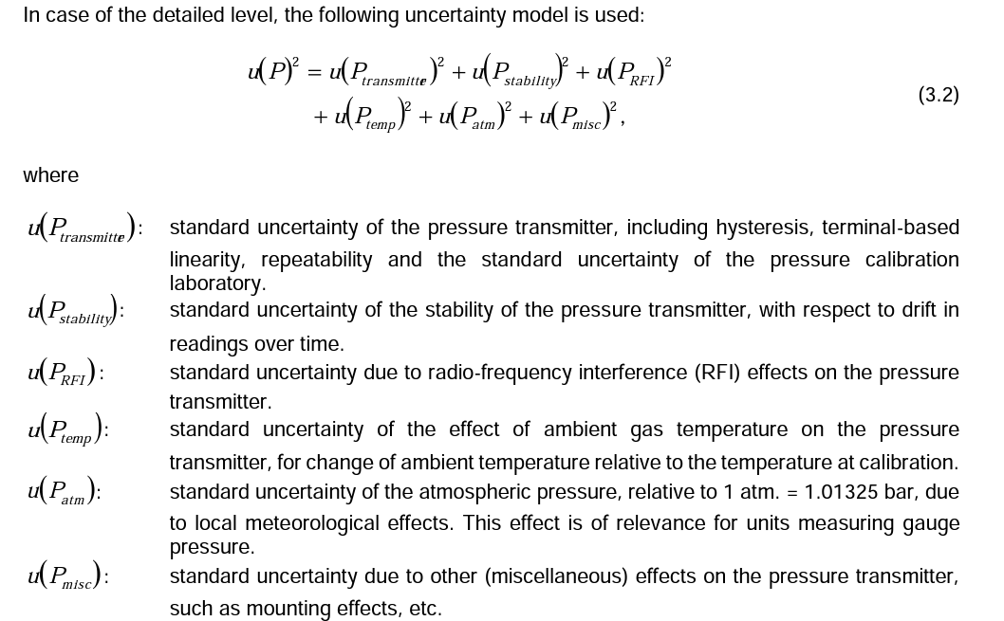
Input variable | Input value | Uncertainty | Unit | Confidence interval | Distribution
Max_calibrated_static_pressure | 120 |  | barg
Min_calibrated_static_pressure | 50 |  | barg
Upper_range_limit | 138 |  | barg
Time_between_calibrations | 12 |  | months
Ambient_temp_at_calibation | 20 |  | C
Transmitter |  | 0.05 | %span | 99% | Normal
Stability |  | 0.1 | %URL/yr | 95% | Normal
RFI_effects |  | 0.1 | %spen | 99% | Normal
Ambient_temp_effect |  | 0.03 | %span/28C | 99% | Normal
Atm_pressure |  | 0.09 | barg | 95% | Normal
Misc |  | 0.001 | MPa | 95% | Normal
Low_limit | 2.9995 |  | MPa
High_limit | 5 |  | MPa

