Calibration results
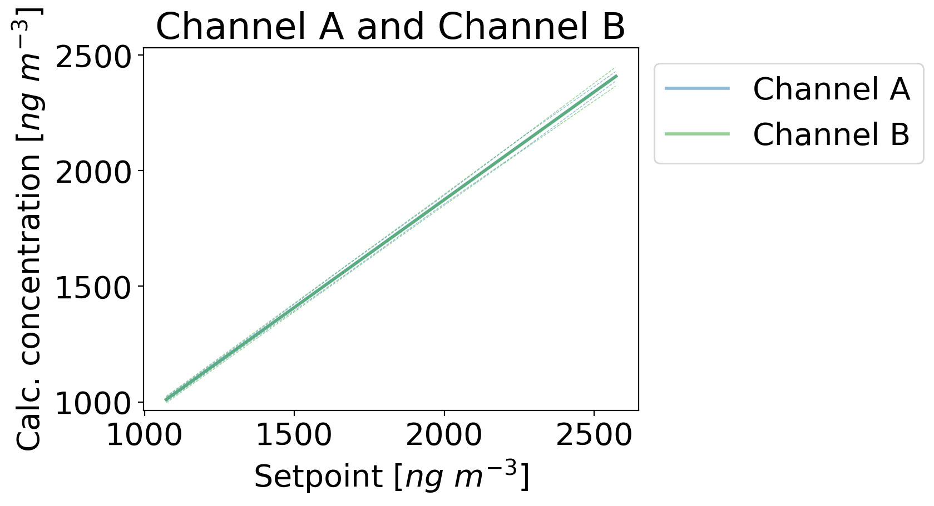
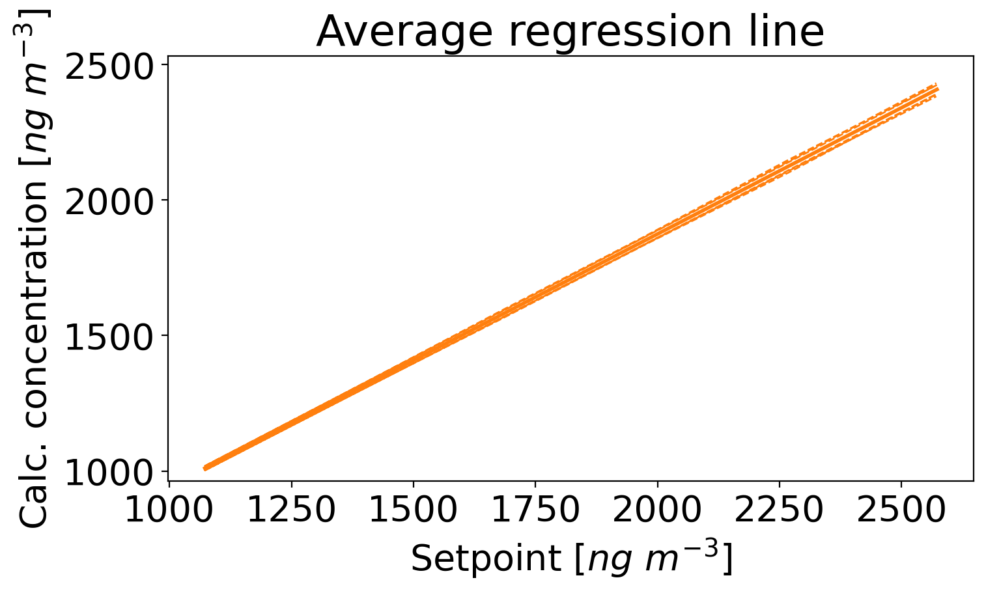

Average regression | Parameters | Standard error | P-values | Sum squared residuals | Covariance matrix |  | b_0 | b_1
b_0 | 10.702928047 | 4.6287300259 | 0.04333869927 | 1.7350574048 |  | b_0 | 21.425141653 | -0.013312442157
b_1 | 0.93207997659 | 0.0030157779323 | 3.0928155499E-21 | 1.7350574048 |  | b_1 | -0.013312442157 | 9.0949165369E-06

Chi squared = 0.42097755993741925
Probability that such a chi squared value should occur by chance = 0.999997109465103

The average regressed polynomial is acceptable.

Regression results
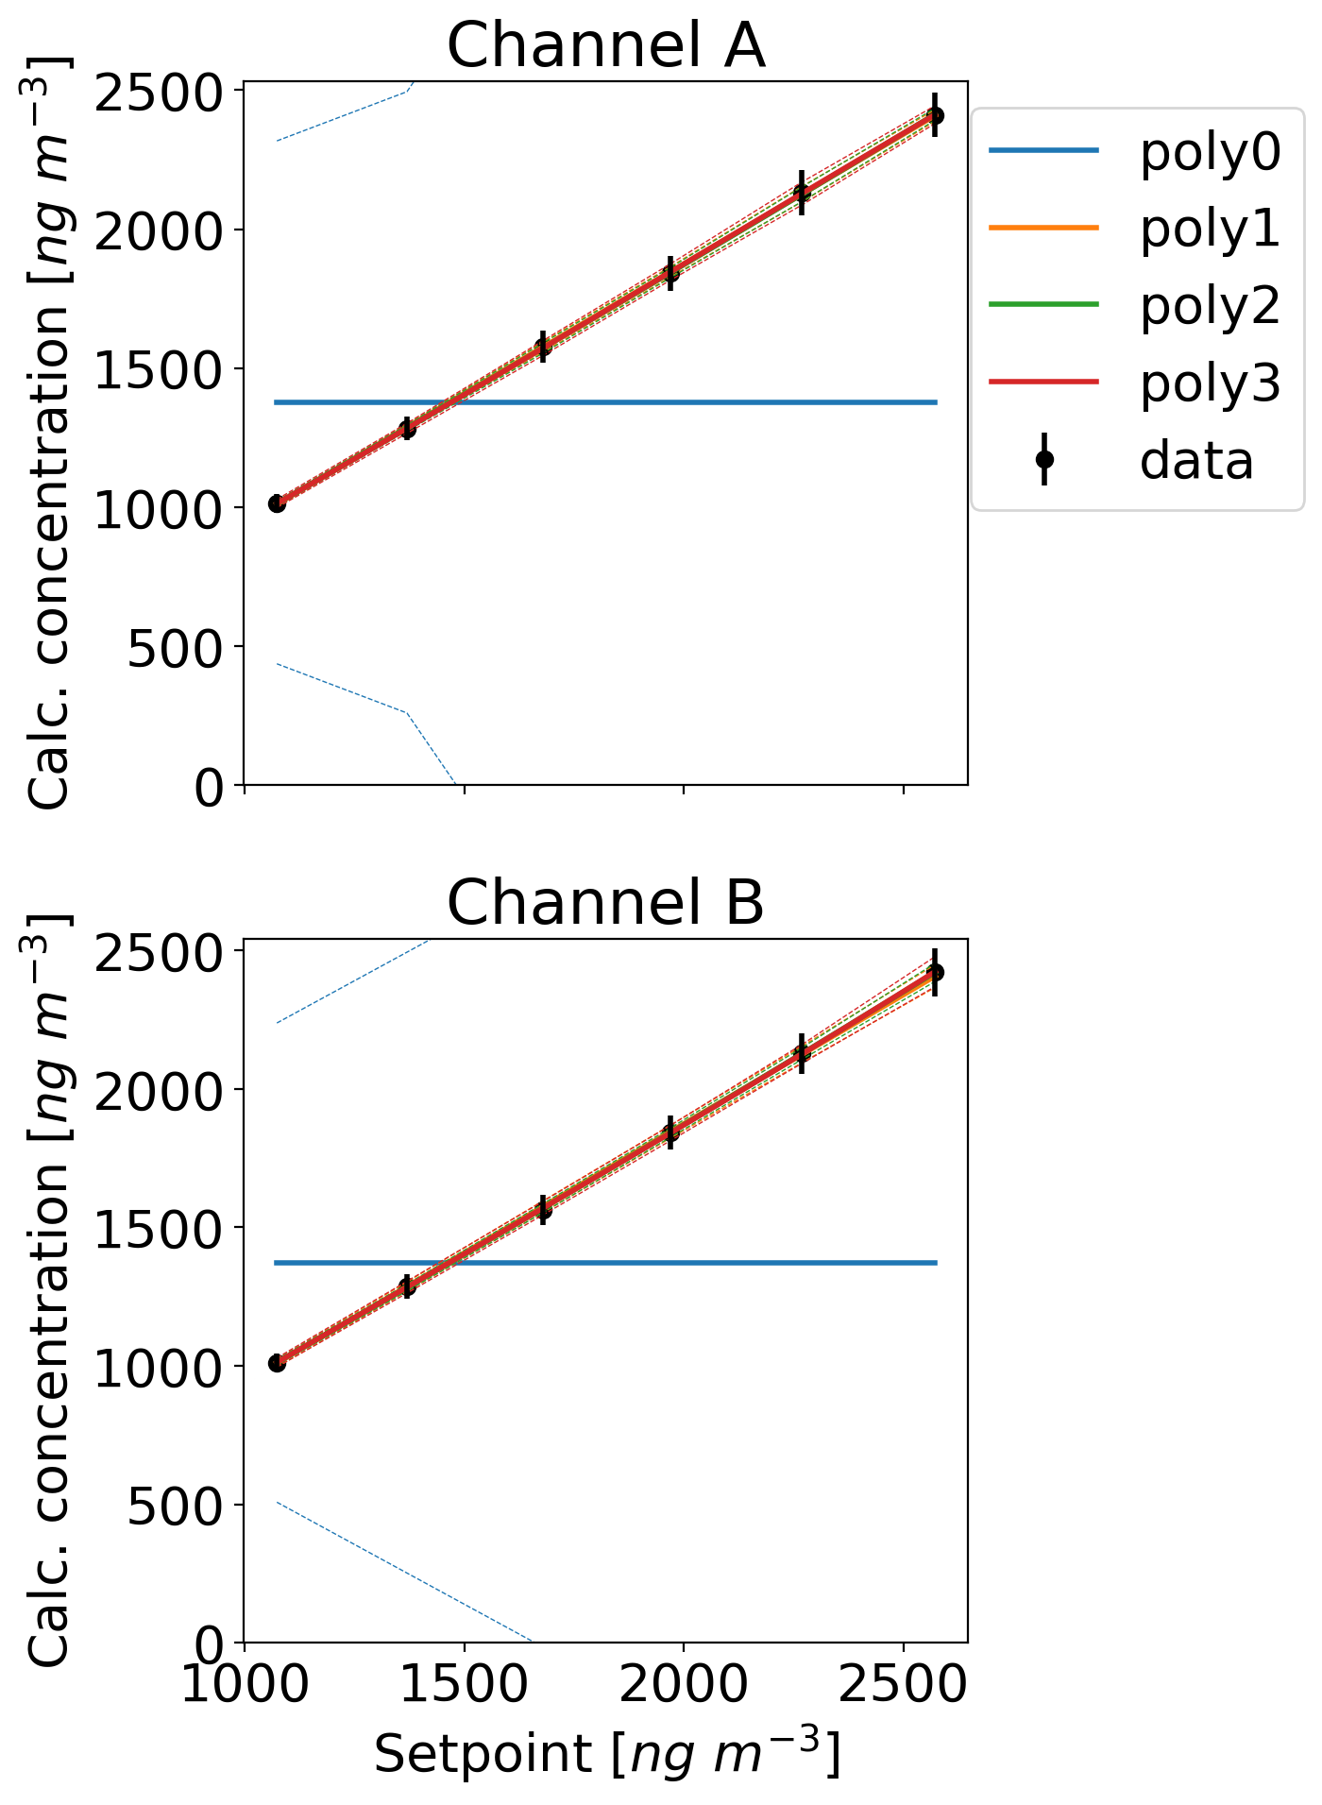
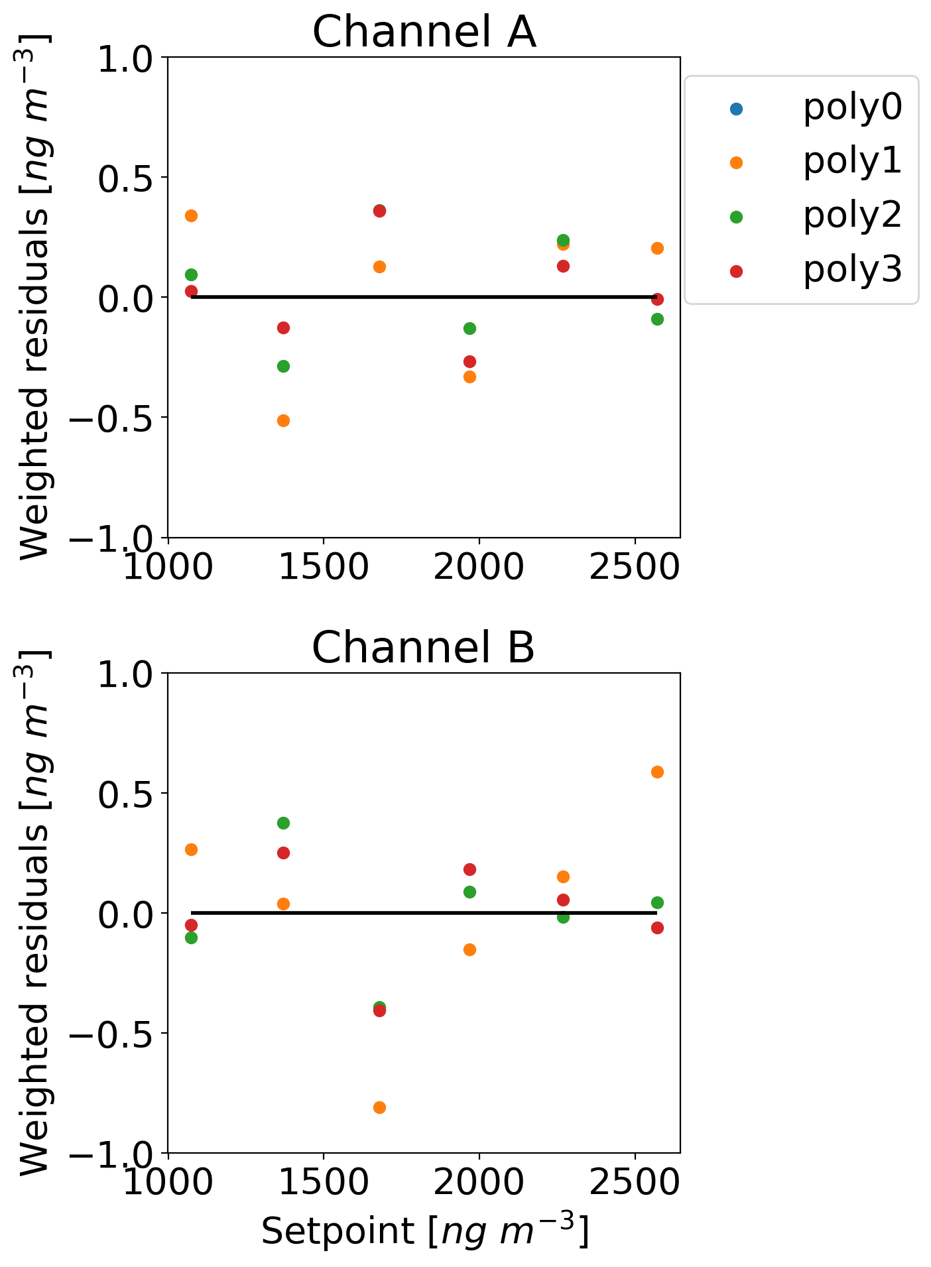
Channel A | AICc | Sum squared residuals | Channel A | Parameters | Standard error | P-values |  | Covariance matrix |  | b_0 | b_1
poly0 | 95.252157453 | 9157.5814366 | b_0 | 11.167463842 | 5.8032140078 | 0.12663463207 |  |  | b_0 | 33.67729282 | -0.020753442688
poly1 | 42.423972987 | 0.59708645709 | b_1 | 0.93208758602 | 0.0037633022716 | 1.5942395153E-09 |  |  | b_1 | -0.020753442688 | 1.4162443988E-05
poly2 | 48.369517179 | 0.30378471843
poly3 | 76.833778076 | 0.23518272619

 |  |  | Formula of optimal polynomial for channel A: |  |  |  | b_0*x^0 + b_1*x^1

Channel B | AICc | Sum squared residuals
poly0 | 94.010965423 | 7417.5471388
poly1 | 46.204239124 | 1.1168169803
poly2 | 48.58748586 | 0.31380728612
poly3 | 77.694576381 | 0.27041581031
 |  |  | Channel B | Parameters | Standard error | P-values |  | Covariance matrix |  | b_0 | b_1
 |  |  | b_0 | 10.232320036 | 8.7341758851 | 0.30640827836 |  |  | b_0 | 76.285828392 | -0.047814545514
 |  |  | b_1 | 0.93206192415 | 0.0057188448573 | 8.5015174856E-09 |  |  | b_1 | -0.047814545514 | 3.2705186502E-05

 |  |  | Formula of optimal polynomial for channel B: |  |  |  | b_0*x^0 + b_1*x^1

Channel B
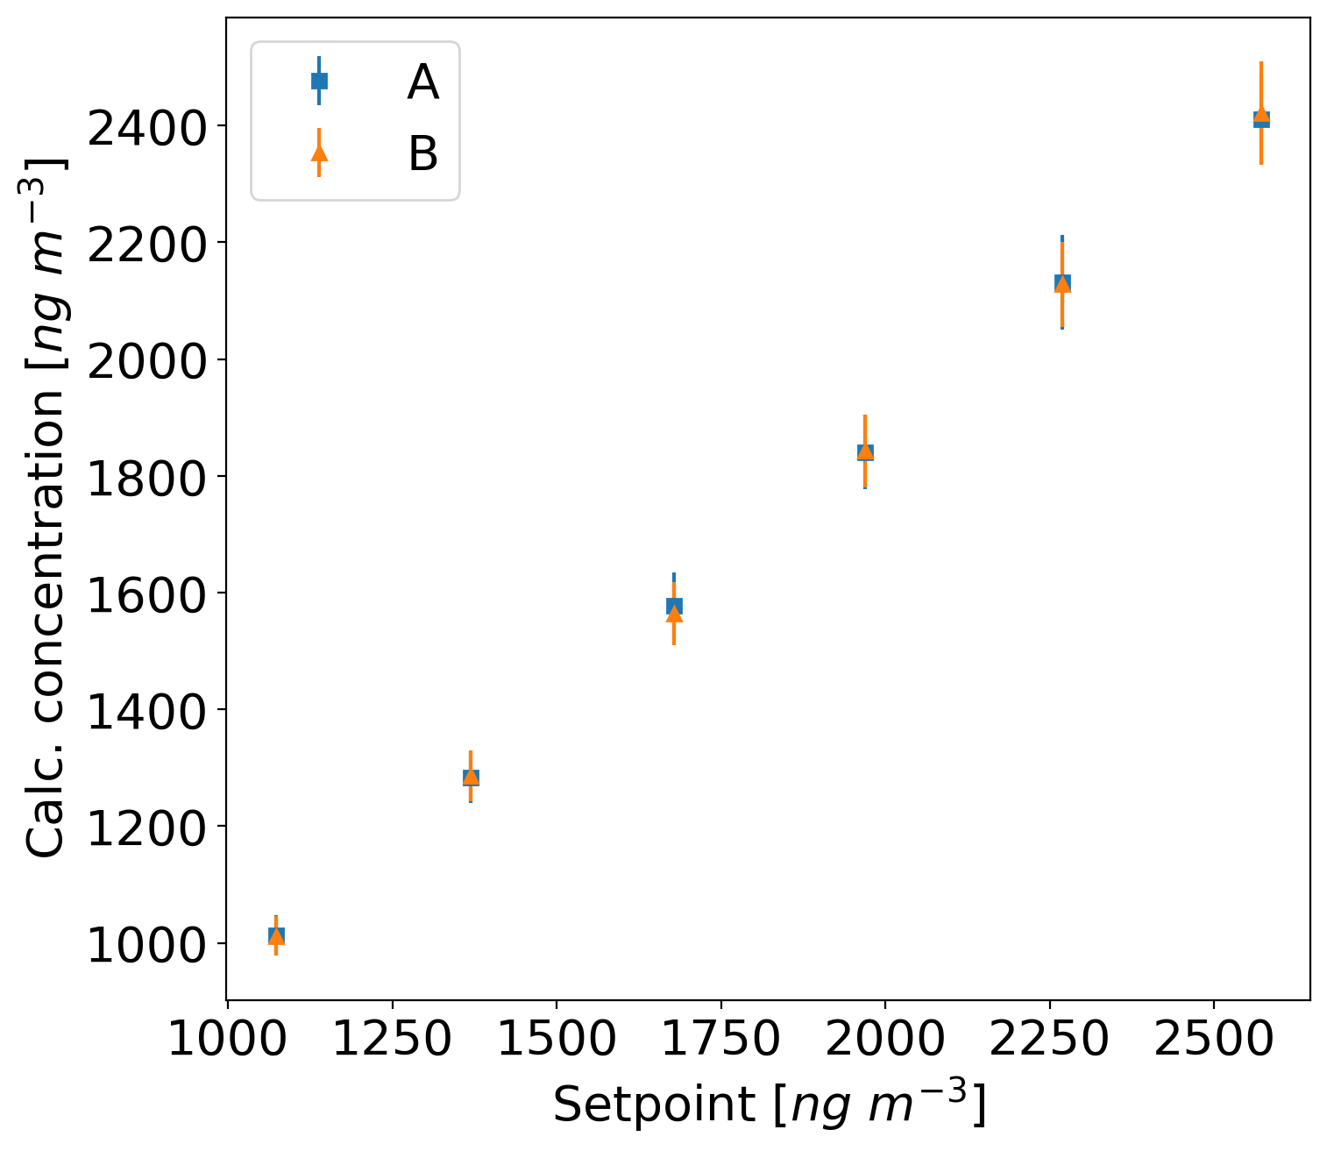
Setpoint candidate generator | c_cand | ng/m3 | 1072.569845 | 1368.912269 | 1677.988814 | 1968.608761 | 2269.141962 | 2571.070115
Mean output ratio | R |  | 1.0373335367 | 1.3189161031 | 1.230661682 | 1.1681424874 | 1.1391062337 | 1.1172557877
RSD output ratio |  | % | 0.77751641994 | 0.74971513901 | 0.81117305881 | 0.81034599603 | 0.94036111048 | 1.4332850895
Stability uncertainty | u(R)_stability | ng/m3 | 0.0041147169774 | 0.004680898592 | 0.0054828995318 | 0.0041463926669 | 0.004911636768 | 0.0054883264331
Repeatability uncertainty | u_repeatability | ng/m3 | 0.0027141532666 | 0.0035001935111 | 0.0031480969078 | 0.0034914407053 | 0.0038609277389 | 0.0064222744026
Comparison uncertainty | u_comparison | ng/m3 | 5.2869668882 | 8.0010745468 | 10.608911124 | 10.671009051 | 14.176406748 | 21.720192091
Reproducibility uncertainty | u_reproducibility | ng/m3 | 5.0593464078 | 6.4326980783 | 7.8178394187 | 9.2148254281 | 10.639433688 | 12.106295245
Reference uncertainty | u_reference | ng/m3 | 15.178039223 | 19.298094235 | 23.453518256 | 27.644476284 | 31.918301065 | 36.318885736
Combined std uncertainty | u(c) | ng/m3 | 16.849981591 | 21.85893958 | 26.90232568 | 31.03224953 | 36.509533007 | 44.015799324
Expanded uncertainty (k=2) | U(c) | ng/m3 | 33.699963182 | 43.71787916 | 53.80465136 | 62.06449906 | 73.019066014 | 88.031598649
Relative expanded uncertainty | U(c) | % | 3.3304660786 | 3.3980981719 | 3.4411458511 | 3.3676437792 | 3.4315297295 | 3.635777786
Candidate concentration | c | ng/m3 | 1011.8692816 | 1286.5396157 | 1563.5678837 | 1842.9650856 | 2127.8867377 | 2421.2590491
Relative difference in concentration | D_i | % | -5.5231805608 | -6.3138195009 | -6.0030580421 | -6.4867503985 | -6.0608932654 | -6.2326962654

Plot data
