Example 1
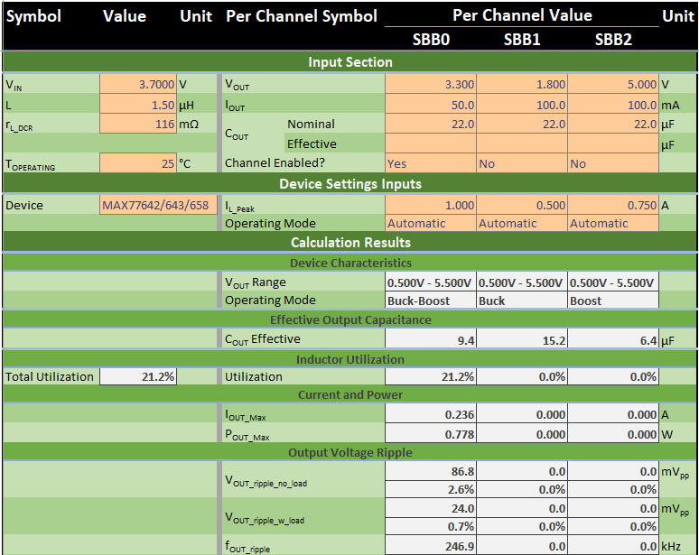
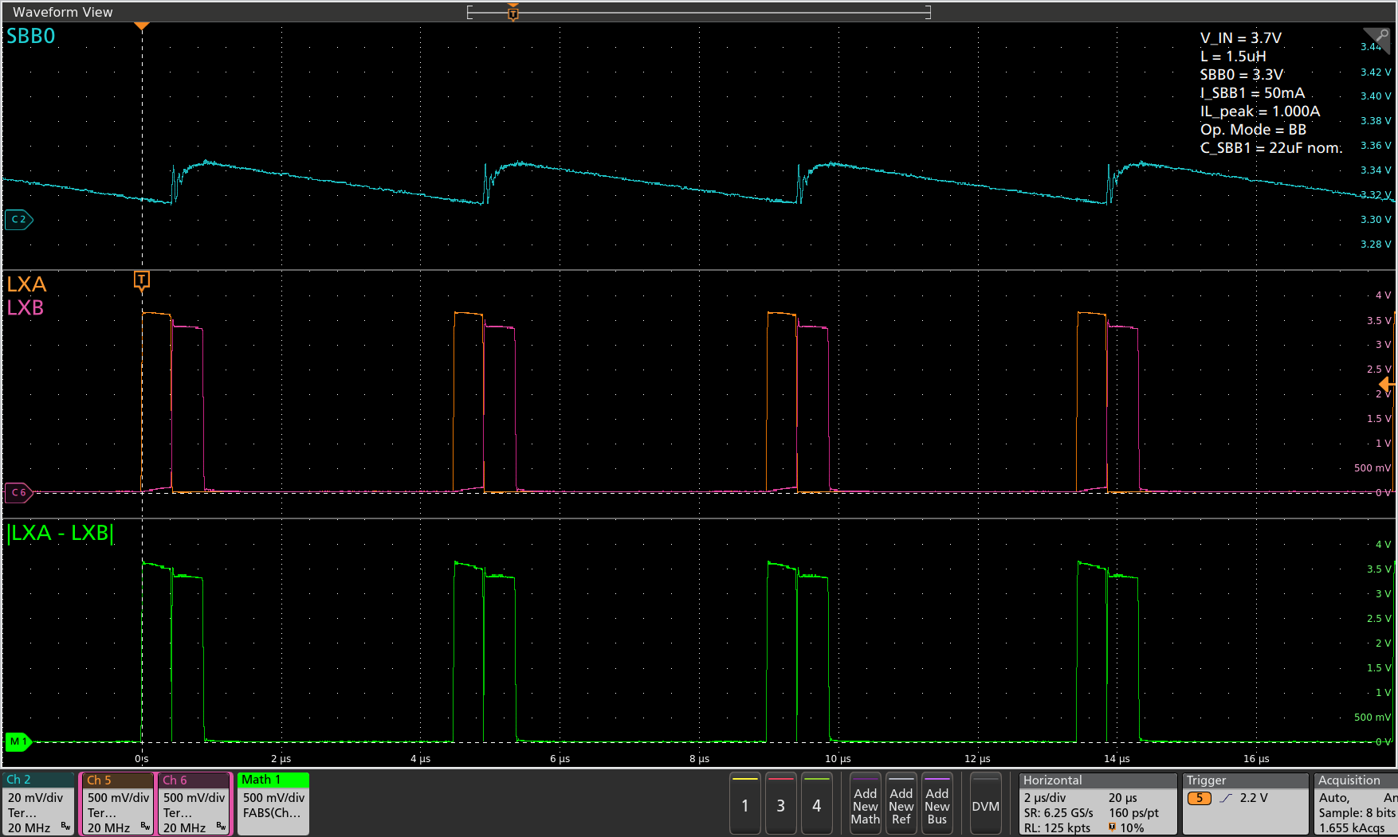

Expected I_{OUT_MAX} = 236mA
Therefore, expected utilization = 50mA/236mA = 21.2%

Calculated utilization = 50mA/236mA = 21.2%
Measured utilization = 899.299ns/4.492μs = 20.0%

Calculated frequency = 247kHz (4.050μs)
Measured frequency = 223kHz (4.492μs)

Example 2

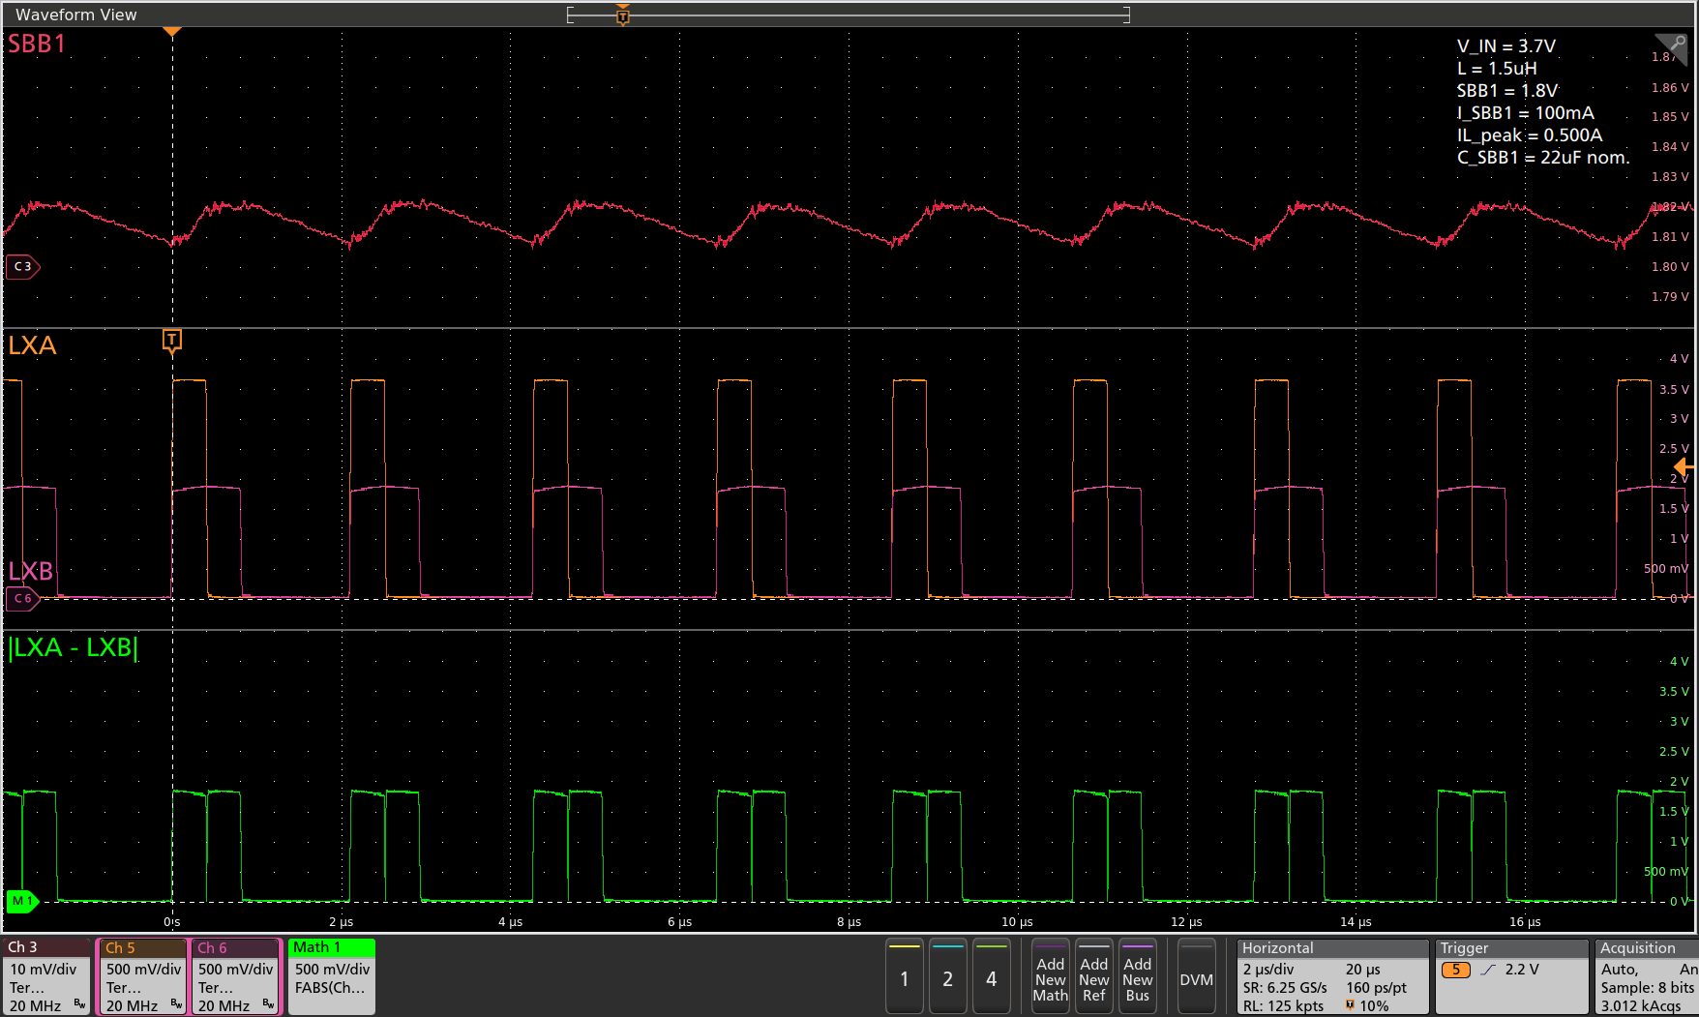

Expected I_{OUT_MAX} = 248mA
Therefore, expected utilization = 100mA/248mA = 40.3%

Calculated frequency = 494kHz (2.023μs)
Measured frequency = 463kHz (2.158μs)
Calculated utilization = 100mA/248mA = 40.3%
Measured utilization = 830.649ns/2.158μs = 38.5%

Example 3

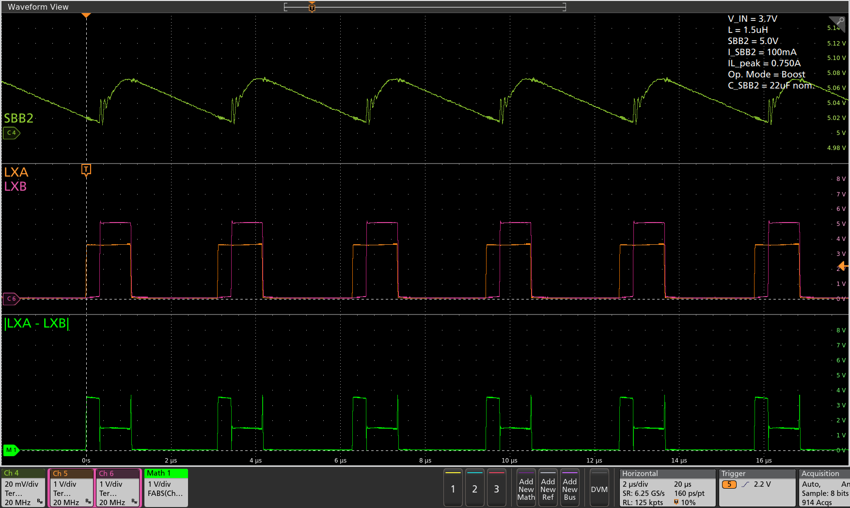

Expected I_{OUT_MAX} = 308mA
Therefore, expected utilization = 100mA/308mA = 32.5%

Calculated frequency = 332kHz (3.008μs)
Measured frequency = 314kHz (3.188μs)
Calculated utilization = 100mA/308mA = 32.5%
Measured utilization = 1.094μs/3.188μs = 34.3%

Example 4

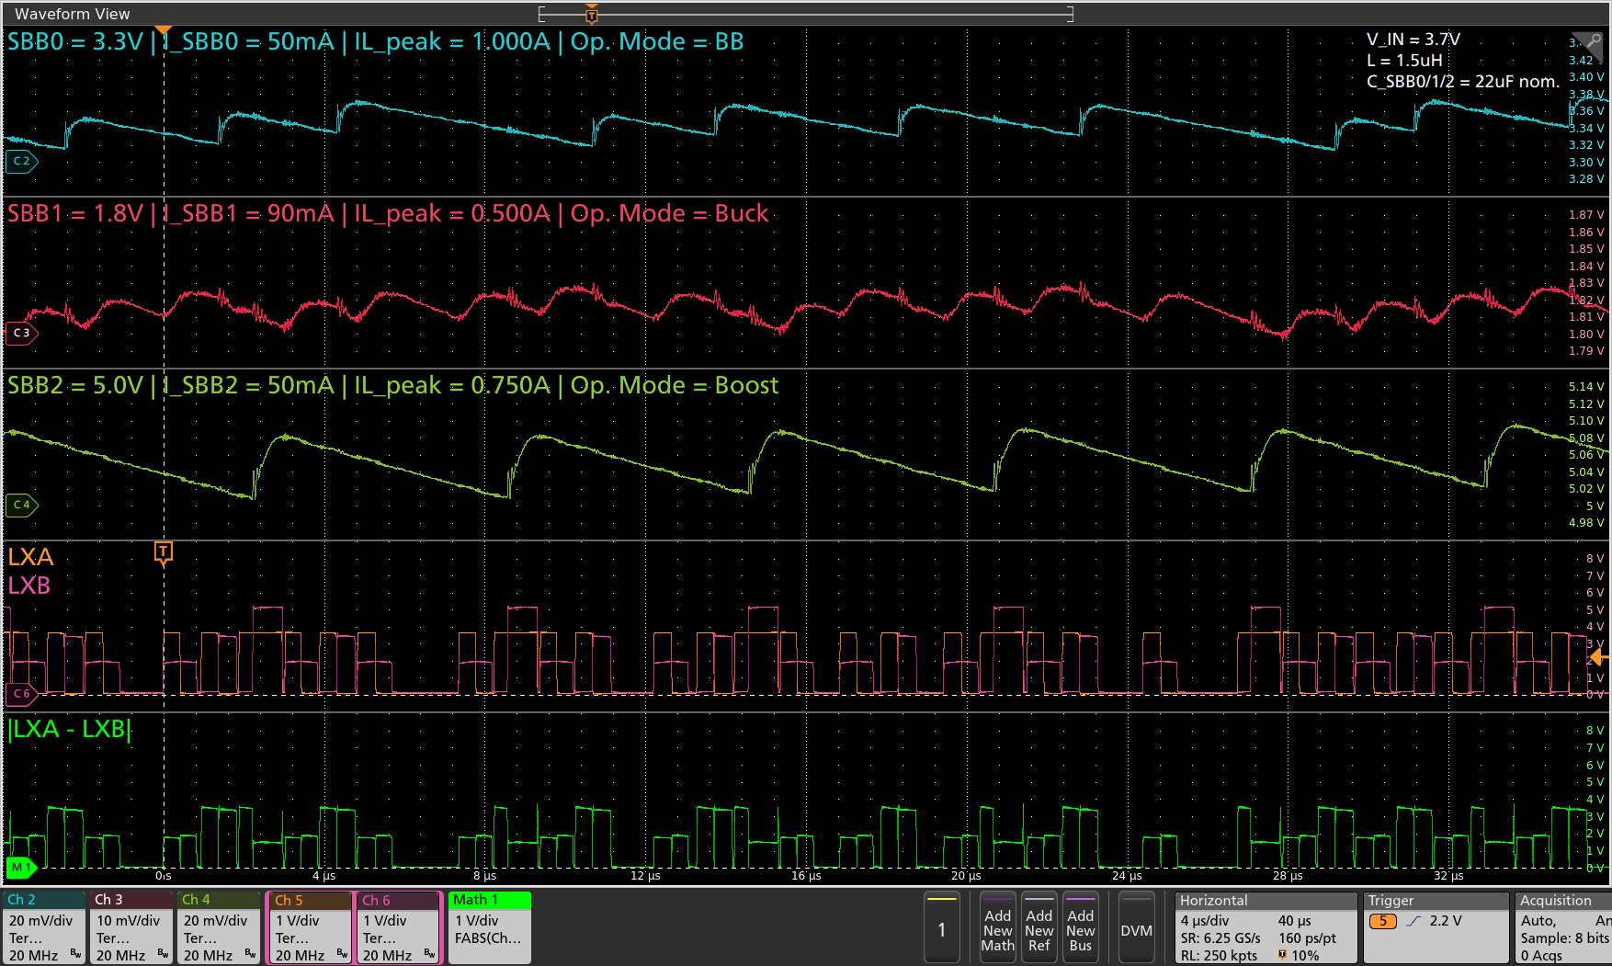
Expected utilization = ~77.4%

SBB0 tservice = 890.153ns
SBB1 tservice = 844.386ns
SBB2 tservice = 1.108μs

Calculated utilization = ~77.4%
Average utilization = (0.890153*8+0.844386*14+1.108*6)μs/33.698μs = 25.591μs/33.698μs = 75.9%

Sample time period = 33.698μs
SBB0 serviced 8x
SBB1 serviced 14x
SBB2 serviced 6x

