CUSTOMER SHEET
ST Time-of-Flight single-zone Sensors - Exclusion areas

 | Customer Inputs
 | Category |  | Item | Value | Description
 | Industrial Design | Z | ST Time-of-Flight Product | VL53L4CX | Supported devices are VL6180X, VL6180V1, VL53L0CX, VL53L1CB, VL53L1CX, VL53L3CX, VL53L4CD, VL53L4CX
 |  |  | Cover Glass nd | 1.5 | Refractive Index of Cover Glass material
 |  | Y | Cover Glass d (mm) | 0.4 | Cover Glass Thickness
 |  | X | AirGap | 1.14 | Distance between top of VL53L1 and bottom of the CoverGlass
 |  | V | Device Tilt | 0 | Tilt angle between top of the device and cover glass
 | Manufacturing Tolerances |  | X,Y Tolerance (+/- um) | 200
 |  |  | Z-height tolerance (+/- um) | 150
 |  |  | Pitch Tilt (+/- degrees) | 0
 |  |  | Roll Tilt (+/- degrees) | 0

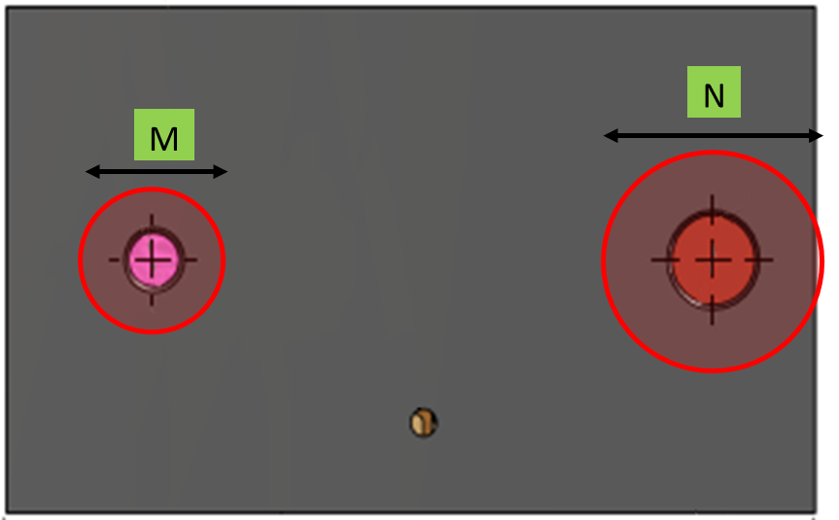
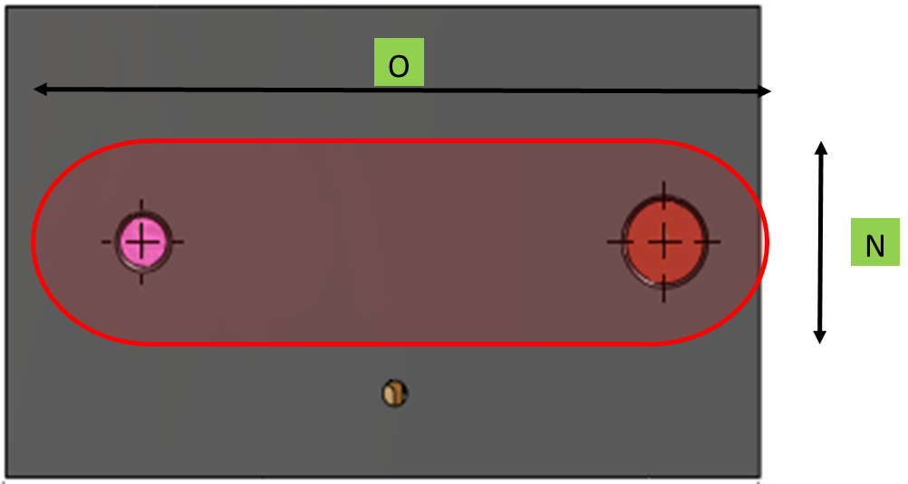
 | Keep Out Zones (Customer Outputs) |  |  |  | Intermediate values
 | 2-holes Artwork | K | Below glass Emitter keep out cone diameter | 1.39 | 1.39
 |  | L | Below Glass Collector keep out cone diameter | 1.42 | 1.42
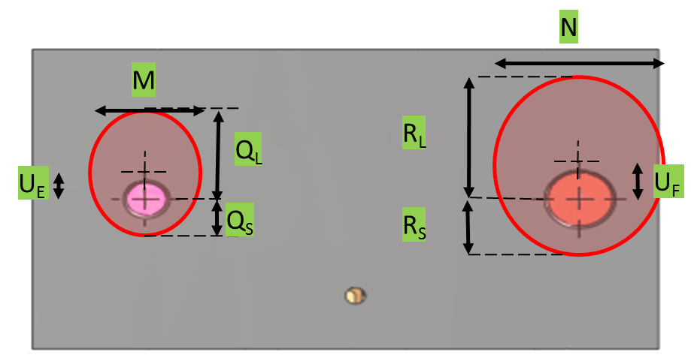
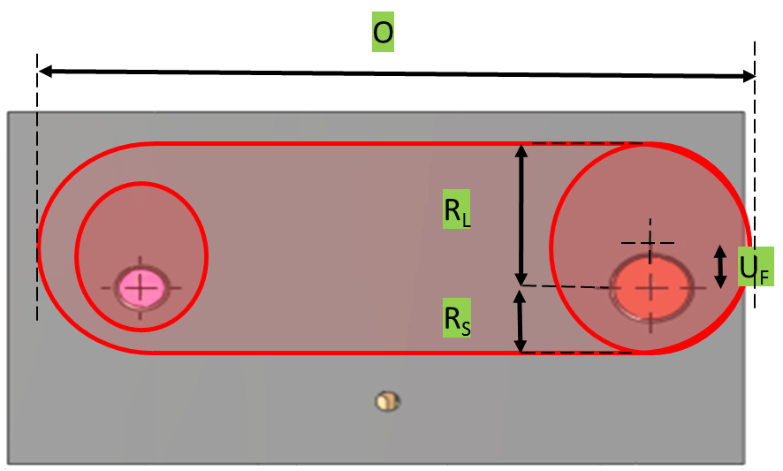
 |  | SS | Below glass Emitter keep out ellipse short radius | N/A | 0.70 | 2-holes artwork | Oval artwork
 |  | SL | Below glass Emitter keep out ellipse long radius | N/A | 0.70
 |  | TS | Below glass Collector keep out ellipse short radius | N/A | 0.71
 |  | TL | Below glass Collector keep out ellipse long radius | N/A | 0.71
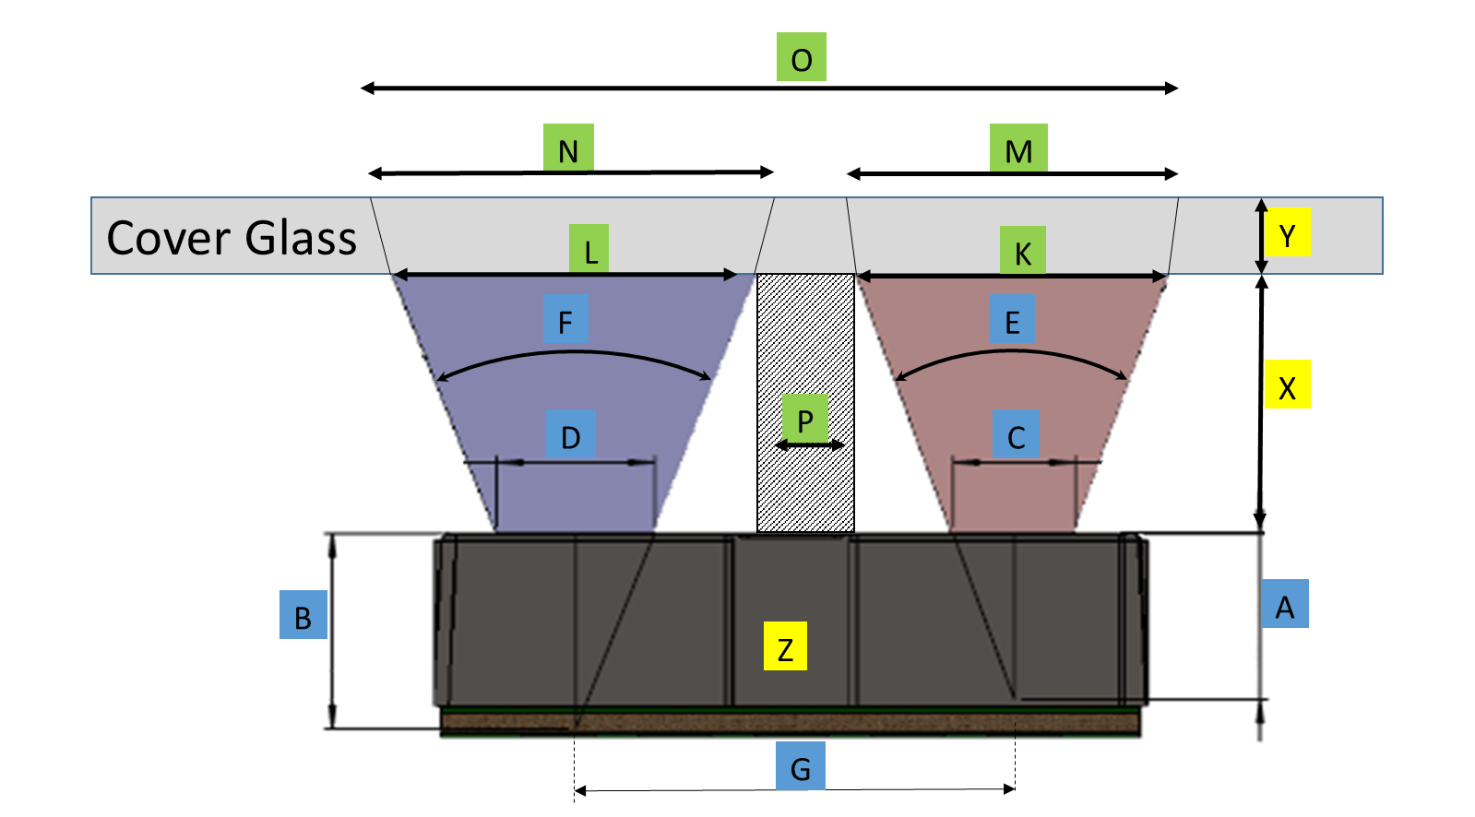
 |  | P | Gasket Maximum Width | 1.60 | 1.60
 |  | M | Top of glass Emitter keep out cone Diameter | 1.53 | 1.53
 |  | N | Top of glass Collector keep out cone Diameter | 1.53 | 1.53
 |  | QS | Top of glass Emitter keep out ellipse short radius | N/A | 0.76
 |  | QL | Top of glass Emitter keep out ellipse long radius | N/A | 0.76
 |  | RS | Top of glass Collector keep out ellipse short radius | N/A | 0.77
 |  | RL | Top of glass Collector keep out ellipse long radius | N/A | 0.77
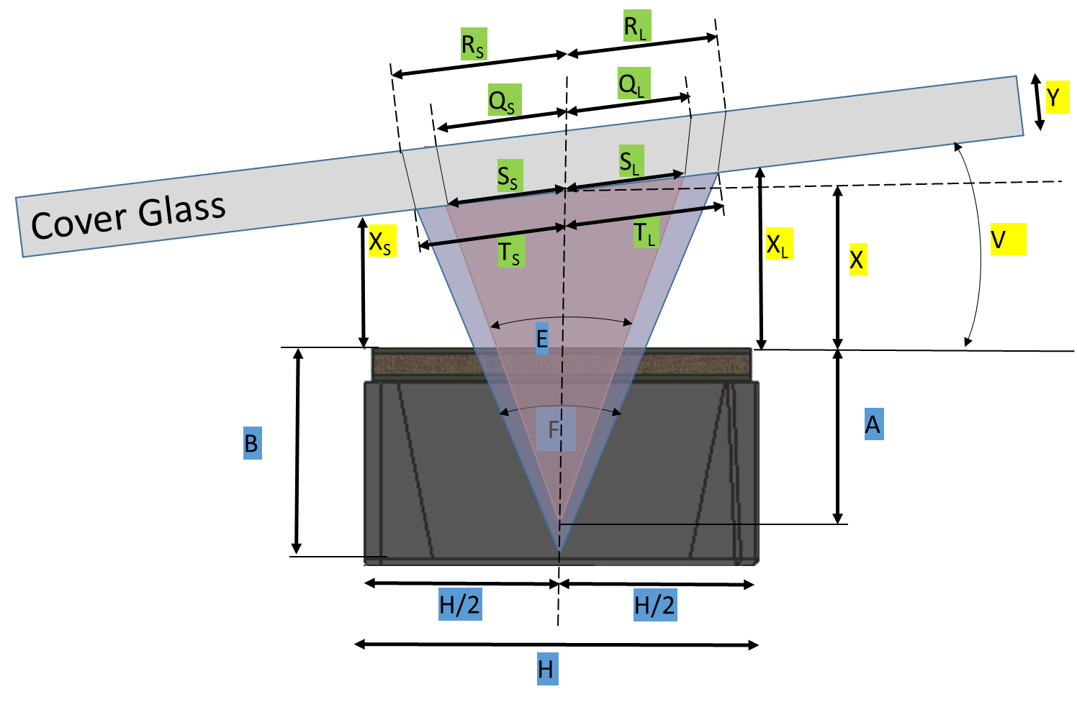
 |  | UE | Below glass Emitter Distance between optical axis and "center" of the ellipse | N/A | 0.00
 |  | UF | Below glass Collector Distance between optical axis and "center" of the ellipse | N/A | 0.00
 |  | XS | Minimum airgap | N/A | 1.14
 |  | XL | Maximum airgap | N/A | 1.14
 | Oval Artwork | O | Top of glass Oval X | 4.53 | 4.53
 |  | Max of both holes | Top of Glass Oval Y | 1.53 | 1.53

