results_forecasting_prices
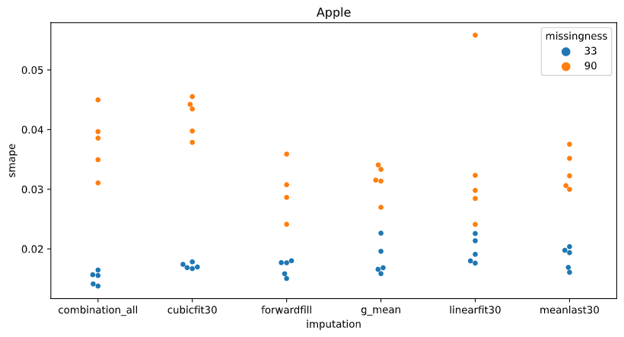
The performance grouped by imputation methods |  |  |  |  | The performance grouped by imputation methods split by company
 | Missingness 33% |  | Missingness 90% |  |  |  | Missingness 33% |  | Missingness 90%
imputation method | smape_mean | smape_std | smape_mean | smape_std | company | imputation | smape_mean | smape_std | smape_mean | smape_std
5_imputations_combined | 0.015736512501 | 0.0027281336445 | 0.030139527709 | 0.0069289662839 | Apple | 5_imputations_combined | 0.015110697066 | 0.0011266455004 | 0.03784109607 | 0.0052236621743
cubicfit30 | 0.017771590087 | 0.0045038029558 | 0.033152918116 | 0.0096275353232 |  | cubicfit30 | 0.017149866949 | 0.00045816518274 | 0.042166249919 | 0.0032273207912
forwardfill | 0.016725339176 | 0.0043445810608 | 0.026722953262 | 0.0049700916238 |  | forwardfill | 0.016847061148 | 0.0013277193922 | 0.029851105541 | 0.0048819251903
globalmean | 0.017081695317 | 0.0037614081767 | 0.03303458842 | 0.0036796465917 |  | globalmean | 0.01829701176 | 0.0028087117927 | 0.03145513394 | 0.0027608341062
linearfit30 | 0.018829514693 | 0.0050178338236 | 0.029499390118 | 0.0076873006038 |  | linearfit30 | 0.019727073826 | 0.0021621657227 | 0.034101624738 | 0.012500871766
meanlast30 | 0.017339880654 | 0.0034387000637 | 0.031886816224 | 0.003584401679 |  | meanlast30 | 0.018497086621 | 0.001891531718 | 0.033105983388 | 0.0031908115552
 |  |  |  |  | CocaCola | 5_imputations_combined | 0.01344924966 | 0.0021455528935 | 0.029435646272 | 0.002031904825
 |  |  |  |  |  | cubicfit30 | 0.013453940601 | 0.0021057251688 | 0.036663256149 | 0.00081211315915
 |  |  |  |  |  | forwardfill | 0.011684908995 | 0.00058294802786 | 0.029659143174 | 0.0020093934416
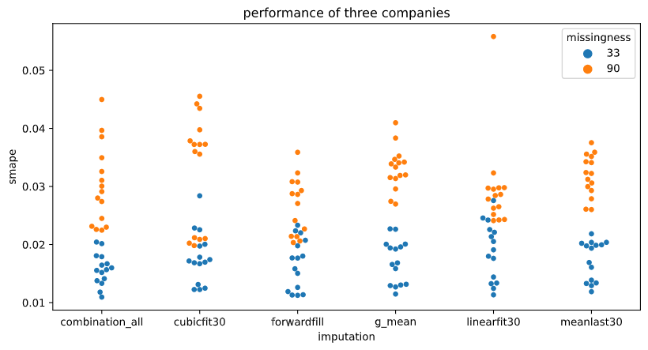
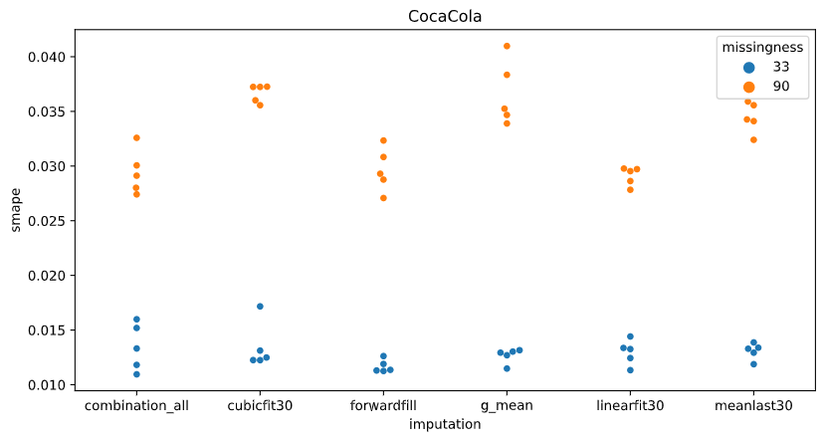
 |  |  |  |  |  | globalmean | 0.012656310379 | 0.00068214028237 | 0.036627107159 | 0.002960062302
 |  |  |  |  |  | linearfit30 | 0.012959798014 | 0.0011491415909 | 0.029096133914 | 0.00084405671778
 |  |  |  |  |  | meanlast30 | 0.013068636967 | 0.0007470850519 | 0.034449196177 | 0.0013900262759
 |  |  |  |  | Microsoft | 5_imputations_combined | 0.018649590776 | 0.0015938058896 | 0.023141840785 | 0.00080634435231
 |  |  |  |  |  | cubicfit30 | 0.022710962711 | 0.00347394611 | 0.020629248281 | 0.00057596731575
 |  |  |  |  |  | forwardfill | 0.021644047386 | 0.0013939601907 | 0.021284241527 | 0.0009121378257
 |  |  |  |  |  | globalmean | 0.020291763812 | 0.0013991196477 | 0.031021524159 | 0.0025862142241
 |  |  |  |  |  | linearfit30 | 0.023801672239 | 0.0026744885091 | 0.025300411701 | 0.0010623520364
 |  |  |  |  |  | meanlast30 | 0.020453918374 | 0.00080649000094 | 0.028105269107 | 0.0022167543205

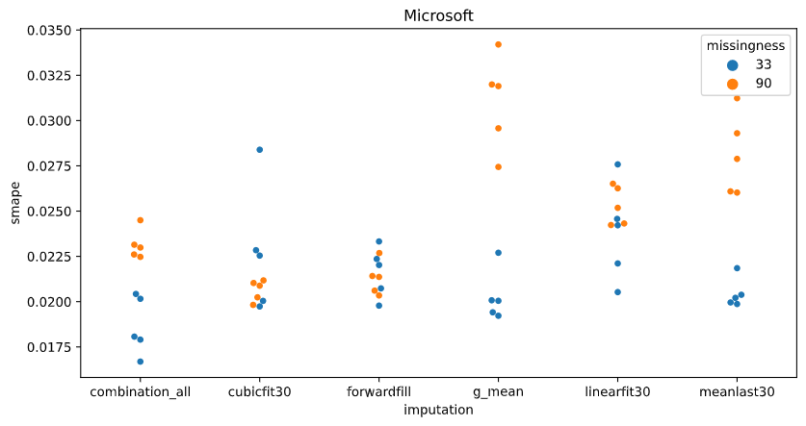

EACH DOT IS THE EVALUATION OF THE MODEL ON THE TEST SET, AFTER TRAINING THE MODEL WITH A DIFFERENT INITIALIZATION SEED.

