sheet1
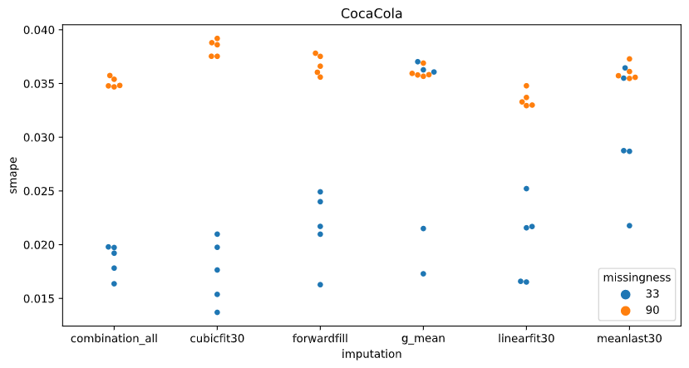
The performance grouped by imputation methods |  |  |  |  | The performance grouped by imputation methods split by company
 | Missingness 33% |  | Missingness 90% |  |  |  | Missingness 33% |  | Missingness 90%
imputation method | smape_mean | smape_std | smape_mean | smape_std | company | imputation | smape_mean | smape_std | smape_mean | smape_std
5_imputations_combined | 0.029557982943 | 0.010671465549 | 0.034741588694 | 0.009665430282 | Apple | 5_imputations_combined | 0.03790449635 | 0.011603214525 | 0.044653648514 | 0.0083786066283
cubicfit30 | 0.021663272835 | 0.0054439883547 | 0.031074894843 | 0.0063619902326 |  | cubicfit30 | 0.026217038199 | 0.0047031864091 | 0.025047475469 | 0.0028053614572
forwardfill | 0.023351924193 | 0.0062032095634 | 0.035467228585 | 0.012904860389 |  | forwardfill | 0.027366367173 | 0.0084266301594 | 0.047080514089 | 0.014292440388
globalmean | 0.03274496683 | 0.011893212776 | 0.035147501651 | 0.0074444054858 |  | globalmean | 0.043314923692 | 0.01249751587 | 0.042085034222 | 0.0074434252472
linearfit30 | 0.022685854672 | 0.0067206662858 | 0.032059785205 | 0.0080810288282 |  | linearfit30 | 0.029179779712 | 0.0076183702508 | 0.040651245964 | 0.0024335026249
meanlast30 | 0.029221770381 | 0.010759676398 | 0.030979112255 | 0.0087685685961 |  | meanlast30 | 0.03708463861 | 0.013532697553 | 0.035098527669 | 0.010496794253
 |  |  |  |  | CocaCola | 5_imputations_combined | 0.018584907983 | 0.0014739303429 | 0.03508243732 | 0.00046079745231
 |  |  |  |  |  | cubicfit30 | 0.017492109481 | 0.003007667353 | 0.038332060367 | 0.00075929823132
 |  |  |  |  |  | forwardfill | 0.021575445835 | 0.0033716892087 | 0.036718261705 | 0.00094558333245
 |  |  |  |  |  | globalmean | 0.029632198193 | 0.009467833125 | 0.036023823838 | 0.00049679792594
 |  |  |  |  |  | linearfit30 | 0.020318678867 | 0.003731402491 | 0.033539871819 | 0.00075859984405
 |  |  |  |  |  | meanlast30 | 0.030230417561 | 0.0059703207769 | 0.036033258885 | 0.00074279136882
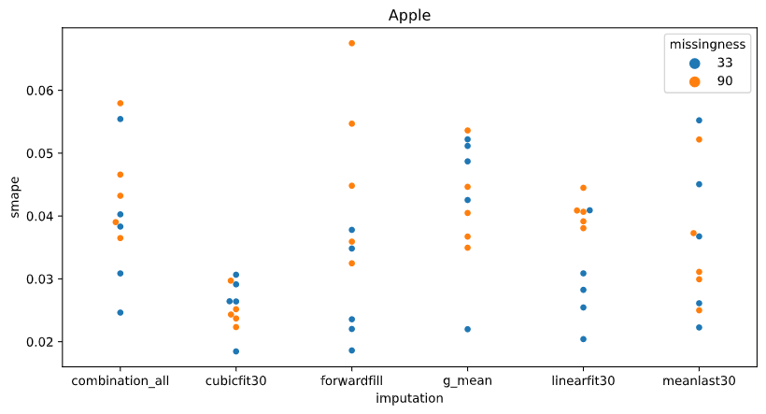
 |  |  |  |  | Microsoft | 5_imputations_combined | 0.032184544497 | 0.0039445157204 | 0.024488680249 | 0.0014830598434
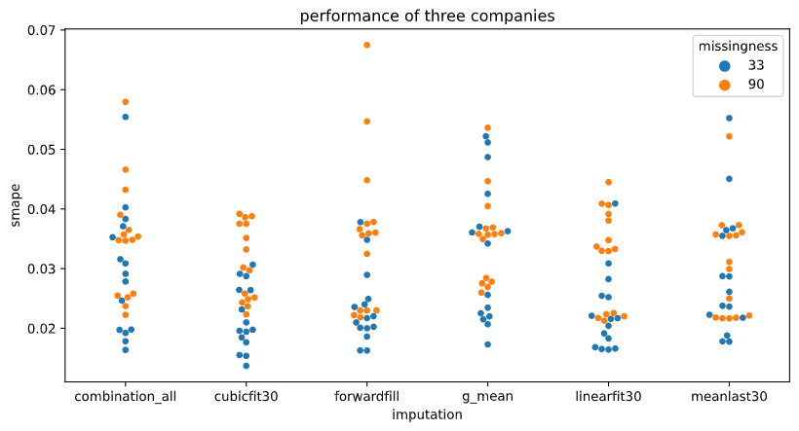
 |  |  |  |  |  | cubicfit30 | 0.021280670826 | 0.0049710459817 | 0.029845148693 | 0.0044810705331
 |  |  |  |  |  | forwardfill | 0.02111395957 | 0.0046853820899 | 0.022602909962 | 0.0005484282641
 |  |  |  |  |  | globalmean | 0.025287778605 | 0.005288033883 | 0.027333646892 | 0.00093471218273
 |  |  |  |  |  | linearfit30 | 0.018559105437 | 0.0022620809231 | 0.021988237833 | 0.0005131124912
 |  |  |  |  |  | meanlast30 | 0.020350254973 | 0.0030799803447 | 0.02180555021 | 0.00019384803381

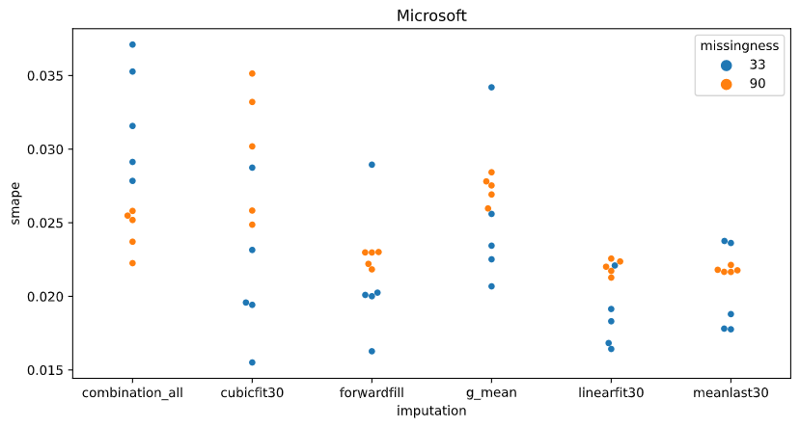
EACH DOT IS THE EVALUATION OF THE MODEL ON THE TEST SET, AFTER TRAINING THE MODEL WITH A DIFFERENT INITIALIZATION SEED.

