results_forecasting_prices
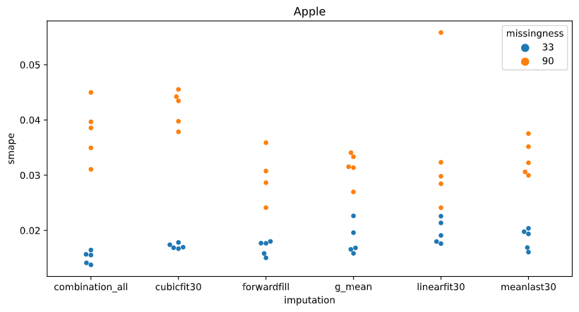
The performance grouped by imputation methods |  |  |  |  | The performance grouped by imputation methods split by company
 | Missingness 33% |  | Missingness 90% |  |  |  | Missingness 33% |  | Missingness 90%
imputation method | smape_mean | smape_std | smape_mean | smape_std | company | imputation | smape_mean | smape_std | smape_mean | smape_std
5_imputations_combined | 0.015736512501 | 0.0027281336445 | 0.030139527709 | 0.0069289662839 | Apple | 5_imputations_combined | 0.015110697066 | 0.0011266455004 | 0.03784109607 | 0.0052236621743
cubicfit30 | 0.017771590087 | 0.0045038029558 | 0.033152918116 | 0.0096275353232 |  | cubicfit30 | 0.017149866949 | 0.00045816518274 | 0.042166249919 | 0.0032273207912
forwardfill | 0.016725339176 | 0.0043445810608 | 0.026722953262 | 0.0049700916238 |  | forwardfill | 0.016847061148 | 0.0013277193922 | 0.029851105541 | 0.0048819251903
globalmean | 0.017081695317 | 0.0037614081767 | 0.03303458842 | 0.0036796465917 |  | globalmean | 0.01829701176 | 0.0028087117927 | 0.03145513394 | 0.0027608341062
linearfit30 | 0.018829514693 | 0.0050178338236 | 0.029499390118 | 0.0076873006038 |  | linearfit30 | 0.019727073826 | 0.0021621657227 | 0.034101624738 | 0.012500871766
meanlast30 | 0.017339880654 | 0.0034387000637 | 0.031886816224 | 0.003584401679 |  | meanlast30 | 0.018497086621 | 0.001891531718 | 0.033105983388 | 0.0031908115552
 |  |  |  |  | CocaCola | 5_imputations_combined | 0.01344924966 | 0.0021455528935 | 0.029435646272 | 0.002031904825
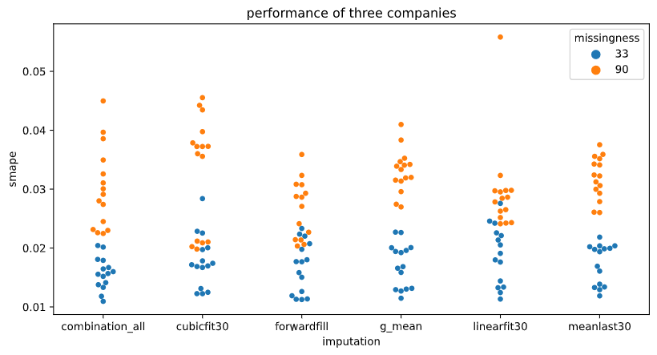
 |  |  |  |  |  | cubicfit30 | 0.013453940601 | 0.0021057251688 | 0.036663256149 | 0.00081211315915
 |  |  |  |  |  | forwardfill | 0.011684908995 | 0.00058294802786 | 0.029659143174 | 0.0020093934416
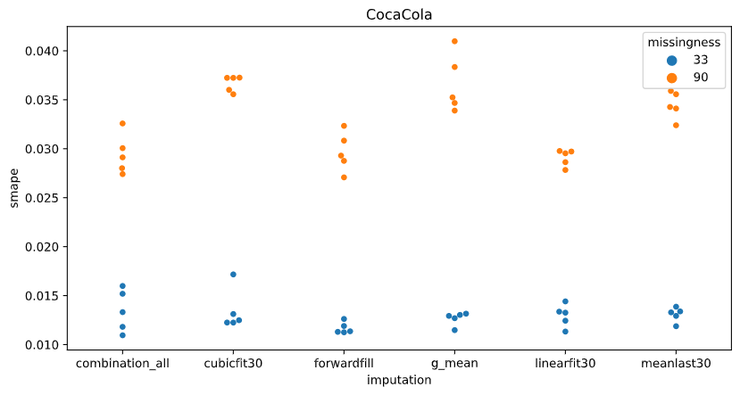
 |  |  |  |  |  | globalmean | 0.012656310379 | 0.00068214028237 | 0.036627107159 | 0.002960062302
 |  |  |  |  |  | linearfit30 | 0.012959798014 | 0.0011491415909 | 0.029096133914 | 0.00084405671778
 |  |  |  |  |  | meanlast30 | 0.013068636967 | 0.0007470850519 | 0.034449196177 | 0.0013900262759
 |  |  |  |  | Microsoft | 5_imputations_combined | 0.018649590776 | 0.0015938058896 | 0.023141840785 | 0.00080634435231
 |  |  |  |  |  | cubicfit30 | 0.022710962711 | 0.00347394611 | 0.020629248281 | 0.00057596731575
 |  |  |  |  |  | forwardfill | 0.021644047386 | 0.0013939601907 | 0.021284241527 | 0.0009121378257
 |  |  |  |  |  | globalmean | 0.020291763812 | 0.0013991196477 | 0.031021524159 | 0.0025862142241
 |  |  |  |  |  | linearfit30 | 0.023801672239 | 0.0026744885091 | 0.025300411701 | 0.0010623520364
 |  |  |  |  |  | meanlast30 | 0.020453918374 | 0.00080649000094 | 0.028105269107 | 0.0022167543205

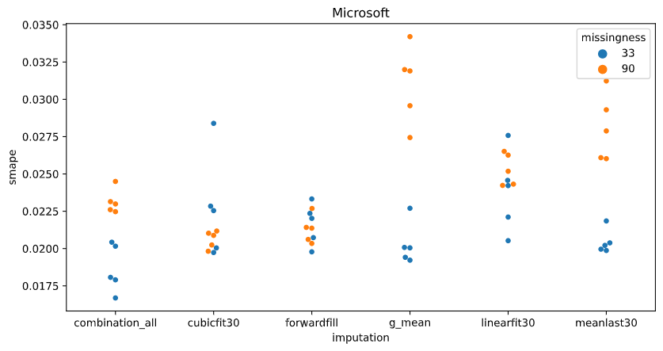

EACH DOT IS THE EVALUATION OF THE MODEL ON THE TEST SET, AFTER TRAINING THE MODEL WITH A DIFFERENT INITIALIZATION SEED.

Best prediction was the combination method for the coca-cola stock.

results_forecasting_returns
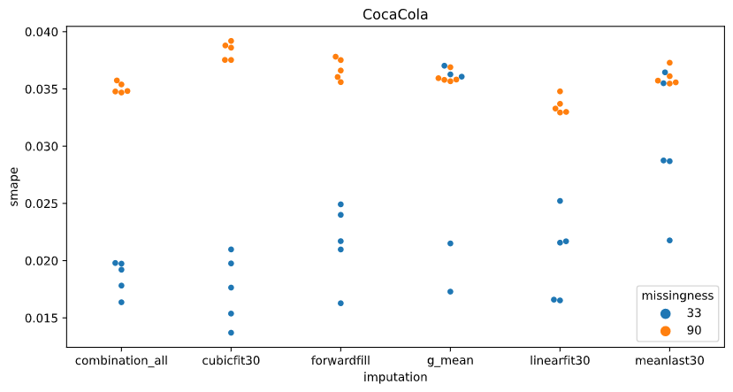
The performance grouped by imputation methods |  |  |  |  | The performance grouped by imputation methods split by company
 | Missingness 33% |  | Missingness 90% |  |  |  | Missingness 33% |  | Missingness 90%
imputation method | smape_mean | smape_std | smape_mean | smape_std | company | imputation | smape_mean | smape_std | smape_mean | smape_std
5_imputations_combined | 0.029557982943 | 0.010671465549 | 0.034741588694 | 0.009665430282 | Apple | 5_imputations_combined | 0.03790449635 | 0.011603214525 | 0.044653648514 | 0.0083786066283
cubicfit30 | 0.021663272835 | 0.0054439883547 | 0.031074894843 | 0.0063619902326 |  | cubicfit30 | 0.026217038199 | 0.0047031864091 | 0.025047475469 | 0.0028053614572
forwardfill | 0.023351924193 | 0.0062032095634 | 0.035467228585 | 0.012904860389 |  | forwardfill | 0.027366367173 | 0.0084266301594 | 0.047080514089 | 0.014292440388
globalmean | 0.03274496683 | 0.011893212776 | 0.035147501651 | 0.0074444054858 |  | globalmean | 0.043314923692 | 0.01249751587 | 0.042085034222 | 0.0074434252472
linearfit30 | 0.022685854672 | 0.0067206662858 | 0.032059785205 | 0.0080810288282 |  | linearfit30 | 0.029179779712 | 0.0076183702508 | 0.040651245964 | 0.0024335026249
meanlast30 | 0.029221770381 | 0.010759676398 | 0.030979112255 | 0.0087685685961 |  | meanlast30 | 0.03708463861 | 0.013532697553 | 0.035098527669 | 0.010496794253
 |  |  |  |  | CocaCola | 5_imputations_combined | 0.018584907983 | 0.0014739303429 | 0.03508243732 | 0.00046079745231
 |  |  |  |  |  | cubicfit30 | 0.017492109481 | 0.003007667353 | 0.038332060367 | 0.00075929823132
 |  |  |  |  |  | forwardfill | 0.021575445835 | 0.0033716892087 | 0.036718261705 | 0.00094558333245
 |  |  |  |  |  | globalmean | 0.029632198193 | 0.009467833125 | 0.036023823838 | 0.00049679792594
 |  |  |  |  |  | linearfit30 | 0.020318678867 | 0.003731402491 | 0.033539871819 | 0.00075859984405
 |  |  |  |  |  | meanlast30 | 0.030230417561 | 0.0059703207769 | 0.036033258885 | 0.00074279136882
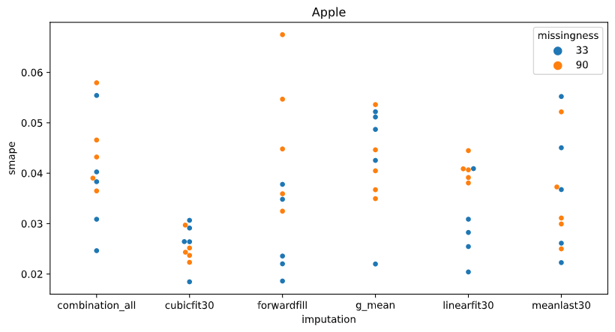
 |  |  |  |  | Microsoft | 5_imputations_combined | 0.032184544497 | 0.0039445157204 | 0.024488680249 | 0.0014830598434
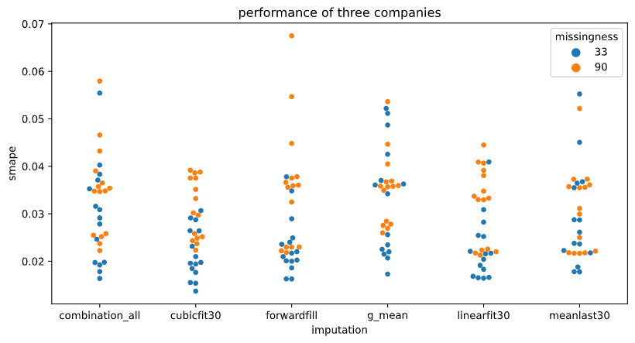
 |  |  |  |  |  | cubicfit30 | 0.021280670826 | 0.0049710459817 | 0.029845148693 | 0.0044810705331
 |  |  |  |  |  | forwardfill | 0.02111395957 | 0.0046853820899 | 0.022602909962 | 0.0005484282641
 |  |  |  |  |  | globalmean | 0.025287778605 | 0.005288033883 | 0.027333646892 | 0.00093471218273
 |  |  |  |  |  | linearfit30 | 0.018559105437 | 0.0022620809231 | 0.021988237833 | 0.0005131124912
 |  |  |  |  |  | meanlast30 | 0.020350254973 | 0.0030799803447 | 0.02180555021 | 0.00019384803381

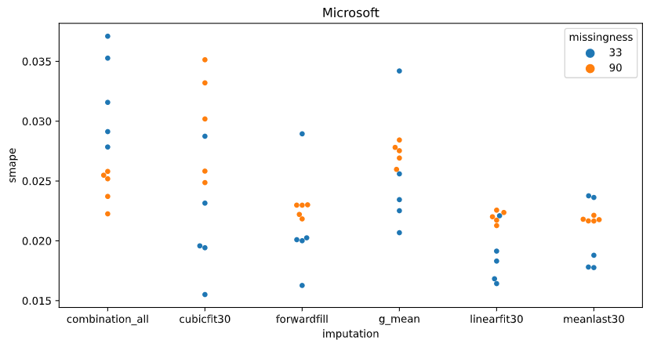
EACH DOT IS THE EVALUATION OF THE MODEL ON THE TEST SET, AFTER TRAINING THE MODEL WITH A DIFFERENT INITIALIZATION SEED.

