ImputationMethodsSparse
Find reasonable parameters for the timeseries:
 | Experiment | Data | seed | smape | best_parameters
1 | CLUS-46 | ./data/univariate_missingness/noisy_sin_period126_year7_missing33_seed1.csv | 1 | 0.31 | {'tw': 353, 'ep': 16, 'lr': 0.0003377117284859461, 'hls': 29, 'optimizer': 'RMSprop', 'loss': 'MSELoss', 'stacked': 2, 'dropout': 0.29702635328607285}
2 | CLUS-47 | ./data/univariate_missingness/noisy_sin_period126_year7_missing33_seed2.csv | 2 | 0.49 | {'tw': 20, 'ep': 9, 'lr': 0.0017060758564065377, 'hls': 16, 'optimizer': 'Adam', 'loss': 'MSELoss', 'stacked': 2, 'dropout': 0.19781050221237603}
3 | CLUS-49 | ./data/univariate_missingness/noisy_sin_period126_seasonalperiod628_year7_missing33_seed1.csv | 1 | 0.67 | {'tw': 447, 'ep': 16, 'lr': 2.474813339627685e-05, 'hls': 52, 'optimizer': 'RMSprop', 'loss': 'MSELoss', 'stacked': 2, 'dropout': 0.24344566823341277}
4 | CLUS-48 | ./data/univariate_missingness/noisy_sin_period126_seasonalperiod628_year7_missing33_seed2.csv | 2 | 0.4 | {'tw': 386, 'ep': 7, 'lr': 0.002214728988306277, 'hls': 21, 'optimizer': 'Adam', 'loss': 'MSELoss', 'stacked': 1, 'dropout': 0.06739706932780046}

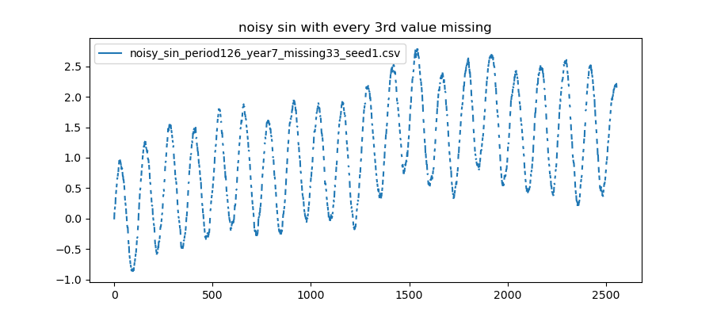
 |  |  |  |  |  | below is done some analysis |  |  |  | Here are all imputation methods and prediction of the data: noisy_sin_period126_seasonalperiod628_year7_missing33_seed2.csv with random missingness
Below the imputation methods are applied to the regular and random missingness of these series |  |  |  |  |  | Average Error per time series
 | Experiment | Data | Missingness | imputation | smape | Data | Missingness | Acc error | Avg error(smape) | Forwardfill
1 | MIS-18 | ./data/univariate_missingness/noisy_sin_period126_year7_missing33_seed1.csv | Regular | forwardfill | 0.09 | noisy_sin_period126_year7_missing33_seed1.csv | All | 2.07 | 0.207
2 | MIS-19 | ./data/univariate_missingness/noisy_sin_period126_year7_missing33_seed1.csv | Regular | globalmean | 1.17 | noisy_sin_period126_year7_missing33_seed2.csv | All | 1.347 | 0.1347
3 | MIS-20 | ./data/univariate_missingness/noisy_sin_period126_year7_missing33_seed1.csv | Regular | meanlast30 | 0.43 | noisy_sin_period126_seasonalperiod628_year7_missing33_seed1.csv | All | 2.386 | 0.2386
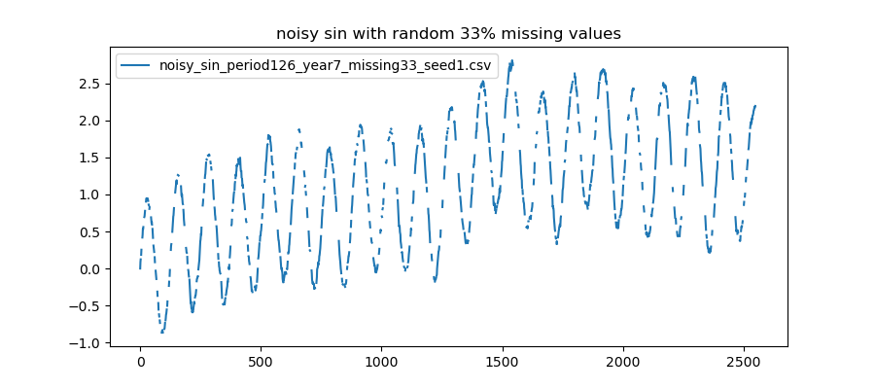
4 | MIS-21 | ./data/univariate_missingness/noisy_sin_period126_year7_missing33_seed1.csv | Regular | linearfit30 | 0.033 | noisy_sin_period126_seasonalperiod628_year7_missing33_seed2.csv | All | 6.69 | 0.669
5 | MIS-22 | ./data/univariate_missingness/noisy_sin_period126_year7_missing33_seed1.csv | Regular | cubicfit30 | 0.035
6 | MIS-13 | ./data/univariate_missingness/noisy_sin_period126_year7_missing33_seed1.csv | Random | forwardfill | 0.085 | noisy_sin_period126_year7_missing33_seed1.csv | Regular | 1.758 | 0.3516
7 | MIS-14 | ./data/univariate_missingness/noisy_sin_period126_year7_missing33_seed1.csv | Random | globalmean | 0.099 | noisy_sin_period126_year7_missing33_seed2.csv | Regular | 0.991 | 0.1982
8 | MIS-16 | ./data/univariate_missingness/noisy_sin_period126_year7_missing33_seed1.csv | Random | meanlast30 | 0.057 | noisy_sin_period126_seasonalperiod628_year7_missing33_seed1.csv | Regular | 1.722 | 0.3444
9 | MIS-15 | ./data/univariate_missingness/noisy_sin_period126_year7_missing33_seed1.csv | Random | linearfit30 | 0.036 | noisy_sin_period126_seasonalperiod628_year7_missing33_seed2.csv | Regular | 4.13 | 0.826
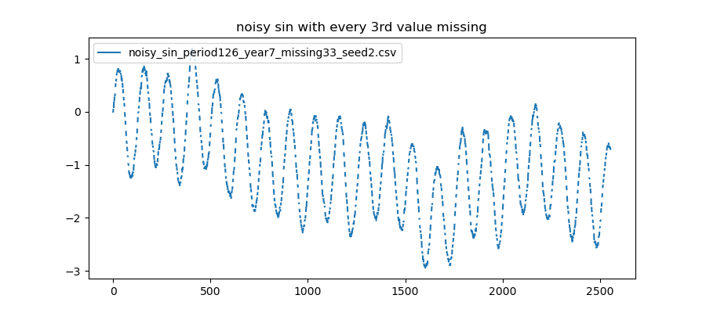
10 | MIS-17 | ./data/univariate_missingness/noisy_sin_period126_year7_missing33_seed1.csv | Random | cubicfit30 | 0.035
 |  |  |  |  |  | noisy_sin_period126_year7_missing33_seed1.csv | Random | 0.312 | 0.0624
11 | MIS-29 | ./data/univariate_missingness/noisy_sin_period126_year7_missing33_seed2.csv | Regular | forwardfill | 0.061 | noisy_sin_period126_year7_missing33_seed2.csv | Random | 0.356 | 0.0712
12 | MIS-30 | ./data/univariate_missingness/noisy_sin_period126_year7_missing33_seed2.csv | Regular | globalmean | 0.1 | noisy_sin_period126_seasonalperiod628_year7_missing33_seed1.csv | Random | 0.664 | 0.1328 | Globalmean
13 | MIS-31 | ./data/univariate_missingness/noisy_sin_period126_year7_missing33_seed2.csv | Regular | meanlast30 | 0.539 | noisy_sin_period126_seasonalperiod628_year7_missing33_seed2.csv | Random | 2.56 | 0.512
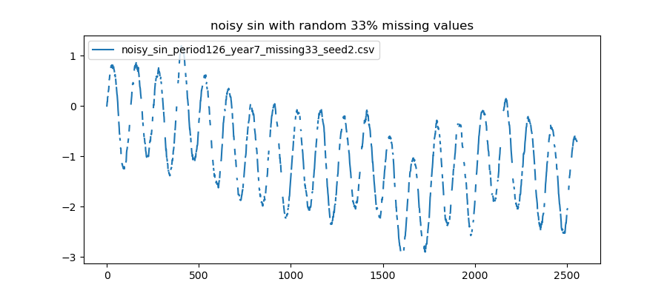
14 | MIS-32 | ./data/univariate_missingness/noisy_sin_period126_year7_missing33_seed2.csv | Regular | linearfit30 | 0.163
15 | MIS-33 | ./data/univariate_missingness/noisy_sin_period126_year7_missing33_seed2.csv | Regular | cubicfit30 | 0.128 | Average Error per imputation method
16 | MIS-23 | ./data/univariate_missingness/noisy_sin_period126_year7_missing33_seed2.csv | Random | forwardfill | 0.061 | Imputation method | Missingness | Acc error | Avg error(smape)
17 | MIS-24 | ./data/univariate_missingness/noisy_sin_period126_year7_missing33_seed2.csv | Random | globalmean | 0.05 | forwardfill | All | 1.91 | 0.23875
18 | MIS-25 | ./data/univariate_missingness/noisy_sin_period126_year7_missing33_seed2.csv | Random | meanlast30 | 0.12 | globalmean | All | 3.679 | 0.459875
18 | MIS-27 | ./data/univariate_missingness/noisy_sin_period126_year7_missing33_seed2.csv | Random | linearfit30 | 0.035 | meanlast30 | All | 3.606 | 0.45075
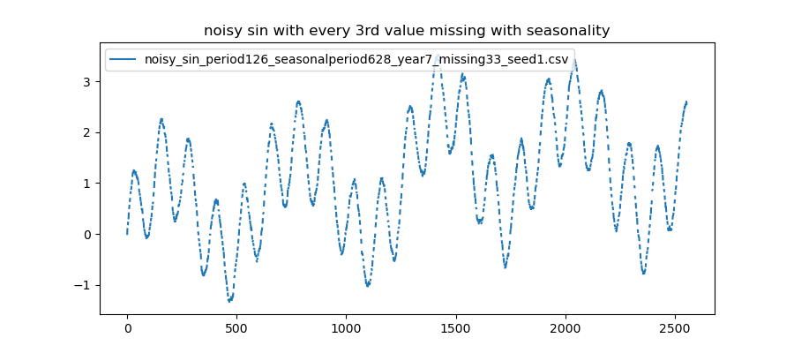
20 | MIS-28 | ./data/univariate_missingness/noisy_sin_period126_year7_missing33_seed2.csv | Random | cubicfit30 | 0.09 | linearfit30 | All | 1.897 | 0.237125
 |  |  |  |  |  | 0 | All | 1.401 | 0.175125
21 | MIS-39 | ./data/univariate_missingness/noisy_sin_period126_seasonalperiod628_year7_missing33_seed1.csv | Regular | forwardfill | 0.183
22 | MIS-40 | ./data/univariate_missingness/noisy_sin_period126_seasonalperiod628_year7_missing33_seed1.csv | Regular | globalmean | 0.74 | forwardfill | Regular | 1.114 | 0.2785
23 | MIS-41 | ./data/univariate_missingness/noisy_sin_period126_seasonalperiod628_year7_missing33_seed1.csv | Regular | meanlast30 | 0.66 | globalmean | Regular | 2.81 | 0.7025
24 | MIS-42 | ./data/univariate_missingness/noisy_sin_period126_seasonalperiod628_year7_missing33_seed1.csv | Regular | linearfit30 | 0.1 | meanlast30 | Regular | 2.779 | 0.69475 | MeanLast30
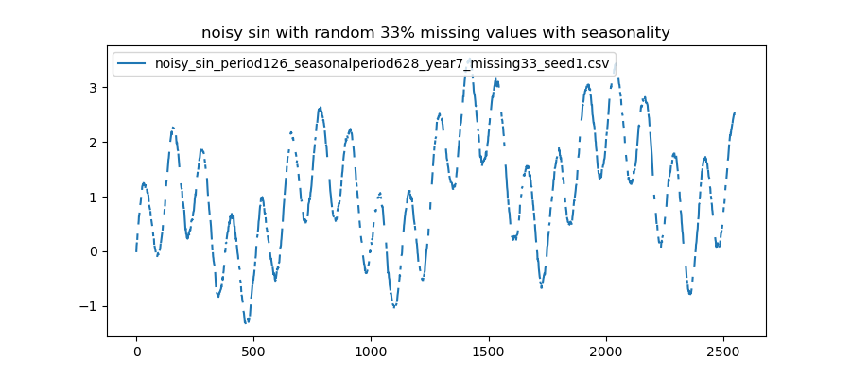
25 | MIS-43 | ./data/univariate_missingness/noisy_sin_period126_seasonalperiod628_year7_missing33_seed1.csv | Regular | cubicfit30 | 0.039 | linearfit30 | Regular | 1.026 | 0.2565
26 | MIS-34 | ./data/univariate_missingness/noisy_sin_period126_seasonalperiod628_year7_missing33_seed1.csv | Random | forwardfill | 0.18 | cubicfit30 | Regular | 0.872 | 0.218
27 | MIS-35 | ./data/univariate_missingness/noisy_sin_period126_seasonalperiod628_year7_missing33_seed1.csv | Random | globalmean | 0.14
28 | MIS-36 | ./data/univariate_missingness/noisy_sin_period126_seasonalperiod628_year7_missing33_seed1.csv | Random | meanlast30 | 0.11 | forwardfill | Random | 0.796 | 0.199
29 | MIS-37 | ./data/univariate_missingness/noisy_sin_period126_seasonalperiod628_year7_missing33_seed1.csv | Random | linearfit30 | 0.15 | globalmean | Random | 0.869 | 0.21725
30 | MIS-38 | ./data/univariate_missingness/noisy_sin_period126_seasonalperiod628_year7_missing33_seed1.csv | Random | cubicfit30 | 0.084 | meanlast30 | Random | 0.827 | 0.20675
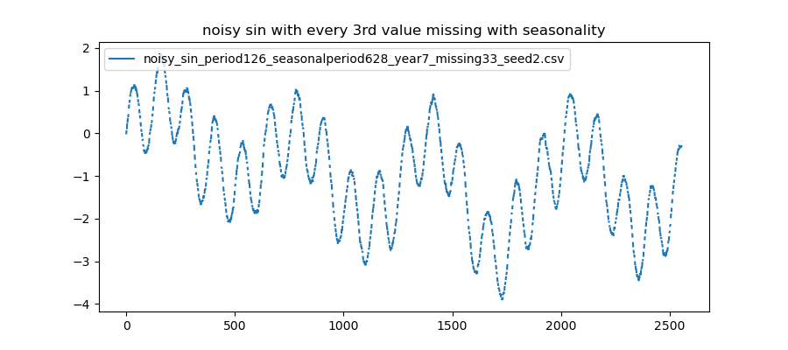
 |  |  |  |  |  | linearfit30 | Random | 0.871 | 0.21775
31 | MIS-49 | ./data/univariate_missingness/noisy_sin_period126_seasonalperiod628_year7_missing33_seed2.csv | Regular | forwardfill | 0.78 | cubicfit30 | Random | 0.529 | 0.13225
32 | MIS-50 | ./data/univariate_missingness/noisy_sin_period126_seasonalperiod628_year7_missing33_seed2.csv | Regular | globalmean | 0.8
33 | MIS-51 | ./data/univariate_missingness/noisy_sin_period126_seasonalperiod628_year7_missing33_seed2.csv | Regular | meanlast30 | 1.15
34 | MIS-52 | ./data/univariate_missingness/noisy_sin_period126_seasonalperiod628_year7_missing33_seed2.csv | Regular | linearfit30 | 0.73
35 | MIS-53 | ./data/univariate_missingness/noisy_sin_period126_seasonalperiod628_year7_missing33_seed2.csv | Regular | cubicfit30 | 0.67 |  |  |  |  | Linearfit30
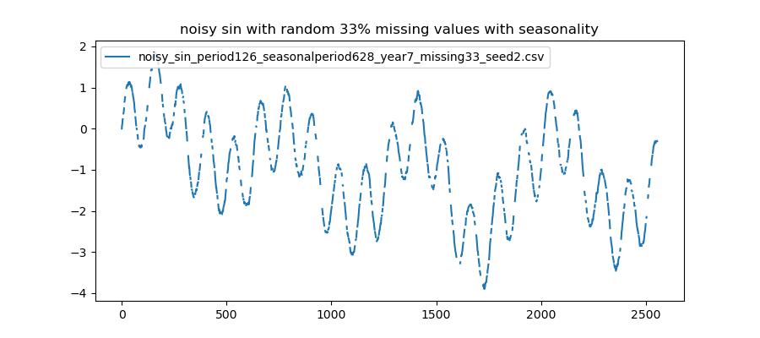
36 | MIS-46 | ./data/univariate_missingness/noisy_sin_period126_seasonalperiod628_year7_missing33_seed2.csv | Random | forwardfill | 0.47
37 | MIS-44 | ./data/univariate_missingness/noisy_sin_period126_seasonalperiod628_year7_missing33_seed2.csv | Random | globalmean | 0.58
38 | MIS-45 | ./data/univariate_missingness/noisy_sin_period126_seasonalperiod628_year7_missing33_seed2.csv | Random | meanlast30 | 0.54
39 | MIS-47 | ./data/univariate_missingness/noisy_sin_period126_seasonalperiod628_year7_missing33_seed2.csv | Random | linearfit30 | 0.65
40 | MIS-48 | ./data/univariate_missingness/noisy_sin_period126_seasonalperiod628_year7_missing33_seed2.csv | Random | cubicfit30 | 0.32

 |  |  |  |  |  |  |  |  |  | Cubicfit30

