TROUBLESHOOTING DOCUMENTATION
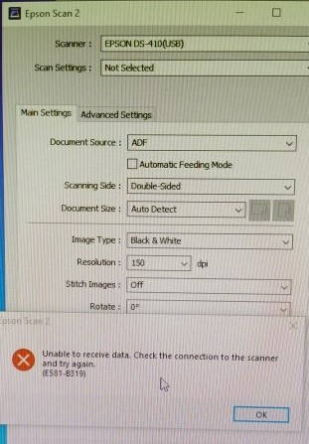
Problem | Name | Solution
E5181-8319 SCANNER ERROR | IVY | Restart printer

