Correlation Data Set Simple
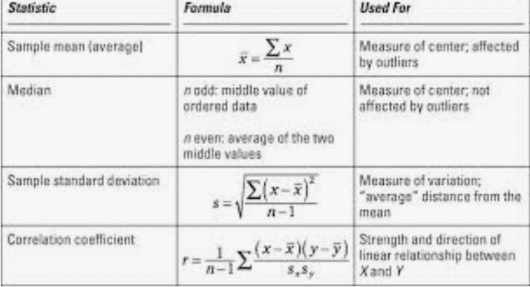
Years Experience | Salary |  | AVERAGE:
2 | 1,000 | 11 | Steps -- 1) Formulas 2) More Functions 3) Statistical 4) Average 5) Highlight A2:A11 6) See calculated answer
4 | 2,000 |  | Result show average number of years of experience is 11. What is average salary of this group? | 5,500
6 | 3,000 |  | MEDIAN:
8 | 4,000 | 11 | Steps -- 1) Formulas 2) More Functions 3) Statistical 4) Median 5) Highlight A2:A11 6) See calculated answer
10 | 5,000 |  | Result show Median number of years of experience is 11. What is Median salary of this group? | 5,500
12 | 6,000 |  | STANDARD DEVIATION:
14 | 7,000 | 3502.9756899 | Steps -- 1) Formulas 2) More Functions 3) Statistical 4) STDEVA 5) Highlight A2:A11 6) See calculated answer
16 | 8,000 |  | CORRELATION:
18 | 9,000 | 1 | Steps -- 1) Formulas 2) More Functions 3) Statistical 4) CORREL 5) Highlight A2:A11 and B2:B11 6) See calculated answer
20 | 10,000 |  | Possible range is -1 to +1
 |  |  | Result: 1, Means they are related
 |  |  | Interpretation: Years of experience and salary are related

