Category1
Question Type | Question Name | Question | Choice 1 | Choice 2 | Choice 3 | Choice 4 | Key
MCQ | Q01 | For the system shown in the figure, when unit step reference is applied, the response of the system will be | Under damped. \( 0 < \zeta < 1 \) | Undamped \( \zeta = 0 \) | Over damped \( \zeta > 0 \) | Negatively damped \( \zeta < 1 \) | 1
 |  | 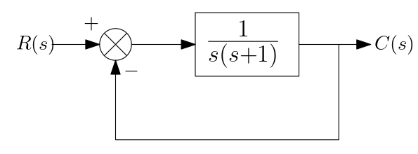 | 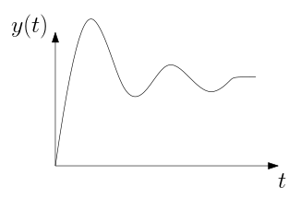 | 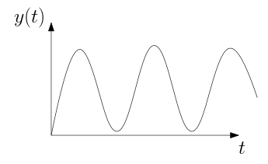 | 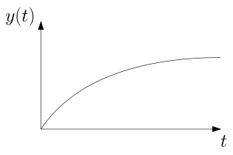 | 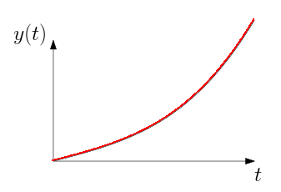
MCQ | Q02 | What is your name ? | XXX | YYY | ZZZ | WWW | 1

 |  | Note 1: Presence of Question name in Column B indicate that there is a question. This row will be skipped as there is no question name
 |  | Note 2: If there are images they have to be pasted in the cells below the question/answer. While pasting images, expand the cells (or) shrink the image such that image is with in the cell. In case of Libreoffice/Openoffice, anchor the image to the cell

