marketing_funnel_data
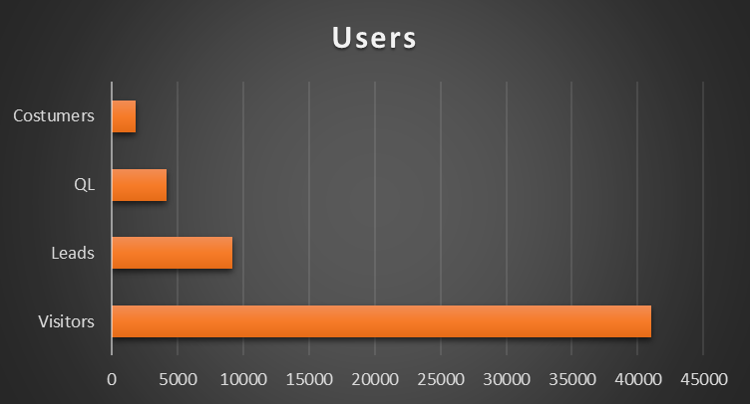
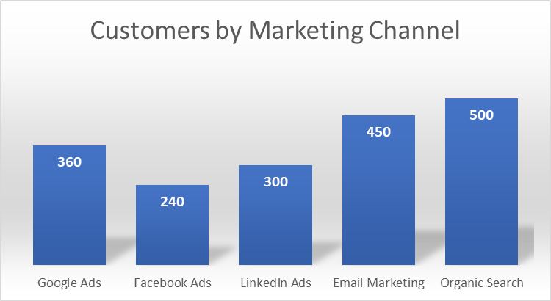
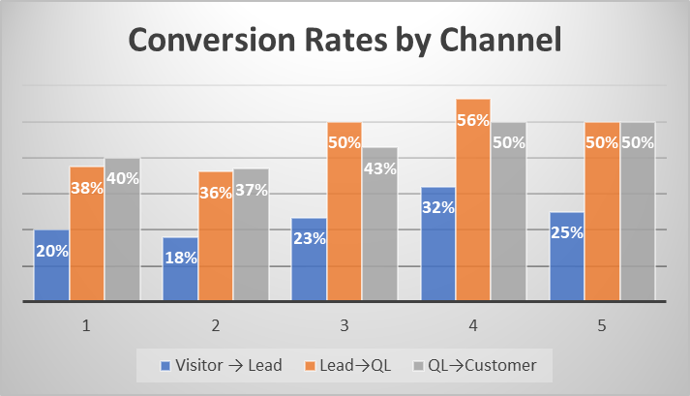
Channel | Visitors | Leads | Qualified Leads | Customers | Visitor→Lead | Lead→QL | QL→Customer | Stage | Users
Google Ads | 12000 | 2400 | 900 | 360 | 20% | 38% | 40% | Visitors | 41000
Facebook Ads | 10000 | 1800 | 650 | 240 | 18% | 36% | 37% | Leads | 9200
LinkedIn Ads | 6000 | 1400 | 700 | 300 | 23% | 50% | 43% | QL | 4150
Email Marketing | 5000 | 1600 | 900 | 450 | 32% | 56% | 50% | Costumers | 1850
Organic Search | 8000 | 2000 | 1000 | 500 | 25% | 50% | 50%

