Data Filtering Instructions
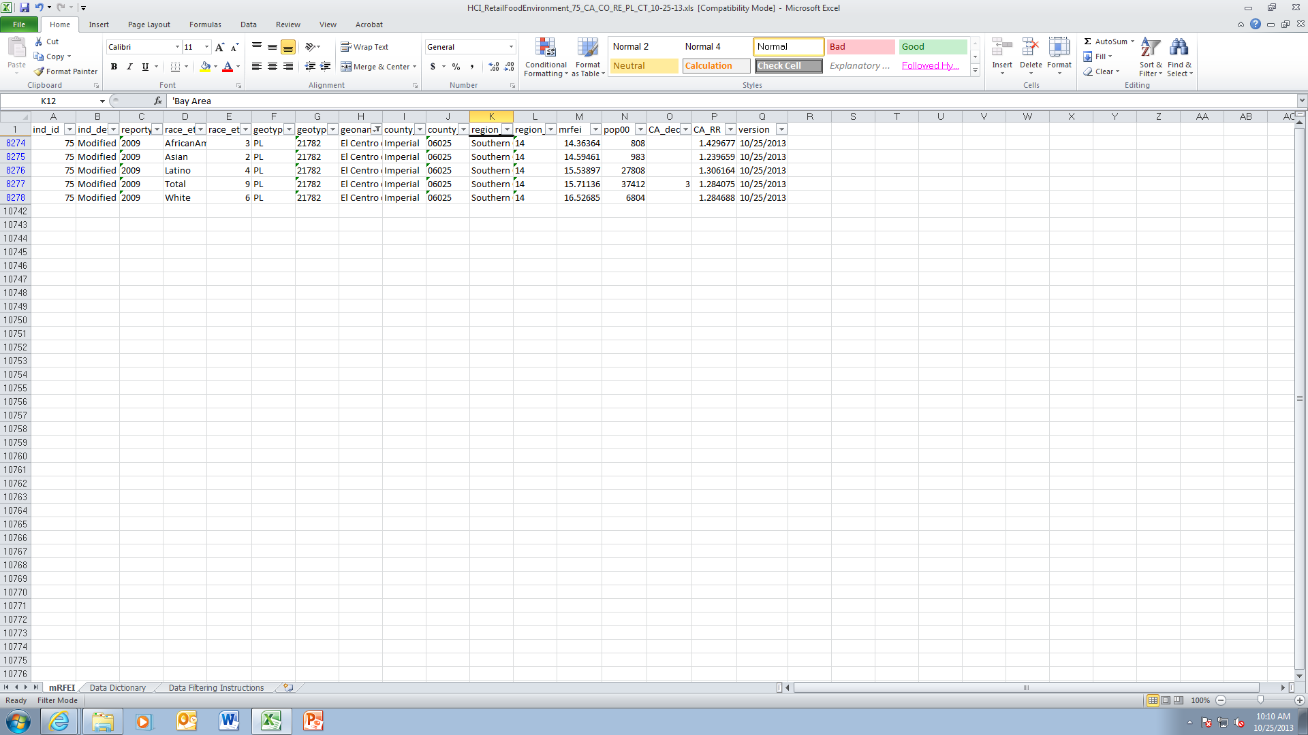
Steps to filter data for a specific city
1. Place cursor in the worksheet mRFEI
2. Click Data tab on top row of tool bar

3. Click Filter Icon

To select data for a single city (e.g. El Centro)
4. Click on filter picklist arrow in geoname column and type in the city name in the search box, select El Centro and press OK
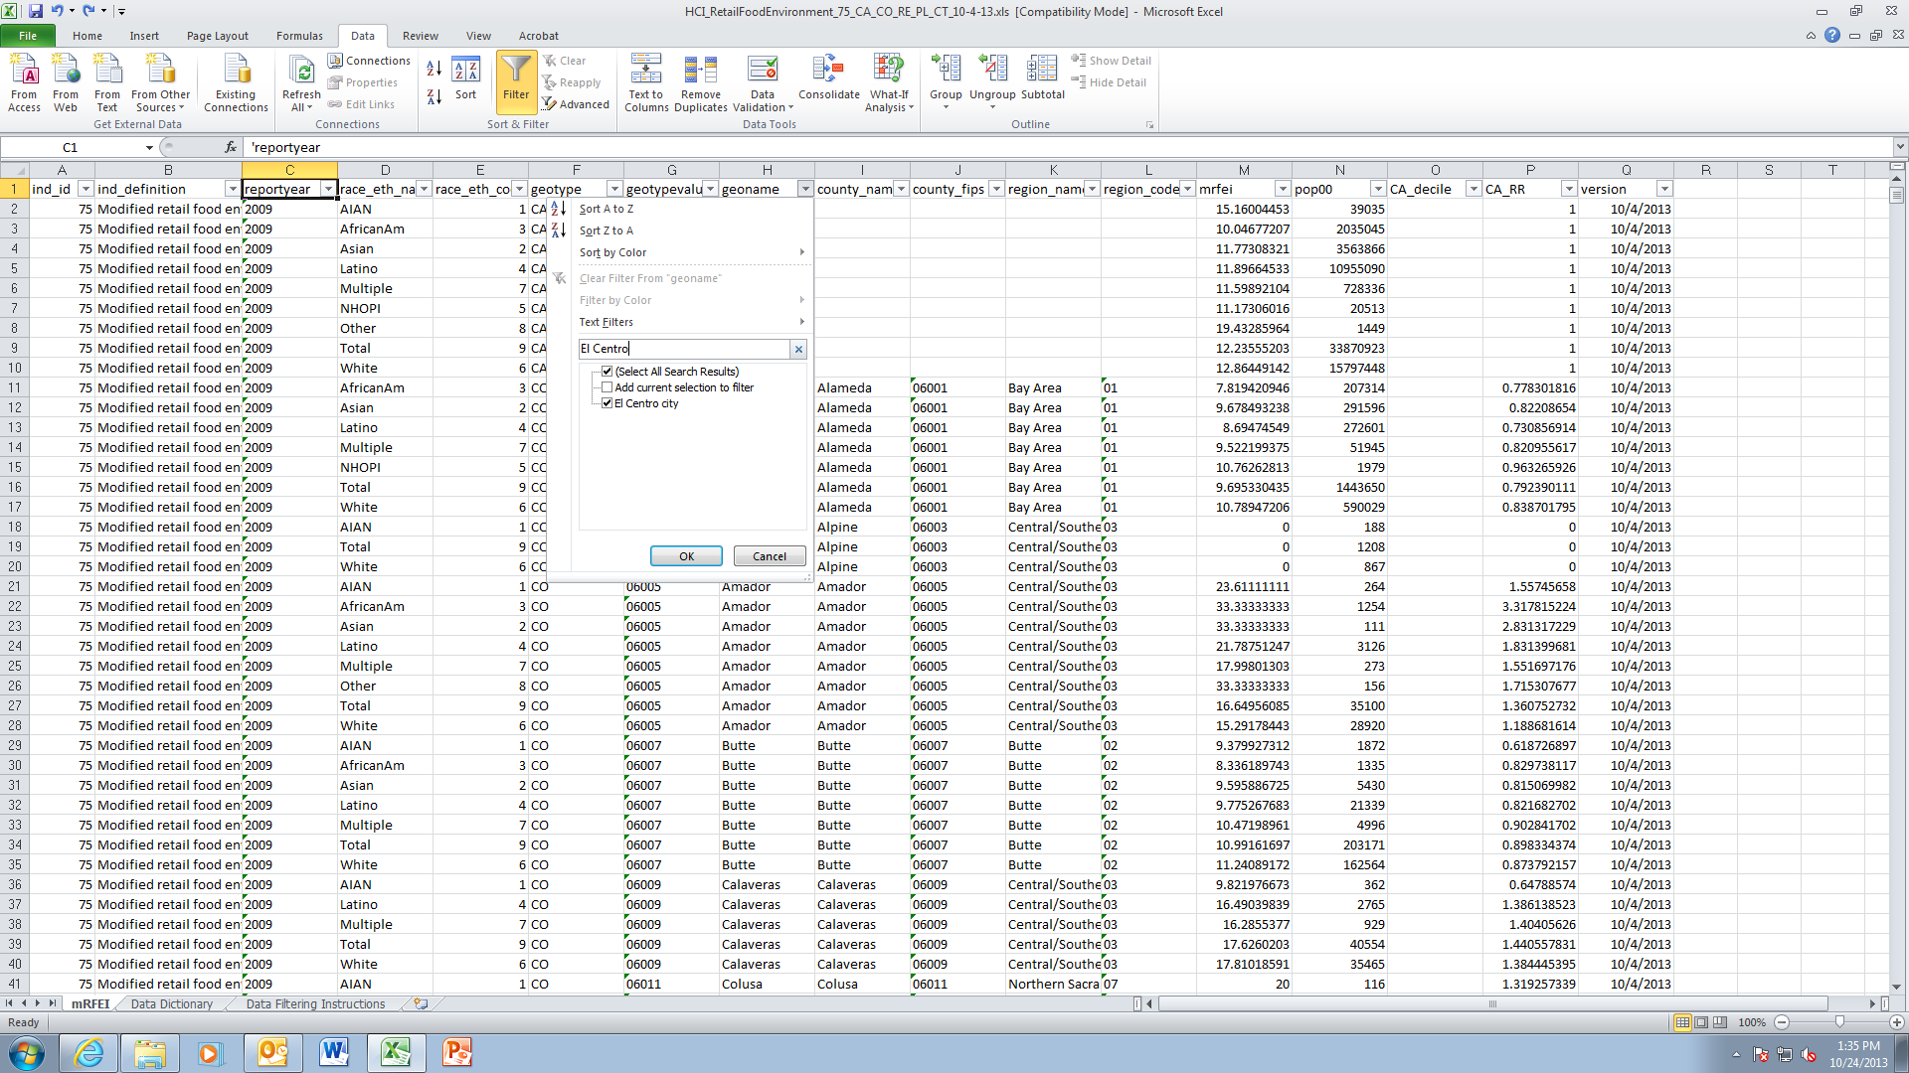

Results will look like this:

