PERIOD SHORTCUTS
Q1,2020
Q1, 2019
Q1, 2018
Q1, 2017
Q1, 2016
Q1,2015
Q1, 2014
Q1, 2013

Q2, 2019
Q2, 2018
Q2, 2017
Q2, 2016
Q2, 2015
Q2, 2014
Q2, 2013

Q3, 2019
Q3, 2018
Q3, 2017
Q3, 2016
Q3, 2015
Q3, 2014
Q3, 2013

Q4, 2019
Q4, 2018
Q4, 2017
Q4, 2016
Q4, 2015
Q4, 2014
Q4, 2013

Q1, 2017
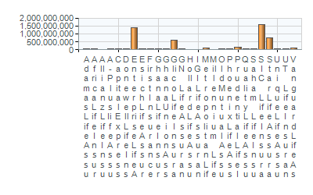
Q1 2017
Company | Gross Premium | Policyholder Benefits Paid | Management Expenses | Expense Ratio | Market Share | Total Assets | Total Investment
A-Plus Iife Assurance Company Limited | - |  |  |  | 0.0%
Avance Life | - |  |  |  | 0.0%
Donewell Life Insurance Company Limited | 1,919,477 | 1,462,565 | 1,086,513 | 62.48 | 0.8% | 56,872,294 | 49,168,434
Enterprise Life Assurance Company Limited | 67,769,917 | 27,380,581 | 13,636,836 | 38.47 | 29.1% | 512,652,860 | 403,241,084
Esich Life Assurance Company limited | - |  |  |  | 0.0%
First Insurance Company Limited | - |  |  |  | 0.0%
Ghana Life Insurance Company | - |  |  |  | 0.0%
Ghana Union Assurance Life Company Limited | 1,761,265 | 656,012 | 811,152 | 73.22 | 0.8% | 19,474,655 | 11,611,322
Glico Life Insurance Company Limited | 17,919,530 | 15,625,466 | 5,775,735 | 39.99 | 7.7% | 227,709,437 | 210,338,555
GN Life Assurance Company Limited | 2,831,343 | 215,660 | 1,039,047 | 52.61 | 1.2% | 30,570,985 | 27,261,337
Hollard Life Assurance Company Limited | - |  |  |  | 0.0%
IGI Life Assurance Ghana Limited | - |  |  |  | 0.0%
Metropolitan Life Insurance Ghana Limited | 9,279,855 | 5,433,104 | 3,859,529 | 52.05 | 4.0% | 132,266,599 | 127,119,055
Millennium Life Insurance Company Limited | - |  |  |  | 0.0%
Old Mutual Assurance Ghana Limited | 12,542,000 | 12,240,564 | 7,718,028 | 70.54 | 5.4% | 169,133,000 | 149,486,400
Phoenix Life Assurance Company Limited | 3,032,752 | 2,157,270 | 1,587,078 | 65.49 | 1.3% | 30,942,834 | 25,623,874
Prudential Life Insurance Ghana | 10,384,294 | 2,481,322 | 6,033,465 | 87.03 | 4.5% | 68,681,448 | 58,274,365
Quality Life Assurance Company Limited | 2,642,307 | 2,258,595 | 850,234 | 36.52 | 1.1% | 37,254,878 | 32,950,743
Saham Life Insurance Ghana Limited | 2,004,381 | 390,509 | 948,909 | 62.31 | 0.9% | 18,464,937 | 15,901,546
SIC Life Insurance Company Limited | 61,594,656 | 41,030,073 | 11,940,243 | 24.07 | 26.4% | 505,305,194 | 454,545,343
StarLife Assurance Company Limited | 32,657,342 | 14,342,411 | 8,297,286 | 40.31 | 14.0% | 325,041,175 | 299,506,161
Unique Life Assurance Company Limited | 764,848 | 551,389 | 629,852 | 90.33 | 0.3% | 25,928,810 | 23,352,064
UT Life Insurance Company Limited | 5,879,431 | 3,558,136 | 4,089,554 | 81.68 | 2.5% | 65,154,491 | 46,822,272
Vanguard Life Assurance Company Limited | - |  |  |  | 0.0%
Total By Quarter | 232,983,398 | 129,783,657 | 68,303,461 |  |  | 2,225,453,598 | 1,935,202,556

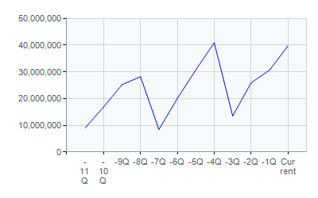
Total "Current::GrossPremiumWritten" Over Periods
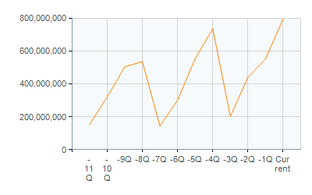

Average "Current::GrossPremiumWritten" By Company
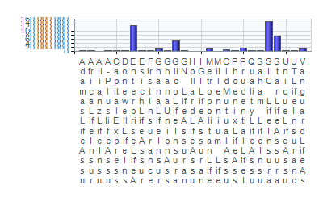
Total "Current::GrossPremiumWritten" By Company

