Answers and Hints
Answers related to formatting cells content

1. Remember that you can format cells by using right mouse click and choosing 'Format Cells' or the shortcut 'CTRL + 1'. Experiment formatting by yourselves, there is no right or wrong
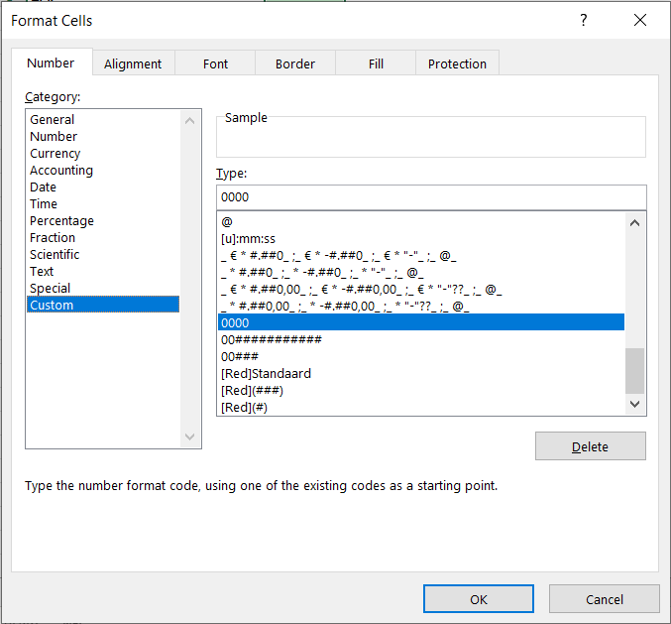
2A. Check out the screenshot. You can type whatever you want underneath Type: (now 0000)

3A. Use 000#### (note that 000000 doesn't work here, you can try by yourself to see the difference)
3B. Use Z000####

4A. Use [Red]
4B. Use [Red](000)

