Answers and Hints
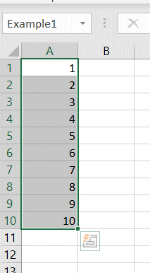
Answers related to the range & name content

1A. Example of the creation of a range, note that you should change Example1 by the name as asked in the question

3. Hint: =AVERAGE(Fi | 5.5 | this should be the answer

4. Hint1: =SUM('click F3' | 210 | this should be the answer
Hint2: use = SUM('…';'…') | =SUM(1;2) |  | 3

