New columns in Cap report
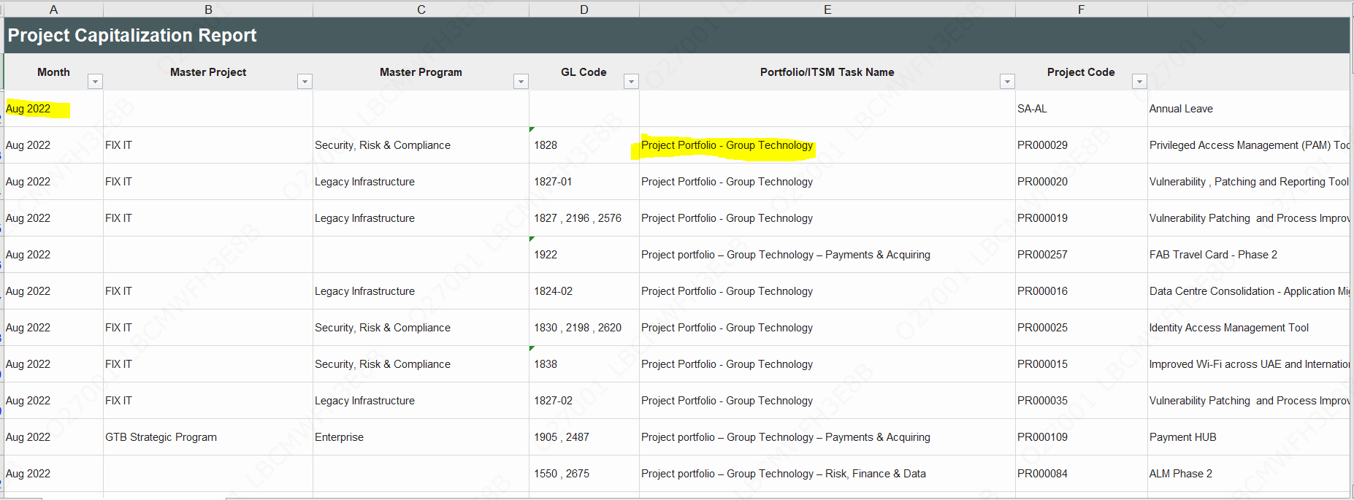
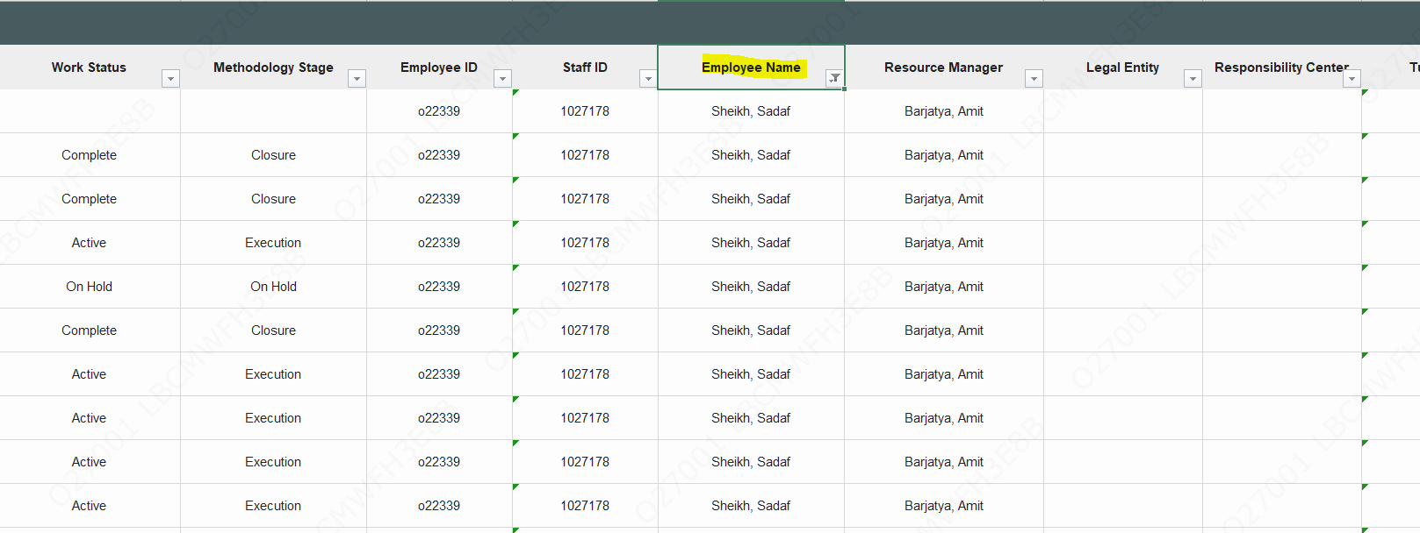
Prod reprot- Sept-22 |  | o22339

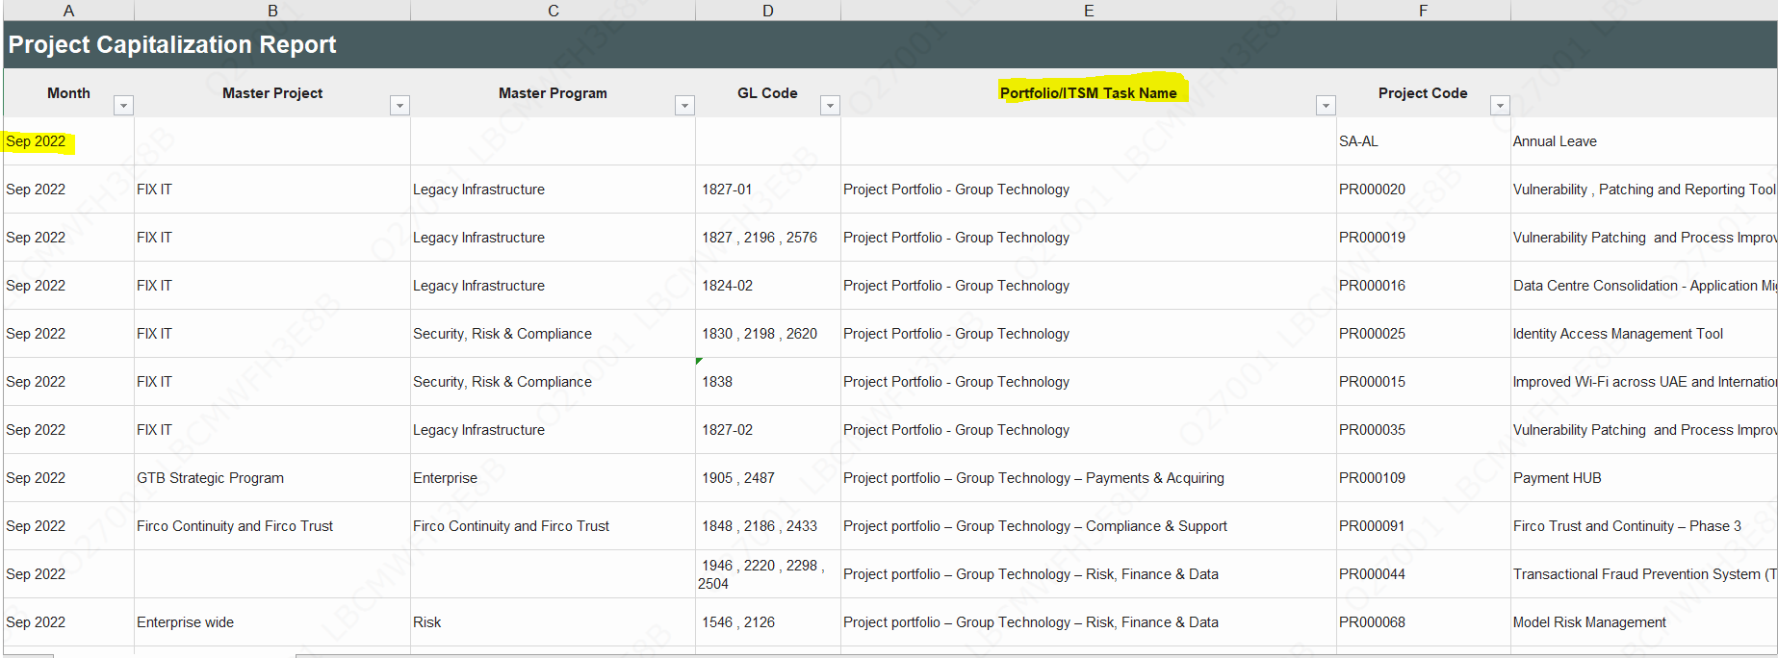

 | 2022-08-22 | o22339

Send Vendor report
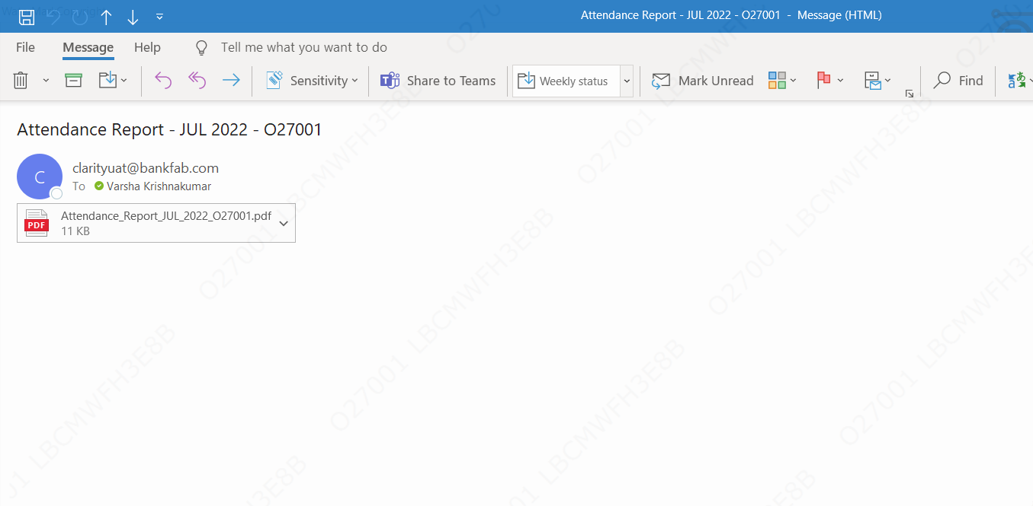
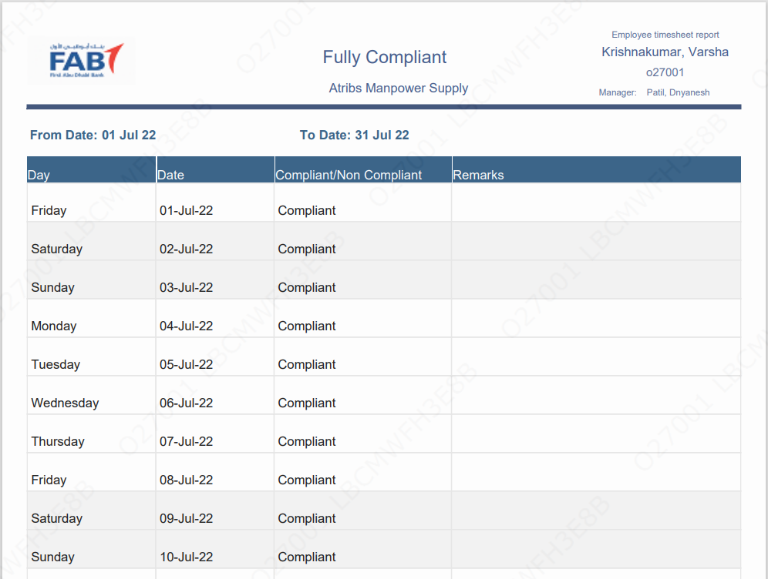
1 | Resource must be fully compliant: Amol Ekatare

2 | Send the vendor report for previous month

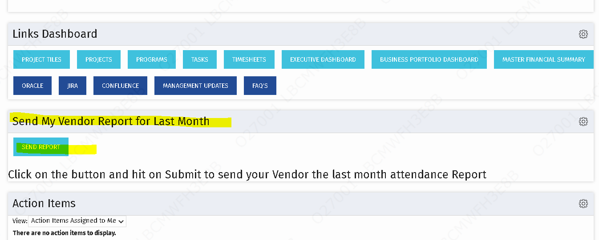

3 | Process is triggered as follows

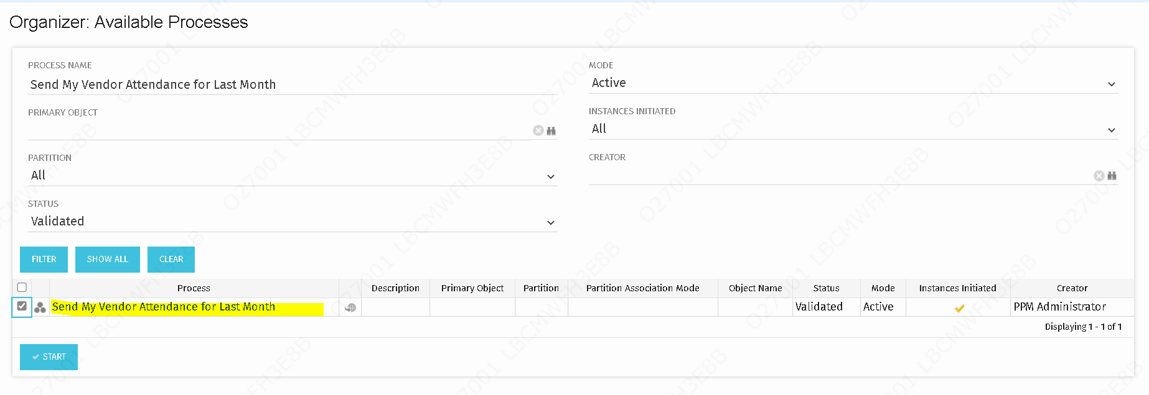

4 | Mail is received as follows

MPL report- columns
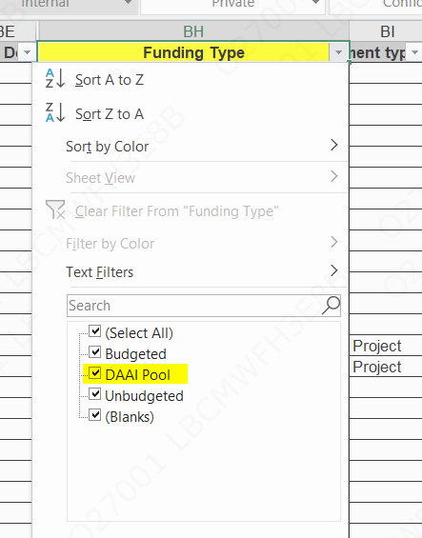
1 | MPL report to show the columns

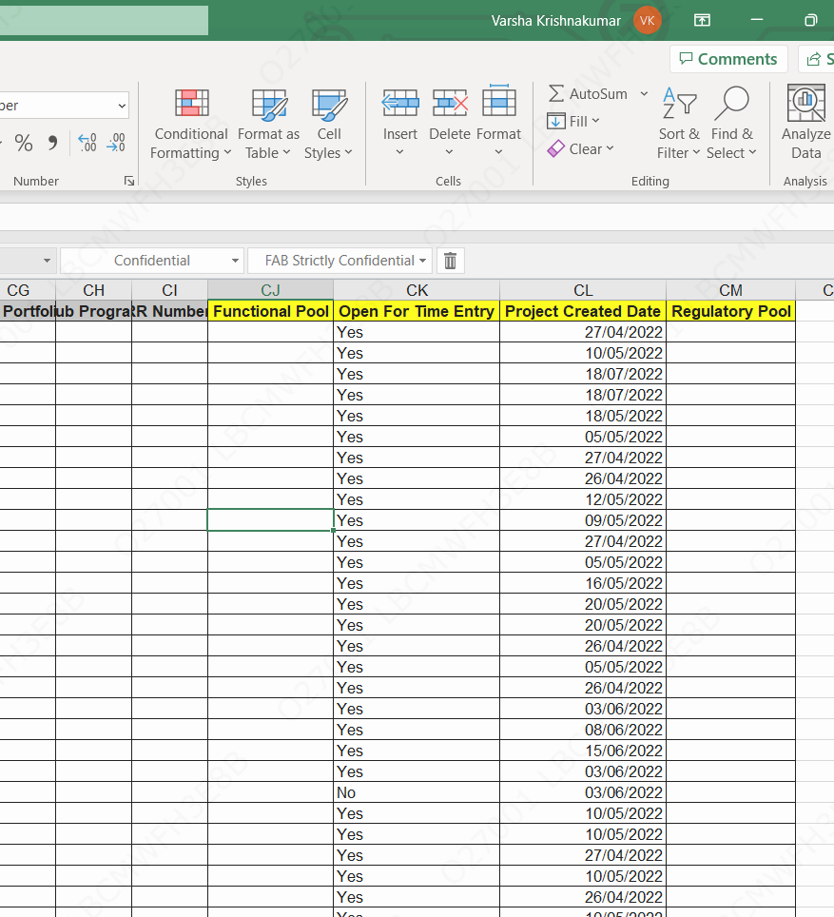

2 | DAAI pool- Look up value for funding type

Portfolio manager screenshots
1 | Log timesheets for SA with any portfolio manager

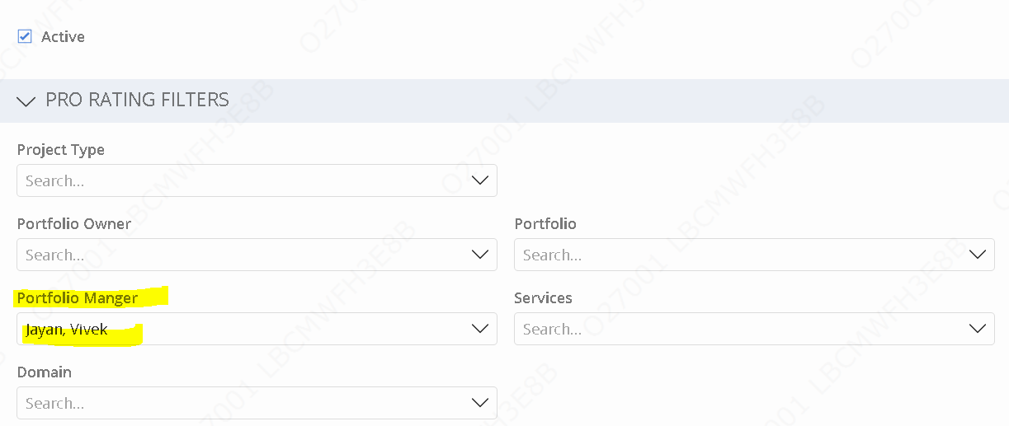

2 | Timesheets must be in posted

3 | Run the capitalisation pro rate for the month the current timesheet is logged, Run the report

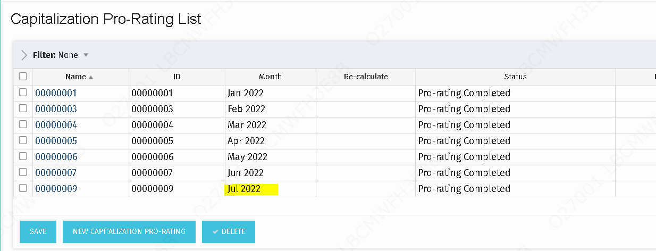

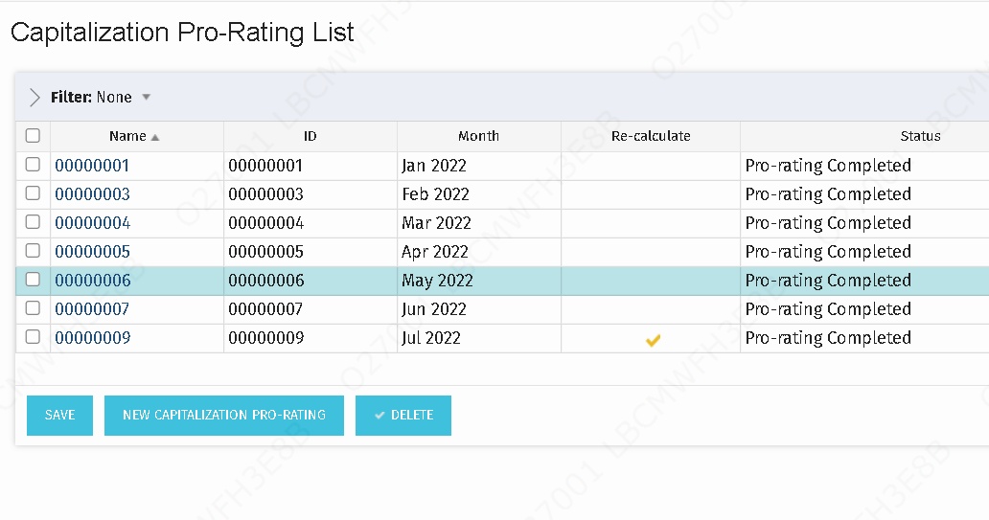

4 | view the list of projects in the proration

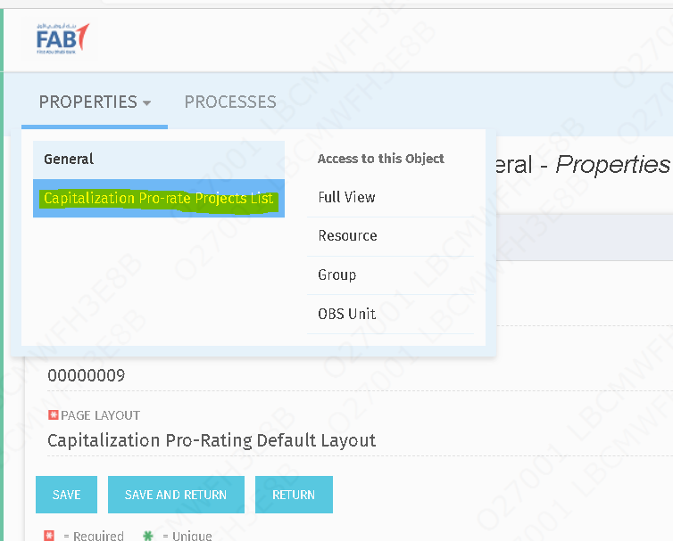

5 | Enter the SA and filter, projects logged under the SA for the Portfolio manager must be displayed

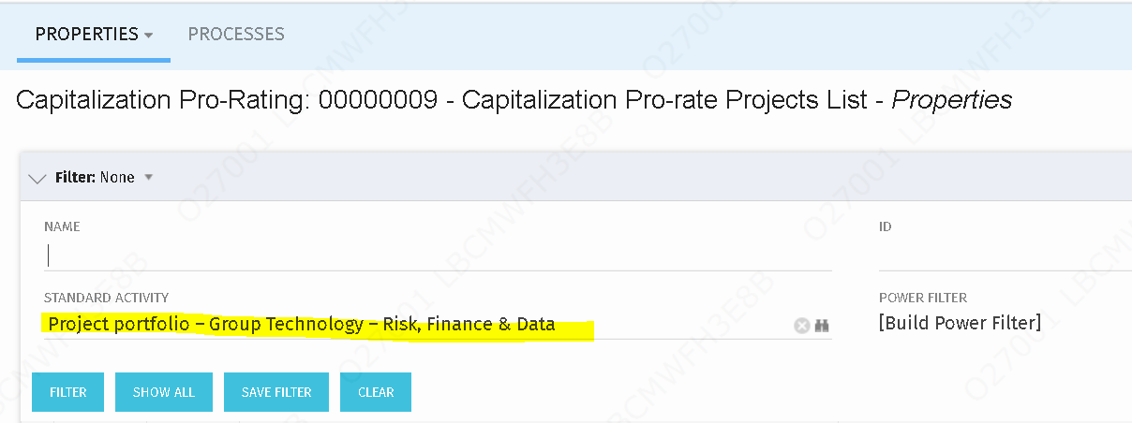

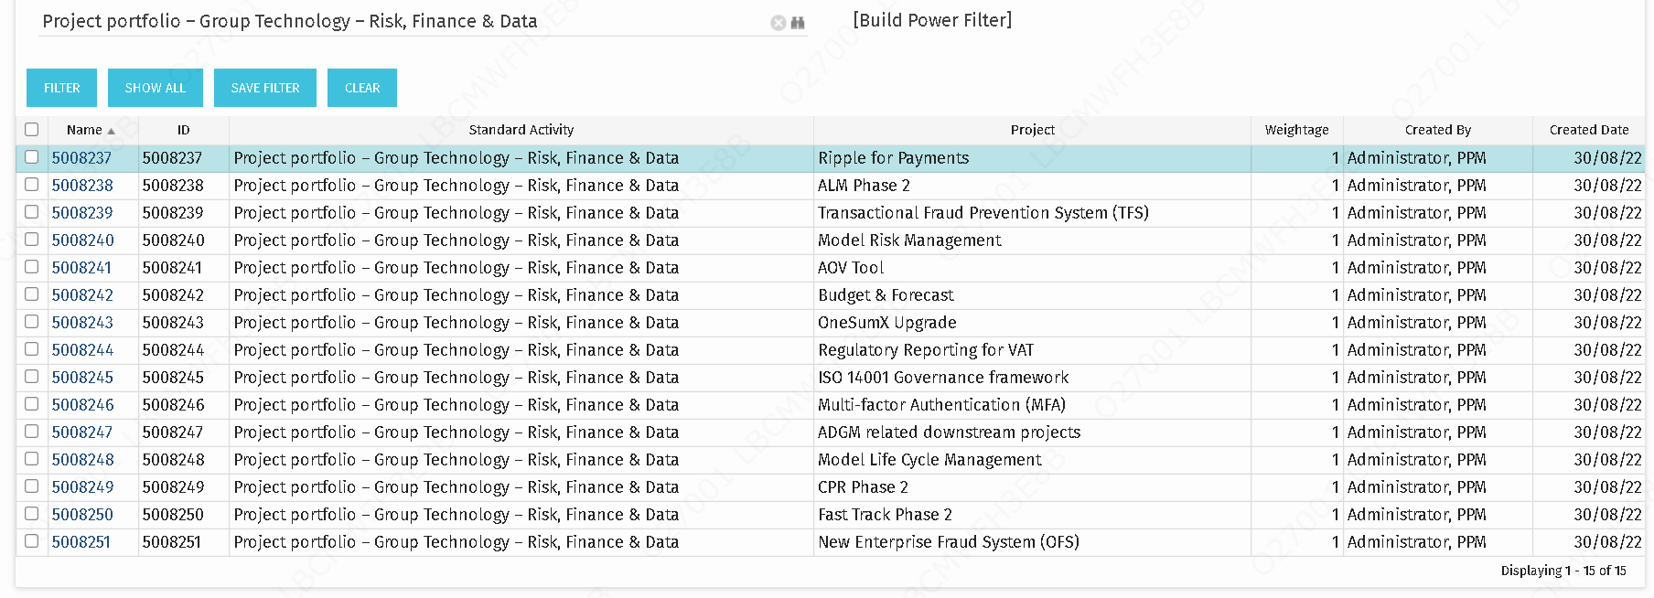

6 | For project level capitalisation - Click on project capitalisation, Select the month

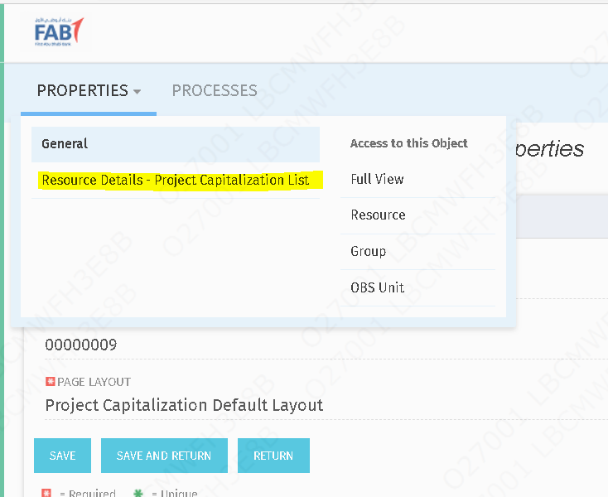

7 | Select the resource name

8 | Project list must be displayed

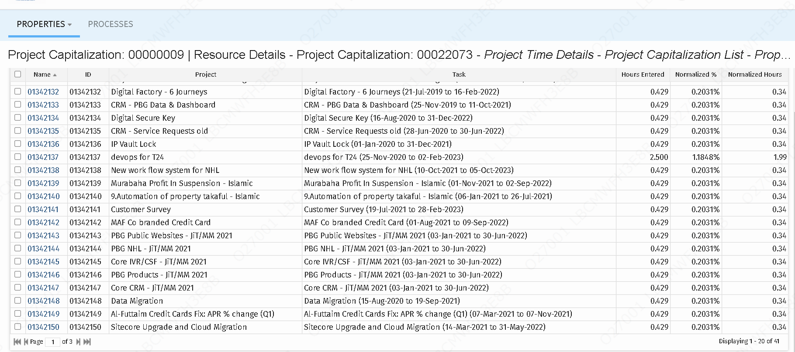

9 | Cross check the same in the MPL, with filters applicable, the projects list must tally the proration list

Reminder emails to PM
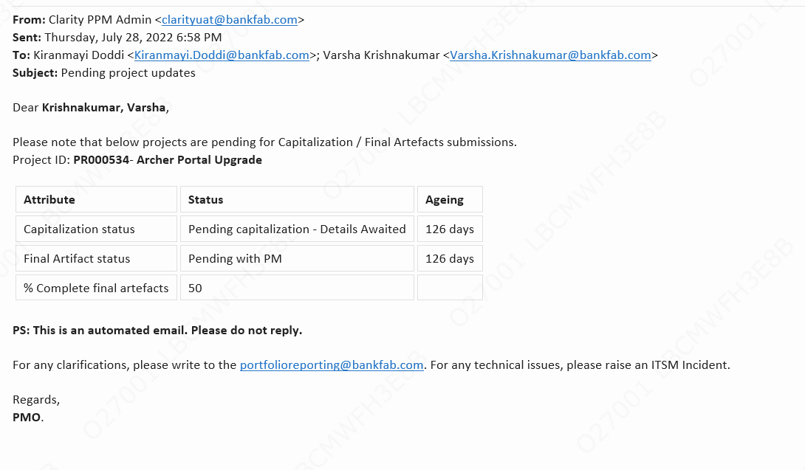
Application | Test scenario | Test case number | Pre conditions | Test steps | Expected result | Actual result | UAT Status
Project management | 1. TO verify if the PM is able to receive remainder emails if the financial artefacts are not shared post the project closure. | TC01 | Generic conditions - Send reminder if a. Work status – complete b. Methodology status – closure c. Show in Power BI = Yes | 1. Login to clarity New UI 2. Run the Project update reminders to the PM process 3. Remainder emails must be triggered if the following generic conditions are satisfied | Remainder emails must be triggered if generic conditions are satisfied | Remainder emails must be triggered if generic conditions are satisfied
Project management | 1. TO verify if the PM is not able to receive remainder emails if the financial artefacts are not shared post the project closure. |  | Generic conditions - Send reminder if a. Work status – complete b. Methodology status – closure c. Show in Power BI = Yes | 1. Login to clarity New UI 2. Run the Project update reminders to the PM process 3. Remainder emails must not be triggered if any one of the following generic conditions are not satisfied | Remainder emails must not be triggered if generic conditions are not satisfied | Remainder emails must not be triggered if generic conditions are not satisfied
Project management | 1. TO verify if the PM is able to receive remainder emails if the financial artefacts are not shared post the project closure. |  | Attribute condition: a. Advised for capitalization = No b. Capitalization status = Pending capitalization - details awaited OR partially capitalized c. Final Artifact status - Pending with PM | 1. Login to clarity New UI 2. Run the Project update reminders to the PM process 3. Remainder emails must be triggered if the following generic conditions and attribute conditions are satisfied | Remainder emails must be triggered if generic conditions and attribute conditions are satisfied | Remainder emails must be triggered if generic conditions and attribute conditions are satisfied
Project management | 1. TO verify if the PM is able to receive remainder emails if the financial artefacts are not shared post the project closure. |  | Attribute condition: a. Advised for capitalization = No b. Capitalization status = Pending capitalization - details awaited OR partially capitalized c. Final Artifact status - Pending with PM | 1. Login to clarity New UI 2. Run the Project update reminders to the PM process 3. Remainder emails must be triggered if the following generic conditions are satisfied 4. If any one of the attribute condition is not satisfied then the following field will return blank in the remainder email | Remainder emails must be triggered if generic conditions are satisfied and will return blank in the remainder email if attribute conditions are not satisfied | Remainder emails must be triggered if generic conditions are satisfied and will return blank in the remainder email if attribute conditions are not satisfied

Screenshots
Remainder emails must be triggered if generic conditions are satisfied and will return blank in the remainder email if attribute conditions are not satisfied

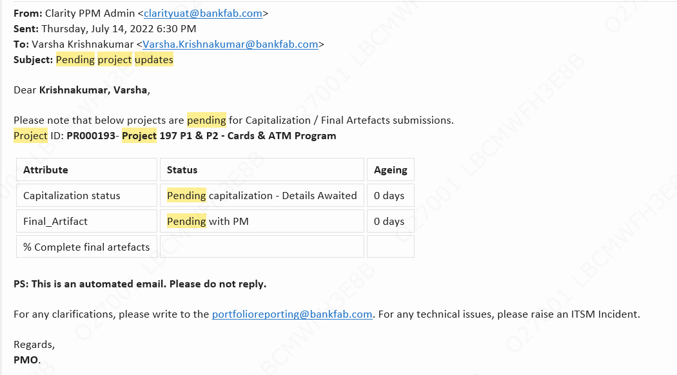
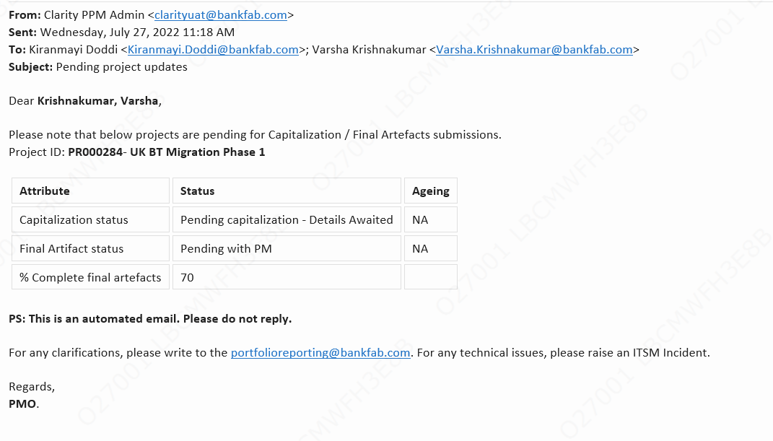

Remainder emails must be triggered if generic conditions are satisfied

