Decision Tree
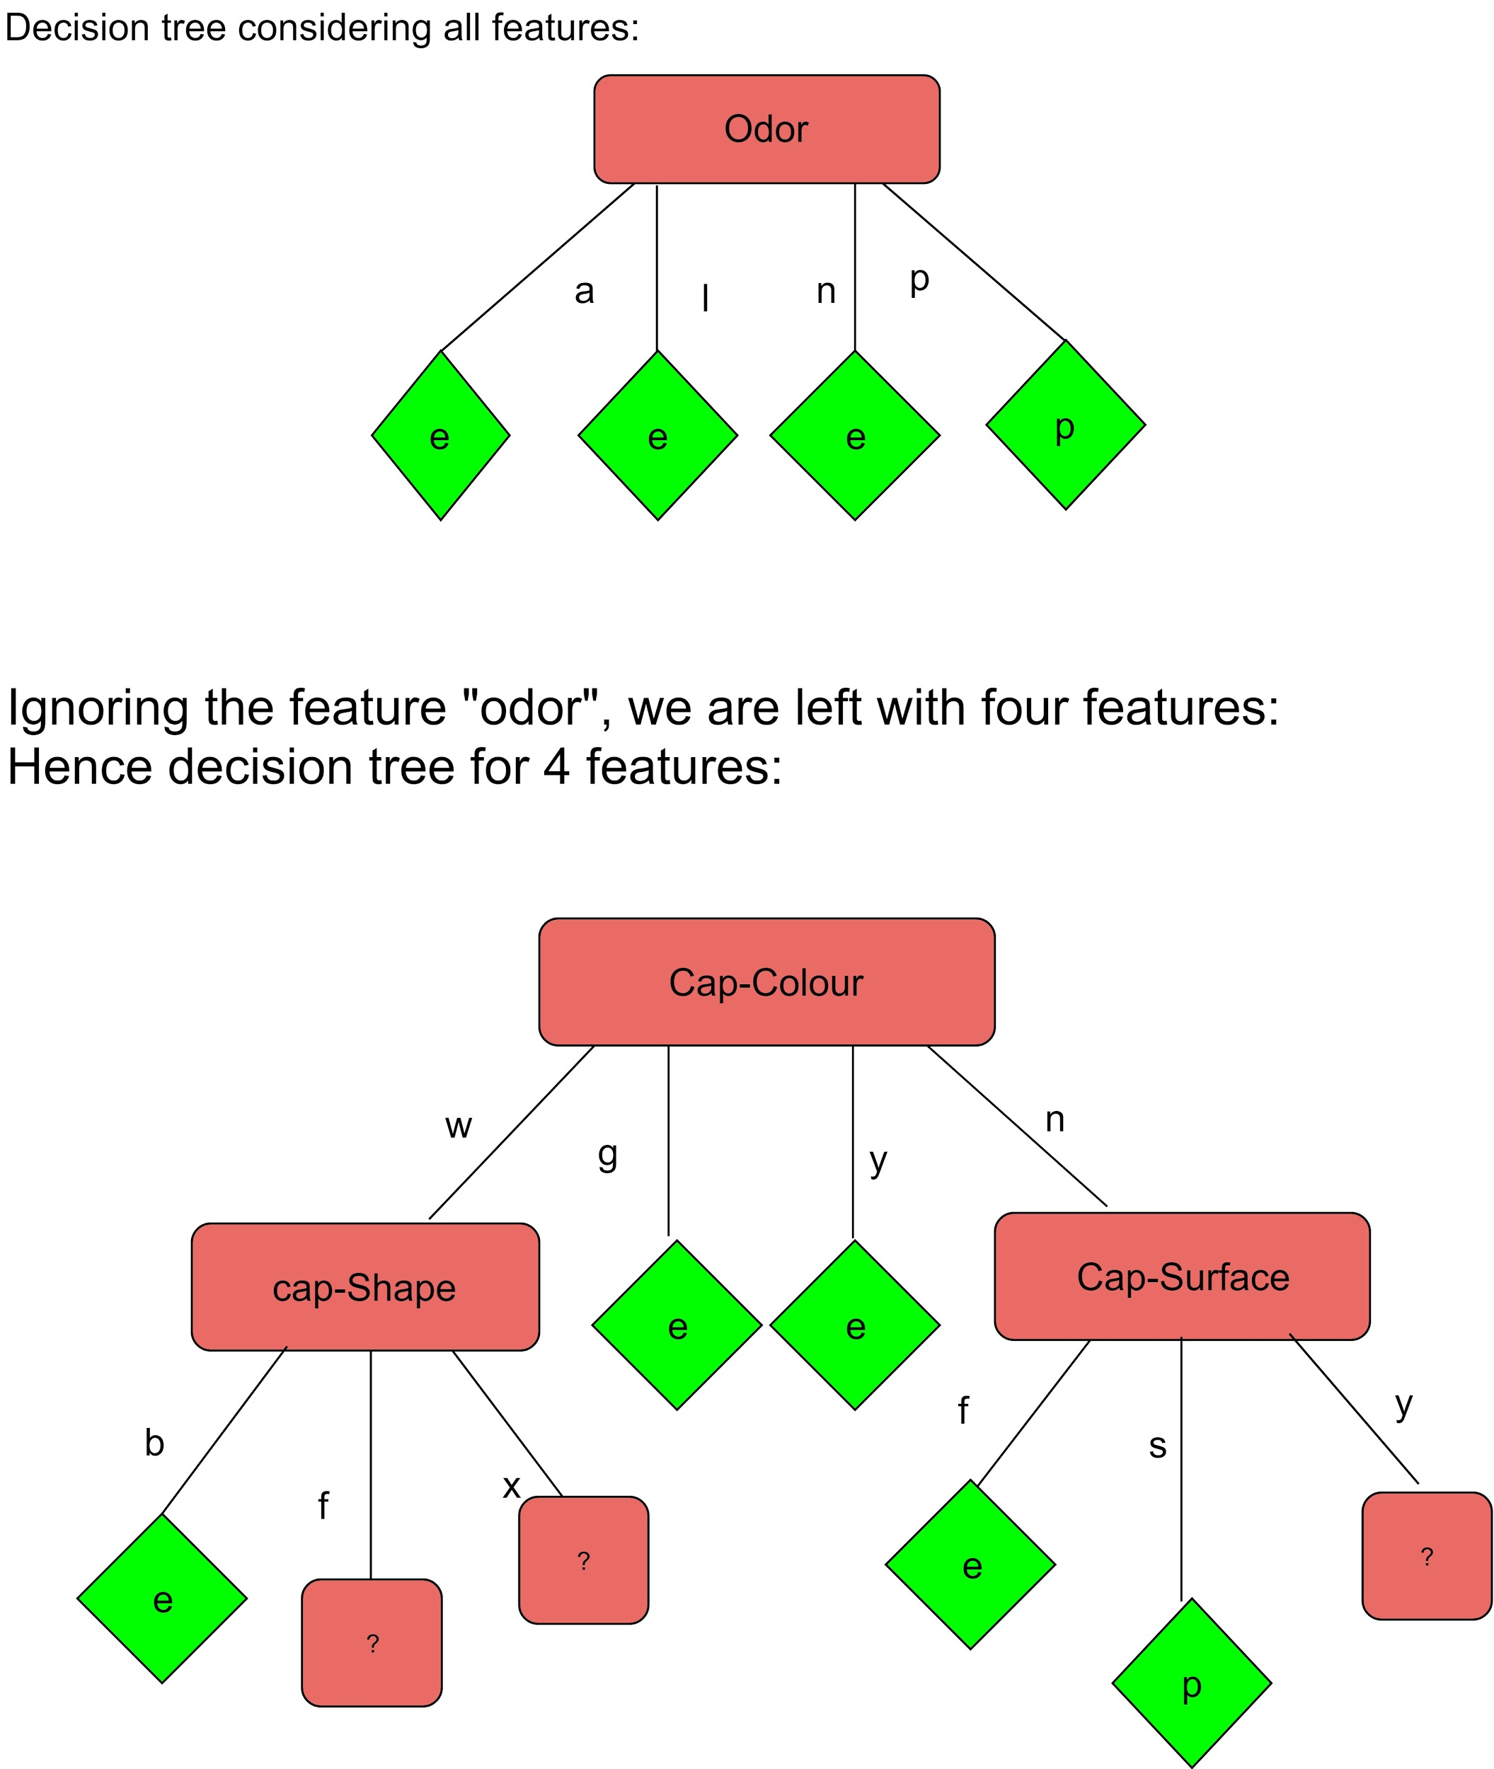
The branches nodes are chosen as per the gain information for each feature.If the gain information is high for a particular feature for a corresponding branch, that feature is considred as node for that branch. the branches which are pure are considered as leaft nodes, the branches that has entropy needs to further seperated and need to figure out the branch nodes

