Logo & Colors
 |  |  | Resouces:
Logo
 |  |  | Excel Dashboard Tutorial Video
Color Scheme |  |  | Adv. Excel Dashboards Course by Chandoo
 | #9FBFAD | Accent 1 | You will get the full workbook in the course!
 | #748C76 | Accent 2

 | #505947 | Accent 3
 | #BF7F5A | Accent 4
 | #BF3939 | Accent 5
 | #4887E6 | Accent 6

Emojis
🛒 | Orders
👕 | Quantity
💰 | Amount
⭐ | Rating
📅 | Days to deliver

Format Codes
#,## | value with thousand's seperator
$#,##,.0k | Amount in thousands with one decimal
0.0 | Other numbers

Dashboard
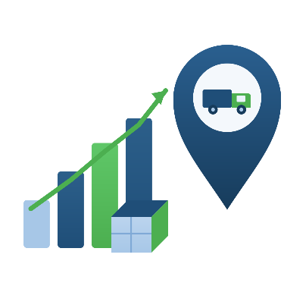
Sales & Logistics Analytics Dashboard

This interactive dashboard provides a comprehensive overview of sales, customer behavior, product performance, and delivery efficiency. Use the slicers to explore key business insights across different purchase channels, customer segments, and locations.
🛒Orders

2,400

👕Quantity

11,997
Weekly Sales & Order Trend
Customer Purchase Preference by Order Mode & Gender
Orders Shipped by Delivery Time (Days)
Order Distribution Across California Counties

💰Amount
 | Sum of Quantity | Sum of Amount
1 | 546 | $32,413
2 | 905 | $49,563
3 | 796 | $41,700
4 | 913 | $46,783
5 | 844 | $42,676
6 | 1202 | $62,911
7 | 935 | $50,332
8 | 1128 | $58,761
9 | 1007 | $52,017
10 | 1128 | $64,916
11 | 861 | $45,944
12 | 944 | $55,078
13 | 788 | $45,926
 | Series1 | Series2 | Series3 | Series4
1 | 43 | 90 | 8 | 6
2 | 482 | 295 | 8 | 22
3 | 234 | 93 | 19 | 24
4 | 153 | 246 | 30 | 8
5 | 431 | 187 | 14 | 15
6 | 264 | 318 | 15 | 9
7 | 716 | 598 | 18 | 214
8 | 26 | 35 | 4 | 0
9 | 189 | 168 | 10 | 31
10 | 179 | 76 | 3 | 0
11 | 127 | 118 | 13 | 12
12 | 296 | 275 | 9 | 23
13 | 428 | 293 | 0 | 24
14 | 627 | 393 | 29 | 137
15 | 445 | 202 | 14 | 39
16 | 99 | 69 | 3 | 24
17 | 568 | 306 | 22 | 16
18 | 75 | 103 | 4 | 6
19 | 744 | 713 | 90 | 98
20 | 146 | 94 | 4 | 28
$649.0k

⭐Average Rating

4.0

🗓️Days to Deliver

2.3

Top-Selling Products by Quantity Sold
Orders by Purchase Channel
Monthly Order Volume
 | Female | Male | Other | Unknown
T-Shirts | 744 | 713 | 90 | 98
Jeans | 716 | 598 | 18 | 214
Sneakers | 627 | 393 | 29 | 137
Tank Tops | 568 | 306 | 22 | 16
Bikinis | 482 | 295 | 8 | 22
Sundresses | 445 | 202 | 14 | 39
Graphic Tees | 431 | 187 | 14 | 15
Shorts | 428 | 293 |  | 24
Sandals | 296 | 275 | 9 | 23
Hoodies & Sweatshirts | 264 | 318 | 15 | 9
Casual Dresses | 234 | 93 | 19 | 24
Leggings | 189 | 168 | 10 | 31
Maxi Dresses | 179 | 76 | 3
Crop Tops | 153 | 246 | 30 | 8
Workout Tops | 146 | 94 | 4 | 28
Pajama Sets | 127 | 118 | 13 | 12
Sunglasses | 99 | 69 | 3 | 24
Tote Bags | 75 | 103 | 4 | 6
Baseball Caps | 43 | 90 | 8 | 6
Jewelry | 26 | 35 | 4
 | Total
Jan | 730
Feb | 861
Mar | 809
 | Total
Female | 6272
Male | 4672
Other | 317
Unknown | 736

 | Total
Jan | 730
Feb | 861
Mar | 809
 | Total
Jan | 730
Feb | 861
Mar | 809

