Sheet1
Home
Tips
Files
Products
Newsletter
Blog

Top

Excel Sample Data
Below is a table with the Excel sample data used for many of my web site examples. You can use this sample data to create test files, and build Excel tables and pivot tables from the data. Copy and paste from this table, or download the sample data file.
Create an Excel Table From a Data List
×
00:00 of 02:58Volume 0%

If you need more variety in your Excel sample data, go to the More Sample Data Files section below. There are sample files with property insurance data, food sales records, and hockey player data.
There are hundreds more sample Excel files that you can download, and Excel lessons, with videos and written steps.
Sample Data
Sample Data Notes
Create an Excel Table
Sample Data - Formatted Numbers
Get the Sample Data
More Sample Data Files
More Tutorials
Sample Data
To use this office supply sales sample data:
Copy and paste the data from the table below.
Or, go to the Download section below, to get the Excel file
Or, go to the More Sample Data Files section below
OrderDate | Region | Rep | Item | Units | UnitCost | Total
2019-01-06 | East | Jones | Pencil | 95 | 1.99 | 189.05
2019-01-23 | Central | Kivell | Binder | 50 | 19.99 | 999.5
2019-02-09 | Central | Jardine | Pencil | 36 | 4.99 | 179.64
2019-02-26 | Central | Gill | Pen | 27 | 19.99 | 539.73
2019-03-15 | West | Sorvino | Pencil | 56 | 2.99 | 167.44
2019-04-01 | East | Jones | Binder | 60 | 4.99 | 299.4
2019-04-18 | Central | Andrews | Pencil | 75 | 1.99 | 149.25
2019-05-05 | Central | Jardine | Pencil | 90 | 4.99 | 449.1
2019-05-22 | West | Thompson | Pencil | 32 | 1.99 | 63.68
2019-06-08 | East | Jones | Binder | 60 | 8.99 | 539.4
2019-06-25 | Central | Morgan | Pencil | 90 | 4.99 | 449.1
2019-07-12 | East | Howard | Binder | 29 | 1.99 | 57.71
2019-07-29 | East | Parent | Binder | 81 | 19.99 | 1,619.19
2019-08-15 | East | Jones | Pencil | 35 | 4.99 | 174.65
2019-09-01 | Central | Smith | Desk | 2 | 125 | 250
2019-09-18 | East | Jones | Pen Set | 16 | 15.99 | 255.84
2019-10-05 | Central | Morgan | Binder | 28 | 8.99 | 251.72
2019-10-22 | East | Jones | Pen | 64 | 8.99 | 575.36
2019-11-08 | East | Parent | Pen | 15 | 19.99 | 299.85
2019-11-25 | Central | Kivell | Pen Set | 96 | 4.99 | 479.04
2019-12-12 | Central | Smith | Pencil | 67 | 1.29 | 86.43
2019-12-29 | East | Parent | Pen Set | 74 | 15.99 | 1,183.26
2020-01-15 | Central | Gill | Binder | 46 | 8.99 | 413.54
2020-02-01 | Central | Smith | Binder | 87 | 15 | 1,305.00
2020-02-18 | East | Jones | Binder | 4 | 4.99 | 19.96
2020-03-07 | West | Sorvino | Binder | 7 | 19.99 | 139.93
2020-03-24 | Central | Jardine | Pen Set | 50 | 4.99 | 249.5
2020-04-10 | Central | Andrews | Pencil | 66 | 1.99 | 131.34
2020-04-27 | East | Howard | Pen | 96 | 4.99 | 479.04
2020-05-14 | Central | Gill | Pencil | 53 | 1.29 | 68.37
2020-05-31 | Central | Gill | Binder | 80 | 8.99 | 719.2
2020-06-17 | Central | Kivell | Desk | 5 | 125 | 625
2020-07-04 | East | Jones | Pen Set | 62 | 4.99 | 309.38
2020-07-21 | Central | Morgan | Pen Set | 55 | 12.49 | 686.95
2020-08-07 | Central | Kivell | Pen Set | 42 | 23.95 | 1,005.90
2020-08-24 | West | Sorvino | Desk | 3 | 275 | 825
2020-09-10 | Central | Gill | Pencil | 7 | 1.29 | 9.03
2020-09-27 | West | Sorvino | Pen | 76 | 1.99 | 151.24
2020-10-14 | West | Thompson | Binder | 57 | 19.99 | 1,139.43
2020-10-31 | Central | Andrews | Pencil | 14 | 1.29 | 18.06
2020-11-17 | Central | Jardine | Binder | 11 | 4.99 | 54.89
2020-12-04 | Central | Jardine | Binder | 94 | 19.99 | 1,879.06
2020-12-21 | Central | Andrews | Binder | 28 | 4.99 | 139.72
Sample Data Notes
The sample data on this page is sales data for an imaginary office supply company, and each row represents one order. Each row shows:
OrderDate: when the order was placed,
Region: geographical area in which the sale was made
Rep: sales representative's name
Item: name of the item sold
Units: number of units sold
UnitCost: cost of one unit
Total: total cost of the order - Units x UnitCost
Get the Sample Data
To use this sample data, download the sample file, or copy and paste it from the table on this page.
Download the Sample File
To download the sample data in an Excel file, click this link: Excel sample data workbook
The zipped file is in xlsx format, and does not contain any macros
NOTE: The Total column contains values. You could change it to a formula, to multiply the Units and Cost columns.
Copy and Paste
Click at the end of the "Sample Data" heading, above the table (you won't see anything happen)
Scroll down to the end of the sample data table
Press Shift, and click at the end of the last number in the table, to select all the data
Press Ctrl + C to copy the data
Paste it into an Excel workbook, for use in your own tests.
Create an Excel Table
After you paste the sample data into Excel, you can format it as a named Excel table. This will make it easier to sort and filter the data.
Watch this short video to see the steps, and there are written instructions on the Creating an Excel Table page.
Sample Data - Formatted Numbers
If you copy numbers such as 1-4 or 3/5 and paste them into Excel, they will usually change to dates.
For example, copy the numbers below, and paste them onto a worksheet, to see how Excel adjusts them.
2020-03-04
2345
2020-01-03
Learn how to paste this type of data, and keep the formatting -- instructions on the Data Entry Tips page.
More Sample Data Files
Here are 4 more sample data files, if you'd like a bit of variety in your Excel testing.
Insurance Policies
This sample file has fake commercial property insurance policy data.
There are 10 columns of data, with no calculations.
There are 500 rows of data in the insurance policy table.
Click here to download the insurance policy data file. The zipped Excel file is in xlsx format, and does not contain any macros.
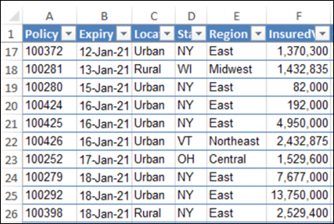

Food Sales
This sample file has fake food sales data.
There are 8 columns of data, including 1 column with a calculation.
There are 244 rows of data in the food sales table.
Click here to download the food sales data file. The zipped Excel file is in xlsx format, and does not contain any macros.
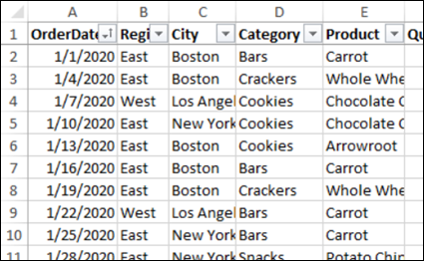

Workplace Safety
This sample file has fake workplace safety report data.
There are 14 columns of data, including 3 columns with a calculation.
There are 514 rows of data in the workplace safety report table.
Click here to download the workplace safety data file. The zipped Excel file is in xlsx format, and does not contain any macros.
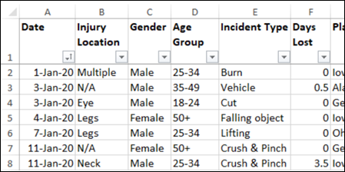

Hockey Players
This sample file has data from the 2018 Olympic Hockey teams, from Canada and the USA. I used this data in my blog post on hockey player data analysis.
There are 15 columns of data, including 4 columns with calculations.
There are 96 rows of data in the hockey player table.
Click here to download the hockey player data file. The zipped Excel file is in xlsx format, and does not contain any macros.
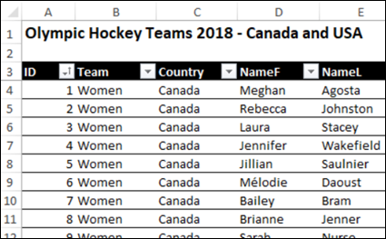

Related Links
Excel Tables
Pivot Tables
Data Entry Tips
More Sample Files
Excel Topics
Don't Miss Our Excel Tips
Don't miss my latest Excel tips and videos! Click OK, to get my weekly newsletter with Excel tips, and links to other Excel news and resources.


_____________________
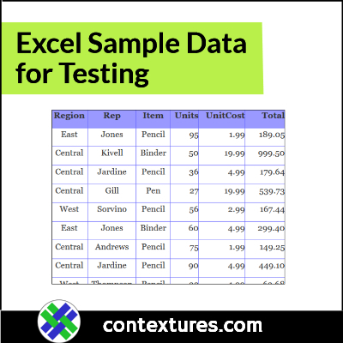

More Tutorials
Excel Tables
Pivot Tables
More Sample Files


Copyright © Contextures Inc. 2020
Excel Tutorials
Excel Sample Files
Contextures Products
About Contextures
Privacy Policy
Excel Newsletter

Debra Dalgleish
Last updated: November 24, 2020 4:05 PM
×
AN ELITE CAFEMEDIA PUBLISHER

