Sheet1
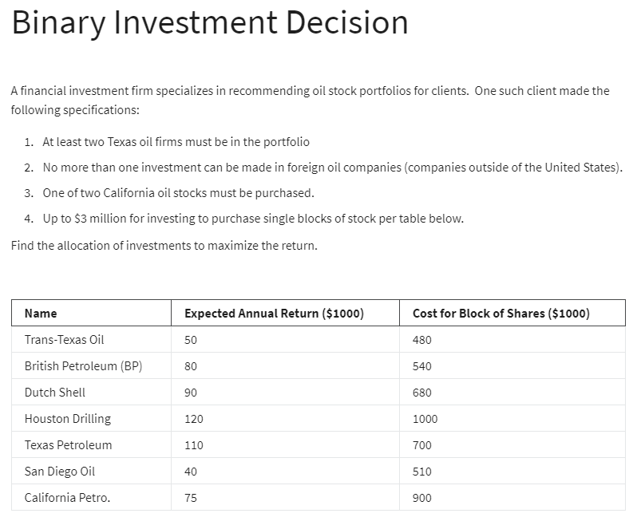

 | x1 | x2 | x3 | x4 | x5 | x6 | x7
variable | 0 | 0 | 1 | 1 | 1 | 1 | 0
 | 50 | 80 | 90 | 120 | 110 | 40 | 75

objective | 360

constraints: |  |  |  |  |  |  |  | LHS | SIGN | RHS
two texas | 1 |  |  | 1 | 1 |  |  | 2 | >= | 2
oil |  | 1 | 1 |  |  |  |  | 1 | <= | 1
california |  |  |  |  |  | 1 | 1 | 1 | = | 1
3000 | 480 | 540 | 680 | 1000 | 700 | 510 | 900 | 2890 | <= | 3000

