Project Model
Bluejay Natural Gas Financials (in millions)
Given:
 | Project Index | Functional Area | Partnership % | Capex Year 1 | Capex Year 2 | Capex Year 3 | NPV |  |  |  |  | Inputs
 | 1 | FA 1 | 100% | $250 | $100 | $100 | 60 |  |  |  |  | Annual Revenue (millions) | $50,000
Insert Discount Rate Reduction
Here.
 | 2 | FA 1 | 33% | $500 | $300 | $300 | 180 |  |  |  |  | Expenditure (millions) | $10,000
 | 3 | FA 1 | 50% | $100 | $200 | $400 | 80 |  |  |  |  | Yearly Cap (millions) | $4,000
 | 4 | FA 1 | 100% | $750 | $500 | $300 | 310 |  |  |  |  | NPV Discount Rate % decrease: | 12%
 | 5 | FA 1 | 75% | $200 | $400 | $800 | 220
 | 6 | FA 2 | 50% | $1,000 | $300 | $300 | 180 |  |  |  |  | Requirement Checks
 | 7 | FA 2 | 100% | $750 | $750 | $300 | 410 |  |  |  |  | Capital Ex. Under 4000 (Y1) | 1
 | 8 | FA 2 | 100% | $800 | $700 | $600 | 280 |  |  |  |  | Capital Ex. under 4000 (Y2) | 1
Insert 0 or 1 here:
 | 9 | FA 2 | 67% | $400 | $600 | $800 | 380 |  |  |  |  | Capital Ex. under 4000 (Y3) | 1
 | 10 | FA 3 | 100% | $100 | $200 | $400 | 100 |  |  |  |  | Under $10,000 (year 1-3) | 1
 | 11 | FA 3 | 50% | $700 | $500 | $300 | 260 |  |  |  |  | Each FA has at least 1 project approved | 1 | Each FA has at least 1 project approved
 | 12 | FA 3 | 100% | $1,500 | $400 | $400 | 340 |  |  |  |  | Number of Approved Project for FA 1 | 3 | >= | 1
 |  |  |  |  |  |  |  |  |  |  |  | Number of Approved Project for FA 2 | 4 | >= | 1
 |  |  | Adjusted based on % Partnership: |  |  |  |  |  |  |  |  | Number of Approved Project for FA 3 | 1 | >= | 1
Project Index | Functional Area | Partnership % | Cap Ex. Yr1 | Cap Ex. Yr2 | Cap Ex. Yr3 | Total Cost | NPV | New NPV | ROI | Approval Rating | Manager: | Total Number of Approved Projects | 8 | >= | 1
1 | FA 1 | 100% | $250 | $100 | $100 | $450 | $60 | $53 |  | 0 | #N/A
2 | FA 1 | 33% | $165 | $99 | $99 | $363 | $180 | $158 | 14% | 1 | 1 | Are the Conditions Met? | 1
3 | FA 1 | 50% | $50 | $100 | $200 | $350 | $80 | $70 |  | 0 | #N/A
4 | FA 1 | 100% | $750 | $500 | $300 | $1,550 | $310 | $273 | 18% | 1 | 7
5 | FA 1 | 75% | $150 | $300 | $600 | $1,050 | $220 | $194 | 14% | 1 | 5
 |  | FA 1 Approved Totals: | $1,065 | $899 | $999 | $2,963 |  |  |  |  |  |  |  | Approved Cap Ex. Year Totals
 |  |  |  |  |  |  |  |  |  |  |  |  |  | Year 1 | Year 2 | Year 3
6 | FA 2 | 50% | $500 | $150 | $150 | $800 | $180 | $158 | 10% | 1 | 2 | Functional Area: | FA 1 | $1,065 | $899 | $999
7 | FA 2 | 100% | $750 | $750 | $300 | $1,800 | $410 | $361 | 20% | 1 | 6 |  | FA 2 | $2,318 | $2,002 | $1,586
8 | FA 2 | 100% | $800 | $700 | $600 | $2,100 | $280 | $246 | 12% | 1 | 4 |  | FA 3 | $350 | $250 | $150
9 | FA 2 | 67% | $268 | $402 | $536 | $1,206 | $380 | $334 | 19% | 1 | 3
 |  | FA 2 Approved Totals: | $2,318 | $2,002 | $1,586 | $5,906

10 | FA 3 | 100% | $100 | $200 | $400 | $700 | $100 | $88 |  | 0 | #N/A
11 | FA 3 | 50% | $350 | $250 | $150 | $750 | $260 | $229 | 15% | 1 | 8
12 | FA 3 | 100% | $1,500 | $400 | $400 | $2,300 | $340 | $299 |  | 0 | #N/A
 |  | FA 3 Approved Totals: | $350 | $250 | $150 | $750

 |  |  | Cap Ex. Yr1 | Cap Ex. Yr2 | Cap Ex. Yr3 | Total Cost |  | Total Approved NPV:
 |  | Overall Totals for Approved Projects: | $3,733 | $3,151 | $2,735 | $9,619 |  | $1,954 | <---use as objective for first question
 |  |  | <= | <= | <= | <=
Julie Kavoli, Manager for Project Development at Bluejay Natural Gas, would now like to find the optimal set of project proposals to approve.
The solution should maximize the total NPV from the approved projects. It also must satisfy the constraints imposed by CEO Cordelia Kareeni and the three functional areas:
Capital expenditures over the three years should not exceed $10 billion.
Capital expenditures in any single year should not exceed $4 billion.
At least one project must be approved for each functional area.
 |  |  | 4000 | 4000 | 4000 | 10000

 |  |  |  | ROI
 |  |  | % Change | Average | Minimum | Maximum
 |  |  |  | 15% | 10% | 20%
 |  |  | 0% | 17% | 11% | 23%
 |  |  | 5% | 16% | 11% | 22%
 |  |  | 10% | 16% | 10% | 21%
 |  |  | 15% | 15% | 10% | 19%
 |  |  | 20% | 14% | 9% | 18%
 |  |  | 25% | 13% | 8% | 17%
 |  |  | 30% | 12% | 8% | 16%

Qualified Managers:
 | Manager
 |  | 1 | 2 | 3 | 4 | 5 | 6 | 7 | 8
Project | 1 | 1 | 1 | 1 | 1 | 1 | 0 | 0 | 0
 | 2 | 1 | 1 | 1 | 1 | 0 | 1 | 0 | 1
 | 3 | 1 | 0 | 0 | 1 | 1 | 1 | 0 | 1
 | 4 | 0 | 1 | 0 | 0 | 1 | 1 | 1 | 1
 | 5 | 1 | 1 | 1 | 1 | 1 | 1 | 1 | 0
 | 6 | 1 | 1 | 1 | 1 | 1 | 1 | 1 | 1
 | 7 | 1 | 1 | 1 | 1 | 1 | 1 | 0 | 1
 | 8 | 1 | 1 | 1 | 1 | 0 | 1 | 1 | 0
 | 9 | 1 | 1 | 1 | 1 | 0 | 0 | 0 | 1
 | 10 | 1 | 1 | 1 | 1 | 0 | 1 | 1 | 1
 | 11 | 1 | 1 | 1 | 1 | 1 | 1 | 0 | 1
 | 12 | 0 | 0 | 0 | 1 | 1 | 0 | 1 | 1

 | Manager
 |  | 1 | 2 | 3 | 4 | 5 | 6 | 7 | 8 | Totals: |  | Approved?
Project | 1 | 0 | 0 | 0 | 0 | 0 | 0 | 0 | 0 | 0 | <= | 0 | ='Project Model'!K19
 | 2 | 1 | 0 | 0 | 0 | 0 | 0 | 0 | 0 | 1 | <= | 1 | ='Project Model'!K20
 | 3 | 0 | 0 | 0 | 0 | 0 | 0 | 0 | 0 | 0 | <= | 0 | ='Project Model'!K21
 | 4 | 0 | 0 | 0 | 0 | 0 | 0 | 1 | 0 | 1 | <= | 1 | ='Project Model'!K22
 | 5 | 0 | 0 | 0 | 0 | 1 | 0 | 0 | 0 | 1 | <= | 1 | ='Project Model'!K23
 | 6 | 0 | 1 | 0 | 0 | 0 | 0 | 0 | 0 | 1 | <= | 1 | ='Project Model'!K26
 | 7 | 0 | 0 | 0 | 0 | 0 | 1 | 0 | 0 | 1 | <= | 1 | ='Project Model'!K27
 | 8 | 0 | 0 | 0 | 1 | 0 | 0 | 0 | 0 | 1 | <= | 1 | ='Project Model'!K28
 | 9 | 0 | 0 | 1 | 0 | 0 | 0 | 0 | 0 | 1 | <= | 1 | ='Project Model'!K29
 | 10 | 0 | 0 | 0 | 0 | 0 | 0 | 0 | 0 | 0 | <= | 0 | ='Project Model'!K30
 | 11 | 0 | 0 | 0 | 0 | 0 | 0 | 0 | 1 | 1 | <= | 1 | ='Project Model'!K33
 | 12 | 0 | 0 | 0 | 0 | 0 | 0 | 0 | 0 | 0 | <= | 0 | ='Project Model'!K34
 | Totals: | 1 | 1 | 1 | 1 | 1 | 1 | 1 | 1
 |  | = | = | = | = | = | = | = | =
 |  | 1 | 1 | 1 | 1 | 1 | 1 | 1 | 1

Solution Solver Summary
Without the restriction of assigning qualified managers, based on this spreadsheet, solver looks like this: | With the addition of assigning managers, based on this spreadsheet, solver looks like this:
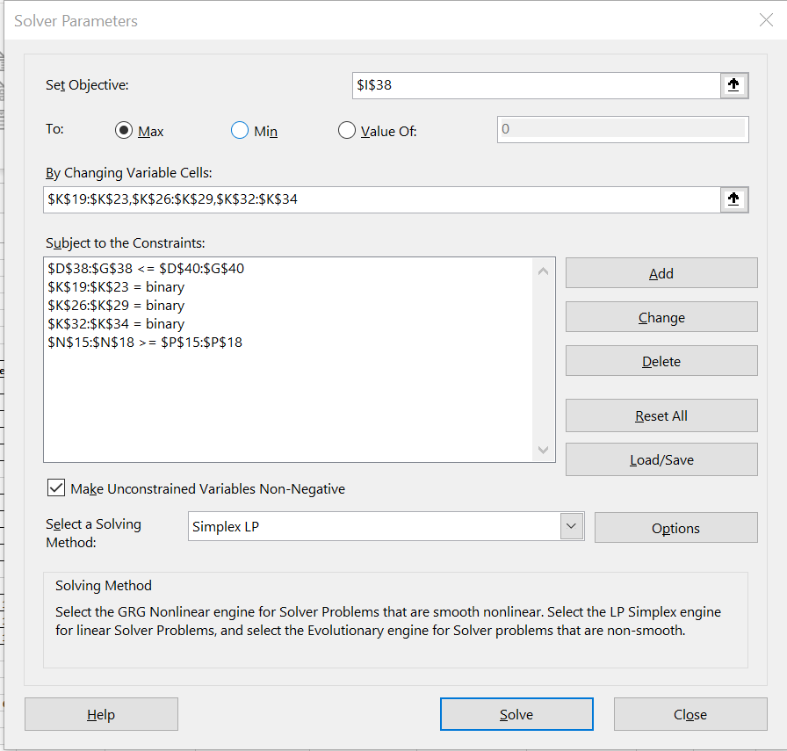
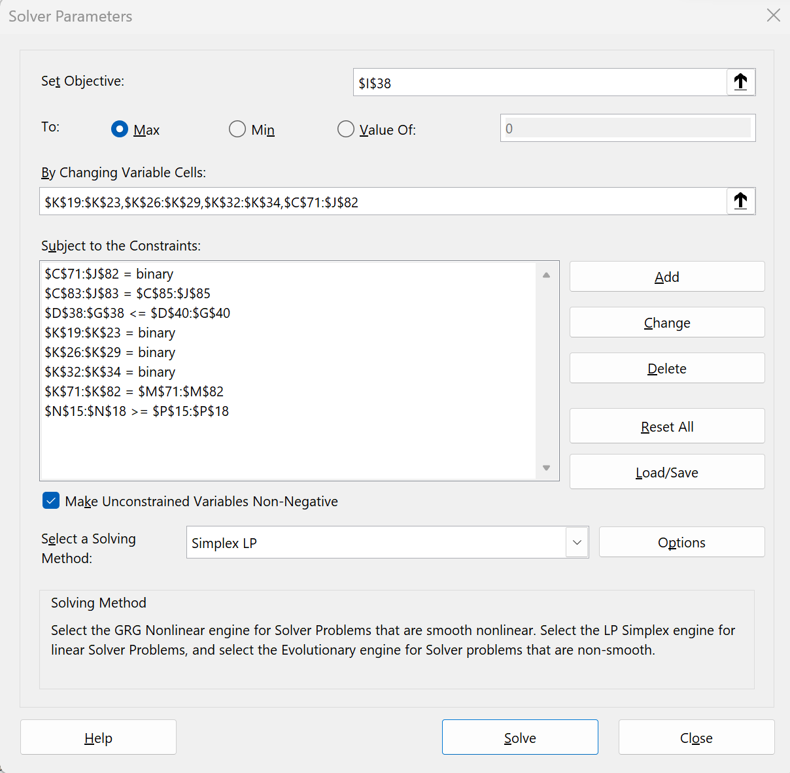

To give a maximum NPV of $2024 with all projects approved except 1, 10, and 12. | This gives a maximum NPV of $1954 meeting all constraints for all approved projects except 1, 3 and 12.
 | The manager assignment is given in L19 - L34 for each approved project.

Approved Line Charts
Capital Expenditure for all Functional Area Approved Projects Y1-Y3
 | FA 1 | FA 2 | FA 3
Year 1 | $1,065 | $2,318 | $350
Year 2 | $899 | $2,002 | $250
Year 3 | $999 | $1,586 | $150
Capital Expenditure for FA 1 Approved Projects Y1-Y3
 | FA 1
Year 1 | $1,065
Year 2 | $899
Year 3 | $999

Capital Expenditure for FA 2 Approved Projects Y1-Y3
 | FA 2
Year 1 | $2,318
Year 2 | $2,002
Year 3 | $1,586
Capital Expenditure for FA 3 Approved Projects Y1 - Y3
 | FA 3
Year 1 | $350
Year 2 | $250
Year 3 | $150

