Sheet1
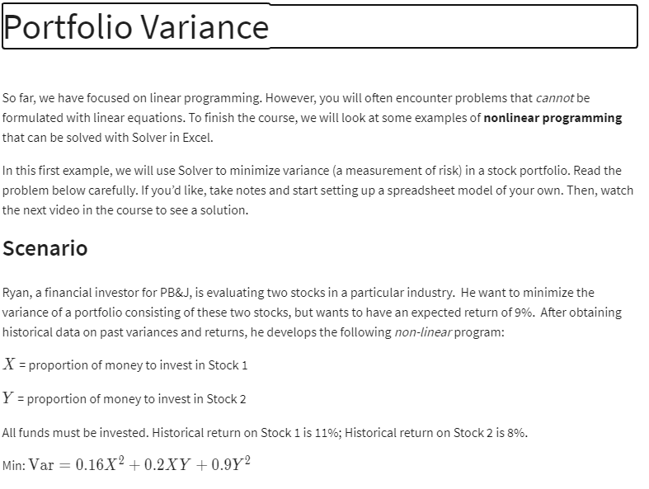

 | X | Y
Variable | 93% | 7%

Variance | X^2 | XY | Y^2
 | 0.86533261345 | 0.064899945351 | 0.0048674958521
 | 0.16 | 0.2 | 0.9

Min Variance | 0.15581395349

constraints: |  |  | LHS | SIGN | RHS
all funds Invested | 1 | 1 | 100% | = | 100%
Expected Retturn 9% | 11% | 8% | 11% | >= | 9%

