Sheet1
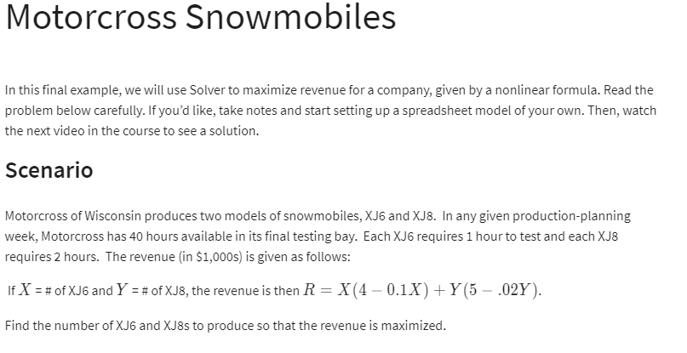

 | X | Y | 4-0.1X | 5-0.02Y
 | 10 | 15 | 3 | 4.7

Revenue(max) |  | 100.5

constaints |  |  | LHS | SIGN | RHS
TIME | 1 | 2 | 40 | <= | 40

