Attendance
S-Number | Name | Timestamp | Photo | PhotoPath
155576 | Shreya Rajavel | 2025-10-28 11:09:55 CDT | 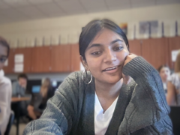 | 2025-10-28/155576_110955.png
324170 | Abhiram Mora | 2025-10-28 11:34:43 CDT | 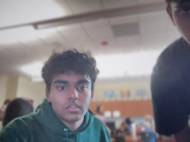 | 2025-10-28/324170_113443.png
154554 | Asrith Sampath | 2025-10-28 11:44:18 CDT | 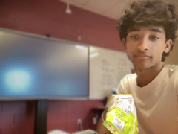 | 2025-10-28/154554_114418.png
309213 | Raza Inam | 2025-10-28 11:44:24 CDT | 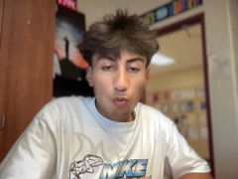 | 2025-10-28/309213_114424.png
306636 | Bhuvan Teja Mantrala | 2025-10-28 16:28:30 CDT | 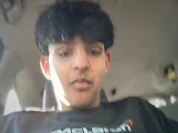 | 2025-10-28/306636_162830.png
150247 | Brati Dhakal | 2025-10-28 16:28:43 CDT | 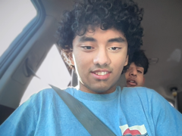 | 2025-10-28/150247_162843.png
151579 | Varun Bhadurgatte Nagaraj | 2025-10-28 18:51:14 CDT | 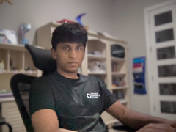 | 2025-10-28/151579_185114.png

