Attendance
S-Number | Name | Timestamp | Photo | PhotoPath
151579 | Varun Bhadurgatte Nagaraj | 2025-10-28 00:21:08 CDT | 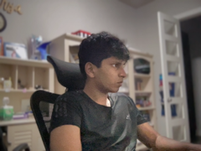 | 2025-10-28/151579_002108.png

