Attendance
S-Number | Name | Timestamp | Photo | PhotoPath
151579 | Varun Bhadurgatte Nagaraj | 2025-10-29 00:04:41 CDT | 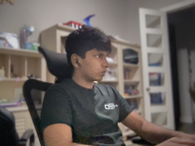 | 2025-10-29/151579_000441.png
126996 | Ananya Chakka | 2025-10-29 00:07:17 CDT | 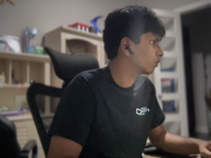 | 2025-10-29/126996_000717.png
150247 | Brati Dhakal | 2025-10-29 00:07:23 CDT | 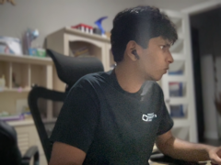 | 2025-10-29/150247_000723.png
188142 | Nina Konkle | 2025-10-29 00:07:28 CDT | 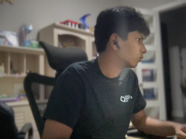 | 2025-10-29/188142_000728.png
138283 | Harshita Singh | 2025-10-29 08:41:00 CDT | 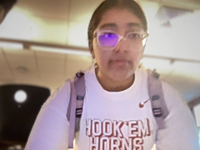 | 2025-10-29/138283_084100.png

