Attendance
S-Number | Name | Timestamp | Photo | PhotoPath
154554 | Asrith Sampath | 2025-10-30 11:01:42 CDT |  | 2025-10-30/154554_110142.png
151579 | Varun Bhadurgatte Nagaraj | 2025-10-30 11:07:06 CDT | 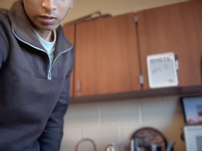 | 2025-10-30/151579_110706.png
150247 | Brati Dhakal | 2025-10-30 13:39:23 CDT | 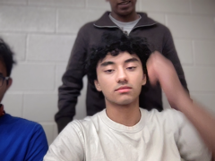 | 2025-10-30/150247_133923.png

