Attendance
S-Number | Name | Timestamp | Photo | PhotoPath
151579 | Varun Bhadurgatte Nagaraj | 2025-11-20 08:21:22 CST | 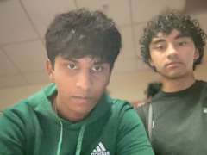 | 2025-11-20/151579_082122.png
150247 | Brati Dhakal | 2025-11-20 08:21:27 CST | 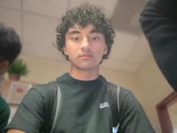 | 2025-11-20/150247_082127.png
305537 | Hasit Bandaru | 2025-11-20 08:21:33 CST | 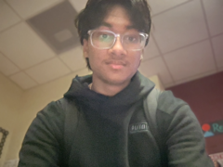 | 2025-11-20/305537_082133.png
307150 | Rilyn Royer | 2025-11-20 08:21:54 CST | 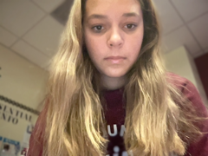 | 2025-11-20/307150_082154.png
138332 | Mack Moore | 2025-11-20 08:22:45 CST | 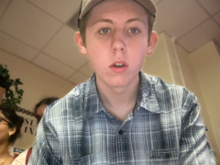 | 2025-11-20/138332_082245.png
137937 | Anushka Ganessan | 2025-11-20 08:22:56 CST | 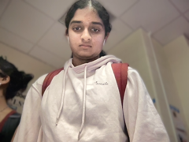 | 2025-11-20/137937_082256.png
167703 | Ashwini Yeluru | 2025-11-20 08:23:05 CST | 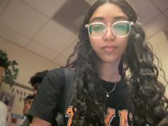 | 2025-11-20/167703_082305.png
111841 | Sathvik Chintha | 2025-11-20 08:23:14 CST | 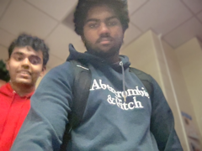 | 2025-11-20/111841_082314.png
126996 | Ananya Chakka | 2025-11-20 08:23:18 CST | 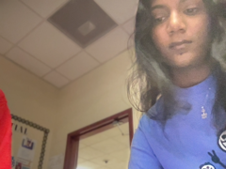 | 2025-11-20/126996_082318.png
324170 | Abhiram Mora | 2025-11-20 08:23:54 CST | 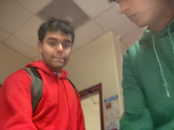 | 2025-11-20/324170_082354.png
305884 | Dia Shine | 2025-11-20 08:26:22 CST | 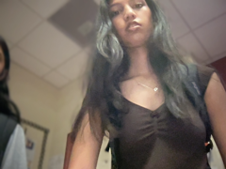 | 2025-11-20/305884_082622.png
119530 | Ankita Menon | 2025-11-20 08:26:29 CST | 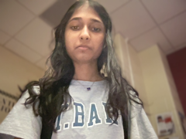 | 2025-11-20/119530_082629.png
124446 | Samantha Zhang | 2025-11-20 08:27:00 CST | 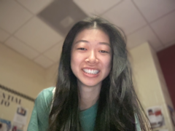 | 2025-11-20/124446_082700.png
124129 | Archana Kaimal | 2025-11-20 08:27:33 CST | 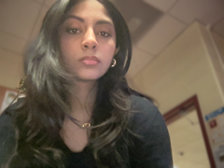 | 2025-11-20/124129_082733.png
155576 | Shreya Rajavel | 2025-11-20 08:27:43 CST | 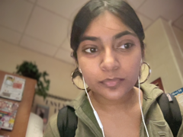 | 2025-11-20/155576_082743.png
138283 | Harshita Singh | 2025-11-20 08:28:42 CST | 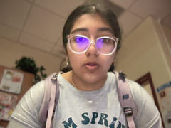 | 2025-11-20/138283_082842.png
321078 | Samantha Gamino | 2025-11-20 08:28:53 CST |  | 2025-11-20/321078_082853.png
126951 | Nadine Khatum | 2025-11-20 08:30:20 CST | 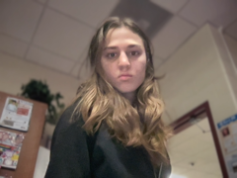 | 2025-11-20/126951_083020.png
207911 | Lutfiyya Rida Bint Masud | 2025-11-20 08:30:42 CST | 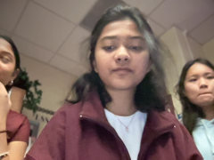 | 2025-11-20/207911_083042.png
137323 | Isabelle Ngo | 2025-11-20 08:30:47 CST | 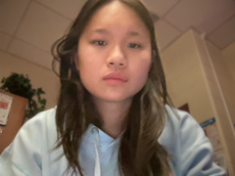 | 2025-11-20/137323_083047.png
137923 | Sona Rao | 2025-11-20 08:30:55 CST | 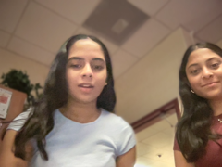 | 2025-11-20/137923_083055.png
152156 | Anisha Saravanan | 2025-11-20 08:31:05 CST | 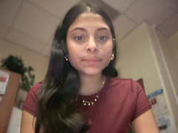 | 2025-11-20/152156_083106.png
309234 | Sofia Francis | 2025-11-20 08:31:48 CST | 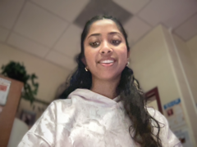 | 2025-11-20/309234_083148.png
180507 | Nakshatra Naidu | 2025-11-20 08:33:04 CST | 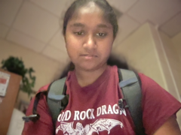 | 2025-11-20/180507_083304.png
310889 | Karthik Jasti | 2025-11-20 08:33:33 CST | 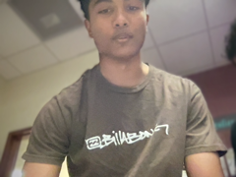 | 2025-11-20/310889_083333.png
188142 | Nina Konkle | 2025-11-20 08:34:26 CST | 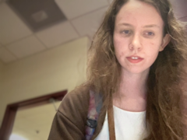 | 2025-11-20/188142_083426.png
125718 | Sonia Joseph | 2025-11-20 08:34:40 CST | 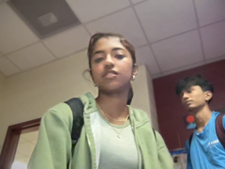 | 2025-11-20/125718_083440.png
306636 | Bhuvan Teja Mantrala | 2025-11-20 08:34:47 CST | 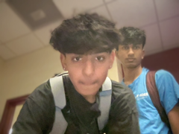 | 2025-11-20/306636_083447.png
147201 | Anirudh Puvvada | 2025-11-20 08:34:58 CST | 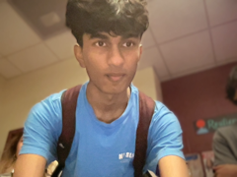 | 2025-11-20/147201_083458.png
309543 | Bezan Viccaji | 2025-11-20 08:35:09 CST | 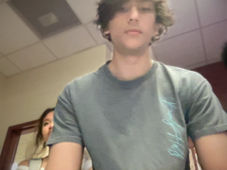 | 2025-11-20/309543_083509.png
319657 | Sai Vaddula | 2025-11-20 08:35:15 CST | 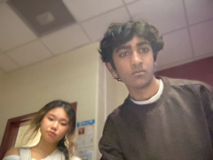 | 2025-11-20/319657_083515.png
185963 | Daksha Swaminathan Ashwath Athrey | 2025-11-20 08:35:26 CST | 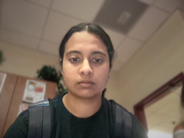 | 2025-11-20/185963_083526.png
126788 | Amber Lin | 2025-11-20 08:35:33 CST | 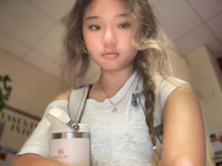 | 2025-11-20/126788_083533.png
303146 | Akshainie Kamma | 2025-11-20 08:36:35 CST | 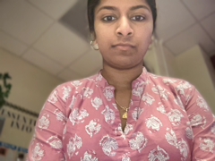 | 2025-11-20/303146_083635.png
137276 | Hasini Murali | 2025-11-20 08:37:05 CST | 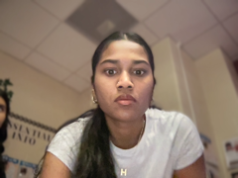 | 2025-11-20/137276_083705.png
311947 | Sanvi Sahoo | 2025-11-20 08:37:25 CST | 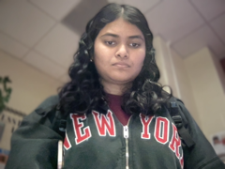 | 2025-11-20/311947_083725.png
134986 | Suhani Gagrani | 2025-11-20 08:40:21 CST | 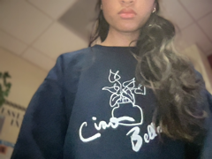 | 2025-11-20/134986_084021.png
139987 | Seejal Atukula | 2025-11-20 08:42:17 CST |  | 2025-11-20/139987_084217.png

