Attendance
S-Number | Name | Timestamp | Photo | PhotoPath
151579 | Varun Bhadurgatte Nagaraj | 2025-12-11 08:26:55 CST | 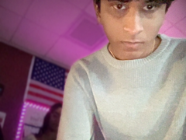 | 2025-12-11/151579_082655.png
180507 | Nakshatra Naidu | 2025-12-11 08:26:59 CST | 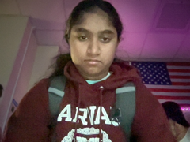 | 2025-12-11/180507_082659.png
307150 | Rilyn Royer | 2025-12-11 08:27:05 CST |  | 2025-12-11/307150_082705.png
302242 | Robert Mosley | 2025-12-11 08:27:19 CST |  | 2025-12-11/302242_082719.png
126996 | Ananya Chakka | 2025-12-11 08:27:26 CST | 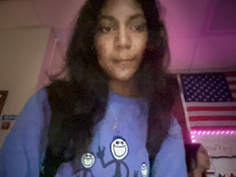 | 2025-12-11/126996_082726.png
138332 | Mack Moore | 2025-12-11 08:27:38 CST | 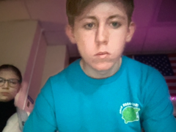 | 2025-12-11/138332_082738.png
310889 | Karthik Jasti | 2025-12-11 08:28:07 CST | 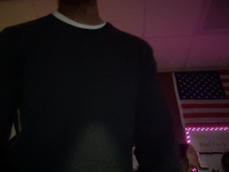 | 2025-12-11/310889_082807.png
139680 | Dhriti Saani | 2025-12-11 08:28:13 CST | 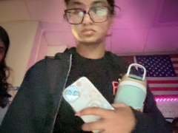 | 2025-12-11/139680_082813.png
311947 | Sanvi Sahoo | 2025-12-11 08:28:22 CST | 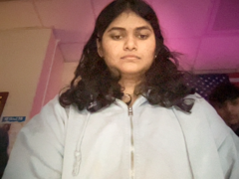 | 2025-12-11/311947_082822.png
119530 | Ankita Menon | 2025-12-11 08:28:29 CST |  | 2025-12-11/119530_082829.png
306636 | Bhuvan Teja Mantrala | 2025-12-11 08:28:45 CST | 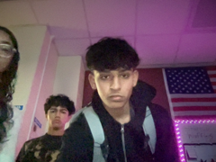 | 2025-12-11/306636_082845.png
167703 | Ashwini Yeluru | 2025-12-11 08:28:53 CST | 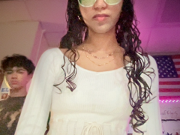 | 2025-12-11/167703_082853.png
301460 | Rishi Sanchaniya | 2025-12-11 08:29:01 CST | 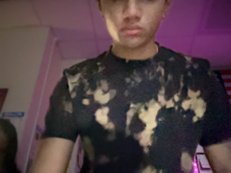 | 2025-12-11/301460_082901.png
152156 | Anisha Saravanan | 2025-12-11 08:29:28 CST | 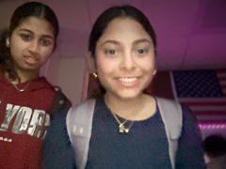 | 2025-12-11/152156_082928.png
310376 | Maitri Sharma | 2025-12-11 08:29:35 CST | 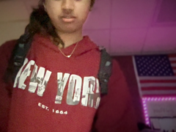 | 2025-12-11/310376_082935.png
152846 | Arjun Lakkireddy | 2025-12-11 08:29:44 CST | 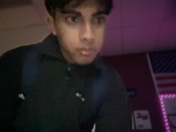 | 2025-12-11/152846_082944.png
144991 | Aryan Rapolu | 2025-12-11 08:29:49 CST | 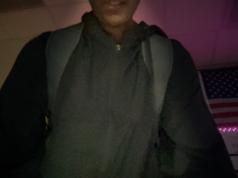 | 2025-12-11/144991_082949.png
324170 | Abhiram Mora | 2025-12-11 08:29:54 CST | 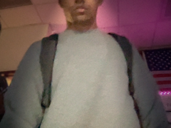 | 2025-12-11/324170_082954.png
111841 | Sathvik Chintha | 2025-12-11 08:29:59 CST |  | 2025-12-11/111841_082959.png
185941 | Aanya Sandhir | 2025-12-11 08:30:19 CST | 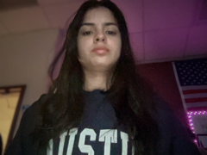 | 2025-12-11/185941_083019.png
321078 | Samantha Gamino | 2025-12-11 08:30:51 CST | 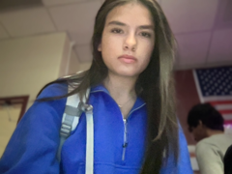 | 2025-12-11/321078_083051.png
309543 | Bezan Viccaji | 2025-12-11 08:31:11 CST | 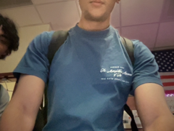 | 2025-12-11/309543_083111.png
150247 | Brati Dhakal | 2025-12-11 08:31:18 CST | 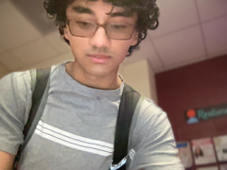 | 2025-12-11/150247_083118.png
319657 | Sai Vaddula | 2025-12-11 08:31:25 CST | 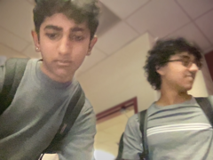 | 2025-12-11/319657_083125.png
305537 | Hasit Bandaru | 2025-12-11 08:31:31 CST | 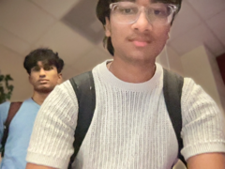 | 2025-12-11/305537_083131.png
147201 | Anirudh Puvvada | 2025-12-11 08:31:42 CST | 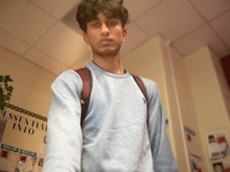 | 2025-12-11/147201_083142.png
138283 | Harshita Singh | 2025-12-11 08:32:15 CST | 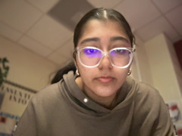 | 2025-12-11/138283_083215.png
124446 | Samantha Zhang | 2025-12-11 08:32:22 CST | 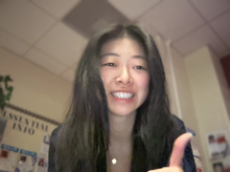 | 2025-12-11/124446_083222.png
207911 | Lutfiyya Rida Bint Masud | 2025-12-11 08:32:36 CST | 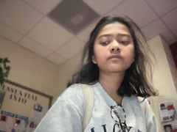 | 2025-12-11/207911_083236.png
137276 | Hasini Murali | 2025-12-11 08:33:13 CST | 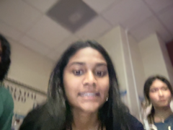 | 2025-12-11/137276_083313.png
126807 | Srinidhi Inam | 2025-12-11 08:33:22 CST | 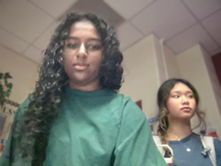 | 2025-12-11/126807_083322.png
126788 | Amber Lin | 2025-12-11 08:33:33 CST | 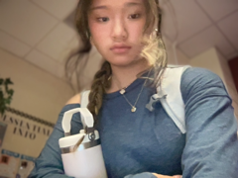 | 2025-12-11/126788_083333.png
309234 | Sofia Francis | 2025-12-11 08:33:44 CST | 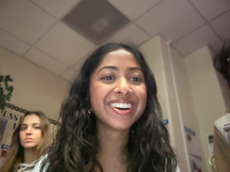 | 2025-12-11/309234_083344.png
306601 | Bella Zhang | 2025-12-11 08:34:13 CST | 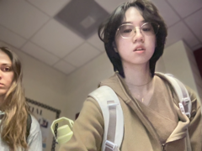 | 2025-12-11/306601_083413.png
126951 | Nadine Khatum | 2025-12-11 08:34:20 CST | 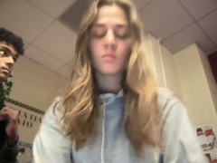 | 2025-12-11/126951_083420.png
137278 | Varun Murugan | 2025-12-11 08:34:30 CST | 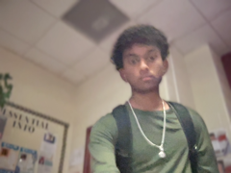 | 2025-12-11/137278_083430.png
137923 | Sona Rao | 2025-12-11 08:34:46 CST | 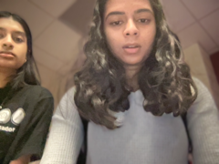 | 2025-12-11/137923_083446.png
137405 | Anishka Vasanthu | 2025-12-11 08:34:53 CST |  | 2025-12-11/137405_083453.png
303146 | Akshainie Kamma | 2025-12-11 08:35:30 CST | 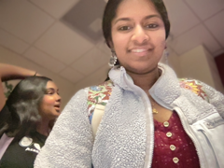 | 2025-12-11/303146_083530.png
136010 | Ridhima Reddy | 2025-12-11 08:35:39 CST |  | 2025-12-11/136010_083539.png
188370 | Pranav Malaraju | 2025-12-11 08:35:51 CST |  | 2025-12-11/188370_083551.png
139987 | Seejal Atukula | 2025-12-11 08:36:42 CST |  | 2025-12-11/139987_083642.png
147134 | Neeki Samadi | 2025-12-11 08:37:30 CST | 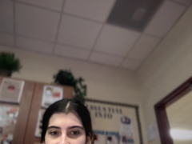 | 2025-12-11/147134_083730.png
187406 | Manit Singh | 2025-12-11 08:38:44 CST |  | 2025-12-11/187406_083844.png
154554 | Asrith Sampath | 2025-12-11 08:38:53 CST | 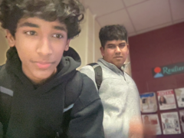 | 2025-12-11/154554_083853.png
134986 | Suhani Gagrani | 2025-12-11 08:39:02 CST |  | 2025-12-11/134986_083902.png
185963 | Daksha Swaminathan Ashwath Athrey | 2025-12-11 08:40:16 CST | 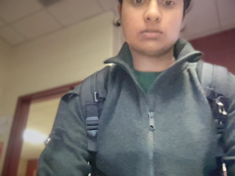 | 2025-12-11/185963_084016.png
318759 | Isabella Moreno Martinez | 2025-12-11 08:49:30 CST |  | 2025-12-11/318759_084930.png

