Sheet1
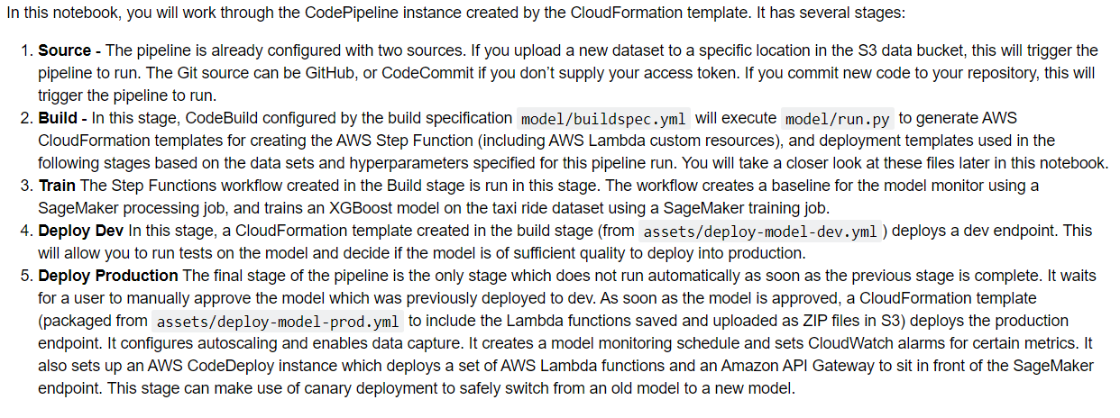
Key | Value
DatasetBucket | mlops-safe-deploy-dataset
EmailAddress | varun.pathy@yahoo.com
GitHubBranch | main
GitHubRepo | mlops-safe-deployment
GitHubToken | 24a5d4e12ef42d130bfa2c75561f3336bd8ef9f9
GitHubUser | varunpathy
ModelName | mlops-safe-deploy
NotebookInstanceType | ml.t3.medium

NOTEBOOK | mlops.ipynb#Safe-MLOps-Deployment-Pipeline

