FMS
P/M | 1 | 2 | 3 | 4 | 5 | 6 | 7 | 8 | 9 | 10 | 11 | 12
A | 1 |  |  |  | 1 |  |  |  |  | 1
B |  |  |  | 1 |  |  | 1 |  | 1 |  |  | 1
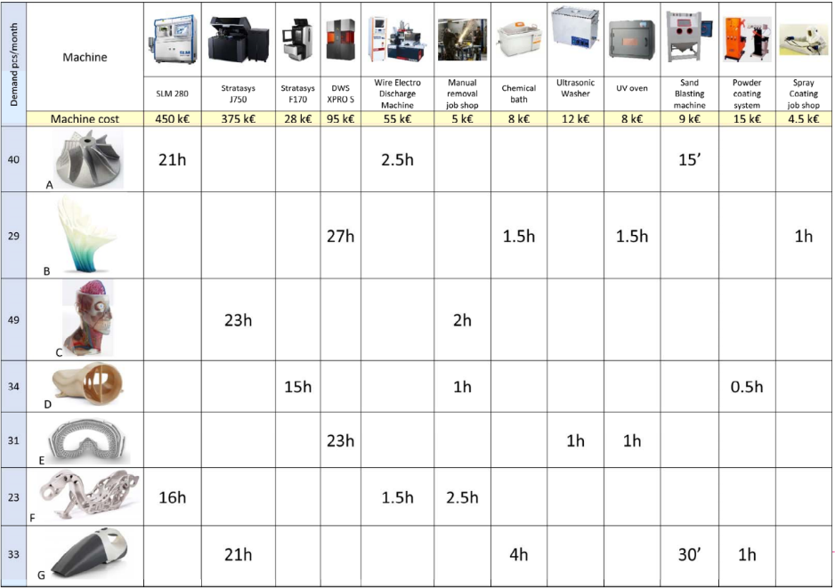
C |  | 1 |  |  |  | 1
D |  |  | 1 |  |  | 1 |  |  |  |  | 1
E |  |  |  | 1 |  |  |  | 1 | 1
F | 1 |  |  |  | 1 | 1
G |  | 1 |  |  |  |  | 1 |  |  | 1 | 1

M/P | A | B | C | D | E | F | G |  |  | M/P | A | B | C | D | E | F | G | Row Sorting
1 | 1 |  |  |  |  | 1 |  |  |  | 1 | 1 |  |  |  |  | 1 |  | 66
2 |  |  | 1 |  |  |  | 1 |  |  | 2 |  |  | 1 |  |  |  | 1 | 17
3 |  |  |  | 1 |  |  |  |  |  | 3 |  |  |  | 1 |  |  |  | 8
4 |  | 1 |  |  | 1 |  |  |  |  | 4 |  | 1 |  |  | 1 |  |  | 36
5 | 1 |  |  |  |  | 1 |  |  |  | 5 | 1 |  |  |  |  | 1 |  | 66
6 |  |  | 1 | 1 |  | 1 |  |  |  | 6 |  |  | 1 | 1 |  | 1 |  | 26
7 |  | 1 |  |  |  |  | 1 |  |  | 7 |  | 1 |  |  |  |  | 1 | 33
8 |  |  |  |  | 1 |  |  |  |  | 8 |  |  |  |  | 1 |  |  | 4
9 |  | 1 |  |  | 1 |  |  |  |  | 9 |  | 1 |  |  | 1 |  |  | 36
10 | 1 |  |  |  |  |  | 1 |  |  | 10 | 1 |  |  |  |  |  | 1 | 65
11 |  |  |  | 1 |  |  | 1 |  |  | 11 |  |  |  | 1 |  |  | 1 | 9
12 |  | 1 |  |  |  |  |  |  |  | 12 |  | 1 |  |  |  |  |  | 32
 |  |  |  |  |  |  |  |  |  |  | 2^6 | 2^5 | 2^4 | 2^3 | 2^2 | 2^1 | 2^0
 |  |  |  |  |  |  |  |  |  |  | 64 | 32 | 16 | 8 | 4 | 2 | 1

M/P | A | B | C | D | E | F | G | Row Sorting |  | M/P |  |  | A | B | C | D | E | F | G
1 | 1 |  |  |  |  | 1 |  | 66 |  | 1 | 2^11 | 2048 | 1 |  |  |  |  | 1
5 | 1 |  |  |  |  | 1 |  | 66 |  | 5 | 2^10 | 1024 | 1 |  |  |  |  | 1
10 | 1 |  |  |  |  |  | 1 | 65 |  | 10 | 2^9 | 512 | 1 |  |  |  |  |  | 1
4 |  | 1 |  |  | 1 |  |  | 36 |  | 4 | 2^8 | 256 |  | 1 |  |  | 1
9 |  | 1 |  |  | 1 |  |  | 36 |  | 9 | 2^7 | 128 |  | 1 |  |  | 1
7 |  | 1 |  |  |  |  | 1 | 33 |  | 7 | 2^6 | 64 |  | 1 |  |  |  |  | 1
12 |  | 1 |  |  |  |  |  | 32 |  | 12 | 2^5 | 32 |  | 1
6 |  |  | 1 | 1 |  | 1 |  | 26 |  | 6 | 2^4 | 16 |  |  | 1 | 1 |  | 1
2 |  |  | 1 |  |  |  | 1 | 17 |  | 2 | 2^3 | 8 |  |  | 1 |  |  |  | 1
11 |  |  |  | 1 |  |  | 1 | 9 |  | 11 | 2^2 | 4 |  |  |  | 1 |  |  | 1
3 |  |  |  | 1 |  |  |  | 8 |  | 3 | 2^1 | 2 |  |  |  | 1
8 |  |  |  |  | 1 |  |  | 4 |  | 8 | 2^0 | 1 |  |  |  |  | 1
 |  |  |  |  |  |  |  |  |  | COLOM SORTING |  |  | 3584 | 480 | 24 | 22 | 385 | 3088 | 588

M/P | A | F | G | B | E | C | D
1 | 1 | 1 |  |  |  |  |  |  |  | M/P | A | F | G | B | E | C | D
5 | 1 | 1 |  |  |  |  |  |  |  | 1 | 1 | 1
10 | 1 |  | 1 |  |  |  |  |  |  | 5 | 1 | 1
4 |  |  |  | 1 | 1 |  |  |  |  | 10* | 1
9 |  |  |  | 1 | 1 |  |  |  |  | 6* |  | 1
7 |  |  | 1 | 1 |  |  |  |  |  | 10 |  |  | 1
12 |  |  |  | 1 |  |  |  |  |  | 2* |  |  | 1
6 |  | 1 |  |  |  | 1 | 1 |  |  | 11* |  |  | 1
2 |  |  | 1 |  |  | 1 |  |  |  | 4 |  |  |  | 1 | 1
11 |  |  | 1 |  |  |  | 1 |  |  | 9 |  |  |  | 1 | 1
3 |  |  |  |  |  |  | 1 |  |  | 7 |  |  | 1 | 1
8 |  |  |  |  | 1 |  |  |  |  | 12 |  |  |  | 1
 |  |  |  |  |  |  |  |  |  | 8 |  |  |  |  | 1
 |  |  |  |  |  |  |  |  |  | 6 |  |  |  |  |  | 1 | 1
product | demand |  |  |  |  |  |  |  |  | 2 |  |  |  |  |  | 1
A | 40 |  |  |  |  |  |  |  |  | 11 |  |  |  |  |  |  | 1
B | 29 |  |  |  |  |  |  |  |  | 3 |  |  |  |  |  |  | 1
C | 49
D | 34
E | 31
F | 23
G | 33 |  | product |  | A | B | C | D | E | F | G
 |  |  | demand |  | 40 | 29 | 49 | 34 | 31 | 23 | 33

MANUFACTURING CELL_1
M/P | A | F |  |  |  |  |  |  | FROM | TO |  |  |  |  | FROM | TO
1 | 1 | 1 |  |  |  |  |  |  |  | A | 1 | 5 | 10 | 6 |  | F | 1 | 5 | 10 | 6
5 | 1 | 1 |  |  |  |  |  |  |  | 1 |  | 40 |  |  |  | 1 |  | 23
10* | 1 |  |  |  |  |  |  |  |  | 5 |  |  | 40 |  |  | 5 |  |  |  | 23
6* |  | 1 |  |  |  |  |  |  |  | 10 |  |  |  |  |  | 10
 |  |  |  |  |  |  |  |  |  | 6 |  |  |  |  |  | 6
SUMMATION OF FROM/TO TABLE OF A & F

FROM | TO
 | SUM | 1 | 5 | 10 | 6 | FROM | FROM/TO
 | 1 |  | 63 |  |  | 63 | #DIV/0! |  |  |  |  |  |  |  |  |  | product |  | demand
 | 5 |  |  | 40 | 23 | 63 | 1 |  | CELL_1 |  | a | 1 | 5 | 10 | 6 |  | A |  | 40
 | 10 |  |  |  |  | 0 | 0 |  |  |  | b | 1 | 5 | 6 | 10 |  | F |  | 23
 | 6 |  |  |  |  | 0 | 0 |  |  |  |  |  |  |  |  |  | SUM |  | 63
 | TO | 0 | 63 | 40 | 23 | 126

PART_A | OPERATIONS |  | L/U | 1 | 5 | 10 | L/U |  | P(A) | 0.63492063492 | PART MIX
PART_F | OPERATIONS |  | L/U | 1 | 5 | 6 | L/U |  | P(F) | 0.36507936508

MANUFACTURING CELL_2
M/P | G | B | E |  |  |  |  | FROM | TO |  |  |  |  |  |  |  |  | FROM | TO
10 | 1 |  |  |  |  |  |  |  | G | 10 | 2 | 11 | 4 | 9 | 7 | 12 | 8 |  | B | 10 | 2 | 11 | 4 | 9 | 7 | 12 | 8
2* | 1 |  |  |  |  |  |  |  | 10 |  |  | 33 |  |  |  |  |  |  | 10
11* | 1 |  |  |  |  |  |  |  | 2 |  |  |  |  |  | 33 |  |  |  | 2
4 |  | 1 | 1 |  |  |  |  |  | 11 |  |  |  |  |  |  |  |  |  | 11
9 |  | 1 | 1 |  |  |  |  |  | 4 |  |  |  |  |  |  |  |  |  | 4 |  |  |  |  |  | 29
7 | 1 | 1 |  |  |  |  |  |  | 9 |  |  |  |  |  |  |  |  |  | 9 |  |  |  |  |  |  | 29
12 |  | 1 |  |  |  |  |  |  | 7 | 33 |  |  |  |  |  |  |  |  | 7 |  |  |  |  | 29
8 |  |  | 1 |  |  |  |  |  | 12 |  |  |  |  |  |  |  |  |  | 12
 |  |  |  |  |  |  |  |  | 8 |  |  |  |  |  |  |  |  |  | 8

FROM | TO |  |  |  |  |  |  |  |  |  |  |  |  |  | FROM | TO
 | E | 10 | 2 | 11 | 4 | 9 | 7 | 12 | 8 |  |  |  |  |  |  | SUM | 10 | 2 | 11 | 4 | 9 | 7 | 12 | 8 | FROM | FROM/TO
 | 10 |  |  |  |  |  |  |  |  |  |  |  |  |  |  | 10 |  |  | 33 |  |  |  |  |  | 33 | 1
 | 2 |  |  |  |  |  |  |  |  |  |  |  |  |  |  | 2 |  |  |  |  |  | 33 |  |  | 33 | #DIV/0!
SUMMATION OF FROM/TO TABLE OF G, B & E
 | 11 |  |  |  |  |  |  |  |  |  |  |  |  |  |  | 11 |  |  |  |  |  |  |  |  | 0 | 0
 | 4 |  |  |  |  |  |  |  | 31 |  |  |  |  |  |  | 4 |  |  |  |  |  | 29 |  | 31 | 60 | #DIV/0!
 | 9 |  |  |  |  |  |  |  |  |  |  |  |  |  |  | 9 |  |  |  |  |  |  | 29 |  | 29 | 0.48333333333
 | 7 |  |  |  |  |  |  |  |  |  |  |  |  |  |  | 7 | 33 |  |  |  | 29 |  |  |  | 62 | 1
 | 12 |  |  |  |  |  |  |  |  |  |  |  |  |  |  | 12 |  |  |  |  |  |  |  |  | 0 | 0
 | 8 |  |  |  |  | 31 |  |  |  |  |  |  |  |  |  | 8 |  |  |  |  | 31 |  |  |  | 31 | 1
 |  |  |  |  |  |  |  |  |  |  |  |  |  |  |  | TO | 33 | 0 | 33 | 0 | 60 | 62 | 29 | 31 | 248
 | CELL_2 |  | a | 2 | 4 | 10 | 7 | 8 | 9 | 11 | 12
 |  |  | b | 4 | 2 | 7 | 8 | 10 | 9 | 12 | 11 |  |  |  |  |  |  |  |  | product |  | demand
 |  |  |  |  |  |  |  |  |  |  |  |  |  |  |  |  |  |  |  | G |  | 33
 |  |  |  |  |  |  |  |  |  |  |  |  |  |  |  |  |  |  |  | B |  | 29
PART_G |  | OPERATIONS | L/U | 2 | 7 | 10 | 11 | L/U |  |  | P(G) | 0.35483870968 | PART MIX |  |  |  |  |  |  | E |  | 31
PART_B |  | OPERATIONS | L/U | 4 | 7 | 9 | 12 | L/U |  |  | P(B) | 0.31182795699 |  |  |  |  |  |  |  | SUM |  | 93
PART_E |  | OPERATIONS | L/U | 4 | 8 | 9 | L/U |  |  |  | P(E) | 0.33333333333

MANUFACTURING CELL_3
M/P | C | D |  |  |  |  |  |  | FROM | TO |  |  |  |  |  | FROM | TO
6 | 1 | 1 |  |  |  |  |  |  |  | C | 6 | 2 | 11 | 3 |  |  | D | 6 | 2 | 11 | 3 |  | product | demand
2 | 1 |  |  |  |  |  |  |  |  | 6 |  |  |  |  |  |  | 6 |  |  | 34 |  |  | C | 49
11 |  | 1 |  |  |  |  |  |  |  | 2 | 49 |  |  |  |  |  | 2 |  |  |  |  |  | D | 34
3 |  | 1 |  |  |  |  |  |  |  | 11 |  |  |  |  |  |  | 11 |  |  |  |  |  | SUM | 83
 |  |  |  |  |  |  |  |  |  | 3 |  |  |  |  |  |  | 3 | 34
SUMMATION OF FROM/TO TABLE OF C & D

FROM | TO
 | SUM | 6 | 2 | 11 | 3 | FROM | FROM/TO |  |  | CELL_3 |  | a | 2 | 3 | 6 | 11
 | 6 |  |  | 34 |  | 34 | 0.40963855422 |  |  |  |  | b | 3 | 2 | 6 | 11
 | 2 | 49 |  |  |  | 49 | #DIV/0!
 | 11 |  |  |  |  | 0 | 0
 | 3 | 34 |  |  |  | 34 | #DIV/0!
 | TO | 83 | 0 | 34 | 0 | 117

PART_C |  | OPERATIONS |  | L/U | 2 | 6 | L/U |  |  | P(C) | 0.59036144578 | PART MIX
PART_D |  | OPERATIONS |  | L/U | 3 | 6 | 11 | L/U |  | P(D) | 0.40963855422

CELL_2
M/P | G | B | E |  | PART_G |  | OPERATIONS | L/U | 2 | 7 | 10 | 11 | L/U | product | demand
10 | 1 |  |  |  | PART_B |  | OPERATIONS | L/U | 4 | 7 | 9 | 12 | L/U | G | 33
2* | 1 |  |  |  | PART_E |  | OPERATIONS | L/U | 4 | 8 | 9 | L/U |  | B | 29
11* | 1 |  |  |  |  |  |  |  |  |  |  |  |  | E | 31
4 |  | 1 | 1 |  |  |  |  |  |  |  |  |  |  | SUM | 93
9 |  | 1 | 1 |  | P(G) | 0.35483870968 | PART MIX
7 | 1 | 1 |  |  | P(B) | 0.31182795699
12 |  | 1 |  |  | P(E) | 0.33333333333
8 |  |  | 1

PART | MIX P(j) | OPERATION | DESCRIPTION | STATION | SERVER | TIME tijk (min)
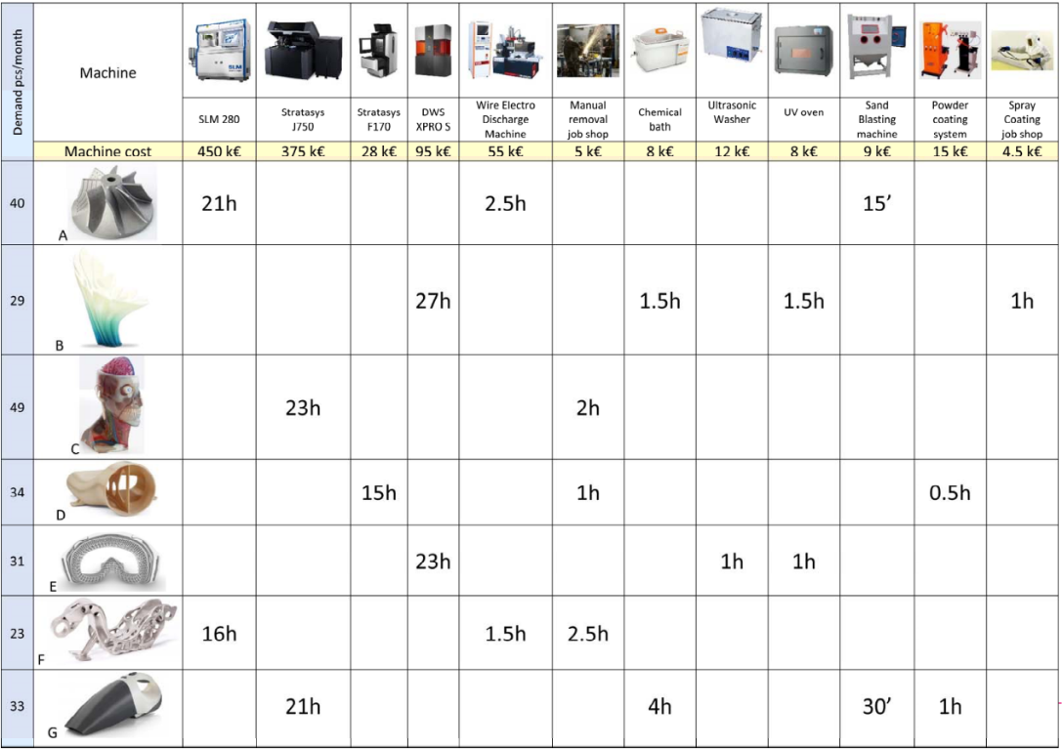
G | 0.35483870968 | 1 | L/U | 1 | 1 | 4
 |  | 2 | 2 | 2 | 1 | 1260
 |  | 3 | 7 | 3 | 1 | 240
 |  | 4 | 10 | 4 | 1 | 30
 |  | 5 | 11 | 5 | 1 | 60
 |  | 6 | L/U | 1 | 1 | 2

B | 0.31182795699 | 1 | L/U | 1 | 1 | 4
 |  | 2 | 4 | 2 | 1 | 1620
 |  | 3 | 7 | 3 | 1 | 90
 |  | 4 | 9 | 4 | 1 | 90
 |  | 5 | 12 | 5 | 1 | 60
 |  | 6 | L/U | 1 | 1 | 2

E | 0.33333333333 | 1 | L/U | 1 | 1 | 4
 |  | 2 | 4 | 2 | 1 | 1380
 |  | 3 | 8 | 3 | 1 | 60
 |  | 4 | 9 | 4 | 1 | 60
 |  | 5 | L/U | 1 | 1 | 2

Bottleneck method

 | Work Load (min) | WL_(L/U) | 6
 |  | WL_2 | 447.09677419
 |  | WL_4 | 965.16129032 |  |  |  | fijk = 1.0
 |  | WL_7 | 113.22580645 |  |  |  | nt = | 4.6666666667
 |  | WL_10 | 10.64516129 |  |  |  | handling time |  | 2 | min
 |  | WL_11 | 21.290322581
 |  | WL_9 | 48.064516129
 |  | WL_12 | 18.709677419
 |  | WL_8 | 20
 |  | WL_(n+1) | 9.3333333333 |  |  |  | number of servers for each machine is = 1

bottleneck is maximum of all Workloads
Bottleneck is WL_4 which means machine DWS XPRO S

production rate at bottleneck station
 |  |  | Rp | 0.0010360962567 | pc/min
 |  |  | Rp | 0.062165775401 | pc/hr

 | production rate G |  | Rp*Pj_G | 0.022058823529 | pc/hr
 | production rate B |  | Rp*Pj_B | 0.019385026738 | pc/hr
 | production rate E |  | Rp*Pj_E | 0.020721925134 | pc/hr

 |  |  |  |  |  | in %
 | Utilization | U_(L/U) | = | WL_(L/U)*Rp | 0.0062165775401 | 0.62165775401
 |  | U_2 | = | WL_2*Rp | 0.46323529412 | 46.323529412
 |  | U_4 | = | WL_4*Rp | 1 | 100
 |  | U_7 | = | WL_7*Rp | 0.11731283422 | 11.731283422
 |  | U_10 | = | WL_10*Rp | 0.011029411765 | 1.1029411765
 |  | U_11 | = | WL_11*Rp | 0.022058823529 | 2.2058823529
 |  | U_9 | = | WL_9*Rp | 0.049799465241 | 4.9799465241
 |  | U_12 | = | WL_12*Rp | 0.019385026738 | 1.9385026738
 |  | U_8 | = | WL_8*Rp | 0.020721925134 | 2.0721925134
 |  | U_(n+1) | = | WL_(n+1)*Rp | 0.0096702317291 | 0.96702317291

Extended Bottleneck Method |  |  |  |  |  |  |  |  |  | case 1 |  |  | case2

 | MLT_1 | 1659.5268817
 | N* | 1.71942959

 | N | < | N* | → | case 1
 | N | > | N* | → | case 2

 | N | MLT_1 (min) | Rp (pc/min) | MLT_2 (min) | Tw (min)
 | 1 | 1659.5268817 | 0.00060258138088 |  | 0
 | 2 |  | 0.0010360962567 | 1930.3225806 | 270.79569892
 | 3 |  | 0.0010360962567 | 2895.483871 | 1235.9569892

CELL_3
M/P | C | D |  |  | product | demand
6 | 1 | 1 |  |  | C | 49 |  | PART_C |  | OPERATIONS | L/U | 2 | 6 | L/U
2 | 1 |  |  |  | D | 34 |  | PART_D |  | OPERATIONS | L/U | 3 | 6 | 11 | L/U
11 |  | 1 |  |  | SUM | 83
3 |  | 1 |  |  |  |  |  | P(C) | 0.59036144578 | PART MIX
 |  |  |  |  |  |  |  | P(D) | 0.40963855422
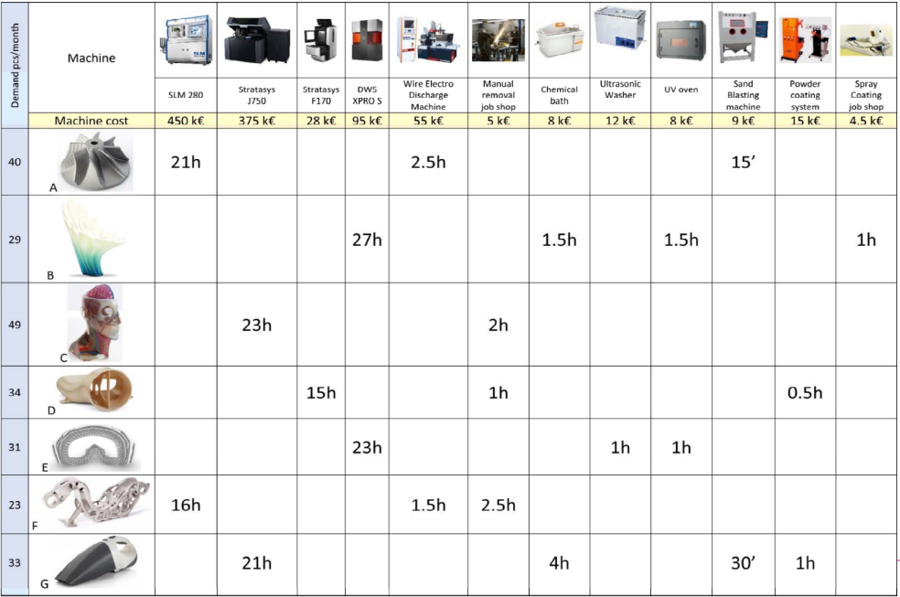
PART | MIX P(j) | OPERATION | DESCRIPTION | STATION | SERVER | TIME tijk (min)

C | 0.59036144578 | 1 | L/U | 1 | 1 | 4
 |  | 2 | 2 | 2 | 1 | 1380
 |  | 3 | 6 | 3 | 1 | 120
 |  | 4 | L/U | 1 | 1 | 2

D | 0.40963855422 | 1 | L/U | 1 | 1 | 4
 |  | 2 | 3 | 4 | 1 | 900
 |  | 3 | 6 | 3 | 1 | 60
 |  | 4 | 11 | 5 | 1 | 30
 |  | 5 | L/U | 1 | 1 | 2

Bottleneck method

Work Load (min) | WL_(L/U) | 6
 | WL_2 | 814.69879518
 | WL_6 | 95.421686747
 | WL_11 | 12.289156627
 | WL_3 | 368.6746988 |  |  |  | number of servers for each machine is = 1
 | WL_(n+1) | 6.8192771084 |  |  |  | fijk = 1.0
 |  |  |  |  |  | nt = | 3.4096385542
 |  |  |  |  |  | handling time |  | 2 | min

bottleneck is maximum of all Workloads
Bottleneck is WL_2 which means machine Manual Removal job shop

production rate at bottleneck station
 |  |  | Rp | 0.0012274475007 | pc/min
 |  |  | Rp | 0.073646850044 | pc/hr

production rate C |  | Rp*P(j)_C | 0.04347826087 | pc/hr
production rate D |  | Rp*P(j)_D | 0.030168589175 | pc/hr

 |  |  |  |  |  | in %
 | Utilization | U_(L/U) | = | WL_(L/U)*Rp | 0.0073646850044 | 0.73646850044
 |  | U_2 | = | WL_2*Rp | 1 | 100
 |  | U_6 | = | WL_6*Rp | 0.11712511091 | 11.712511091
 |  | U_11 | = | WL_1*Rp | 0.015084294587 | 1.5084294587
 |  | U_3 | = | WL_3*Rp | 0.45252883762 | 45.252883762
 |  | U_(n+1) | = | WL_(n+1)*Rp | 0.0083703046436 | 0.83703046436

 |  |  |  |  |  |  |  |  | case 1 |  | case2
Extended Bottleneck Method

 | MLT_1 | 1303.9036145
 | N* | 1.6004732328

 | N | < | N* | → | case 1
 | N | > | N* | → | case 2

 | N | MLT_1 (min) | Rp (pc/min) | MLT_2 (min) | Tw (min)
 | 1 | 1303.9036145 | 0.00076692785334 |  | 0
 | 2 |  | 0.0012274475007 | 1629.3975904 | 325.4939759
 | 3 |  | 0.0012274475007 | 2444.0963855 | 1140.1927711

FAS
Operation | Description | Tek (s) | Tek (min) | RWPi | LARGEST CANDIDATE RULE METHOD

 |  |  |  |  | s | i | Os | ∑Tek | Ω | Largest Candidate Rule |  |  | Formula for Balancing Efficiency Eb | Twc/w*Ts'
1 | positioning of p.11 | 16 | 0.27 | 4.86 | 1 | 0 | {} | 0 | {1,4,17} | s | Os | ∑Tek | Ts'= Max of ∑Tek from largest candidate rule and Ranked positional rule
2 | insertion of p.12 in p.11 | 18 | 0.3 | 1 |  | 1 | {1} | 0.27 | {2,4,17,6,8} | 1 | {1,2,4,17} | 0.97
3 | insertion of peg p.13 in p.12 | 12 | 0.2 | 0.7 |  |  | {1,2} | 0.57 | {4,17,3,6,8} | 2 | {3,5,6,7} | 1.08 | Eb for Largest Candidate Rule
4 | insertion of shim p.14 on p.15 | 12 | 0.2 | 0.7 |  |  | {1,2,4} | 0.77 | {17,3,6,8} | 3 | {8,9,10,11,12,13} | 0.94 | Eb | 0.94
5 | insertion of p.15 in p.12 | 30 | 0.5 | 0.5 |  |  | {1,2,4,17} | 0.97 | {3,6,8} | 4 | {14,15,16,18} | 1.05
6 | positioning of p.10 | 11 | 0.18 | 1.6 | 2 | 0 | {} | 0 | {3,6,8} |  |  |  | Eb for Ranked Positional Rule
7 | insertion of p.10 in p.11 | 12 | 0.2 | 1.42 |  | 1 | {3} | 0.2 | {5,6,8} |  |  |  | Eb | 0.93
8 | positioning of p.9 | 11 | 0.18 | 1.99 |  |  | {3,5} | 0.7 | {6,8} | Ranked Positional Weights Rule
9 | insertion of p.9 in p.11 | 12 | 0.2 | 1.81 |  |  | {3,5,6} | 0.88 | {7,8} | s | Os | ∑Tek
10 | insertion of p.8 on p.9 | 8 | 0.13 | 1.61 |  |  | {3,5,6,7} | 1.08 | {8} | 1 | {1,8,9,10,6,11} | 1.09
11 | insertion of p.7 on p.9 | 8 | 0.13 | 1.48 | 3 | 0 | {} | 0 | {8} | 2 | {7,12,13,14,2} | 1.05
12 | insertion of p.6 on p.9 | 8 | 0.13 | 1.35 |  | 1 | {8} | 0.18 | {9} | 3 | {15,4,17,3,16} | 0.9
13 | positioning of p.5 | 10 | 0.17 | 1.22 |  |  | {8,9} | 0.38 | {10} | 4 | {5,18} | 1
14 | insertion of p.5 on group 1 | 15 | 0.25 | 1.05 |  |  | {8,9,10} | 0.51 | {11}
15 | insertion of peg p.4 in p.5 | 8 | 0.13 | 0.8 |  |  | {8,9,10,11} | 0.64 | {12}
16 | insertion of p.3 on p.5 | 10 | 0.17 | 0.67 |  |  | {8,9,10,11,12} | 0.77 | {13}
17 | insertion of shim p.2 on p.1 | 12 | 0.2 | 0.7 |  |  | {8,9,10,11,12,13} | 0.94 | {14}
18 | insertion of p.1 in p.5 | 30 | 0.5 | 0.5 | 4 | 0 | {} | 0 | {14}
 | Sum Total (Twc) | 243 | 4.04 |  |  | 1 | {14} | 0.25 | {15}
 |  |  |  |  |  |  | {14,15} | 0.38 | {16}
 | Data Given | Values | units |  |  |  | {14,15,16} | 0.55 | {18}
 | Da: Annual Demand | 155000 | parts/year |  |  |  | {14,15,16,18} | 1.05 | {}
 | W: working weeks in a year | 45 | weeks/year
 | S: number of shifts in one week | 10 | shifts/week
 | H: number of hours in one shift | 8 | hours/shift |  | RANKED POSITIONAL WEIGHTS METHOD
 | Tr: repositioning time | 12 | sec
 |  | 0.2 | min |  | s | i | Os | ∑Tek | Ω
 | η: Availability | 0.95 |  |  | 1 | 0 | {} | 0 | {1,4,17}
 |  |  |  |  |  | 1 | {1} | 0.27 | {8,6,2,4,17}
Formulae | Rp: Production Rate = | Da/(W*S*H) | parts/hours |  |  |  | {1,8} | 0.45 | {9,6,2,4,17}
 | Tc: Cycle Time = | 60*η/Rp | min |  |  |  | {1,8,9} | 0.65 | {10,6,2,4,17}
 | Ts: Station time = | Tc - Tr | min |  |  |  | {1,8,9,10} | 0.78 | {6,11,2,4,17}
 | w*: Number of workers = | roundup(Twc/Tc) | workers |  |  |  | {1,8,9,10,6} | 0.96 | {11,7,2,4,17}
Application | Rp | 43 | parts/hours |  |  |  | {1,8,9,10,6,11} | 1.09 | {7,12,2,4,17}
 | Tc | 1.33 | min |  | 2 | 0 | {} | 0 | {7,12,2,4,17}
 | Ts | 1.13 | min |  |  | 1 | {7} | 0.2 | {12,2,4,17}
 | w* | 4 | workers |  |  |  | {7,12} | 0.33 | {13,2,4,17}
 |  |  |  |  |  |  | {7,12,13} | 0.5 | {14,2,4,17}
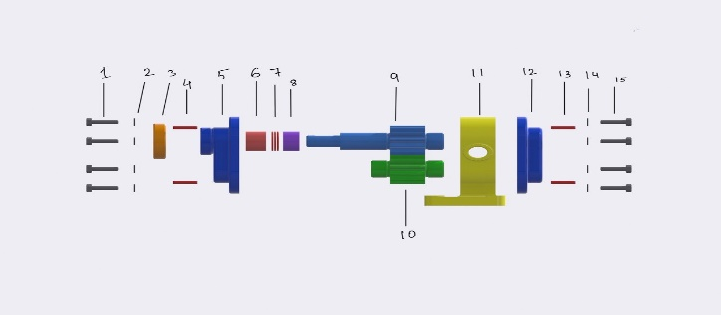
 |  |  |  |  |  |  | {7,12,13,14} | 0.75 | {2,15,4,17}
 |  |  |  |  |  |  | {7,12,13,14,2} | 1.05 | {15,4,17,3}
 |  |  |  |  | 3 | 0 | {} | 0 | {15,4,17,3}
 |  |  |  |  |  | 1 | {15} | 0.13 | {4,17,3,16}
 |  |  |  |  |  |  | {15,4} | 0.33 | {17,3,16,5}
 |  |  |  |  |  |  | {15,4,17} | 0.53 | {3,16,5,18}
 |  |  |  |  |  |  | {15,4,17,3} | 0.73 | {16,5,18}
 |  |  |  |  |  |  | {15,4,17,3,16} | 0.9 | {5,18}
 |  |  |  |  | 4 | 0 | {} | 0 | {5,18}
 |  |  |  |  |  | 1 | {5} | 0.5 | {18}
 |  |  |  |  |  |  | {5,18} | 1 | {}

