fig.1.
 | Collection time | Germination percentage | Fresh seeds percentage | fresh seeds
 | September 1 | 0 | 0 | 0
control | September 16 | 28.7 | 39.2 | 10.5
 | October 1 | 66.3 | 96.8 | 30.5
 | October 16 | 43.6 | 97.1 | 53.5
 | November 1 | 18.5 | 93.8 | 75.3

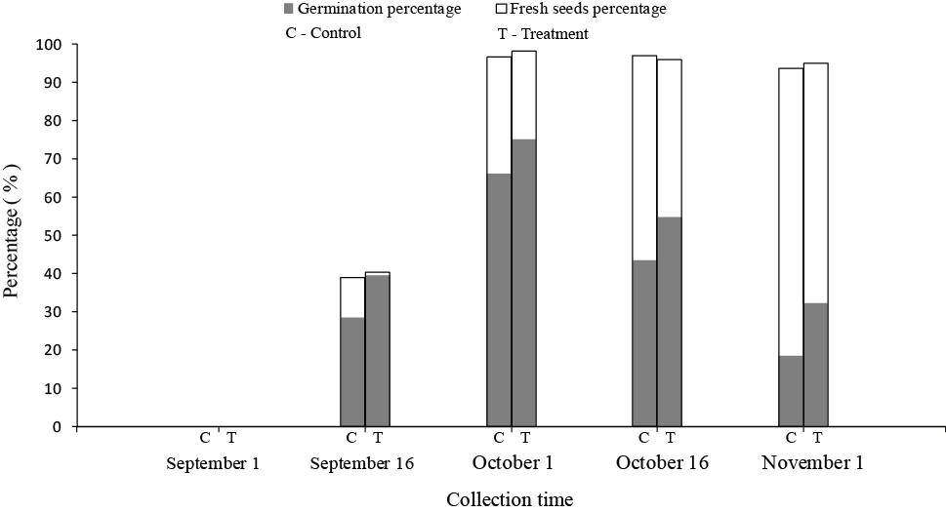

 | Collection time | Germination percentage | Fresh seeds percentage | fresh seeds
 | September 1 | 0 | 0 | 0
treatment | September 16 | 39.5 | 40.5 | 1.0
 | October 1 | 75.3 | 98.1 | 22.8
 | October 16 | 54.8 | 96.1 | 41.3
 | November 1 | 32.3 | 95.1 | 62.8

fig.2.
GAs | Collection time | September 16 | October 1 | October 16 | November 1
 | control | 17.145460488 | 17.860502677 | 15.383834022 | 9.5671993906
 | treatment | 21.237261489 | 24.578005227 | 23.672019013 | 22.991296658

fig.3.
ABA | Collection time | September 16 | October 1 | October 16 | November 1
 | control | 96.537850356 | 107.10709456 | 211.99135122 | 223.28448518
 | treatment | 85.088131448 | 79.998529571 | 154.18014708 | 170.94211134

fig.4.
GAs:ABA | Collection time | September 16 | October 1 | October 16 | November 1
 | control | 0.17760350396 | 0.16675368471 | 0.072568215324 | 0.042847577981
 | treatment | 0.24959134873 | 0.30723071235 | 0.15353480628 | 0.13449755873

