Repossession time plan
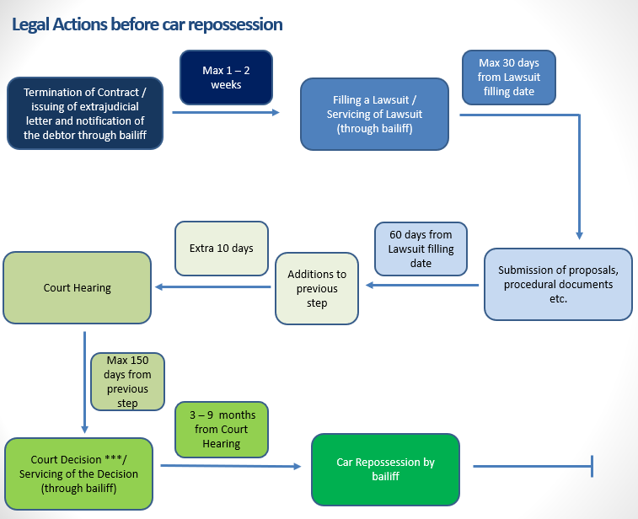

A | best case scenario
310 | days
44 | weeks
11 | months

B | worst case scenario
430 | days
61 | weeks
15 | months

