BatteryLifeCalc
Battery Life |  | Battery Health |  |  |  | Designed Capacity
#DIV/0! |  | #VALUE! | #VALUE! |  | User Input-> |  |  |  | Wh
 |  |  |  |  | (Follow Instructions to fill this box)

 | paste here |  |  | 0:00:00
 |  |  |  | 0:00:00
 |  |  |  | 0:00:00
 |  |  |  | 0:00:00
 |  |  |  | 0:00:00
 |  |  |  | 0:00:00
 |  |  |  | 0:00:00 |  |  |  |  |  |  |  |  |  | Do not Copy the Date
 |  |  |  | 0:00:00 |  | Instructions
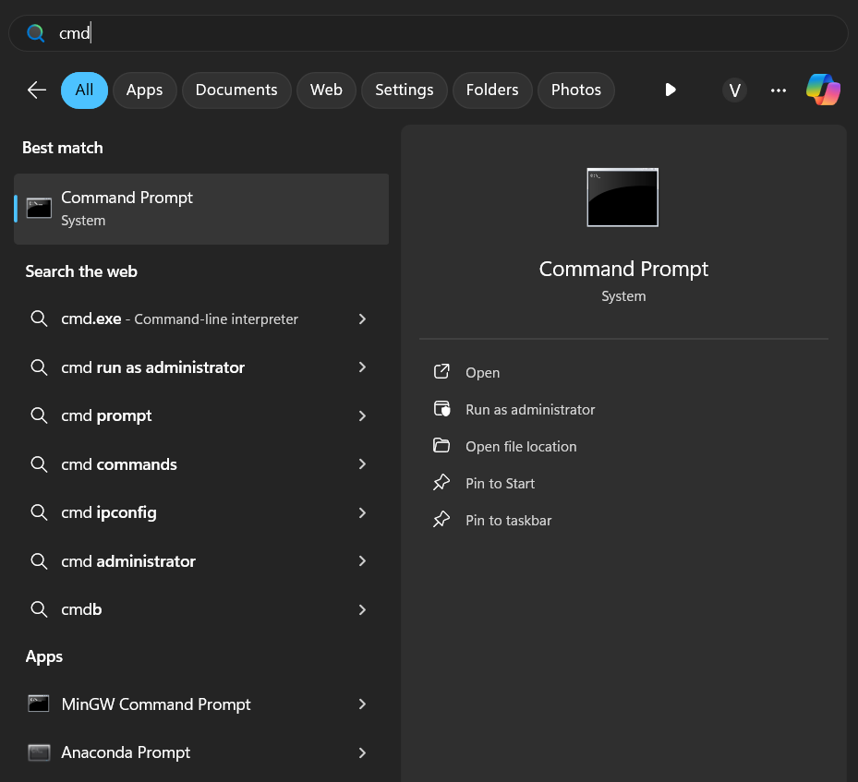
 |  |  |  | 0:00:00 |  |  |  |  |  |  | step 2 | step 3 | step 4 |  | Step 5 | Step 6
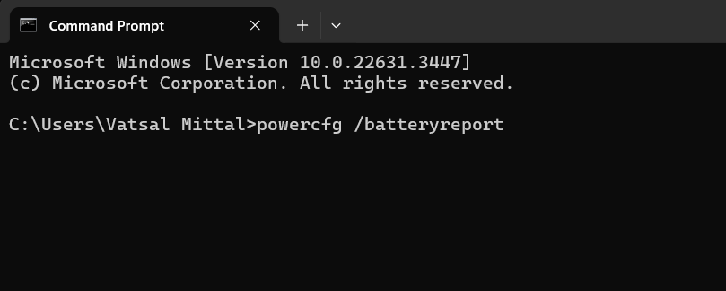
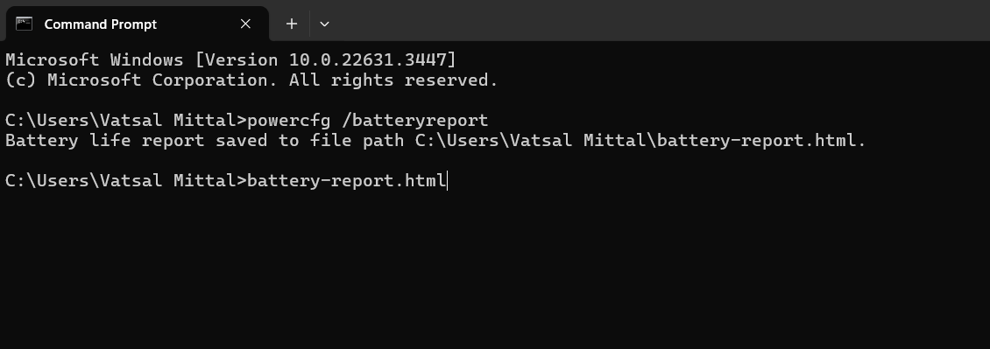
 |  |  |  | 0:00:00 |  |  |  |  |  |  |  |  | In the html file that opens… go to the Recent Usage Table
 |  |  |  | 0:00:00 |  |  |  |  |  |  |  |  |  |  | Paste this data in Cell B6 (at the top left of the Spreadsheet) | Do not forget to put your designed capicity. You can find it in the html file
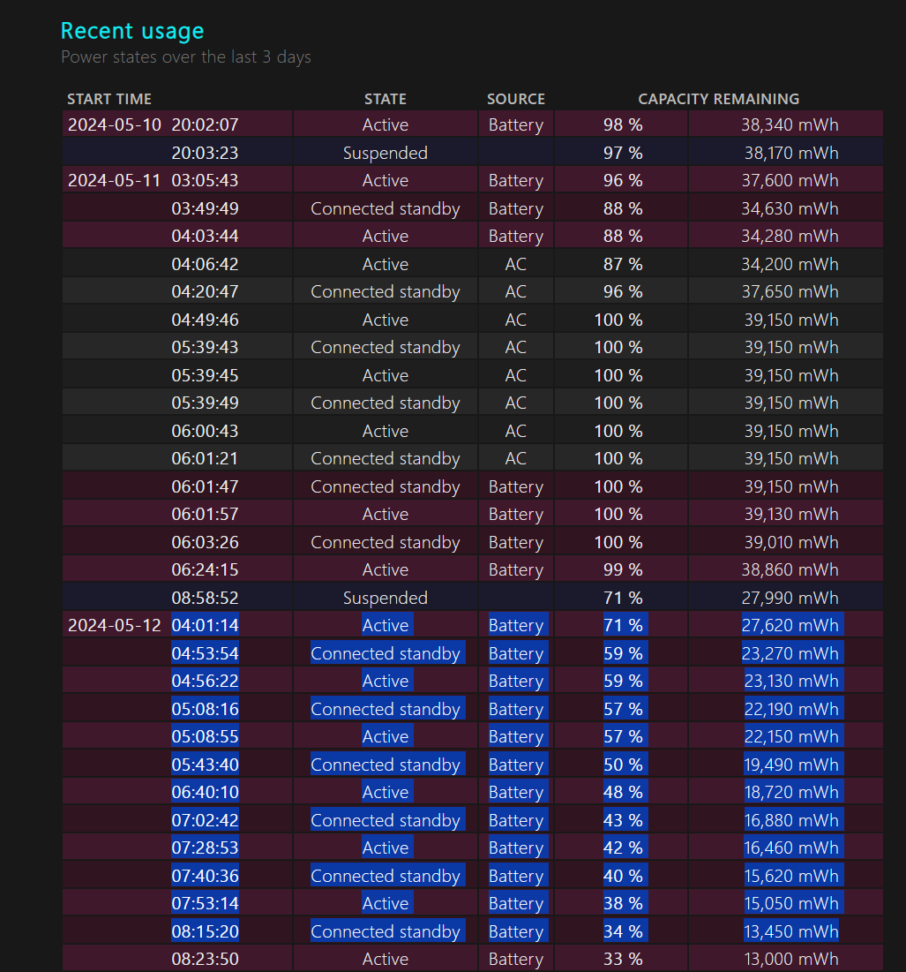

 |  |  |  | 0:00:00 |  |  |  |  |  |  |  |  | Select and Copy a good chunk of the data where it says battery |  | (You don’t have to delete the previous data. You can overwrite on B6)
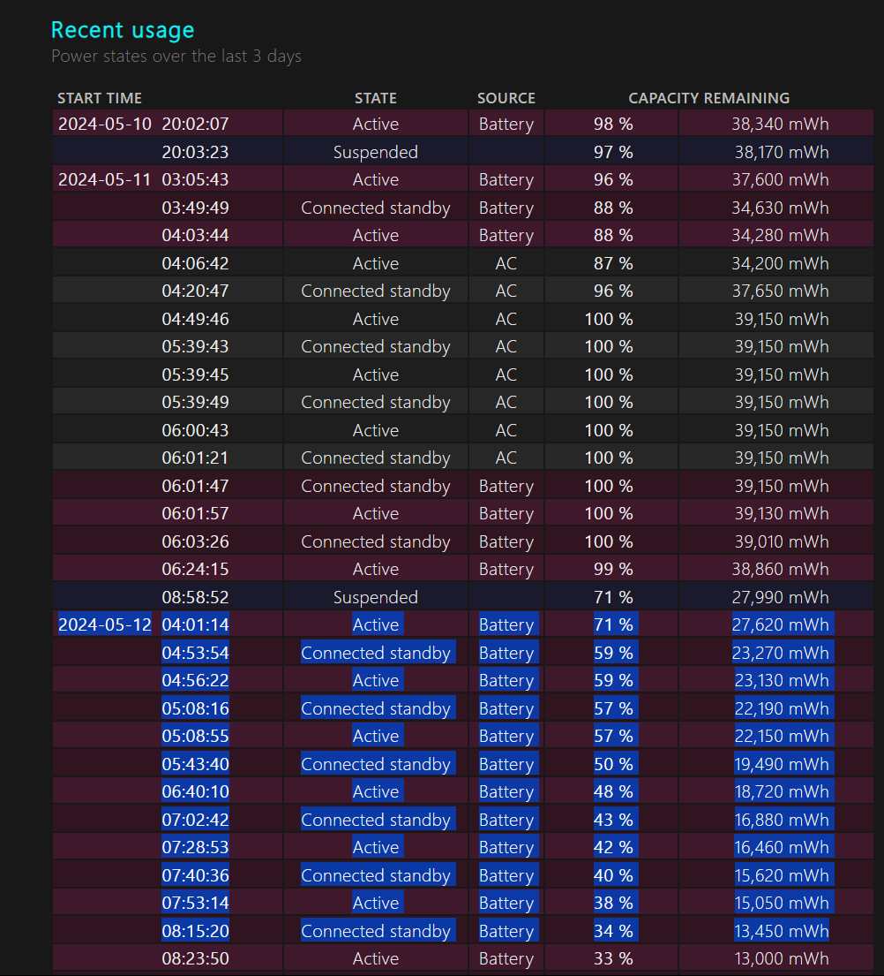
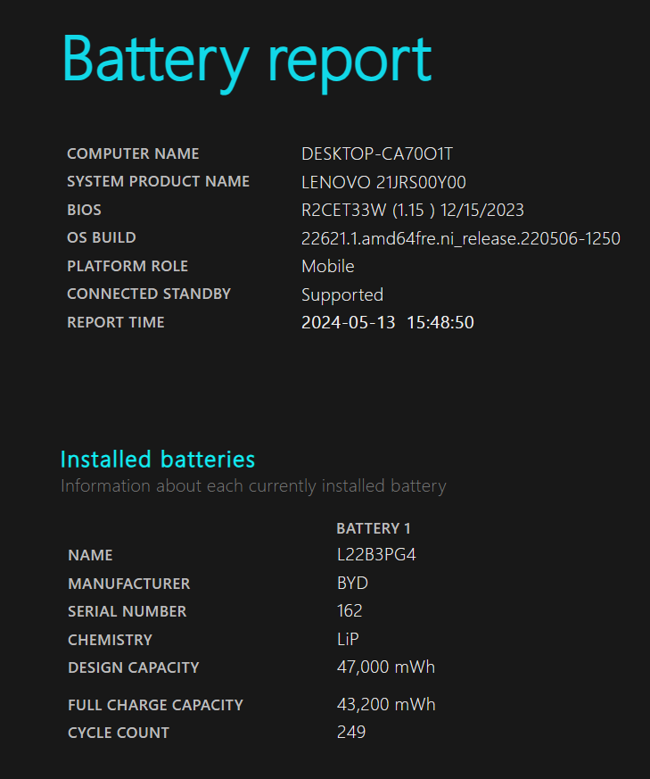
 |  |  |  | 0:00:00
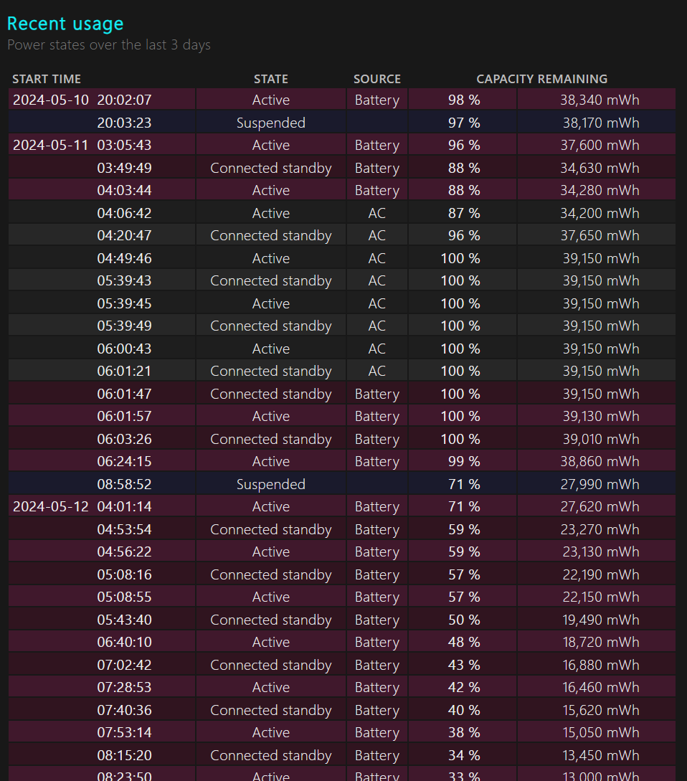
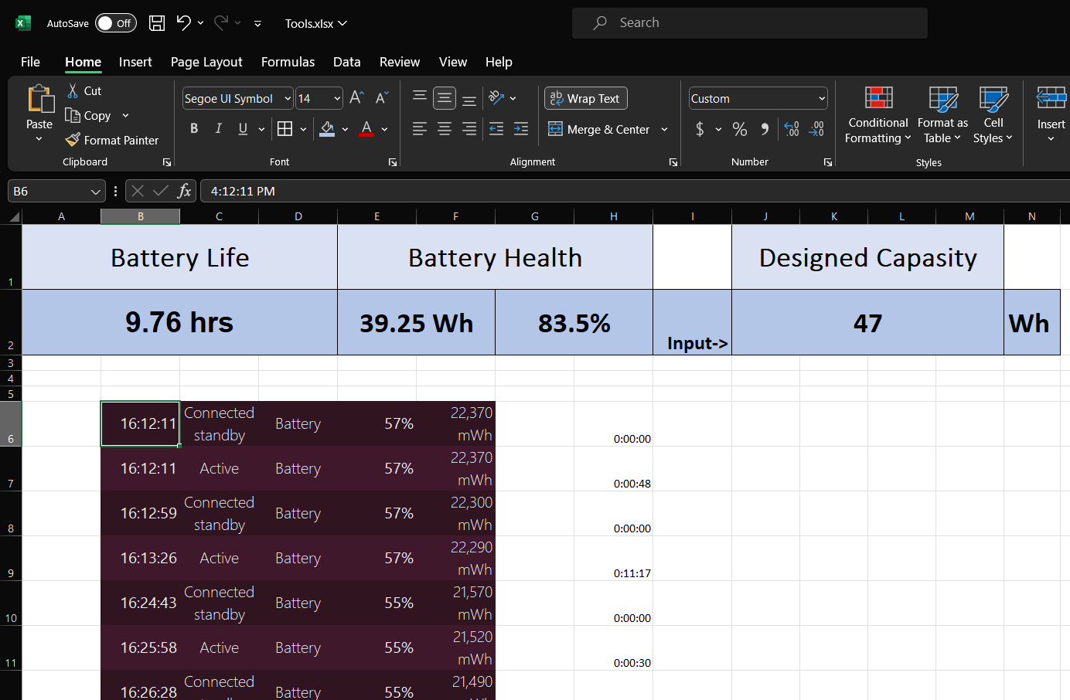
 |  |  |  | 0:00:00
 |  |  |  | 0:00:00
 |  |  |  | 0:00:00
 |  |  |  | 0:00:00
 |  |  |  | 0:00:00
 |  |  |  | 0:00:00 |  |  |  |  |  |  | powercfg /batteryreport | battery-report.html
 |  |  |  | 0:00:00
 |  |  |  | 0:00:00
 |  |  |  | 0:00:00 |  |  |  |  |  |  | and then press enter | and then press enter
 |  |  |  | 0:00:00
 |  |  |  | 0:00:00
 |  |  |  | 0:00:00
 |  |  |  | 0:00:00
 |  |  |  | 0:00:00
 |  |  |  | 0:00:00
 |  |  |  | 0:00:00 |  | Nothing to see below here
 |  |  |  | 0:00:00 |  | 😁
 |  |  |  | 0:00:00
 |  |  |  | 0:00:00 |  | 0.00
 |  |  |  | 0:00:00 |  | 100% Battery-> Capacity | #VALUE! | Wh
 |  |  |  | 0:00:00 |  | Battery Health -> | #VALUE! |  |  | #VALUE!
 |  |  |  | 0:00:00
 |  |  |  | 0:00:00
 |  |  |  | 0:00:00
 |  |  |  | 0:00:00
 |  |  |  | 0:00:00
 |  |  |  | 0:00:00
 |  |  |  | 0:00:00
 |  |  |  | 0:00:00
 |  |  |  | 0:00:00
 |  |  |  | 0:00:00
 |  |  |  |  | Hour | Minute | Battery Percentage
 |  |  |  | 0:00:00 | 0 | 0 | 0.00
 |  |  |  | #DIV/0! | Hrs
 |  |  |  |  |  |  | 0.00 | 0
 |  |  |  |  |  |  |  | 0
 |  |  |  |  |  |  |  | 0
 |  |  |  |  |  |  |  | 0
 |  |  |  |  |  |  |  | 0
 |  |  |  |  |  |  |  | 0
 |  |  |  |  |  |  |  | 0
 |  |  |  |  |  |  |  | 0
 |  |  |  |  |  |  |  | 0
 |  |  |  |  |  |  |  | 0
 |  |  |  |  |  |  |  | 0
 |  |  |  |  |  |  |  | 0
 |  |  |  |  |  |  |  | 0
 |  |  |  |  |  |  |  | 0
 |  |  |  |  |  |  |  | 0
 |  |  |  |  |  |  |  | 0
 |  |  |  |  |  |  |  | 0
 |  |  |  |  |  |  |  | 0
 |  |  |  |  |  |  |  | 0
 |  |  |  |  |  |  |  | 0
 |  |  |  |  |  |  |  | 0
 |  |  |  |  |  |  |  | 0
 |  |  |  |  |  |  |  | 0
 |  |  |  |  |  |  |  | 0
 |  |  |  |  |  |  |  | 0
 |  |  |  |  |  |  |  | 0
 |  |  |  |  |  |  |  | 0
 |  |  |  |  |  |  |  | 0
 |  |  |  |  |  |  |  | 0
 |  |  |  |  |  |  |  | 0
 |  |  |  |  |  |  |  | 0
 |  |  |  |  |  |  |  | 0
 |  |  |  |  |  |  |  | 0
 |  |  |  |  |  |  |  | 0
 |  |  |  |  |  |  |  | 0
 |  |  |  |  |  |  |  | 0
 |  |  |  |  |  |  |  | 0
 |  |  |  |  |  |  |  | 0
 |  |  |  |  |  |  |  | 0
 |  |  |  |  |  |  |  | 0
 |  |  |  |  |  |  |  | 0
 |  |  |  |  |  |  |  | 0
 |  |  |  |  |  |  |  | 0
 |  |  |  |  |  |  |  | 0
 |  |  |  |  |  |  |  | 0

