GUI
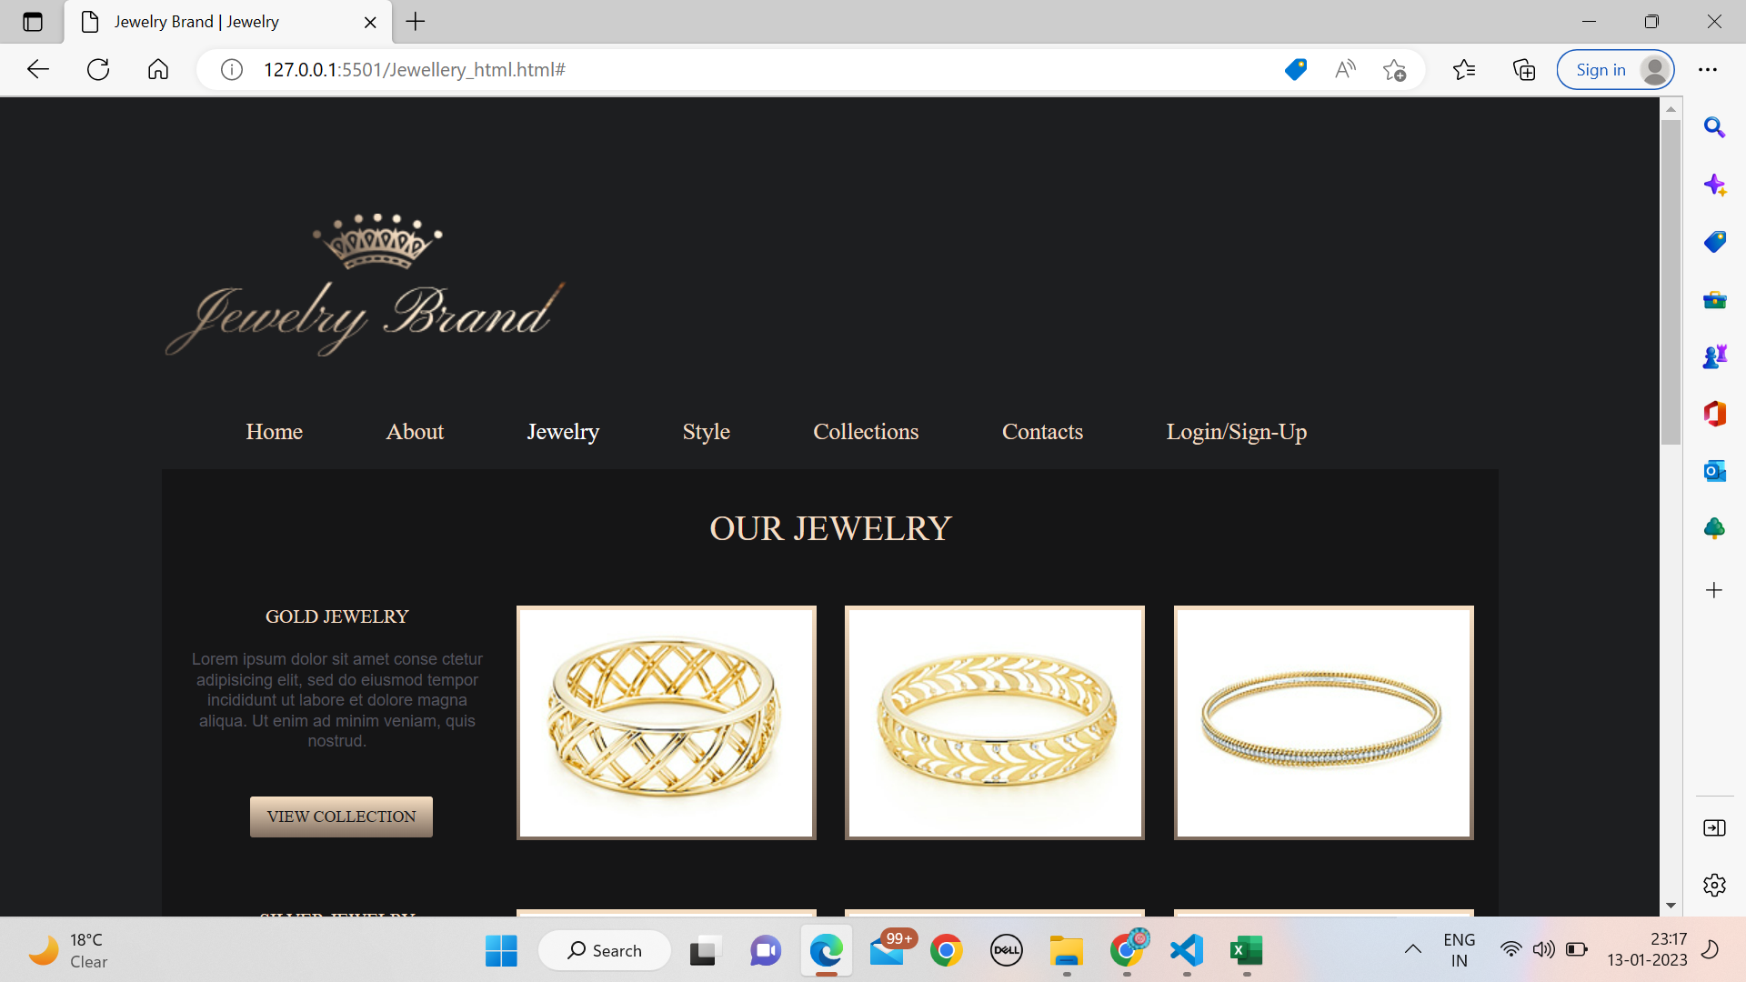
21CE116(Vatsal Rathod) | LOGIN PAGE FRONT-END | 21CE083(Bhavin Ondhiya) | BACK-END

