Ballmap - SIP
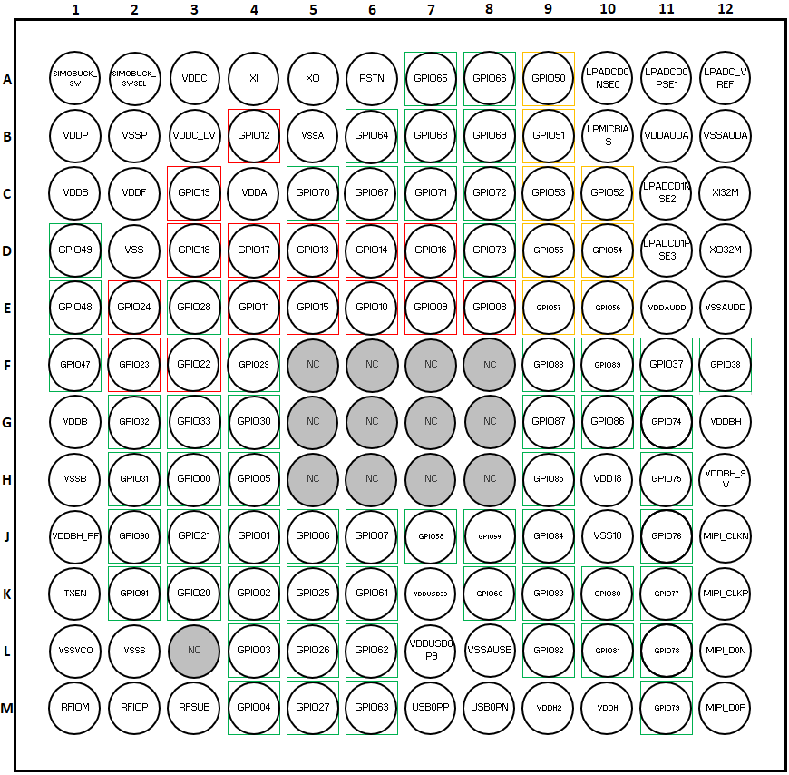
 | Ball | Name | Description | Ball
 | A12 | LPADC_VREF | LP ADC Reference Decap | A12
 | A10 | LPADCD0NSE0 | LP Analog to Digital Converter SE0/DiffN IN0 | A10
 | A11 | LPADCD0PSE1 | LP Analog to Digital Converter SE1/DiffP IN0 | A11
 | C11 | LPADCD1NSE2 | LP Analog to Digital Converter SE2/DiffN IN1 | C11
 | D11 | LPADCD1PSE3 | LP Analog to Digital Converter SE3/DiffP IN1 | D11
 | B10 | LPMICBIAS | LP Microphone Bias | B10
 | J12 | MIPI_CLKN | MIPI DPHY Clock Lane N | J12
 | K12 | MIPI_CLKP | MIPI DPHY Clock Lane P | K12
 | L12 | MIPI_D0N | MIPI DPHY Data Lane 0N | L12
 | M12 | MIPI_D0P | MIPI DPHY Data Lane 0P | M12
 | F5 | NC | No Connect | F5
 | F6 | NC | No Connect | F6
 | F7 | NC | No Connect | F7
 | F8 | NC | No Connect | F8
 | G5 | NC | No Connect | G5
 | G6 | NC | No Connect | G6
 | G7 | NC | No Connect | G7
 | G8 | NC | No Connect | G8
 | H5 | NC | No Connect | H5
 | H6 | NC | No Connect | H6
 | H7 | NC | No Connect | H7
 | H8 | NC | No Connect | H8
 | L3 | NC | No Connect | L3
 | H3 | PAD00 | General purpose I/O | H3
 | J4 | PAD01 | General purpose I/O | J4
 | K4 | PAD02 | General purpose I/O | K4
 | L4 | PAD03 | General purpose I/O | L4
 | M4 | PAD04 | General purpose I/O | M4
 | H4 | PAD05 | General purpose I/O | H4
 | J5 | PAD06 | General purpose I/O | J5
 | J6 | PAD07 | General purpose I/O | J6
 | E8 | PAD08 | General purpose I/O | E8
 | E7 | PAD09 | General purpose I/O | E7
 | E6 | PAD10 | General purpose I/O | E6
 | E4 | PAD11 | General purpose I/O | E4
 | B4 | PAD12 | General purpose I/O | B4
 | D5 | PAD13 | General purpose I/O | D5
 | D6 | PAD14 | General purpose I/O | D6
 | E5 | PAD15 | General purpose I/O | E5
 | D7 | PAD16 | General purpose I/O | D7
 | D4 | PAD17 | General purpose I/O | D4
 | D3 | PAD18 | General purpose I/O | D3
 | C3 | PAD19 | General purpose I/O | C3
 | K3 | PAD20 | General purpose I/O | K3
 | J3 | PAD21 | General purpose I/O | J3
Ball size and package standoff dimensions for potential 0.35mm pitch SiP | F3 | PAD22 | General purpose I/O | F3
 | F2 | PAD23 | General purpose I/O | F2
 | E2 | PAD24 | General purpose I/O | E2
 | K5 | PAD25 | General purpose I/O | K5
 | L5 | PAD26 | General purpose I/O | L5
 | M5 | PAD27 | General purpose I/O | M5
 | E3 | PAD28 | General purpose I/O | E3
 | F4 | PAD29 | General purpose I/O | F4
 | G4 | PAD30 | General purpose I/O | G4
 | H2 | PAD31 | General purpose I/O | H2
 | G2 | PAD32 | General purpose I/O | G2
 | G3 | PAD33 | General purpose I/O | G3
 | F11 | PAD37 | General purpose I/O | F11
 | F12 | PAD38 | General purpose I/O | F12
 | F1 | PAD47 | General purpose I/O | F1
 | E1 | PAD48 | General purpose I/O | E1
 | D1 | PAD49 | General purpose I/O | D1
 | A9 | PAD50 | General purpose I/O | A9
 | B9 | PAD51 | General purpose I/O | B9
 | C10 | PAD52 | General purpose I/O | C10
 | C9 | PAD53 | General purpose I/O | C9
 | D10 | PAD54 | General purpose I/O | D10
 | D9 | PAD55 | General purpose I/O | D9
 | E10 | PAD56 | General purpose I/O | E10
 | E9 | PAD57 | General purpose I/O | E9
 | J7 | PAD58 | General purpose I/O | J7
 | J8 | PAD59 | General purpose I/O | J8
 | K8 | PAD60 | General purpose I/O | K8
 | K6 | PAD61 | General purpose I/O | K6
 | L6 | PAD62 | General purpose I/O | L6
 | M6 | PAD63 | General purpose I/O | M6
 | B6 | PAD64 | General purpose I/O | B6
 | A7 | PAD65 | General purpose I/O | A7
 | A8 | PAD66 | General purpose I/O | A8
 | C6 | PAD67 | General purpose I/O | C6
 | B7 | PAD68 | General purpose I/O | B7
 | B8 | PAD69 | General purpose I/O | B8
 | C5 | PAD70 | General purpose I/O | C5
 | C7 | PAD71 | General purpose I/O | C7
 | C8 | PAD72 | General purpose I/O | C8
 | D8 | PAD73 | General purpose I/O | D8
 | G11 | PAD74 | General purpose I/O | G11
 | H11 | PAD75 | General purpose I/O | H11
 | J11 | PAD76 | General purpose I/O | J11
 | K11 | PAD77 | General purpose I/O | K11
 | L11 | PAD78 | General purpose I/O | L11
 | M11 | PAD79 | General purpose I/O | M11
 | K10 | PAD80 | General purpose I/O | K10
 | L10 | PAD81 | General purpose I/O | L10
 | L9 | PAD82 | General purpose I/O | L9
 | K9 | PAD83 | General purpose I/O | K9
 | J9 | PAD84 | General purpose I/O | J9
 | H9 | PAD85 | General purpose I/O | H9
 | G10 | PAD86 | General purpose I/O | G10
 | G9 | PAD87 | General purpose I/O | G9
 | F9 | PAD88 | General purpose I/O | F9
 | F10 | PAD89 | General purpose I/O | F10
 | J2 | PAD90 | General purpose I/O | J2
 | K2 | PAD91 | General purpose I/O | K2
 | M1 | RFIOM | RF IO negative | M1
 | M2 | RFIOP | RF IO positive | M2
 | M3 | RFSUB | RF Substrate ground | M3
 | A6 | RSTN | External reset input (aka nRST) | A6
 | A1 | SIMOBUCK_SW | SIMO Buck converter inductor switch output | A1
 | A2 | SIMOBUCK_SWSEL | SIMO Buck converter inductor switch input | A2
 | K1 | TXEN | Transmitter enable | K1
 | M8 | USB0PN | The differential input/output signals of the PHY that support multiple modes. Depending on mode of operation they are either signaling 3.3V or 800mV differential. | M8
 | M7 | USB0PP | The differential input/output signals of the PHY that support multiple modes. Depending on mode of operation they are either signaling 3.3V or 800mV differential. | M7
 | H10 | VDD18 | VDD supply for MIPI PHY | H10
 | C4 | VDDA | Analog voltage supply | C4
 | B11 | VDDAUDA | Analog Audio Voltage supply | B11
 | E11 | VDDAUDD | Digital Audio Voltage supply | E11
 | G1 | VDDB | BLE voltage supply (VCC) | G1
 | G12 | VDDBH | BLE Buck converter VOUT | G12
 | J1 | VDDBH_RF | BLE Buck converter RF VOUT | J1
 | H12 | VDDBH_SW | BLE Buck converter inductor switch | H12
 | A3 | VDDC | Core Buck converter VOUT | A3
 | B3 | VDDC_LV | Core_LV Buck converter VOUT | B3
 | C2 | VDDF | Mem Buck converter VOUT | C2
 | M10 | VDDH | High voltage domain power supply | M10
 | M9 | VDDH2 | High voltage domain2 power supply | M9
 | B1 | VDDP | VDD supply to I/O pads (Core) | B1
 | C1 | VDDS | SRAM high voltage supply | C1
 | L7 | VDDUSB0P9 | USB 0.9v analog voltage supply | L7
 | K7 | VDDUSB33 | USB 3.3v voltage supply | K7
 | D2 | VSS | Digital Ground for VDDF and PADS (Noisy) - (Previously called GNDD) | D2
 | J10 | VSS18 | MIPI PHY Analog Ground | J10
 | B5 | VSSA | Analog Ground - Same as GNDA | B5
 | B12 | VSSAUDA | Analog Audio Ground | B12
 | E12 | VSSAUDD | Digital Audio Ground | E12
 | L8 | VSSAUSB | USB PHY Analog Ground | L8
 | H1 | VSSB | BLE unregulated ground connection | H1
 | B2 | VSSP | Ground Connection for buck regs - Same as GNDP | B2
 | L2 | VSSS | RF substrate Ground for BLE Core | L2
 | L1 | VSSVCO | BLECORE Signals - Ground for VCO | L1
 | A4 | XI | 32.768kHz crystal input | A4
 | C12 | XI32M | 32MHz crystal input | C12
 | A5 | XO | 32.768kHz crystal output | A5
 | D12 | XO32M | 32MHz crystal output | D12

