Folha1
Results after Training with Lab Computers

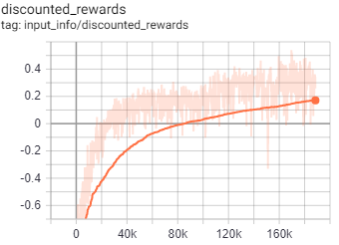
 |  | Session 1 | LR = 5e-4
Solution: | 21

Changes: | 2. Session: Reward changed to ray intersection detection reward

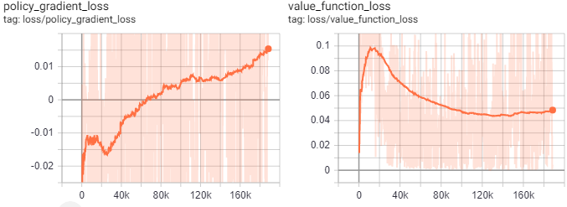
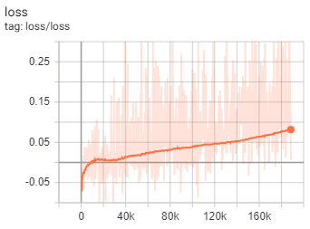
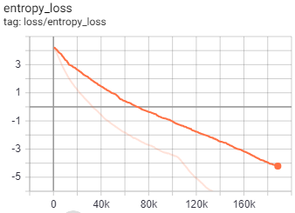

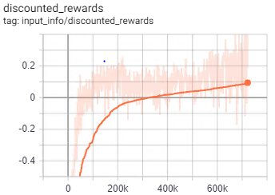
 |  | Session 2 | LR = 2.5e-4
Solution | 30

Changes | S2: Chanhed LR to 2.0e-4; changed nminibatchsize

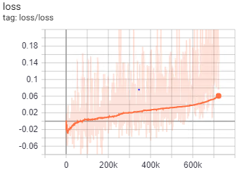
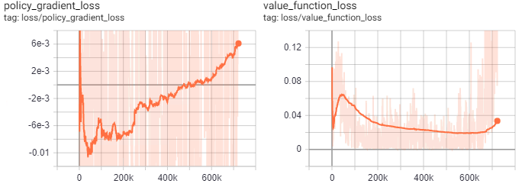

 |  | Session 2 | LR = 2.0e-4

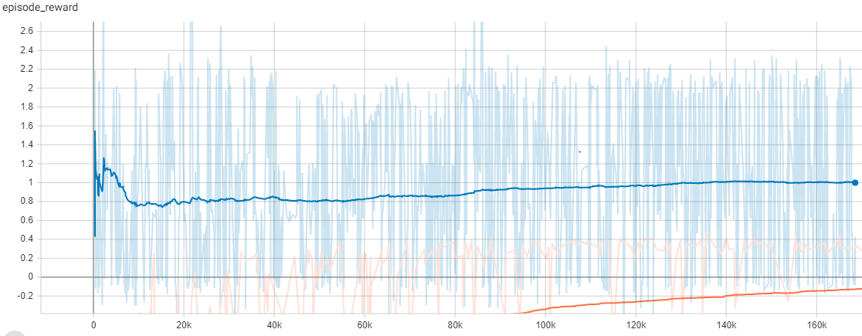
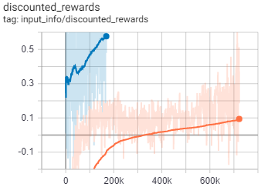

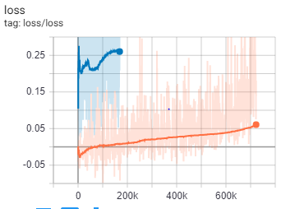
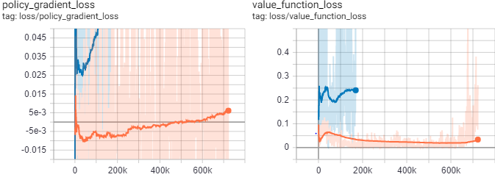

 |  | Session 3 | LR = 1.5e-5
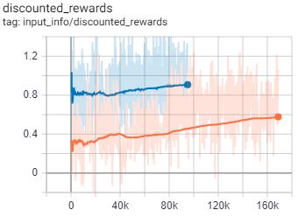

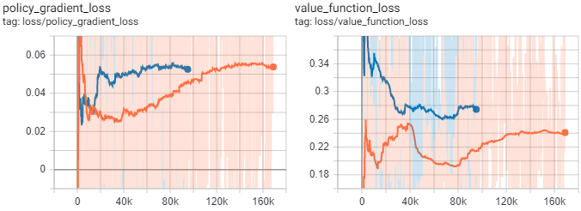
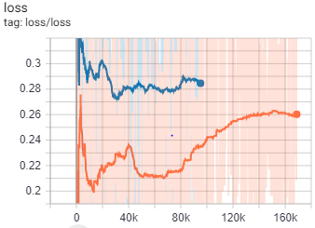

 |  | Session 4 | LR = 1e-4

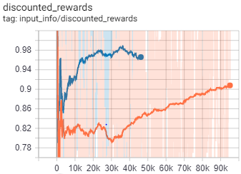

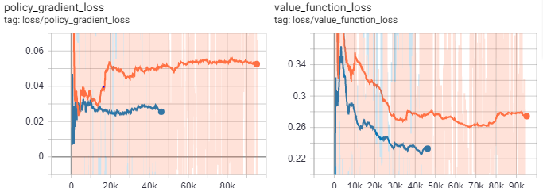
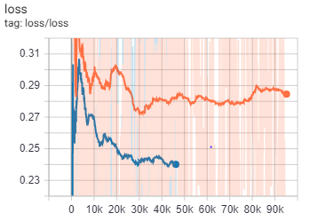

 |  | Session 5 | LR = 5e-5
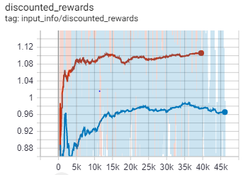

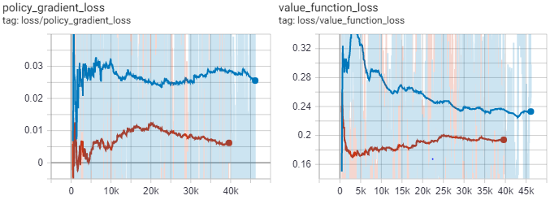
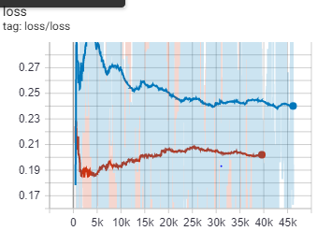

D2_Path_Finding

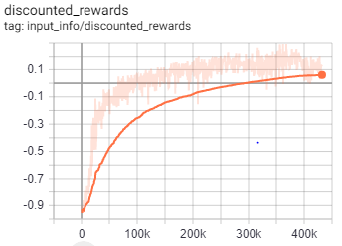
 | Network Architecture | [150, 150]

 | Max. IK points | 5

 | Action Low | [-2, -2, -2, -pi]
 | Action High | [2, 2, 2, pi]
 | Training Parameters
 | gamma | 0.95
 | n_steps | 40
 | entrop_coef | 0.01
 | learning_rate | 5.00E-04
 | vf_coef | 0.5
 | max_grad_norm | 0.5
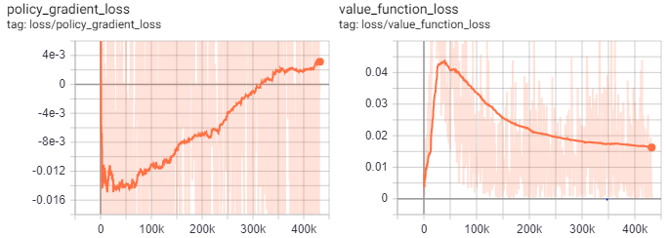
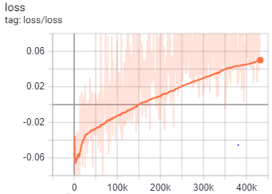
 | lam | 0.95
 | n_minibatches | 4
 | cliprange_vf | None
 | noptepochs | 4
 | cliprange_vf | 0.2

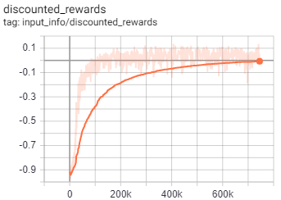
 | Network Architecture | [150, 150]

 | Max. IK points | 8

 | Action Low | [-2, -2, -2, -pi]
 | Action High | [2, 2, 2, pi]
 | Training Parameters
 | gamma | 0.95
 | n_steps | 40
 | entrop_coef | 0.01
 | learning_rate | 5.00E-04
 | vf_coef | 0.5
 | max_grad_norm | 0.5
 | lam | 0.95
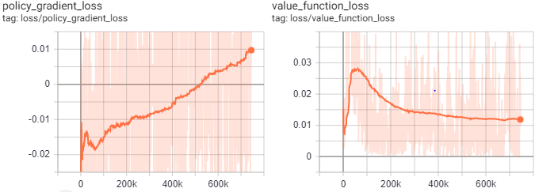
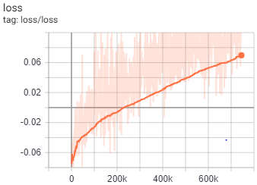
 | n_minibatches | 4
 | cliprange_vf | None
 | noptepochs | 4
 | cliprange_vf | 0.2

 | Notes: Could not converge becuase of the impermeability
 | of the obstacle. It was not big enough, so it was not
 | possible at all.

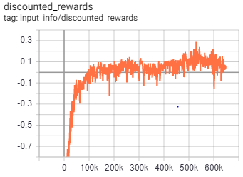
D2_III | Network Architecture | [150, 150]
Changed Obs.
 | Max. IK points | 8

 | Action Low | [-2, -2, -2, -pi]
 | Action High | [2, 2, 2, pi]
 | Training Parameters
 | gamma | 0.95
 | n_steps | 40
 | entrop_coef | 0.01
 | learning_rate | 5.00E-04
 | vf_coef | 0.5
 | max_grad_norm | 0.5
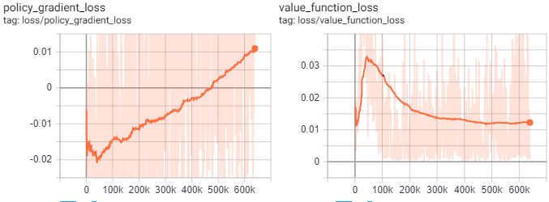
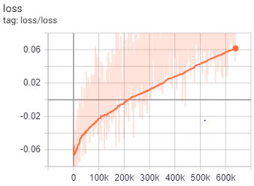
 | lam | 0.95
 | n_minibatches | 4
 | cliprange_vf | None
 | noptepochs | 4
 | cliprange_vf | 0.2

 |  | Session 2 | LR = 5e-5
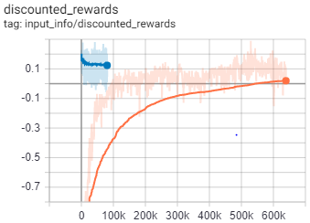

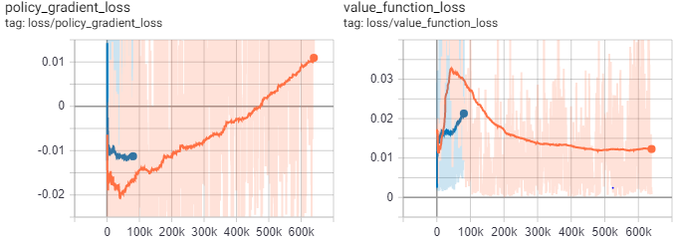
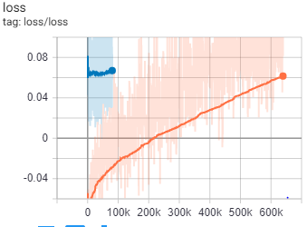

D3_Integrated

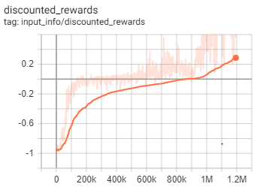
D3_I | Network Architecture | [150, 150]

 | Max. IK points | 9

 | Action Low | [-2, -2, -2, -pi]
 | Action High | [2, 2, 2, pi]
 | Training Parameters
 | gamma | 0.95
 | n_steps | 40
 | entrop_coef | 0.01
 | learning_rate | 2.50E-04
 | vf_coef | 0.5
 | max_grad_norm | 0.5
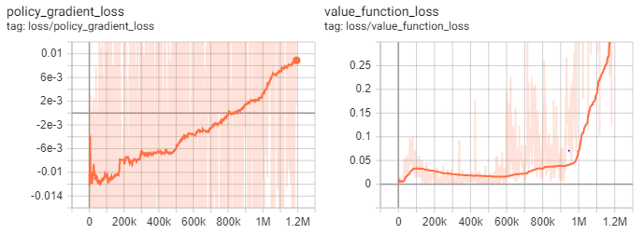
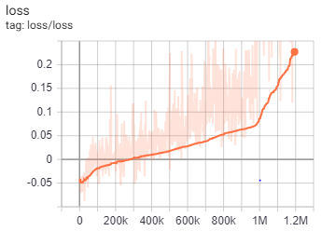
 | lam | 0.95
 | n_minibatches | 10
 | cliprange_vf | None
 | noptepochs | 4
 | cliprange_vf | 0.2

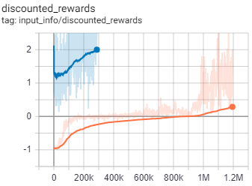
D3_II | Network Architecture | [150, 150]

 | Max. IK points | 9

 | Action Low | [-2, -2, -2, -pi]
 | Action High | [2, 2, 2, pi]
 | Training Parameters
 | gamma | 0.95
 | n_steps | 40
 | entrop_coef | 0.01
 | learning_rate | 1.00E-04
 | vf_coef | 0.5
 | max_grad_norm | 0.5
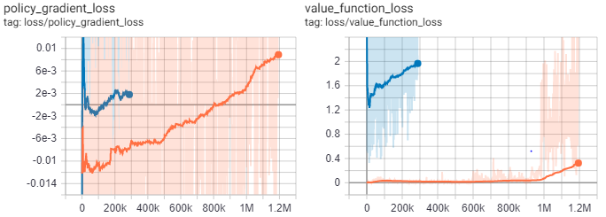
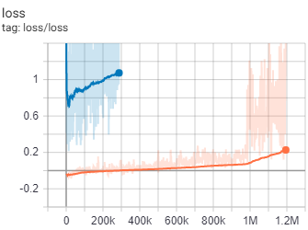
 | lam | 0.95
 | n_minibatches | 10
 | cliprange_vf | None
 | noptepochs | 4
 | cliprange_vf | 0.2

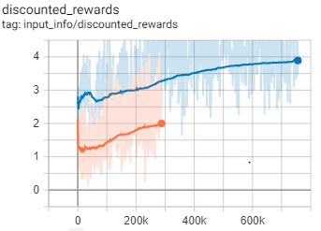
D3_III | Network Architecture | [150, 150]

 | Max. IK points | 9

 | Action Low | [-2, -2, -2, -pi]
 | Action High | [2, 2, 2, pi]
 | Training Parameters
 | gamma | 0.95
 | n_steps | 40
 | entrop_coef | 0.01
 | learning_rate | 5.00E-05
 | vf_coef | 0.5
 | max_grad_norm | 0.5
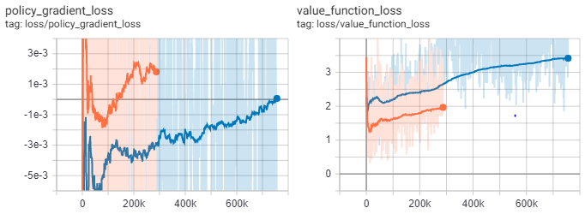
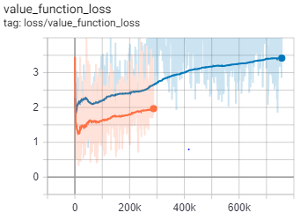
 | lam | 0.95
 | n_minibatches | 10
 | cliprange_vf | None
 | noptepochs | 4
 | cliprange_vf | 0.2

