Tabelle1
Iteration 1

Useful Comparisons - Summary:
1) Iteration1 and Iteration6; Only Difference: - Action Space:
[-5, 5] vs. [-100, 100] - Very similar results
2) Iteration6 and Iteration12; Only Difference:
- Horizon (steo size): 2 vs. 20
- It can be concluded, that the optimal step size with regard to convergence speed is the number of IK points. ==> Hence batch size must always be 1
- The loss is much smoother in case of higher step size. Stability Issue?
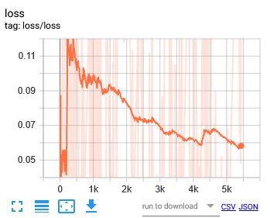
Notes:
- Average Reward; Last 50 Episodes: -1.24
Parameters |  | Summary after 20 min. of training:
Controlled axis | x
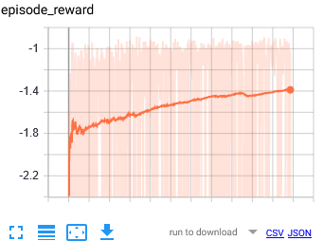
Network Architecture | [100, 100]

Max. IK points | 2

Action Space and Bound | [-5, 5]

Training Parameters
gamma | 0.99
n_steps | 2
entrop_coef | 0.01
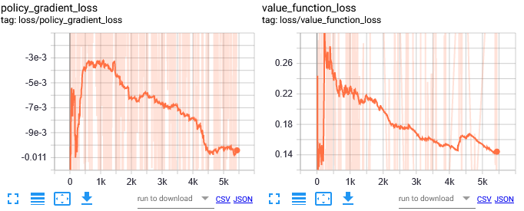
learning_rate | 5.00E-04
vf_coef | 0.5
max_grad_norm | 0.5
lam | 0.95
n_minibatches | 1
cliprange_vf | None
noptepochs | 4
cliprange_vf | 0.2

Iteration 2

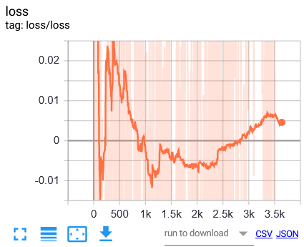
Notes:
- Converges to local minimum. Action at the end of the training is always 0.5 (max. interval limit)
- General Loss is not decreasing constantly
- A good point to continue withr edued learning rate is @ update 1100
- Average reward; Last 50 Episodes: -1.43 (smoothed)
Parameters |  | Summary after 20 min. of training:
Controlled axis | x
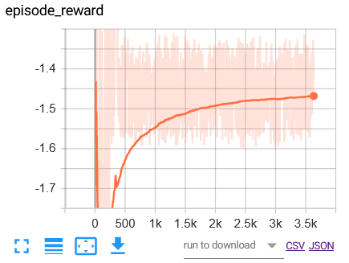
Network Architecture | [150, 150]

Max. IK points | 2

Action Space and Bound | [-5, 5]

Training Parameters
gamma | 0.99
n_steps | 2
entrop_coef | 0.01
learning_rate | 5.00E-03
vf_coef | 0.5
max_grad_norm | 0.5
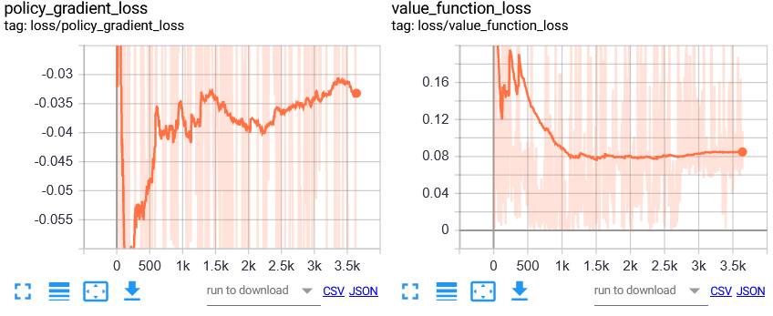
lam | 0.95
n_minibatches | 1
cliprange_vf | None
noptepochs | 4
cliprange_vf | 0.2

Iteration 3

Notes:
- Converges to local minimum. Action at the end of the training is always 0.25 (min. interval limit)
- Reward is higher, because the x-value cant go under 0.25.
- General loss seems to decrease, but the policy gradient loss increases
- Value Function looks good
- Average Reward; Last 50 Episodes: -1.16? (smoothed)
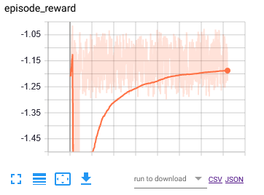
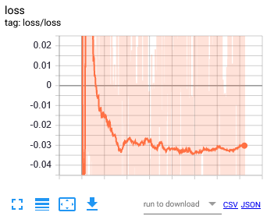
Parameters |  | Summary after 20 min. of training
Controlled axis | x

Network Architecture | [150, 150] | Summary after 20 min.

Max. IK points | 2

Action Space and Bound | [0.25, 1]

Training Parameters
gamma | 0.99
n_steps | 2
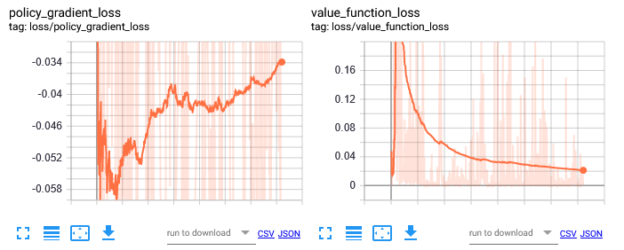
entrop_coef | 0.01
learning_rate | 5.00E-03
vf_coef | 0.5
max_grad_norm | 0.5
lam | 0.95
n_minibatches | 1
cliprange_vf | None
noptepochs | 4
cliprange_vf | 0.2

Iteration 4

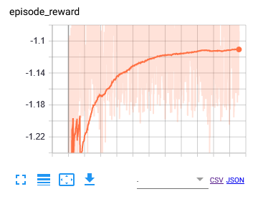
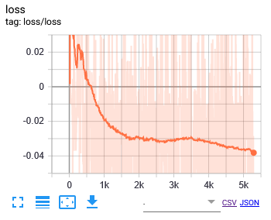
Notes:
- After a few minuted into the training, the agent outputs either 0.25 or 1 (min., max.)
- Does NOT converge, although the graphs seem to depict a converging behavior.
- If the action space is [-inf, inf], min. and max. outputs are: i) Min.: -2
ii) Max.: 2
- Average Reward; Last 50 Episodes: -1.10 (Smoothed)
Parameters |  | Summary after 20 min. of training | START: 16:44; END: 17:04
Controlled axis | x

Network Architecture | [150, 150]

Max. IK points | 2

Action Space and Bound | [0.25, 1]

Training Parameters
gamma | 0.99
n_steps | 2
entrop_coef | 0.01
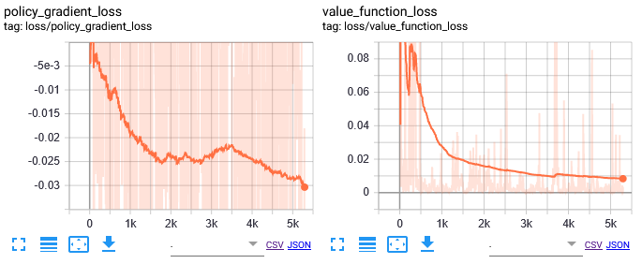
learning_rate | 5.00E-04
vf_coef | 0.5
max_grad_norm | 0.5
lam | 0.95
n_minibatches | 1
cliprange_vf | None
noptepochs | 4
cliprange_vf | 0.2

Iteration 5

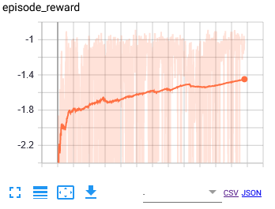
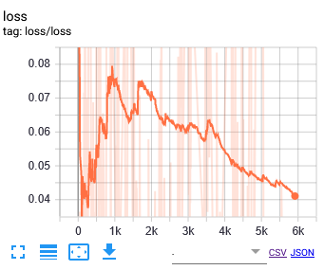
Notes:
- Reaches a similar reward like Solution 28
- Solution 28 has been possibly trained for longer
- The vast action space doesn't seem to have a impact on the convergence speed.
- Average Reward; Last 50 Episodes: -1.12 (smoothed)
Parameters |  | Summar after 20 min. of training | START:17:43; END: 18:03
Controlled axis | x

Network Architecture | [150, 150]

Max. IK points | 2

Action Space and Bound | [-100, 100]

Training Parameters
gamma | 0.99
n_steps | 2
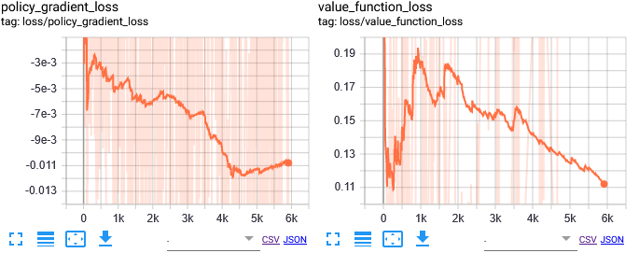
entrop_coef | 0.01
learning_rate | 5.00E-04
vf_coef | 0.5
max_grad_norm | 0.5
lam | 0.95
n_minibatches | 1
cliprange_vf | None
noptepochs | 4
cliprange_vf | 0.2

Iteration 6

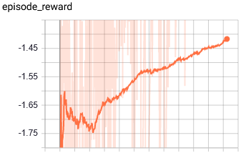
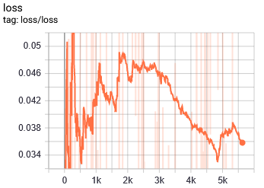
Notes:
- Like in Iteration1, it converges to a reward = -1.4
with 20 min. training
==> The vast action space DID NOT make the learning slower.
- One could continue to train this model starting from checkpoint 4600 with a reduced learning rate.
- Average Reward; Last 50 Episodes: -1.18
Parameters |  | Summary after training | START: 13:47; END: 14:07
Controlled axis | x

Network Architecture | [100, 100]

Max. IK points | 2

Action Space and Bound | [-100, 100]

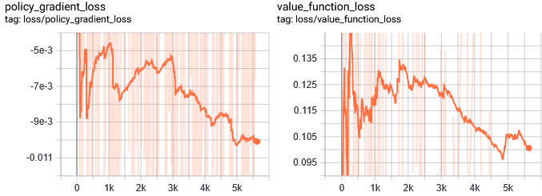
Training Parameters
gamma | 0.99
n_steps | 2
entrop_coef | 0.01
learning_rate | 5.00E-04
vf_coef | 0.5
max_grad_norm | 0.5
lam | 0.95
n_minibatches | 1
cliprange_vf | None
noptepochs | 4
cliprange_vf | 0.2

Iteration 7

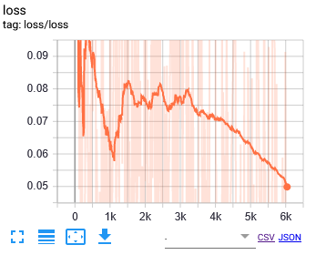
Notes:
- Converges to reard = -1.465 ==> Seems to converge SLIGHTLY slower, but it that can't be confirmed (difference too small: 0.065)
- Loss oscialltes less volatile
- Average Reward; Last 50 Episodes: -1.22
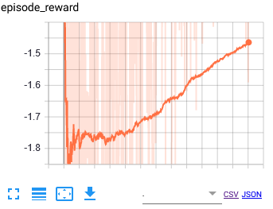
Parameters |  | Summary after 20 min. of training | START: 16:45; END: 17:06
Controlled axis | x

Network Architecture | [100, 100]

Max. IK points | 2

Action Space and Bound | [-100, 100]

Training Parameters
gamma | 0.99
n_steps | 10
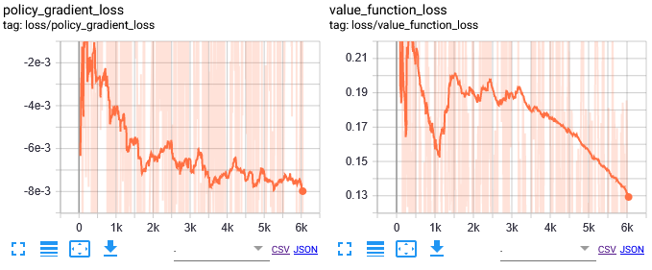
entrop_coef | 0.01
learning_rate | 5.00E-04
vf_coef | 0.5
max_grad_norm | 0.5
lam | 0.95
n_minibatches | 2
cliprange_vf | None
noptepochs | 4
cliprange_vf | 0.2

Iteration 9

Notes:
- Decreased the ckeckpoint saving intervall to 10, since it gets upudated less frequently
- n_steps and n_mnibatches assume standard values for stable baselines.
- Loss funciton is extremely smooth, convergence to the reward is significantly reduced.
- Average Reward; Last 50 Episodes: - 1.54 (Smoothed)
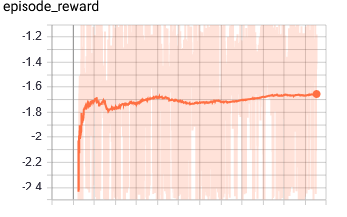
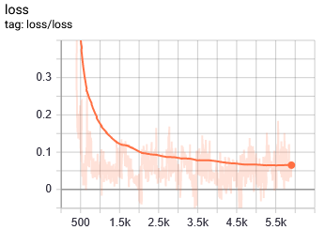
Parameters |  | Summary of training after 20 min. | START: 17:46;END: 18:06
Controlled axis | x

Network Architecture | [100, 100]

Max. IK points | 2

Action Space and Bound | [-100, 100]

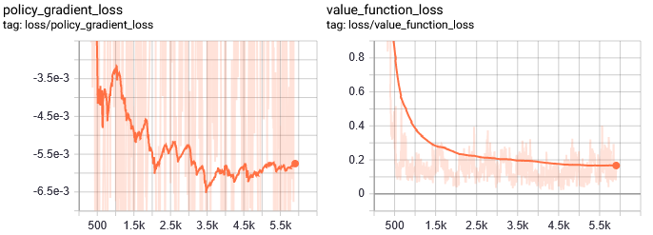
Training Parameters
gamma | 0.99
n_steps | 128
entrop_coef | 0.01
learning_rate | 5.00E-04
vf_coef | 0.5
max_grad_norm | 0.5
lam | 0.95
n_minibatches | 4
cliprange_vf | None
noptepochs | 4
cliprange_vf | 0.2

Iteration 10

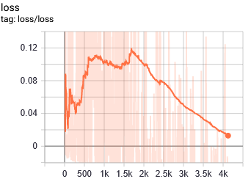
Notes:
- No convergence
- Breaks Policy Gradient
- Value Loss does not look promising
- Average Reward; Last 50 Episodes: -1.94 (Smoothed)
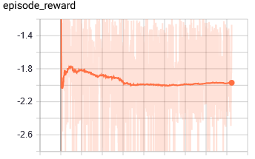
Parameters |  | Summary of training after 20 min. | START: 18:29 ;END: 18:49
Controlled axis | x

Network Architecture | [100, 100]

Max. IK points | 2

Action Space and Bound | [-100, 100]

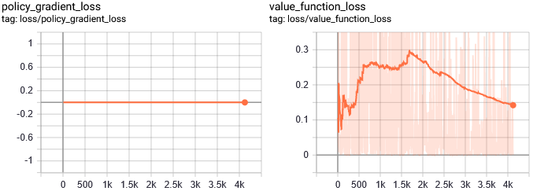
Training Parameters
gamma | 0.99
n_steps | 1
entrop_coef | 0.01
learning_rate | 5.00E-04
vf_coef | 0.5
max_grad_norm | 0.5
lam | 0.95
n_minibatches | 1
cliprange_vf | None
noptepochs | 4
cliprange_vf | 0.2

Iteration 11

Notes:
- Decreased the ckeckpoint saving intervall to 5, since it gets upudated less frequently
- Smooth loss and value
- Doesn't converge or converges very slowly
- Average Reward; Last 50 Episodes: -1.64 (smoothed)
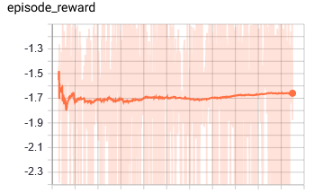
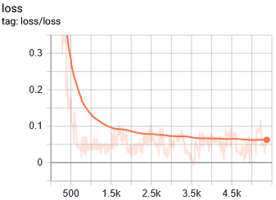
Parameters |  | Summary of training after 20 min. | START: 21:54; END: 22:14
Controlled axis | x

Network Architecture | [100, 100]

Max. IK points | 2

Action Space and Bound | [-100, 100]

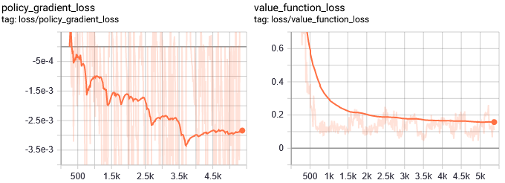
Training Parameters
gamma | 0.99
n_steps | 128
entrop_coef | 0.01
learning_rate | 5.00E-04
vf_coef | 0.5
max_grad_norm | 0.5
lam | 0.95
n_minibatches | 2
cliprange_vf | None
noptepochs | 4
cliprange_vf | 0.2

Iteration 12

Notes:
- Converges slowly, but might get stuck in a local minimum (see value and general loss)
- Average Reward; Last 50 Episodes: -1.46
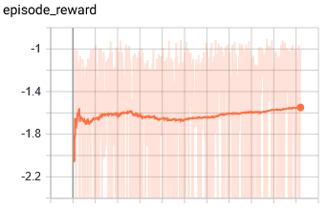
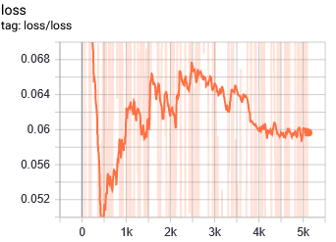
Parameters |  | Summary of training after 20 min. | SART: 22:23 ;END: 22:43
Controlled axis | x

Network Architecture | [100, 100]

Max. IK points | 2

Action Space and Bound | [-100, 100]

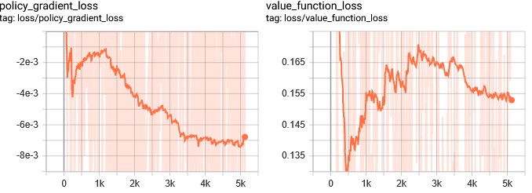
Training Parameters
gamma | 0.99
n_steps | 20
entrop_coef | 0.01
learning_rate | 5.00E-04
vf_coef | 0.5
max_grad_norm | 0.5
lam | 0.95
n_minibatches | 2
cliprange_vf | None
noptepochs | 4
cliprange_vf | 0.2

