Tabelle1
Preparations
Max. and Min. actions values: | X | [-15,15]
Possible: [-1000, 1000] | Y | [-15,15]
 | Z | [-15,15]
Configuration Solution 28

X_Y_Z_1 | Solution_28

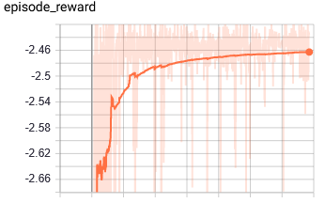
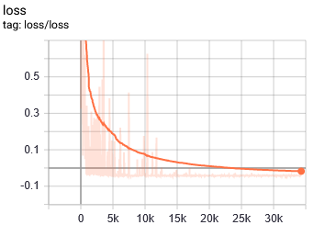
Notes:
- Configuration 28, Based on conclusions of Iteration_X series
==> Does NOT converge with three axis and 4 hours of training
- Action out diverge again to the action boundaries! [Max., Max., Min]
Parameters |  | Summary after240 min. of training | START:;END:
Controlled axis | X, Y, Z

Network Architecture | [200, 200]

Max. IK points | 2

Action Space and Bound | [-15, 15]

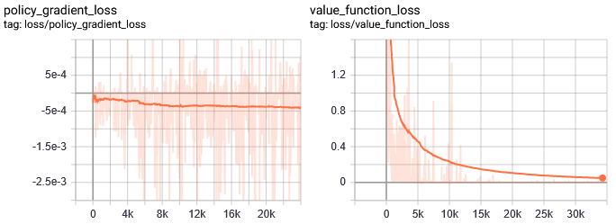
Training Parameters
gamma | 0.99
n_steps | 2
entrop_coef | 0.01
learning_rate | 5.00E-06
vf_coef | 0.5
max_grad_norm | 0.5
lam | 0.95
n_minibatches | 1
cliprange_vf | None
noptepochs | 4
cliprange_vf | 0.2

