Tabelle1
Iteration 2

Notes:
- Continue with training after 600th step with learning rate 5e-4
- 600th step corresponds to checkpoint 300, since each update consists of two steps
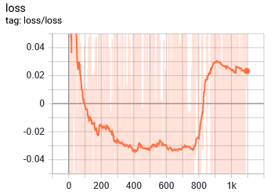
Parameters
Controlled axis | x | Summary of training shortly after bad update
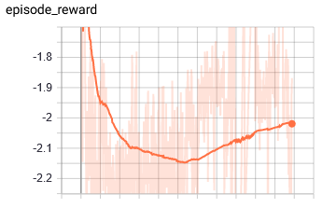
Network Architecture | [150, 150]

Max. IK points | 2

Action Space and Bound | [-5, 5]

Training Parameters
gamma | 0.99
n_steps | 2
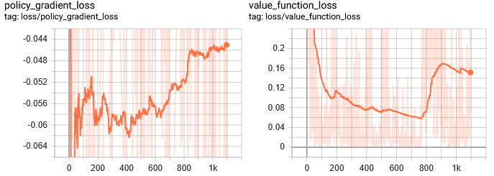
entrop_coef | 0.01
learning_rate | 5.00E-03
vf_coef | 0.5
max_grad_norm | 0.5
lam | 0.95
n_minibatches | 1
cliprange_vf | None
noptepochs | 4
cliprange_vf | 0.2

Iteration 2b; Continued with LR = 5e-4

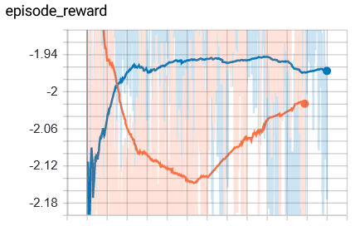
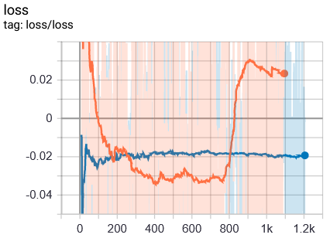
Notes:
- Iteration 2 loaded with decreased learning rate. Red: Iteration 2 with LR = 5e-3
Blue: Loaded model with LR = 5e-4
- Loaded @ step 300, before the divergence ( as seen in red curve after step 800)
- After a few minuted of training, it doesn't seem that the agent can reach the old reward value of -1.4
==> Longer training to confirm (20 min)
Parameters |  | Summary of training shortly after bad update; a few minuted of training
Controlled axis | x

Network Architecture | [150, 150]

Max. IK points | 2

Action Space and Bound | [-5, 5]

Training Parameters
gamma | 0.99
n_steps | 2
entrop_coef | 0.01
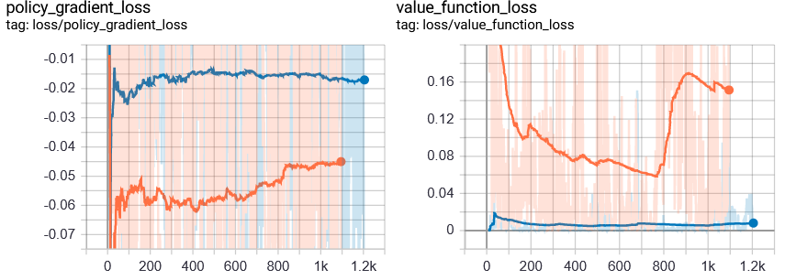
learning_rate | 5.00E-04
vf_coef | 0.5
max_grad_norm | 0.5
lam | 0.95
n_minibatches | 1
cliprange_vf | None
noptepochs | 4
cliprange_vf | 0.2

Iteration 2c; Loaded Iteration 1 with LR = 5e-4

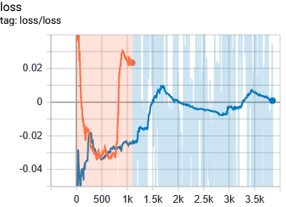
Notes:
- Loaded from Iteration2a, trained like Iteration2b but for 20 min.
- Loaded from CK 300
- Converges to -1.9 ==> Confirme, that it doesnt work by just decreasing the LR before the breaking point
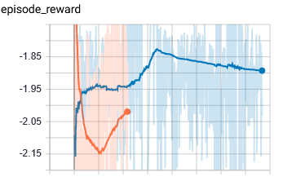
Parameters |  | Summary of training after 20 min. | START: 19:12; END: 19:32
Controlled axis | x

Network Architecture | [150, 150]

Max. IK points | 2

Action Space and Bound | [-5, 5]

Training Parameters
gamma | 0.99
n_steps | 2
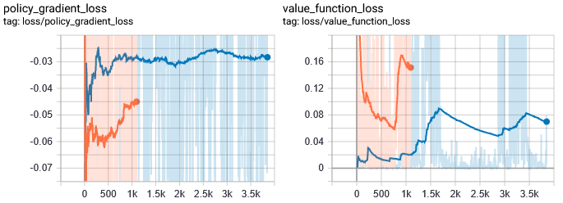
entrop_coef | 0.01
learning_rate | 5.00E-04
vf_coef | 0.5
max_grad_norm | 0.5
lam | 0.95
n_minibatches | 1
cliprange_vf | None
noptepochs | 4
cliprange_vf | 0.2

Iteration 2d; Loaded Iteration 1; Initialized all Parameters |  |  | START: 19:52; END: 20:12
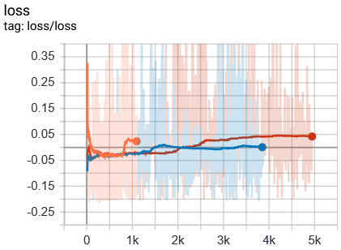
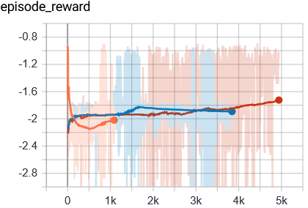
Notes:
- Initialized all values to the standard values EXPLICITLY in the stable baselines PPO2 constructor when loading!
- Trained for 20 min.
- Loaded from checkpoint 300
- According to the non-smoothed graph, it is as good as the original convergence value of the "good" Iterations.
==> The average erward of the last 50 episodes is -1.39! (see 'run_PPO2_2_tag_episode_reward')
==> This method seems to work as well!
Parameters
Controlled axis | x

Network Architecture | [150, 150]

Max. IK points | 2

Action Space and Bound | [-5, 5]

Training Parameters
gamma | 0.99
n_steps | 2
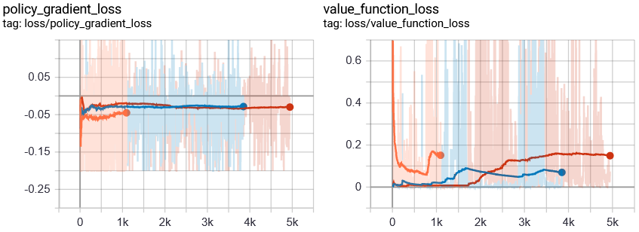
entrop_coef | 0.01
learning_rate | 5.00E-04
vf_coef | 0.5
max_grad_norm | 0.5
lam | 0.95
n_minibatches | 1
cliprange_vf | None
noptepochs | 4
cliprange_vf | 0.2

