Folha1
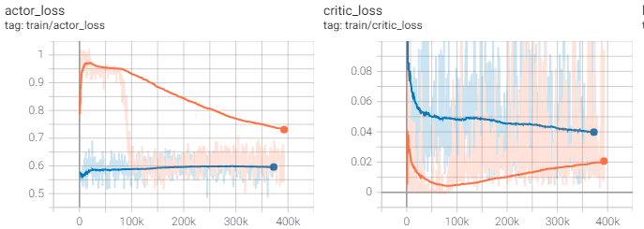
Results TD3

main_TD3_SB3_1

Network Architecture | [150, 150]

Max. IK points | 9

Action Low | [-2, -2, -2]
Action High | [2, 2, 2,]
Training Parameters
gamma | 0.95
learning_rate | 2.5e-4
batch_size | 100
tau | 0.005
train_freq | (1, 'episode')
gradient_steps | -1
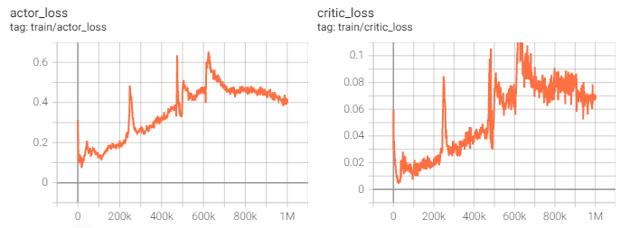
action_noise | None
optimize_memory_usage | False
policy_delay | 2
target_policy_noise | 0.2
target_noise_clip | 0.5
activation | tanh
network | [150, 150]

main_TD3_SB3_1_II | [150, 150]

Max. IK points | 9

Action Low | [-2, -2, -2]
Action High | [2, 2, 2,]
Training Parameters
gamma | 0.95
learning_rate | 2.5e-4
batch_size | 100
tau | 0.005
train_freq | (1, 'episode')
gradient_steps | -1
action_noise | None
optimize_memory_usage | False
policy_delay | 2
target_policy_noise | 0.2
target_noise_clip | 0.5
activation | tanh
network | [150, 150]

main_TD3_SB3_2 | [150, 150]

Max. IK points | 9

Action Low | [-2, -2, -2]
Action High | [2, 2, 2,]
Training Parameters
gamma | 0.95
learning_rate | 2.5e-4
batch_size | 100
learning_starts | 100
tau | 0.005
train_freq | (1, 'episode')
gradient_steps | -1
action_noise | [Mean:0 ; Sigma: 0.1]
optimize_memory_usage | False
policy_delay | 2
target_policy_noise | 0.2
target_noise_clip | 0.5
activation | tanh
network | [150, 150]

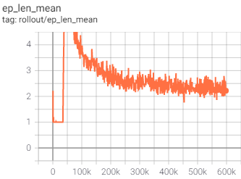
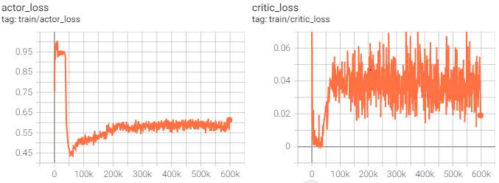

main_TD3_SB3_2_II | [150, 150]

Max. IK points | 9

Action Low | [-2, -2, -2]
Action High | [2, 2, 2,]
Training Parameters
gamma | 0.95
learning_rate | 2.5e-4
batch_size | 100
learning_starts | 100
tau | 0.005
train_freq | (1, 'episode')
gradient_steps | -1
action_noise | None
optimize_memory_usage | False
policy_delay | 2
target_policy_noise | 0.2
target_noise_clip | 0.5
activation | tanh
network | [150, 150]

main_TD3_SB3_3 | [150, 150]

Max. IK points | 9

Action Low | [-2, -2, -2]
Action High | [2, 2, 2,]
Training Parameters
gamma | 0.95
learning_rate | 2.5e-4
batch_size | 9
learning_starts | 450
tau | 0.005
train_freq | (1, 'episode')
gradient_steps | -1
action_noise | [Mean:0 ; Sigma: 0.1]
optimize_memory_usage | False
policy_delay | 2
target_policy_noise | 0.2
target_noise_clip | 0.5
activation | tanh
network | [150, 150]

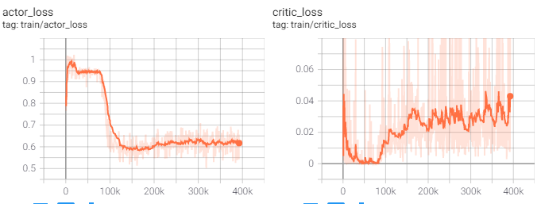

main_TD3_SB3_3_II | [150, 150]
Continuation: | Step 100K (highest)

Max. IK points | 9

Action Low | [-2, -2, -2]
Action High | [2, 2, 2,]
Training Parameters
gamma | 0.95
learning_rate | 2.5e-5
batch_size | 9
learning_starts | 1350
tau | 0.005
train_freq | (1, 'episode')
gradient_steps | -1
action_noise | [Mean:0 ; Sigma: 0.1]
optimize_memory_usage | False
policy_delay | 2
target_policy_noise | 0.2
target_noise_clip | 0.5
activation | tanh
network | [150, 150]

