Folha1
D3_NC

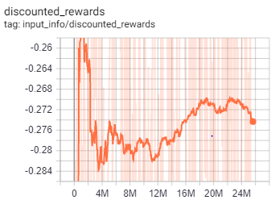
D3_NC_I | Network Architecture | [150, 150]

 | Action Limit | -5
 | Controlled Indices | [0,1,2,3,4,5,6]
 | Training Parameters
 | gamma | 0.995
 | n_steps | 128
 | entrop_coef | 0.01
 | learning_rate | 2.50E-04
 | vf_coef | 0.5
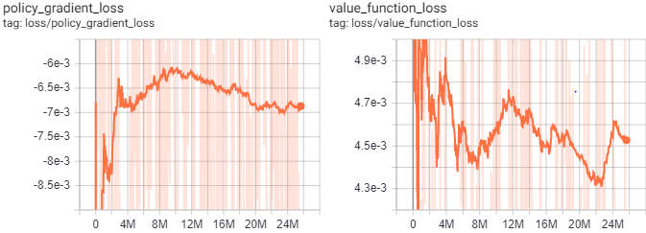
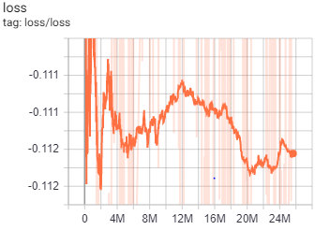
 | max_grad_norm | 0.5
 | lam | 0.95
 | n_minibatches | 4
 | cliprange_vf | None
 | noptepochs | 4
 | cliprange_vf | 0.2

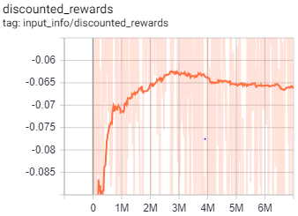
D3_NC_II | Network Architecture | [150, 150]

 | Action Limit | -5
 | Controlled Indices | [0,1,2,3,4,5,6]
 | Training Parameters
 | gamma | 0.95
 | n_steps | 100
 | entrop_coef | 0.01
 | learning_rate | 2.50E-04
 | vf_coef | 0.5
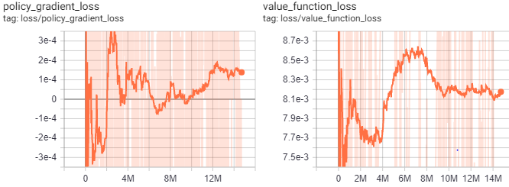
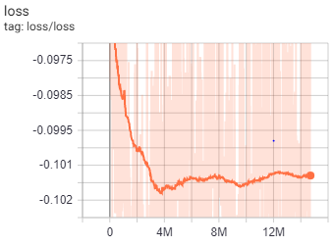
 | max_grad_norm | 0.5
 | lam | 0.95
 | n_minibatches | 4
 | cliprange_vf | None
 | noptepochs | 1
 | cliprange_vf | 0.2

